Summary
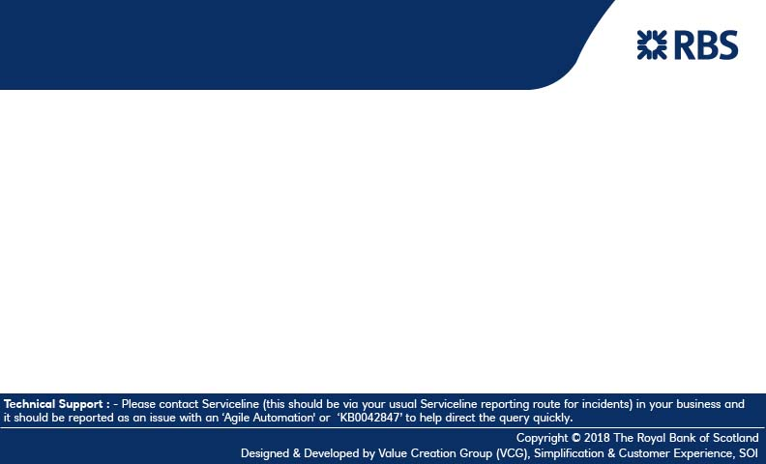
AML Search Automation



UAT V1.0 | 30-Sep-18

