Sheet1
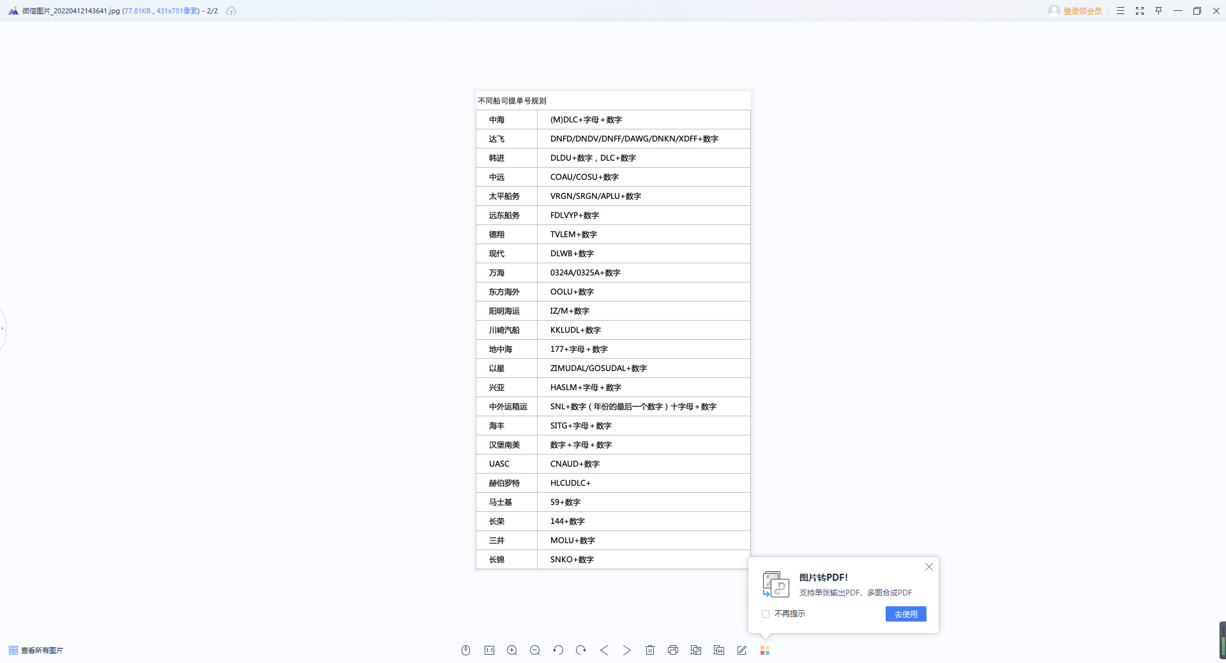
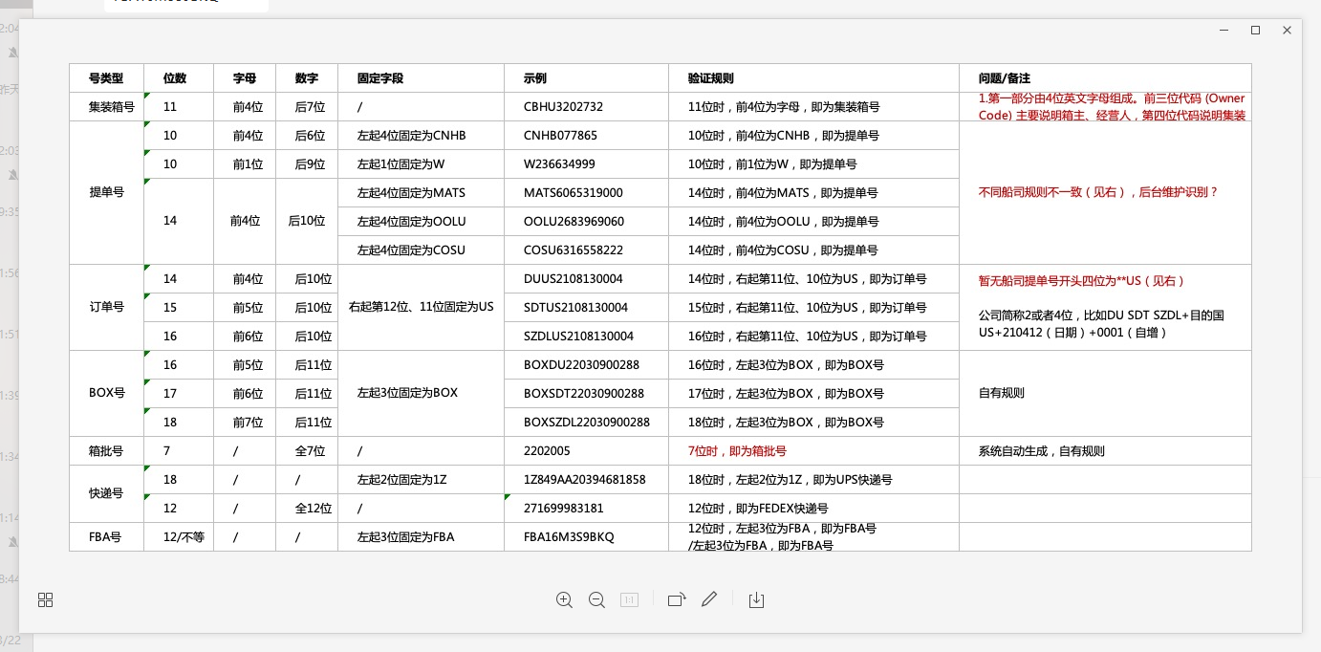
示例 | 示例
CBHU3202732 | CBHU3202732
CNHB077865 | CNHB077865
W236634999 | W236634999
MATS6065319000 | MATS6065319000
OOLU2683969060 | OOLU2683969060
COSU6316558222 | COSU6316558222
DUUS2108130004 | DUUS2108130004
SDTUS2108130004 | SDTUS2108130004
SZDLUS2108130004 | SZDLUS2108130004
BOXDU22030900288 | BOXDU22030900288
BOXSZDL22030900288 | BOXSZDL22030900288
BOXSZDL22030900288 | BOXSZDL22030900288
2202005 | 2202005
1Z849AA20394681858 | 1Z849AA20394681858
271699983181 | 271699983181
FBA16M3S9BKQ | FBA16M3S9BKQ

