cbs_2.0
table_schema | table_name | table_comment | column_name | data_type | column_comment | column_type |  | extra | is_nullable | column_default | column_key
cbs_2.0 | d | 文件图片信息表 | id | bigint | 主键 | bigint(20) |  | auto_increment | NO |  | PRI
cbs_2.0 | d | 文件图片信息表 | relate_id | bigint | 关联id | bigint(20) |  |  | YES |  | MUL
cbs_2.0 | d | 文件图片信息表 | relate_no | varchar | 临时箱号 | varchar(50) |  |  | YES
cbs_2.0 | d | 文件图片信息表 | biz_type | int | 业务类型 | int(11) |  |  | YES
cbs_2.0 | d | 文件图片信息表 | origin_name | varchar | 原文件名 | varchar(255) |  |  | YES
cbs_2.0 | d | 文件图片信息表 | target_name | varchar | 文件名 | varchar(255) |  |  | YES
cbs_2.0 | d | 文件图片信息表 | create_time | datetime | 创建时间 | datetime |  |  | NO | CURRENT_TIMESTAMP
cbs_2.0 | d | 文件图片信息表 | create_user | bigint | 创建人 | bigint(20) |  |  | YES
cbs_2.0 | d | 文件图片信息表 | create_user_name | varchar | 创建人名称 | varchar(50) |  |  | YES
cbs_2.0 | d | 文件图片信息表 | update_time | datetime | 更新时间 | datetime |  | on update CURRENT_TIMESTAMP | YES
cbs_2.0 | d | 文件图片信息表 | update_user | bigint | 更新人 | bigint(20) |  |  | YES
cbs_2.0 | d | 文件图片信息表 | update_user_name | varchar | 更新人名称 | varchar(50) |  |  | YES
cbs_2.0 | d | 文件图片信息表 | is_delete | char | 是否删除 0-否 1-是 | char(1) |  |  | NO | 0
cbs_2.0 | ifm_ebooking_order | 欧洲清关订单表 | id | bigint | 主键 | bigint(20) |  |  | NO |  | PRI
cbs_2.0 | ifm_ebooking_order | 欧洲清关订单表 | org_id | bigint | 组织机构 | bigint(20) |  |  | YES
cbs_2.0 | ifm_ebooking_order | 欧洲清关订单表 | order_no | varchar | 订单号 | varchar(50) |  |  | YES |  | UNI
cbs_2.0 | ifm_ebooking_order | 欧洲清关订单表 | mawb_id | bigint | 主单信息表id | bigint(20) |  |  | YES
cbs_2.0 | ifm_ebooking_order | 欧洲清关订单表 | customs_id | bigint | 主单信息表id | bigint(20) |  |  | YES
cbs_2.0 | ifm_ebooking_order | 欧洲清关订单表 | track_id | bigint | 尾程信息表id | bigint(20) |  |  | YES
cbs_2.0 | ifm_ebooking_order | 欧洲清关订单表 | customer_code | varchar | 委托单位代码 | varchar(50) |  |  | YES
cbs_2.0 | ifm_ebooking_order | 欧洲清关订单表 | customer_short_name | varchar | 委托单位简称（客户简称） | varchar(50) |  |  | YES
cbs_2.0 | ifm_ebooking_order | 欧洲清关订单表 | shipper_channel_code | varchar | 发货渠道代码 | varchar(50) |  |  | YES
cbs_2.0 | ifm_ebooking_order | 欧洲清关订单表 | shipper_channel_name | varchar | 发货渠道名称 | varchar(50) |  |  | YES
cbs_2.0 | ifm_ebooking_order | 欧洲清关订单表 | transport_mode | tinyint | 运输方式 | tinyint(2) |  |  | YES
cbs_2.0 | ifm_ebooking_order | 欧洲清关订单表 | vw_ratio | int | 尾程材积系数 | int(11) |  |  | YES
cbs_2.0 | ifm_ebooking_order | 欧洲清关订单表 | air_vol_ratio | int | 航空材积系数 | int(11) |  |  | YES
cbs_2.0 | ifm_ebooking_order | 欧洲清关订单表 | shipper_warehouse_code | varchar | 发货站点代码 | varchar(50) |  |  | YES
cbs_2.0 | ifm_ebooking_order | 欧洲清关订单表 | departure_country | varchar | 起运国 | varchar(50) |  |  | YES
cbs_2.0 | ifm_ebooking_order | 欧洲清关订单表 | destination_country | varchar | 目的国 | varchar(20) |  |  | YES
cbs_2.0 | ifm_ebooking_order | 欧洲清关订单表 | destination_province | varchar | 目的国省/州 | varchar(150) |  |  | YES
cbs_2.0 | ifm_ebooking_order | 欧洲清关订单表 | destination_city | varchar | 目的国城市 | varchar(150) |  |  | YES
cbs_2.0 | ifm_ebooking_order | 欧洲清关订单表 | pol_code | varchar | 起运港 | varchar(255) |  |  | YES
cbs_2.0 | ifm_ebooking_order | 欧洲清关订单表 | pod_code | varchar | 目的港 | varchar(255) |  |  | YES
cbs_2.0 | ifm_ebooking_order | 欧洲清关订单表 | warehouse_in_way | varchar | 入仓方式 | varchar(50) |  |  | YES
cbs_2.0 | ifm_ebooking_order | 欧洲清关订单表 | expected_in_day | datetime | 预计入仓日期 | datetime |  |  | YES
cbs_2.0 | ifm_ebooking_order | 欧洲清关订单表 | expected_in_time | varchar | 预计入仓时间段 | varchar(20) |  |  | YES
cbs_2.0 | ifm_ebooking_order | 欧洲清关订单表 | expected_in_driver_info | varchar | 仓司机信息 | varchar(50) |  |  | YES
cbs_2.0 | ifm_ebooking_order | 欧洲清关订单表 | pick_up_day | datetime | 预约提货日期 | datetime |  | on update CURRENT_TIMESTAMP | YES
cbs_2.0 | ifm_ebooking_order | 欧洲清关订单表 | pick_up_time | varchar | 预约提货时间段 | varchar(20) |  |  | YES
cbs_2.0 | ifm_ebooking_order | 欧洲清关订单表 | pick_up_address | varchar | 预约上门提货地址 | varchar(255) |  |  | YES
cbs_2.0 | ifm_ebooking_order | 欧洲清关订单表 | pick_up_address1 | varchar |  | varchar(255) |  |  | YES
cbs_2.0 | ifm_ebooking_order | 欧洲清关订单表 | pick_up_address2 | varchar |  | varchar(255) |  |  | YES
cbs_2.0 | ifm_ebooking_order | 欧洲清关订单表 | pick_up_address3 | varchar |  | varchar(255) |  |  | YES
cbs_2.0 | ifm_ebooking_order | 欧洲清关订单表 | pick_up_address4 | varchar |  | varchar(255) |  |  | YES
cbs_2.0 | ifm_ebooking_order | 欧洲清关订单表 | pick_up_address5 | varchar |  | varchar(255) |  |  | YES
cbs_2.0 | ifm_ebooking_order | 欧洲清关订单表 | pick_up_address6 | varchar |  | varchar(255) |  |  | YES
cbs_2.0 | ifm_ebooking_order | 欧洲清关订单表 | express_day | datetime | 预计送达日期 | datetime |  | on update CURRENT_TIMESTAMP | YES
cbs_2.0 | ifm_ebooking_order | 欧洲清关订单表 | express_company | varchar | 国内快递公司 | varchar(50) |  |  | YES
cbs_2.0 | ifm_ebooking_order | 欧洲清关订单表 | express_no | varchar | 国内快递单号 | varchar(50) |  |  | YES
cbs_2.0 | ifm_ebooking_order | 欧洲清关订单表 | shipper_name | varchar | 发货人 | varchar(100) |  |  | YES
cbs_2.0 | ifm_ebooking_order | 欧洲清关订单表 | shipper_contect | varchar | 发货联系人 | varchar(50) |  |  | YES
cbs_2.0 | ifm_ebooking_order | 欧洲清关订单表 | shipper_address | varchar | 发货人地址 | varchar(255) |  |  | YES
cbs_2.0 | ifm_ebooking_order | 欧洲清关订单表 | shipper_address1 | varchar |  | varchar(255) |  |  | YES
cbs_2.0 | ifm_ebooking_order | 欧洲清关订单表 | shipper_address2 | varchar |  | varchar(255) |  |  | YES
cbs_2.0 | ifm_ebooking_order | 欧洲清关订单表 | shipper_address3 | varchar |  | varchar(255) |  |  | YES
cbs_2.0 | ifm_ebooking_order | 欧洲清关订单表 | shipper_address4 | varchar |  | varchar(255) |  |  | YES
cbs_2.0 | ifm_ebooking_order | 欧洲清关订单表 | shipper_address5 | varchar |  | varchar(255) |  |  | YES
cbs_2.0 | ifm_ebooking_order | 欧洲清关订单表 | shipper_address6 | varchar |  | varchar(255) |  |  | YES
cbs_2.0 | ifm_ebooking_order | 欧洲清关订单表 | shipper_postcode | varchar | 发货人邮编 | varchar(50) |  |  | YES
cbs_2.0 | ifm_ebooking_order | 欧洲清关订单表 | shipper_tel | varchar | 发货人电话 | varchar(50) |  |  | YES
cbs_2.0 | ifm_ebooking_order | 欧洲清关订单表 | consignee_warehouse_code | varchar | 收件人仓代码 | varchar(50) |  |  | YES
cbs_2.0 | ifm_ebooking_order | 欧洲清关订单表 | consignee_address | varchar | 收件人地址 | varchar(255) |  |  | YES
cbs_2.0 | ifm_ebooking_order | 欧洲清关订单表 | consignee_address1 | varchar |  | varchar(255) |  |  | YES
cbs_2.0 | ifm_ebooking_order | 欧洲清关订单表 | consignee_address2 | varchar |  | varchar(255) |  |  | YES
cbs_2.0 | ifm_ebooking_order | 欧洲清关订单表 | consignee_address3 | varchar |  | varchar(255) |  |  | YES
cbs_2.0 | ifm_ebooking_order | 欧洲清关订单表 | consignee_address4 | varchar |  | varchar(255) |  |  | YES
cbs_2.0 | ifm_ebooking_order | 欧洲清关订单表 | consignee_address5 | varchar |  | varchar(255) |  |  | YES
cbs_2.0 | ifm_ebooking_order | 欧洲清关订单表 | consignee_address6 | varchar |  | varchar(255) |  |  | YES
cbs_2.0 | ifm_ebooking_order | 欧洲清关订单表 | consignee_postcode | varchar | 收件人邮编 | varchar(50) |  |  | YES
cbs_2.0 | ifm_ebooking_order | 欧洲清关订单表 | consignee_tel | varchar | 收件人电话 | varchar(50) |  |  | YES
cbs_2.0 | ifm_ebooking_order | 欧洲清关订单表 | fba_no | varchar | FBA号 | varchar(400) |  |  | YES
cbs_2.0 | ifm_ebooking_order | 欧洲清关订单表 | vat_no | varchar | vat号 | varchar(50) |  |  | YES
cbs_2.0 | ifm_ebooking_order | 欧洲清关订单表 | ref_no | varchar | 预约号 | varchar(400) |  |  | YES
cbs_2.0 | ifm_ebooking_order | 欧洲清关订单表 | total_amount | double | 申报总价 | double |  |  | YES
cbs_2.0 | ifm_ebooking_order | 欧洲清关订单表 | original_total_amount | double | 货值总价 | double |  |  | YES
cbs_2.0 | ifm_ebooking_order | 欧洲清关订单表 | total_vat | double | 总vat金额 | double |  |  | YES
cbs_2.0 | ifm_ebooking_order | 欧洲清关订单表 | total_importer_duty | double | 总进口关税金额 | double |  |  | YES
cbs_2.0 | ifm_ebooking_order | 欧洲清关订单表 | eori | varchar | 欧盟工商管理号 | varchar(50) |  |  | YES
cbs_2.0 | ifm_ebooking_order | 欧洲清关订单表 | importer_title | varchar | 进口商抬头 | varchar(100) |  |  | YES
cbs_2.0 | ifm_ebooking_order | 欧洲清关订单表 | importer_address | varchar | 进口商地址 | varchar(255) |  |  | YES
cbs_2.0 | ifm_ebooking_order | 欧洲清关订单表 | importer_address1 | varchar |  | varchar(255) |  |  | YES
cbs_2.0 | ifm_ebooking_order | 欧洲清关订单表 | importer_address2 | varchar |  | varchar(255) |  |  | YES
cbs_2.0 | ifm_ebooking_order | 欧洲清关订单表 | importer_address3 | varchar |  | varchar(255) |  |  | YES
cbs_2.0 | ifm_ebooking_order | 欧洲清关订单表 | importer_address4 | varchar |  | varchar(255) |  |  | YES
cbs_2.0 | ifm_ebooking_order | 欧洲清关订单表 | importer_address5 | varchar |  | varchar(255) |  |  | YES
cbs_2.0 | ifm_ebooking_order | 欧洲清关订单表 | importer_address6 | varchar |  | varchar(255) |  |  | YES
cbs_2.0 | ifm_ebooking_order | 欧洲清关订单表 | importer_tel | varchar | 进口商电话 | varchar(50) |  |  | YES
cbs_2.0 | ifm_ebooking_order | 欧洲清关订单表 | importer_email | varchar | 进口商邮件 | varchar(50) |  |  | YES
cbs_2.0 | ifm_ebooking_order | 欧洲清关订单表 | booking_pkgs_num | int | 委托箱数 | int(11) |  |  | YES
cbs_2.0 | ifm_ebooking_order | 欧洲清关订单表 | booking_gross_weight | double | 委托重量 | double |  |  | YES
cbs_2.0 | ifm_ebooking_order | 欧洲清关订单表 | booking_volume | double | 委托体积 | double |  |  | YES
cbs_2.0 | ifm_ebooking_order | 欧洲清关订单表 | booking_weight_vol_rate | int | 委托重泡比 | int(8) |  |  | YES
cbs_2.0 | ifm_ebooking_order | 欧洲清关订单表 | booking_vw_weight | double | 委托材积重 | double |  |  | YES
cbs_2.0 | ifm_ebooking_order | 欧洲清关订单表 | booking_chargable_weight | double | 委托系统计费重量 | double |  |  | YES
cbs_2.0 | ifm_ebooking_order | 欧洲清关订单表 | actual_warehouse_in_day | datetime | 实际入仓日期 | datetime |  |  | YES
cbs_2.0 | ifm_ebooking_order | 欧洲清关订单表 | actual_pkgs_num | int | 实际箱数 | int(11) |  |  | YES
cbs_2.0 | ifm_ebooking_order | 欧洲清关订单表 | actual_gross_weight | double | 实际重量 | double |  |  | YES
cbs_2.0 | ifm_ebooking_order | 欧洲清关订单表 | actual_volume | double | 实际体积 | double |  |  | YES
cbs_2.0 | ifm_ebooking_order | 欧洲清关订单表 | actual_weight_vol_rate | int | 实际重泡比 | int(8) |  |  | YES
cbs_2.0 | ifm_ebooking_order | 欧洲清关订单表 | actual_vw_weight | double | 实际材积重 | double |  |  | YES
cbs_2.0 | ifm_ebooking_order | 欧洲清关订单表 | system_chargable_weight | double | 系统计费重量 | double |  |  | YES
cbs_2.0 | ifm_ebooking_order | 欧洲清关订单表 | actual_chargable_weight | double | 实际计费重 | double |  |  | YES
cbs_2.0 | ifm_ebooking_order | 欧洲清关订单表 | packing_completed | tinyint | 装箱完成 | tinyint(2) |  |  | YES
cbs_2.0 | ifm_ebooking_order | 欧洲清关订单表 | packing_completed_date | datetime | 装箱完成时间 | datetime |  |  | YES
cbs_2.0 | ifm_ebooking_order | 欧洲清关订单表 | special_goods_properties | varchar | 货物特殊属性 | varchar(100) |  |  | YES
cbs_2.0 | ifm_ebooking_order | 欧洲清关订单表 | is_customs | varchar | 是否报关 | varchar(100) |  |  | YES
cbs_2.0 | ifm_ebooking_order | 欧洲清关订单表 | customs_currency | varchar | 申报币种 | varchar(10) |  |  | YES
cbs_2.0 | ifm_ebooking_order | 欧洲清关订单表 | goods_cname | varchar | 中文品名 | varchar(100) |  |  | YES
cbs_2.0 | ifm_ebooking_order | 欧洲清关订单表 | hscode_num | int | hscode数量 | int(11) |  |  | YES
cbs_2.0 | ifm_ebooking_order | 欧洲清关订单表 | tracking_no | varchar | 尾程跟踪号 | varchar(500) |  |  | YES
cbs_2.0 | ifm_ebooking_order | 欧洲清关订单表 | remark | varchar | 备注 | varchar(2000) |  |  | YES
cbs_2.0 | ifm_ebooking_order | 欧洲清关订单表 | remarks | varchar | 增值服务 | varchar(2000) |  |  | YES
cbs_2.0 | ifm_ebooking_order | 欧洲清关订单表 | status | tinyint | 状态（字典 0草稿 1待审单 2待入仓 3待订舱 4已订舱） | tinyint(2) |  |  | YES | 0
cbs_2.0 | ifm_ebooking_order | 欧洲清关订单表 | is_send | tinyint | FMS状态 0---未发送 1---已发送 2---已接单 3---不接单 | tinyint(2) |  |  | YES
cbs_2.0 | ifm_ebooking_order | 欧洲清关订单表 | send_date | datetime | 发送状态变更时间 | datetime |  | on update CURRENT_TIMESTAMP | YES
cbs_2.0 | ifm_ebooking_order | 欧洲清关订单表 | is_pre_stock | tinyint | WMS状态 0---未发送 1---已发送 | tinyint(2) |  |  | YES
cbs_2.0 | ifm_ebooking_order | 欧洲清关订单表 | pre_stock_date | datetime |  | datetime |  | on update CURRENT_TIMESTAMP | YES
cbs_2.0 | ifm_ebooking_order | 欧洲清关订单表 | customer_ref_no | varchar | 客户参考号 | varchar(400) |  |  | YES
cbs_2.0 | ifm_ebooking_order | 欧洲清关订单表 | customer_service_name | varchar | 客服 | varchar(50) |  |  | YES
cbs_2.0 | ifm_ebooking_order | 欧洲清关订单表 | salesman | varchar | 业务员 | varchar(50) |  |  | YES
cbs_2.0 | ifm_ebooking_order | 欧洲清关订单表 | is_private_address | tinyint | 私人地址 0否-- 1--是 | tinyint(2) |  |  | YES
cbs_2.0 | ifm_ebooking_order | 欧洲清关订单表 | is_remote_address | tinyint | 偏远地址 0否-- 1--是 | tinyint(2) |  |  | YES
cbs_2.0 | ifm_ebooking_order | 欧洲清关订单表 | is_commodity_surcharge | tinyint | 商品附加费 0否-- 1--是 | tinyint(2) |  |  | YES
cbs_2.0 | ifm_ebooking_order | 欧洲清关订单表 | is_over_length | tinyint | 超长 0否-- 1--是 | tinyint(2) |  |  | YES
cbs_2.0 | ifm_ebooking_order | 欧洲清关订单表 | is_over_weight | tinyint | 超重 0否-- 1--是 | tinyint(2) |  |  | YES
cbs_2.0 | ifm_ebooking_order | 欧洲清关订单表 | is_over_girth | tinyint | 超围长 0否-- 1--是 | tinyint(2) |  |  | YES
cbs_2.0 | ifm_ebooking_order | 欧洲清关订单表 | is_business_address | tinyint | 商业地址 0否-- 1--是 | tinyint(2) |  |  | YES
cbs_2.0 | ifm_ebooking_order | 欧洲清关订单表 | total_net_weight | double | 总净重 | double |  |  | YES
cbs_2.0 | ifm_ebooking_order | 欧洲清关订单表 | is_multi_fba | varchar | 是否是多FBA号 | varchar(2) |  |  | YES
cbs_2.0 | ifm_ebooking_order | 欧洲清关订单表 | opt_company_code | varchar | 操作公司编码 | varchar(20) |  |  | YES
cbs_2.0 | ifm_ebooking_order | 欧洲清关订单表 | opt_company | varchar | 操作公司 | varchar(50) |  |  | YES
cbs_2.0 | ifm_ebooking_order | 欧洲清关订单表 | sale_company_code | varchar | 销售公司编码 | varchar(20) |  |  | YES
cbs_2.0 | ifm_ebooking_order | 欧洲清关订单表 | sale_company | varchar | 销售公司 | varchar(50) |  |  | YES
cbs_2.0 | ifm_ebooking_order | 欧洲清关订单表 | settlement_company_code | varchar | 结算公司 | varchar(20) |  |  | YES
cbs_2.0 | ifm_ebooking_order | 欧洲清关订单表 | settlement_company | varchar | 结算公司编码 | varchar(50) |  |  | YES
cbs_2.0 | ifm_ebooking_order | 欧洲清关订单表 | inner_ref_no | varchar | 内部参考号 | varchar(400) |  |  | YES
cbs_2.0 | ifm_ebooking_order | 欧洲清关订单表 | sales_price | decimal | 销售单价 | decimal(10,2) |  |  | YES
cbs_2.0 | ifm_ebooking_order | 欧洲清关订单表 | cost_price | decimal | 成本单价 | decimal(10,2) |  |  | YES
cbs_2.0 | ifm_ebooking_order | 欧洲清关订单表 | is_ups | tinyint | 是否生成机器人模板(0：否，1：是) | tinyint(2) |  |  | YES | 0
cbs_2.0 | ifm_ebooking_order | 欧洲清关订单表 | sale_id | bigint | 销售ID | bigint(20) |  |  | YES
cbs_2.0 | ifm_ebooking_order | 欧洲清关订单表 | customer_service_id | bigint | 客服ID | bigint(20) |  |  | YES
cbs_2.0 | ifm_ebooking_order | 欧洲清关订单表 | consignee_company_name | varchar | 收件人公司名 | varchar(100) |  |  | YES
cbs_2.0 | ifm_ebooking_order | 欧洲清关订单表 | share_pickles | varchar | 分泡 | varchar(50) |  |  | YES
cbs_2.0 | ifm_ebooking_order | 欧洲清关订单表 | real_customs_no | varchar | 报关单号 | varchar(50) |  |  | YES
cbs_2.0 | ifm_ebooking_order | 欧洲清关订单表 | customs_group_no | varchar | 报关组编号 | varchar(50) |  |  | YES
cbs_2.0 | ifm_ebooking_order | 欧洲清关订单表 | create_user_name | varchar | 下单人 | varchar(255) |  |  | YES
cbs_2.0 | ifm_ebooking_order | 欧洲清关订单表 | create_time | datetime | 创建时间 | datetime |  |  | YES
cbs_2.0 | ifm_ebooking_order | 欧洲清关订单表 | create_user | bigint | 创建人 | bigint(20) |  |  | YES
cbs_2.0 | ifm_ebooking_order | 欧洲清关订单表 | update_time | datetime | 更新时间 | datetime |  |  | YES
cbs_2.0 | ifm_ebooking_order | 欧洲清关订单表 | update_user | bigint | 更新人 | bigint(20) |  |  | YES
cbs_2.0 | ifm_ebooking_order | 欧洲清关订单表 | update_user_name | varchar | 更新人名称 | varchar(50) |  |  | YES
cbs_2.0 | ifm_ebooking_order_box | 订单箱信息 | id | bigint | 主键 | bigint(20) |  |  | NO |  | PRI
cbs_2.0 | ifm_ebooking_order_box | 订单箱信息 | order_id | bigint | 订单表id | bigint(20) |  |  | NO
cbs_2.0 | ifm_ebooking_order_box | 订单箱信息 | box_no | varchar | 箱号 | varchar(50) |  |  | NO |  | UNI
cbs_2.0 | ifm_ebooking_order_box | 订单箱信息 | ccn | varchar |  | varchar(50) |  |  | YES
cbs_2.0 | ifm_ebooking_order_box | 订单箱信息 | length_cm | double | 长 | double |  |  | YES
cbs_2.0 | ifm_ebooking_order_box | 订单箱信息 | width_cm | double | 宽 | double |  |  | YES
cbs_2.0 | ifm_ebooking_order_box | 订单箱信息 | height_cm | double | 高 | double |  |  | YES
cbs_2.0 | ifm_ebooking_order_box | 订单箱信息 | girth_cm | double | 围长 | double |  |  | YES
cbs_2.0 | ifm_ebooking_order_box | 订单箱信息 | pkgs_num | int | 件数 | int(11) |  |  | YES
cbs_2.0 | ifm_ebooking_order_box | 订单箱信息 | volume | double | 体积 | double |  |  | YES
cbs_2.0 | ifm_ebooking_order_box | 订单箱信息 | net_weight | double | 净重 | double |  |  | YES
cbs_2.0 | ifm_ebooking_order_box | 订单箱信息 | gross_weight | double | 毛重 | double |  |  | YES
cbs_2.0 | ifm_ebooking_order_box | 订单箱信息 | weight_vol_rate | int | 重泡比 | int(8) |  |  | YES
cbs_2.0 | ifm_ebooking_order_box | 订单箱信息 | vw_weight | double | 委托材积重 | double |  |  | YES
cbs_2.0 | ifm_ebooking_order_box | 订单箱信息 | chargable_weight | double | 委托计费重 | double |  |  | YES
cbs_2.0 | ifm_ebooking_order_box | 订单箱信息 | actual_length_cm | double | 实际长 | double |  |  | YES
cbs_2.0 | ifm_ebooking_order_box | 订单箱信息 | actual_width_cm | double | 实际宽 | double |  |  | YES
cbs_2.0 | ifm_ebooking_order_box | 订单箱信息 | actual_height_cm | double | 实际高 | double |  |  | YES
cbs_2.0 | ifm_ebooking_order_box | 订单箱信息 | actual_volume | double | 实际体积 | double |  |  | YES
cbs_2.0 | ifm_ebooking_order_box | 订单箱信息 | vw_ratio | int | 尾程材积系数 | int(11) |  |  | YES
cbs_2.0 | ifm_ebooking_order_box | 订单箱信息 | actual_weight_vol_rate | int | 实际重泡比 | int(8) |  |  | YES
cbs_2.0 | ifm_ebooking_order_box | 订单箱信息 | actual_vw_weight | double | 实际材积重 | double |  |  | YES
cbs_2.0 | ifm_ebooking_order_box | 订单箱信息 | actual_gross_weight | double | 实际箱毛重 | double |  |  | YES
cbs_2.0 | ifm_ebooking_order_box | 订单箱信息 | system_chargable_weight | double | 系统计费重量 | double |  |  | YES
cbs_2.0 | ifm_ebooking_order_box | 订单箱信息 | total_amount | double | 申报总价 | double |  |  | YES
cbs_2.0 | ifm_ebooking_order_box | 订单箱信息 | original_total_amount | double | 货值总价 | double |  |  | YES
cbs_2.0 | ifm_ebooking_order_box | 订单箱信息 | total_vat | double | 总vat金额 | double |  |  | YES
cbs_2.0 | ifm_ebooking_order_box | 订单箱信息 | total_importer_duty | double | 总进口关税金额 | double |  |  | YES
cbs_2.0 | ifm_ebooking_order_box | 订单箱信息 | special_goods_properties | varchar | 货物特殊属性 | varchar(50) |  |  | YES
cbs_2.0 | ifm_ebooking_order_box | 订单箱信息 | is_customs | varchar | 是否报关 | varchar(10) |  |  | YES
cbs_2.0 | ifm_ebooking_order_box | 订单箱信息 | dsp_tracking_number | varchar | 尾端跟踪号 | varchar(50) |  |  | YES
cbs_2.0 | ifm_ebooking_order_box | 订单箱信息 | label_url | varchar | 标签链接地址 | varchar(100) |  |  | YES
cbs_2.0 | ifm_ebooking_order_box | 订单箱信息 | tracking_no | varchar | 尾程跟踪号 | varchar(50) |  |  | YES
cbs_2.0 | ifm_ebooking_order_box | 订单箱信息 | remark | varchar | 备注 | varchar(200) |  |  | YES
cbs_2.0 | ifm_ebooking_order_box | 订单箱信息 | create_time | datetime | 创建时间 | datetime |  |  | YES
cbs_2.0 | ifm_ebooking_order_box | 订单箱信息 | create_user | bigint | 创建人 | bigint(20) |  |  | YES
cbs_2.0 | ifm_ebooking_order_box | 订单箱信息 | create_user_name | varchar | 创建人名称 | varchar(50) |  |  | YES
cbs_2.0 | ifm_ebooking_order_box | 订单箱信息 | update_time | datetime | 更新时间 | datetime |  |  | YES
cbs_2.0 | ifm_ebooking_order_box | 订单箱信息 | update_user | bigint | 更新人 | bigint(20) |  |  | YES
cbs_2.0 | ifm_ebooking_order_box | 订单箱信息 | update_user_name | varchar | 更新人名称 | varchar(50) |  |  | YES
cbs_2.0 | ifm_ebooking_order_detail | 装箱品名信息 | id | bigint | 主键 | bigint(20) |  |  | NO |  | PRI
cbs_2.0 | ifm_ebooking_order_detail | 装箱品名信息 | box_id | bigint | 箱号表id | bigint(20) |  |  | YES
cbs_2.0 | ifm_ebooking_order_detail | 装箱品名信息 | goods_cname | varchar | 中文品名 | varchar(100) |  |  | YES
cbs_2.0 | ifm_ebooking_order_detail | 装箱品名信息 | goods_ename | varchar | 英文品名 | varchar(100) |  |  | YES
cbs_2.0 | ifm_ebooking_order_detail | 装箱品名信息 | hs_code | varchar | 海关编码 | varchar(50) |  |  | YES
cbs_2.0 | ifm_ebooking_order_detail | 装箱品名信息 | hs_code_cn | varchar | 国内海关编码 | varchar(50) |  |  | YES
cbs_2.0 | ifm_ebooking_order_detail | 装箱品名信息 | brand | varchar | 品牌 | varchar(50) |  |  | YES
cbs_2.0 | ifm_ebooking_order_detail | 装箱品名信息 | model | varchar | 型号 | varchar(50) |  |  | YES
cbs_2.0 | ifm_ebooking_order_detail | 装箱品名信息 | des_country | varchar | 目的国 | varchar(50) |  |  | YES
cbs_2.0 | ifm_ebooking_order_detail | 装箱品名信息 | material_ename | varchar | 英文材质 | varchar(200) |  |  | YES
cbs_2.0 | ifm_ebooking_order_detail | 装箱品名信息 | purpose_ename | varchar | 英文用途 | varchar(200) |  |  | YES
cbs_2.0 | ifm_ebooking_order_detail | 装箱品名信息 | customs_currency | varchar | 申报币种 | varchar(10) |  |  | YES
cbs_2.0 | ifm_ebooking_order_detail | 装箱品名信息 | original_currency | varchar | 原始币种 | varchar(10) |  |  | YES
cbs_2.0 | ifm_ebooking_order_detail | 装箱品名信息 | pieces | int | 数量 | int(11) |  |  | YES
cbs_2.0 | ifm_ebooking_order_detail | 装箱品名信息 | price | double | 单价 | double |  |  | YES
cbs_2.0 | ifm_ebooking_order_detail | 装箱品名信息 | original_price | double | 原始单价 | double |  |  | YES
cbs_2.0 | ifm_ebooking_order_detail | 装箱品名信息 | total_amount | double | 申报总价 | double |  |  | YES
cbs_2.0 | ifm_ebooking_order_detail | 装箱品名信息 | original_total_amount | double | 总价 | double |  |  | YES
cbs_2.0 | ifm_ebooking_order_detail | 装箱品名信息 | vat_rate | double | vat税率 | double |  |  | YES
cbs_2.0 | ifm_ebooking_order_detail | 装箱品名信息 | total_vat | double | 总vat金额 | double |  |  | YES
cbs_2.0 | ifm_ebooking_order_detail | 装箱品名信息 | importer_duty_rate | double | 进口关税税率 | double |  |  | YES
cbs_2.0 | ifm_ebooking_order_detail | 装箱品名信息 | total_importer_duty | double | 总进口关税金额 | double |  |  | YES
cbs_2.0 | ifm_ebooking_order_detail | 装箱品名信息 | product_weight | double | 产品重量 | double |  |  | YES
cbs_2.0 | ifm_ebooking_order_detail | 装箱品名信息 | asin_code | varchar | ASIN代码 | varchar(2000) |  |  | YES
cbs_2.0 | ifm_ebooking_order_detail | 装箱品名信息 | sale_link | varchar | 销售链接 | varchar(2000) |  |  | YES
cbs_2.0 | ifm_ebooking_order_detail | 装箱品名信息 | special_goods_properties | varchar | 货物特殊属性 | varchar(50) |  |  | YES
cbs_2.0 | ifm_ebooking_order_detail | 装箱品名信息 | is_customs | varchar | 是否报关 | varchar(10) |  |  | YES
cbs_2.0 | ifm_ebooking_order_detail | 装箱品名信息 | sku_file_id | bigint | SKU照片ID | bigint(20) |  |  | YES
cbs_2.0 | ifm_ebooking_order_detail | 装箱品名信息 | remark | varchar | 备注 | varchar(200) |  |  | YES
cbs_2.0 | ifm_ebooking_order_detail | 装箱品名信息 | create_time | datetime | 创建时间 | datetime |  |  | YES
cbs_2.0 | ifm_ebooking_order_detail | 装箱品名信息 | create_user | bigint | 创建人 | bigint(20) |  |  | YES
cbs_2.0 | ifm_ebooking_order_detail | 装箱品名信息 | create_user_name | varchar | 创建人名称 | varchar(50) |  |  | YES
cbs_2.0 | ifm_ebooking_order_detail | 装箱品名信息 | update_time | datetime | 更新时间 | datetime |  |  | YES
cbs_2.0 | ifm_ebooking_order_detail | 装箱品名信息 | update_user | bigint | 更新人 | bigint(20) |  |  | YES
cbs_2.0 | ifm_ebooking_order_detail | 装箱品名信息 | update_user_name | varchar | 更新人名称 | varchar(50) |  |  | YES
cbs_2.0 | old_mawb_order_temp | 老数据（订舱单-订单关系表） | id | bigint | 主键 | bigint(20) |  | auto_increment | NO |  | PRI
cbs_2.0 | old_mawb_order_temp | 老数据（订舱单-订单关系表） | order_id | bigint |  | bigint(20) |  |  | YES
cbs_2.0 | old_mawb_order_temp | 老数据（订舱单-订单关系表） | mawb_id | bigint |  | bigint(20) |  |  | YES
cbs_2.0 | tl_bill_charge |  | id | bigint | 主键 | bigint(20) |  | auto_increment | NO |  | PRI
cbs_2.0 | tl_bill_charge |  | ar_ap | tinyint | 1 应收 2 应付 | tinyint(1) |  |  | YES
cbs_2.0 | tl_bill_charge |  | bill_order_id | bigint | 费用订单ID | bigint(20) |  |  | YES |  | MUL
cbs_2.0 | tl_bill_charge |  | order_id | bigint | 订单ID | bigint(20) |  |  | YES
cbs_2.0 | tl_bill_charge |  | order_no | varchar | 订单号 | varchar(50) |  |  | YES
cbs_2.0 | tl_bill_charge |  | volume | decimal | 体积 | decimal(10,2) |  |  | YES
cbs_2.0 | tl_bill_charge |  | chargeable_weight | decimal | 计费重 | decimal(10,2) |  |  | YES
cbs_2.0 | tl_bill_charge |  | pieces | int | 件数 | int(11) |  |  | YES
cbs_2.0 | tl_bill_charge |  | charge_group_id | bigint | 费用组ID | bigint(20) |  |  | YES
cbs_2.0 | tl_bill_charge |  | charge_group_name | varchar | 费用组名称 | varchar(50) |  |  | YES
cbs_2.0 | tl_bill_charge |  | charge_id | bigint | 费用ID | bigint(20) |  |  | YES
cbs_2.0 | tl_bill_charge |  | charge_name | varchar | 费用名称 | varchar(60) |  |  | YES
cbs_2.0 | tl_bill_charge |  | currency | varchar | 币种 | varchar(10) |  |  | YES
cbs_2.0 | tl_bill_charge |  | amount | decimal | 金额 | decimal(10,2) |  |  | YES
cbs_2.0 | tl_bill_charge |  | unit_price | decimal | 单价 | decimal(10,2) |  |  | YES
cbs_2.0 | tl_bill_charge |  | unit | tinyint | 计费单位 | tinyint(1) |  |  | YES
cbs_2.0 | tl_bill_charge |  | channel_name | varchar | 渠道名称 | varchar(50) |  |  | YES
cbs_2.0 | tl_bill_charge |  | transfer_no | varchar | 转单号 | varchar(50) |  |  | YES
cbs_2.0 | tl_bill_charge |  | related_order_no | varchar | 相关单号 | varchar(50) |  |  | YES
cbs_2.0 | tl_bill_charge |  | bill_id | bigint | 账单ID | bigint(20) |  |  | YES
cbs_2.0 | tl_bill_charge |  | bill_no | varchar | 账单号 | varchar(50) |  |  | YES
cbs_2.0 | tl_bill_charge |  | bill_create_time | datetime | 账单创建时间 | datetime |  |  | YES
cbs_2.0 | tl_bill_charge |  | exchange_rate | decimal | 汇率 | decimal(5,2) |  |  | YES
cbs_2.0 | tl_bill_charge |  | base_currency_amount | decimal | 本位币金额 | decimal(10,2) |  |  | YES
cbs_2.0 | tl_bill_charge |  | verif_time | datetime | 核销时间 | datetime |  |  | YES
cbs_2.0 | tl_bill_charge |  | verif_status | tinyint | 核销状态（0 未核销 1 已核销） | tinyint(1) |  |  | YES | 0
cbs_2.0 | tl_bill_charge |  | confirm_status | tinyint | 费用确认状态 0 未确认 1 已确认 | tinyint(1) |  |  | YES | 0
cbs_2.0 | tl_bill_charge |  | charge_status | tinyint | 费用状态（0：费用生成、1：账单生成、2：账单发送、3：账单核销） | tinyint(1) |  |  | YES | 0
cbs_2.0 | tl_bill_charge |  | invoice_no | varchar | 发票号(BMS回传) | varchar(200) |  |  | YES
cbs_2.0 | tl_bill_charge |  | remark | varchar | 备注 | varchar(500) |  |  | YES
cbs_2.0 | tl_bill_charge |  | create_time | timestamp | 创建时间 | timestamp |  |  | NO | CURRENT_TIMESTAMP
cbs_2.0 | tl_bill_charge |  | create_user | bigint | 创建人 | bigint(20) |  |  | YES
cbs_2.0 | tl_bill_charge |  | create_user_name | varchar | 创建人 | varchar(30) |  |  | YES
cbs_2.0 | tl_bill_charge |  | update_time | timestamp | 修改时间 | timestamp |  | on update CURRENT_TIMESTAMP | YES
cbs_2.0 | tl_bill_charge |  | update_user | bigint | 修改人 | bigint(10) |  |  | YES
cbs_2.0 | tl_bill_charge |  | update_user_name | varchar | 修改人 | varchar(30) |  |  | YES
cbs_2.0 | tl_bill_charge |  | is_delete | char | 是否软删除 | char(1) |  |  | NO | 0
cbs_2.0 | tl_bill_order |  | id | bigint | 主键 | bigint(20) |  | auto_increment | NO |  | PRI
cbs_2.0 | tl_bill_order |  | org_id | bigint | 组织机构 | bigint(20) |  |  | YES
cbs_2.0 | tl_bill_order |  | order_id | bigint | 订单ID | bigint(20) |  |  | YES
cbs_2.0 | tl_bill_order |  | order_no | varchar | 订单号 | varchar(50) |  |  | YES
cbs_2.0 | tl_bill_order |  | order_bill_status | tinyint | 订单财务状态0费用未录1费用已录2生成账单3确认账单4账单核销 | tinyint(2) |  |  | YES | 0
cbs_2.0 | tl_bill_order |  | channel_name | varchar | 发货渠道名称 | varchar(50) |  |  | YES
cbs_2.0 | tl_bill_order |  | channel_code | varchar | 发货渠道编码 | varchar(50) |  |  | YES
cbs_2.0 | tl_bill_order |  | postcode | varchar | 邮编 | varchar(20) |  |  | YES
cbs_2.0 | tl_bill_order |  | consignee_warehouse_code | varchar | 收件人仓库代码 | varchar(50) |  |  | YES
cbs_2.0 | tl_bill_order |  | destination_country | varchar | 目的国 | varchar(20) |  |  | YES
cbs_2.0 | tl_bill_order |  | transfer_no | varchar | 转单号 | varchar(200) |  |  | YES
cbs_2.0 | tl_bill_order |  | related_order_no | varchar | 相关单号 | varchar(200) |  |  | YES
cbs_2.0 | tl_bill_order |  | volume | decimal | 体积 | decimal(10,2) |  |  | YES
cbs_2.0 | tl_bill_order |  | chargeable_weight | decimal | 计费重 | decimal(10,2) |  |  | YES
cbs_2.0 | tl_bill_order |  | pieces | int | 件数 (订单的箱数) | int(10) |  |  | YES
cbs_2.0 | tl_bill_order |  | cust_code | varchar | 客户编码 | varchar(50) |  |  | YES
cbs_2.0 | tl_bill_order |  | cust_name | varchar | 客户名称 | varchar(100) |  |  | YES
cbs_2.0 | tl_bill_order |  | customer_short_name | varchar | 客户简称 | varchar(100) |  |  | YES
cbs_2.0 | tl_bill_order |  | bill_id | varchar | 账单ID | varchar(500) |  |  | YES
cbs_2.0 | tl_bill_order |  | bill_no | varchar | 账单号 | varchar(300) |  |  | YES
cbs_2.0 | tl_bill_order |  | bill_verif_time | datetime | 账单核销时间 | datetime |  |  | YES
cbs_2.0 | tl_bill_order |  | bill_create_time | datetime | 账单创建时间 | datetime |  |  | YES
cbs_2.0 | tl_bill_order |  | bill_confirm_time | datetime | 账单发送时间 | datetime |  |  | YES
cbs_2.0 | tl_bill_order |  | payable_total | decimal | 应付账款 总计 | decimal(10,2) |  |  | YES
cbs_2.0 | tl_bill_order |  | receivable_total | decimal | 应收账款 总计 | decimal(10,2) |  |  | YES
cbs_2.0 | tl_bill_order |  | gross_profit | decimal | 毛利 | decimal(10,2) |  |  | YES
cbs_2.0 | tl_bill_order |  | gross_profit_rate | decimal | 毛利率 | decimal(10,4) |  |  | YES
cbs_2.0 | tl_bill_order |  | salesperson | varchar | 销售 | varchar(50) |  |  | YES
cbs_2.0 | tl_bill_order |  | order_charge_abnormal | varchar | 订单费用异常 | varchar(20) |  |  | YES
cbs_2.0 | tl_bill_order |  | is_private_address | tinyint | 私人地址 0否-- 1--是 | tinyint(2) |  |  | YES
cbs_2.0 | tl_bill_order |  | is_remote_address | tinyint | 偏远地址 0否-- 1--是 | tinyint(2) |  |  | YES
cbs_2.0 | tl_bill_order |  | is_commodity_surcharge | tinyint | 商品附加费 0否-- 1--是 | tinyint(2) |  |  | YES
cbs_2.0 | tl_bill_order |  | is_over_length | tinyint | 超长 0否-- 1--是 | tinyint(2) |  |  | YES
cbs_2.0 | tl_bill_order |  | is_over_weight | tinyint | 超重 0否-- 1--是 | tinyint(2) |  |  | YES
cbs_2.0 | tl_bill_order |  | is_over_girth | tinyint | 超围长 0否-- 1--是 | tinyint(2) |  |  | YES
cbs_2.0 | tl_bill_order |  | is_business_address | tinyint | 商业地址 0否-- 1--是 | tinyint(2) |  |  | YES
cbs_2.0 | tl_bill_order |  | order_create_time | datetime | 订单创建时间 | datetime |  |  | YES
cbs_2.0 | tl_bill_order |  | create_time | timestamp | 创建时间 | timestamp |  |  | NO | CURRENT_TIMESTAMP
cbs_2.0 | tl_bill_order |  | create_user | bigint | 创建人 | bigint(20) |  |  | YES
cbs_2.0 | tl_bill_order |  | create_user_name | varchar | 创建人 | varchar(30) |  |  | YES
cbs_2.0 | tl_bill_order |  | update_time | timestamp | 修改时间 | timestamp |  | on update CURRENT_TIMESTAMP | YES
cbs_2.0 | tl_bill_order |  | update_user | bigint | 修改人 | bigint(10) |  |  | YES
cbs_2.0 | tl_bill_order |  | update_user_name | varchar | 修改人 | varchar(30) |  |  | YES
cbs_2.0 | tl_bill_order |  | is_delete | char | 是否软删除 | char(1) |  |  | NO | 0
cbs_2.0 | tl_box_barcode_relation | 箱号-条码绑定关系 | id | bigint |  | bigint(20) |  | auto_increment | NO |  | PRI
cbs_2.0 | tl_box_barcode_relation | 箱号-条码绑定关系 | box_id | bigint | 箱号ID | bigint(20) |  |  | YES |  | MUL
cbs_2.0 | tl_box_barcode_relation | 箱号-条码绑定关系 | box_no | varchar | 箱号 | varchar(50) |  |  | YES
cbs_2.0 | tl_box_barcode_relation | 箱号-条码绑定关系 | barcode | varchar | 条码 | varchar(100) |  |  | YES |  | MUL
cbs_2.0 | tl_box_barcode_relation | 箱号-条码绑定关系 | create_user_name | varchar | 创建人 | varchar(255) |  |  | YES
cbs_2.0 | tl_box_barcode_relation | 箱号-条码绑定关系 | create_time | datetime | 创建时间 | datetime |  |  | NO | CURRENT_TIMESTAMP
cbs_2.0 | tl_box_barcode_relation | 箱号-条码绑定关系 | create_user | bigint | 创建人 | bigint(20) |  |  | YES
cbs_2.0 | tl_box_barcode_relation | 箱号-条码绑定关系 | update_time | datetime | 更新时间 | datetime |  | on update CURRENT_TIMESTAMP | YES
cbs_2.0 | tl_box_barcode_relation | 箱号-条码绑定关系 | update_user | bigint | 更新人 | bigint(20) |  |  | YES
cbs_2.0 | tl_box_barcode_relation | 箱号-条码绑定关系 | update_user_name | varchar | 更新人名称 | varchar(50) |  |  | YES
cbs_2.0 | tl_box_barcode_relation | 箱号-条码绑定关系 | is_delete | char | 是否删除(0：否，1：是) | char(1) |  |  | NO | 0
cbs_2.0 | tl_box_scan_info | 箱子条码扫描数据 | id | bigint |  | bigint(20) |  | auto_increment | NO |  | PRI
cbs_2.0 | tl_box_scan_info | 箱子条码扫描数据 | org_id | bigint | 组织id | bigint(20) |  |  | YES |  | MUL
cbs_2.0 | tl_box_scan_info | 箱子条码扫描数据 | scaned_no | varchar | 扫描到的原始号码 | varchar(50) |  |  | YES
cbs_2.0 | tl_box_scan_info | 箱子条码扫描数据 | box_id | bigint | 箱号id | bigint(20) |  |  | YES | 0 | MUL
cbs_2.0 | tl_box_scan_info | 箱子条码扫描数据 | box_no | varchar | 箱号（临时条码） | varchar(50) |  |  | YES
cbs_2.0 | tl_box_scan_info | 箱子条码扫描数据 | order_id | bigint | 订单id | bigint(20) |  |  | YES
cbs_2.0 | tl_box_scan_info | 箱子条码扫描数据 | mawb_id | bigint | 主单id | bigint(20) |  |  | YES |  | MUL
cbs_2.0 | tl_box_scan_info | 箱子条码扫描数据 | record_date | datetime | 扫描时间 | datetime |  |  | YES
cbs_2.0 | tl_box_scan_info | 箱子条码扫描数据 | type | tinyint | 0-进站 1-出战 | tinyint(1) |  |  | NO | 0
cbs_2.0 | tl_box_scan_info | 箱子条码扫描数据 | is_match | tinyint | 是否匹配 0-否 1-是 | tinyint(1) |  |  | NO | 0
cbs_2.0 | tl_box_scan_info | 箱子条码扫描数据 | create_user_name | varchar | 创建人 | varchar(255) |  |  | YES
cbs_2.0 | tl_box_scan_info | 箱子条码扫描数据 | create_time | datetime | 创建时间 | datetime |  |  | NO | CURRENT_TIMESTAMP
cbs_2.0 | tl_box_scan_info | 箱子条码扫描数据 | create_user | bigint | 创建人 | bigint(20) |  |  | YES
cbs_2.0 | tl_box_scan_info | 箱子条码扫描数据 | update_time | datetime | 更新时间 | datetime |  | on update CURRENT_TIMESTAMP | YES
cbs_2.0 | tl_box_scan_info | 箱子条码扫描数据 | update_user | bigint | 更新人 | bigint(20) |  |  | YES
cbs_2.0 | tl_box_scan_info | 箱子条码扫描数据 | update_user_name | varchar | 更新人名称 | varchar(50) |  |  | YES
cbs_2.0 | tl_box_scan_info | 箱子条码扫描数据 | is_delete | char | 是否删除(0：否，1：是) | char(1) |  |  | NO | 0
cbs_2.0 | tl_cbs_version | cbs版本信息表 | id | bigint |  | bigint(20) |  | auto_increment | NO |  | PRI
cbs_2.0 | tl_cbs_version | cbs版本信息表 | app_id | int | app_id | int(11) |  |  | YES
cbs_2.0 | tl_cbs_version | cbs版本信息表 | version_code | int | 版本号 | int(11) |  |  | YES
cbs_2.0 | tl_cbs_version | cbs版本信息表 | version_name | varchar | 版本号描述 | varchar(50) |  |  | YES
cbs_2.0 | tl_cbs_version | cbs版本信息表 | target_name | varchar | 文件名 | varchar(100) |  |  | YES
cbs_2.0 | tl_cbs_version | cbs版本信息表 | patch_url | varchar | 更新地址 | varchar(500) |  |  | YES
cbs_2.0 | tl_cbs_version | cbs版本信息表 | upgrade_tag | tinyint | 升级标签 0：否 1：是 | tinyint(1) |  |  | YES
cbs_2.0 | tl_cbs_version | cbs版本信息表 | upgrade_date | datetime | 升级标签时间（控制延时升级） | datetime |  |  | YES
cbs_2.0 | tl_cbs_version | cbs版本信息表 | is_release | tinyint | 是否release版 0：否 1：是 | tinyint(1) |  |  | NO | 0
cbs_2.0 | tl_cbs_version | cbs版本信息表 | release_note | varchar | 发版说明 | varchar(2500) |  |  | YES
cbs_2.0 | tl_cbs_version | cbs版本信息表 | create_time | timestamp | 创建时间 | timestamp |  |  | NO | CURRENT_TIMESTAMP
cbs_2.0 | tl_cbs_version | cbs版本信息表 | create_user | bigint | 创建人 | bigint(20) |  |  | YES
cbs_2.0 | tl_cbs_version | cbs版本信息表 | create_user_name | varchar | 创建人 | varchar(30) |  |  | YES
cbs_2.0 | tl_cbs_version | cbs版本信息表 | update_time | timestamp | 修改时间 | timestamp |  | on update CURRENT_TIMESTAMP | YES
cbs_2.0 | tl_cbs_version | cbs版本信息表 | update_user | bigint | 修改人 | bigint(10) |  |  | YES
cbs_2.0 | tl_cbs_version | cbs版本信息表 | update_user_name | varchar | 修改人 | varchar(30) |  |  | YES
cbs_2.0 | tl_cbs_version | cbs版本信息表 | is_delete | char | 是否软删除 | char(1) |  |  | NO | 0
cbs_2.0 | tl_container_event | 集装箱状态 | id | bigint | 主键 | bigint(20) |  | auto_increment | NO |  | PRI
cbs_2.0 | tl_container_event | 集装箱状态 | container_number | varchar | 集装箱号 | varchar(50) |  |  | YES
cbs_2.0 | tl_container_event | 集装箱状态 | vessel | varchar | 船名 | varchar(50) |  |  | YES
cbs_2.0 | tl_container_event | 集装箱状态 | voyage | varchar | 航次 | varchar(20) |  |  | YES
cbs_2.0 | tl_container_event | 集装箱状态 | event_date | bigint | 事件时间戳 | bigint(20) |  |  | YES | 0
cbs_2.0 | tl_container_event | 集装箱状态 | location | varchar | 位置 | varchar(50) |  |  | YES
cbs_2.0 | tl_container_event | 集装箱状态 | status | varchar | 事件描述 | varchar(200) |  |  | YES
cbs_2.0 | tl_container_event | 集装箱状态 | load_port | varchar | 装货港 | varchar(50) |  |  | YES
cbs_2.0 | tl_container_event | 集装箱状态 | discharge_port | varchar | 卸货港 | varchar(50) |  |  | YES
cbs_2.0 | tl_container_event | 集装箱状态 | create_time | datetime | 创建时间 | datetime |  |  | NO | CURRENT_TIMESTAMP
cbs_2.0 | tl_container_event | 集装箱状态 | create_user | bigint | 创建人 | bigint(20) |  |  | YES
cbs_2.0 | tl_container_event | 集装箱状态 | create_user_name | varchar | 创建人名称 | varchar(50) |  |  | YES
cbs_2.0 | tl_container_event | 集装箱状态 | update_time | datetime | 更新时间 | datetime |  | on update CURRENT_TIMESTAMP | YES
cbs_2.0 | tl_container_event | 集装箱状态 | update_user | bigint | 更新人 | bigint(20) |  |  | YES
cbs_2.0 | tl_container_event | 集装箱状态 | update_user_name | varchar | 更新人名称 | varchar(50) |  |  | YES
cbs_2.0 | tl_container_event | 集装箱状态 | is_delete | char | 是否删除 0-否 1-是 | char(1) |  |  | NO | 0
cbs_2.0 | tl_container_type | 箱型表 | id | bigint | 主键 | bigint(20) |  | auto_increment | NO |  | PRI
cbs_2.0 | tl_container_type | 箱型表 | type | varchar | 箱型 | varchar(20) |  |  | YES
cbs_2.0 | tl_container_type | 箱型表 | length | double | 长 | double |  |  | YES
cbs_2.0 | tl_container_type | 箱型表 | width | double | 宽 | double |  |  | YES
cbs_2.0 | tl_container_type | 箱型表 | height | double | 高 | double |  |  | YES
cbs_2.0 | tl_container_type | 箱型表 | volume | double | 体积 | double |  |  | YES
cbs_2.0 | tl_container_type | 箱型表 | loadable_volume | double | 可装载体积 | double |  |  | YES
cbs_2.0 | tl_container_type | 箱型表 | create_time | datetime | 创建时间 | datetime |  |  | NO | CURRENT_TIMESTAMP
cbs_2.0 | tl_container_type | 箱型表 | create_user | bigint | 创建人 | bigint(20) |  |  | YES
cbs_2.0 | tl_container_type | 箱型表 | create_user_name | varchar | 创建人名称 | varchar(50) |  |  | YES
cbs_2.0 | tl_container_type | 箱型表 | update_time | datetime | 更新时间 | datetime |  | on update CURRENT_TIMESTAMP | YES
cbs_2.0 | tl_container_type | 箱型表 | update_user | bigint | 更新人 | bigint(20) |  |  | YES
cbs_2.0 | tl_container_type | 箱型表 | update_user_name | varchar | 更新人名称 | varchar(50) |  |  | YES
cbs_2.0 | tl_container_type | 箱型表 | is_delete | char | 是否删除 0-否 1-是 | char(1) |  |  | NO | 0
cbs_2.0 | tl_cost_charges | 服务渠道费用表 | id | bigint |  | bigint(20) |  | auto_increment | NO |  | PRI
cbs_2.0 | tl_cost_charges | 服务渠道费用表 | cost_id | bigint | 服务渠道Id | bigint(20) |  |  | YES
cbs_2.0 | tl_cost_charges | 服务渠道费用表 | service_type | varchar | 服务类型 | varchar(45) |  |  | YES
cbs_2.0 | tl_cost_charges | 服务渠道费用表 | charge_name | varchar | 费用名称 | varchar(100) |  |  | YES
cbs_2.0 | tl_cost_charges | 服务渠道费用表 | billing_mode | varchar | 计费模式 | varchar(45) |  |  | YES
cbs_2.0 | tl_cost_charges | 服务渠道费用表 | currency | varchar | 币种 | varchar(20) |  |  | YES
cbs_2.0 | tl_cost_charges | 服务渠道费用表 | unit_price | decimal | 单价 | decimal(10,2) |  |  | YES
cbs_2.0 | tl_cost_charges | 服务渠道费用表 | remark | varchar | 备注 | varchar(255) |  |  | YES
cbs_2.0 | tl_cost_charges | 服务渠道费用表 | create_user | bigint | 创建人 | bigint(20) |  |  | YES
cbs_2.0 | tl_cost_charges | 服务渠道费用表 | create_user_name | varchar | 创建人名称 | varchar(50) |  |  | YES
cbs_2.0 | tl_cost_charges | 服务渠道费用表 | create_time | timestamp | 创建时间 | timestamp |  |  | NO | CURRENT_TIMESTAMP
cbs_2.0 | tl_cost_charges | 服务渠道费用表 | update_user | bigint | 更新人 | bigint(20) |  |  | YES
cbs_2.0 | tl_cost_charges | 服务渠道费用表 | update_user_name | varchar | 更新人名称 | varchar(50) |  |  | YES
cbs_2.0 | tl_cost_charges | 服务渠道费用表 | update_time | timestamp | 修改时间 | timestamp |  | on update CURRENT_TIMESTAMP | YES
cbs_2.0 | tl_cost_charges | 服务渠道费用表 | is_delete | char | 是否软删除 | char(1) |  |  | NO | 0
cbs_2.0 | tl_cost_express | 渠道成本_快递 | id | bigint |  | bigint(20) |  | auto_increment | NO |  | PRI
cbs_2.0 | tl_cost_express | 渠道成本_快递 | cost_id | bigint | 服务渠道Id | bigint(20) |  |  | YES
cbs_2.0 | tl_cost_express | 渠道成本_快递 | service_type | varchar | 服务类型 | varchar(45) |  |  | YES
cbs_2.0 | tl_cost_express | 渠道成本_快递 | departure | varchar | 起点 | varchar(45) |  |  | YES
cbs_2.0 | tl_cost_express | 渠道成本_快递 | fba_warehourse | varchar | FBA仓库 | varchar(45) |  |  | YES
cbs_2.0 | tl_cost_express | 渠道成本_快递 | destination | varchar | 目的 | varchar(255) |  |  | YES
cbs_2.0 | tl_cost_express | 渠道成本_快递 | weight_range | varchar | 重量范围 | varchar(50) |  |  | YES
cbs_2.0 | tl_cost_express | 渠道成本_快递 | unit_price | decimal | 单价 | decimal(10,2) |  |  | YES
cbs_2.0 | tl_cost_express | 渠道成本_快递 | surcharge1 | decimal | 附加费1 | decimal(10,2) |  |  | YES
cbs_2.0 | tl_cost_express | 渠道成本_快递 | surcharge2 | decimal | 附加费2 | decimal(10,2) |  |  | YES
cbs_2.0 | tl_cost_express | 渠道成本_快递 | total | varchar | 合计 | varchar(255) |  |  | YES
cbs_2.0 | tl_cost_express | 渠道成本_快递 | remark | varchar | 备注 | varchar(45) |  |  | YES
cbs_2.0 | tl_cost_express | 渠道成本_快递 | create_user | bigint | 创建人 | bigint(20) |  |  | YES
cbs_2.0 | tl_cost_express | 渠道成本_快递 | create_user_name | varchar | 创建人名称 | varchar(50) |  |  | YES
cbs_2.0 | tl_cost_express | 渠道成本_快递 | create_time | timestamp | 创建时间 | timestamp |  |  | NO | CURRENT_TIMESTAMP
cbs_2.0 | tl_cost_express | 渠道成本_快递 | update_user | bigint | 更新人 | bigint(20) |  |  | YES
cbs_2.0 | tl_cost_express | 渠道成本_快递 | update_user_name | varchar | 更新人名称 | varchar(50) |  |  | YES
cbs_2.0 | tl_cost_express | 渠道成本_快递 | update_time | timestamp | 修改时间 | timestamp |  | on update CURRENT_TIMESTAMP | YES
cbs_2.0 | tl_cost_express | 渠道成本_快递 | is_delete | char | 是否软删除 | char(1) |  |  | NO | 0
cbs_2.0 | tl_cost_pallet | 渠道成本_尾程（按托） | id | bigint |  | bigint(20) |  | auto_increment | NO |  | PRI
cbs_2.0 | tl_cost_pallet | 渠道成本_尾程（按托） | cost_id | bigint | 服务渠道Id | bigint(20) |  |  | YES
cbs_2.0 | tl_cost_pallet | 渠道成本_尾程（按托） | service_type | varchar | 服务类型 | varchar(45) |  |  | YES
cbs_2.0 | tl_cost_pallet | 渠道成本_尾程（按托） | fba_code | varchar | FBA仓库 | varchar(45) |  |  | YES
cbs_2.0 | tl_cost_pallet | 渠道成本_尾程（按托） | country_id | bigint |  | bigint(20) |  |  | YES
cbs_2.0 | tl_cost_pallet | 渠道成本_尾程（按托） | country | varchar | 国家 | varchar(45) |  |  | YES
cbs_2.0 | tl_cost_pallet | 渠道成本_尾程（按托） | province | varchar |  | varchar(255) |  |  | YES
cbs_2.0 | tl_cost_pallet | 渠道成本_尾程（按托） | province_id | bigint |  | bigint(20) |  |  | YES
cbs_2.0 | tl_cost_pallet | 渠道成本_尾程（按托） | city_id | bigint |  | bigint(20) |  |  | YES
cbs_2.0 | tl_cost_pallet | 渠道成本_尾程（按托） | city | varchar | 城市 | varchar(45) |  |  | YES
cbs_2.0 | tl_cost_pallet | 渠道成本_尾程（按托） | post_code | varchar | 邮编 | varchar(45) |  |  | YES
cbs_2.0 | tl_cost_pallet | 渠道成本_尾程（按托） | departure | varchar | 起点 | varchar(45) |  |  | YES
cbs_2.0 | tl_cost_pallet | 渠道成本_尾程（按托） | destination | varchar | 目的 | varchar(45) |  |  | YES
cbs_2.0 | tl_cost_pallet | 渠道成本_尾程（按托） | address | varchar | 地址 | varchar(255) |  |  | YES
cbs_2.0 | tl_cost_pallet | 渠道成本_尾程（按托） | remark | varchar | 备注 | varchar(45) |  |  | YES
cbs_2.0 | tl_cost_pallet | 渠道成本_尾程（按托） | pallet1 | decimal |  | decimal(10,2) |  |  | YES
cbs_2.0 | tl_cost_pallet | 渠道成本_尾程（按托） | pallet2 | decimal |  | decimal(10,2) |  |  | YES
cbs_2.0 | tl_cost_pallet | 渠道成本_尾程（按托） | pallet3 | decimal |  | decimal(10,2) |  |  | YES
cbs_2.0 | tl_cost_pallet | 渠道成本_尾程（按托） | pallet4 | decimal |  | decimal(10,2) |  |  | YES
cbs_2.0 | tl_cost_pallet | 渠道成本_尾程（按托） | pallet5 | decimal |  | decimal(10,2) |  |  | YES
cbs_2.0 | tl_cost_pallet | 渠道成本_尾程（按托） | pallet6 | decimal |  | decimal(10,2) |  |  | YES
cbs_2.0 | tl_cost_pallet | 渠道成本_尾程（按托） | pallet7 | decimal |  | decimal(10,2) |  |  | YES
cbs_2.0 | tl_cost_pallet | 渠道成本_尾程（按托） | pallet8 | decimal |  | decimal(10,2) |  |  | YES
cbs_2.0 | tl_cost_pallet | 渠道成本_尾程（按托） | pallet9 | decimal |  | decimal(10,2) |  |  | YES
cbs_2.0 | tl_cost_pallet | 渠道成本_尾程（按托） | pallet10 | decimal |  | decimal(10,2) |  |  | YES
cbs_2.0 | tl_cost_pallet | 渠道成本_尾程（按托） | pallet11 | decimal |  | decimal(10,2) |  |  | YES
cbs_2.0 | tl_cost_pallet | 渠道成本_尾程（按托） | pallet12 | decimal |  | decimal(10,2) |  |  | YES
cbs_2.0 | tl_cost_pallet | 渠道成本_尾程（按托） | pallet13 | decimal |  | decimal(10,2) |  |  | YES
cbs_2.0 | tl_cost_pallet | 渠道成本_尾程（按托） | pallet14 | decimal |  | decimal(10,2) |  |  | YES
cbs_2.0 | tl_cost_pallet | 渠道成本_尾程（按托） | pallet15 | decimal |  | decimal(10,2) |  |  | YES
cbs_2.0 | tl_cost_pallet | 渠道成本_尾程（按托） | pallet16 | decimal |  | decimal(10,2) |  |  | YES
cbs_2.0 | tl_cost_pallet | 渠道成本_尾程（按托） | pallet17 | decimal |  | decimal(10,2) |  |  | YES
cbs_2.0 | tl_cost_pallet | 渠道成本_尾程（按托） | pallet18 | decimal |  | decimal(10,2) |  |  | YES
cbs_2.0 | tl_cost_pallet | 渠道成本_尾程（按托） | pallet19 | decimal |  | decimal(10,2) |  |  | YES
cbs_2.0 | tl_cost_pallet | 渠道成本_尾程（按托） | pallet20 | decimal |  | decimal(10,2) |  |  | YES
cbs_2.0 | tl_cost_pallet | 渠道成本_尾程（按托） | pallet21 | decimal |  | decimal(10,2) |  |  | YES
cbs_2.0 | tl_cost_pallet | 渠道成本_尾程（按托） | pallet22 | decimal |  | decimal(10,2) |  |  | YES
cbs_2.0 | tl_cost_pallet | 渠道成本_尾程（按托） | pallet23 | decimal |  | decimal(10,2) |  |  | YES
cbs_2.0 | tl_cost_pallet | 渠道成本_尾程（按托） | pallet24 | decimal |  | decimal(10,2) |  |  | YES
cbs_2.0 | tl_cost_pallet | 渠道成本_尾程（按托） | pallet25 | decimal |  | decimal(10,2) |  |  | YES
cbs_2.0 | tl_cost_pallet | 渠道成本_尾程（按托） | pallet26 | decimal |  | decimal(10,2) |  |  | YES
cbs_2.0 | tl_cost_pallet | 渠道成本_尾程（按托） | pallet27 | decimal |  | decimal(10,2) |  |  | YES
cbs_2.0 | tl_cost_pallet | 渠道成本_尾程（按托） | pallet28 | decimal |  | decimal(10,2) |  |  | YES
cbs_2.0 | tl_cost_pallet | 渠道成本_尾程（按托） | pallet29 | decimal |  | decimal(10,2) |  |  | YES
cbs_2.0 | tl_cost_pallet | 渠道成本_尾程（按托） | pallet30 | decimal |  | decimal(10,2) |  |  | YES
cbs_2.0 | tl_cost_pallet | 渠道成本_尾程（按托） | pallet31 | decimal |  | decimal(10,2) |  |  | YES
cbs_2.0 | tl_cost_pallet | 渠道成本_尾程（按托） | pallet32 | decimal |  | decimal(10,2) |  |  | YES
cbs_2.0 | tl_cost_pallet | 渠道成本_尾程（按托） | pallet33 | decimal |  | decimal(10,2) |  |  | YES
cbs_2.0 | tl_cost_pallet | 渠道成本_尾程（按托） | create_user | bigint | 创建人 | bigint(20) |  |  | YES
cbs_2.0 | tl_cost_pallet | 渠道成本_尾程（按托） | create_user_name | varchar | 创建人名称 | varchar(50) |  |  | YES
cbs_2.0 | tl_cost_pallet | 渠道成本_尾程（按托） | create_time | timestamp | 创建时间 | timestamp |  |  | NO | CURRENT_TIMESTAMP
cbs_2.0 | tl_cost_pallet | 渠道成本_尾程（按托） | update_user | bigint | 更新人 | bigint(20) |  |  | YES
cbs_2.0 | tl_cost_pallet | 渠道成本_尾程（按托） | update_user_name | varchar | 更新人名称 | varchar(50) |  |  | YES
cbs_2.0 | tl_cost_pallet | 渠道成本_尾程（按托） | update_time | timestamp | 修改时间 | timestamp |  | on update CURRENT_TIMESTAMP | YES
cbs_2.0 | tl_cost_pallet | 渠道成本_尾程（按托） | is_delete | char | 是否软删除 | char(1) |  |  | NO | 0
cbs_2.0 | tl_cost_place | 服务渠道表 | id | bigint |  | bigint(20) |  | auto_increment | NO |  | PRI
cbs_2.0 | tl_cost_place | 服务渠道表 | code | varchar | 服务渠道代码 | varchar(45) |  |  | NO
cbs_2.0 | tl_cost_place | 服务渠道表 | name_en | varchar | 服务渠道英文名 | varchar(45) |  |  | YES
cbs_2.0 | tl_cost_place | 服务渠道表 | name_cn | varchar | 服务渠道中文名 | varchar(45) |  |  | YES
cbs_2.0 | tl_cost_place | 服务渠道表 | service_type | varchar | 服务类型 | varchar(20) |  |  | YES
cbs_2.0 | tl_cost_place | 服务渠道表 | service_provider_code | varchar | 服务商代码 | varchar(20) |  |  | YES
cbs_2.0 | tl_cost_place | 服务渠道表 | delivery_time | varchar | 派送时效 | varchar(45) |  |  | YES
cbs_2.0 | tl_cost_place | 服务渠道表 | currency | varchar | 币种 | varchar(20) |  |  | YES
cbs_2.0 | tl_cost_place | 服务渠道表 | customer_service | varchar | 客服 | varchar(45) |  |  | YES
cbs_2.0 | tl_cost_place | 服务渠道表 | effective_time_start | datetime | 有效期开始 | datetime |  |  | YES
cbs_2.0 | tl_cost_place | 服务渠道表 | effective_time_end | datetime | 有效期结束 | datetime |  |  | YES
cbs_2.0 | tl_cost_place | 服务渠道表 | active_flag | tinyint | 是否生效(0-否，1-是) | tinyint(1) |  |  | YES | 0
cbs_2.0 | tl_cost_place | 服务渠道表 | air_vol_ratio | int | 航空材积系数 | int(11) |  |  | YES
cbs_2.0 | tl_cost_place | 服务渠道表 | final_vol_ratio | int | 尾程材积系数 | int(11) |  |  | YES
cbs_2.0 | tl_cost_place | 服务渠道表 | remark | varchar | 备注 | varchar(100) |  |  | YES
cbs_2.0 | tl_cost_place | 服务渠道表 | org_id | bigint | 机构代码 | bigint(20) |  |  | NO
cbs_2.0 | tl_cost_place | 服务渠道表 | create_user | bigint | 创建人 | bigint(20) |  |  | YES
cbs_2.0 | tl_cost_place | 服务渠道表 | create_user_name | varchar | 创建人名称 | varchar(50) |  |  | YES
cbs_2.0 | tl_cost_place | 服务渠道表 | create_time | timestamp | 创建时间 | timestamp |  |  | NO | CURRENT_TIMESTAMP
cbs_2.0 | tl_cost_place | 服务渠道表 | update_user | bigint | 更新人 | bigint(20) |  |  | YES
cbs_2.0 | tl_cost_place | 服务渠道表 | update_user_name | varchar | 更新人名称 | varchar(50) |  |  | YES
cbs_2.0 | tl_cost_place | 服务渠道表 | update_time | timestamp | 修改时间 | timestamp |  | on update CURRENT_TIMESTAMP | YES
...
table_schema | table_name | table_comment | column_name | data_type | column_comment | column_type |  | extra | is_nullable | column_default | column_key
cbs_2.0 | tl_customs_order_target_detail | 报关订单明细目标表 | goods_brand | varchar | 货物品牌 | varchar(200) |  |  | YES
cbs_2.0 | tl_customs_order_target_detail | 报关订单明细目标表 | produce_date | datetime | 生产日期 | datetime |  |  | YES
cbs_2.0 | tl_customs_order_target_detail | 报关订单明细目标表 | prod_batch_no | varchar | 生产批次号 | varchar(200) |  |  | YES
cbs_2.0 | tl_customs_order_target_detail | 报关订单明细目标表 | batch | varchar |  | varchar(200) |  |  | YES
cbs_2.0 | tl_customs_order_target_detail | 报关订单明细目标表 | coo_code | varchar | 原产国海关代码 | varchar(200) |  |  | YES
cbs_2.0 | tl_customs_order_target_detail | 报关订单明细目标表 | is_coo | int | 是否有原产证 | int(1) |  |  | YES
cbs_2.0 | tl_customs_order_target_detail | 报关订单明细目标表 | coo_num | varchar | 原产证书号 | varchar(200) |  |  | YES
cbs_2.0 | tl_customs_order_target_detail | 报关订单明细目标表 | weight_coefficient | int | 品名权重 | int(10) |  |  | YES
cbs_2.0 | tl_customs_order_target_detail | 报关订单明细目标表 | create_time | datetime | 创建时间 | datetime |  |  | NO | CURRENT_TIMESTAMP
cbs_2.0 | tl_customs_order_target_detail | 报关订单明细目标表 | create_user | bigint | 创建人 | bigint(20) |  |  | YES
cbs_2.0 | tl_customs_order_target_detail | 报关订单明细目标表 | create_user_name | varchar | 创建人名称 | varchar(50) |  |  | YES
cbs_2.0 | tl_customs_order_target_detail | 报关订单明细目标表 | update_time | datetime | 更新时间 | datetime |  | on update CURRENT_TIMESTAMP | YES
cbs_2.0 | tl_customs_order_target_detail | 报关订单明细目标表 | update_user | bigint | 更新人 | bigint(20) |  |  | YES
cbs_2.0 | tl_customs_order_target_detail | 报关订单明细目标表 | update_user_name | varchar | 更新人名称 | varchar(50) |  |  | YES
cbs_2.0 | tl_customs_order_target_detail | 报关订单明细目标表 | is_delete | char | 是否删除 0-否 1-是 | char(1) |  |  | NO | 0
cbs_2.0 | tl_customs_sku | SKU翻译表 | id | bigint | 主键 | bigint(20) |  | auto_increment | NO |  | PRI
cbs_2.0 | tl_customs_sku | SKU翻译表 | customer_code | varchar | 客户单位代码(品牌单位代码) | varchar(50) |  |  | YES |  | MUL
cbs_2.0 | tl_customs_sku | SKU翻译表 | brand | varchar | 品牌 | varchar(200) |  |  | YES
cbs_2.0 | tl_customs_sku | SKU翻译表 | sku_no | varchar | sku号 | varchar(200) |  |  | NO |  | UNI
cbs_2.0 | tl_customs_sku | SKU翻译表 | hs_code | varchar | hs编码 | varchar(20) |  |  | YES
cbs_2.0 | tl_customs_sku | SKU翻译表 | goods_cname | varchar | 中文品名 | varchar(1000) |  |  | YES
cbs_2.0 | tl_customs_sku | SKU翻译表 | declared_cn_elements | varchar | 申报要素中文 | varchar(1000) |  |  | YES
cbs_2.0 | tl_customs_sku | SKU翻译表 | cn_ingredients | varchar | 成份 | varchar(1000) |  |  | YES
cbs_2.0 | tl_customs_sku | SKU翻译表 | coo_code | varchar | 原产国海关代码 | varchar(200) |  |  | YES
cbs_2.0 | tl_customs_sku | SKU翻译表 | remark | varchar | 备注 | varchar(200) |  |  | YES
cbs_2.0 | tl_customs_sku | SKU翻译表 | create_time | datetime | 创建时间 | datetime |  |  | NO | CURRENT_TIMESTAMP
cbs_2.0 | tl_customs_sku | SKU翻译表 | create_user | bigint | 创建人 | bigint(20) |  |  | YES
cbs_2.0 | tl_customs_sku | SKU翻译表 | create_user_name | varchar | 创建人名称 | varchar(50) |  |  | YES
cbs_2.0 | tl_customs_sku | SKU翻译表 | update_time | datetime | 更新时间 | datetime |  | on update CURRENT_TIMESTAMP | YES
cbs_2.0 | tl_customs_sku | SKU翻译表 | update_user | bigint | 更新人 | bigint(20) |  |  | YES
cbs_2.0 | tl_customs_sku | SKU翻译表 | update_user_name | varchar | 更新人名称 | varchar(50) |  |  | YES
cbs_2.0 | tl_customs_sku | SKU翻译表 | is_delete | char | 是否删除 0-否 1-是 | char(1) |  |  | NO | 0
cbs_2.0 | tl_customs_translation | 中英文翻译表 | id | bigint | 主键 | bigint(20) |  | auto_increment | NO |  | PRI
cbs_2.0 | tl_customs_translation | 中英文翻译表 | customer_code | varchar | 客户单位代码(品牌单位代码) | varchar(50) |  |  | YES |  | MUL
cbs_2.0 | tl_customs_translation | 中英文翻译表 | brand | varchar | 品牌 | varchar(200) |  |  | YES
cbs_2.0 | tl_customs_translation | 中英文翻译表 | translation_type | int | 类型 0---品名 1---申报要素 2---款式 3---制作方式 | int(1) |  |  | NO
cbs_2.0 | tl_customs_translation | 中英文翻译表 | ename_content | varchar | 英文内容 | varchar(200) |  |  | NO
cbs_2.0 | tl_customs_translation | 中英文翻译表 | cname_content | varchar | 中文内容 | varchar(200) |  |  | NO
cbs_2.0 | tl_customs_translation | 中英文翻译表 | remark | varchar | 备注 | varchar(200) |  |  | YES
cbs_2.0 | tl_customs_translation | 中英文翻译表 | last_usage_time | datetime | 最后使用时间 | datetime |  |  | YES
cbs_2.0 | tl_customs_translation | 中英文翻译表 | create_time | datetime | 创建时间 | datetime |  |  | NO | CURRENT_TIMESTAMP
cbs_2.0 | tl_customs_translation | 中英文翻译表 | create_user | bigint | 创建人 | bigint(20) |  |  | YES
cbs_2.0 | tl_customs_translation | 中英文翻译表 | create_user_name | varchar | 创建人名称 | varchar(50) |  |  | YES
cbs_2.0 | tl_customs_translation | 中英文翻译表 | update_time | datetime | 更新时间 | datetime |  | on update CURRENT_TIMESTAMP | YES
cbs_2.0 | tl_customs_translation | 中英文翻译表 | update_user | bigint | 更新人 | bigint(20) |  |  | YES
cbs_2.0 | tl_customs_translation | 中英文翻译表 | update_user_name | varchar | 更新人名称 | varchar(50) |  |  | YES
cbs_2.0 | tl_customs_translation | 中英文翻译表 | is_delete | char | 是否删除 0-否 1-是 | char(1) |  |  | NO | 0
cbs_2.0 | tl_file_info | 文件图片信息表 | id | bigint | 主键 | bigint(20) |  | auto_increment | NO |  | PRI
cbs_2.0 | tl_file_info | 文件图片信息表 | relate_id | bigint | 关联id | bigint(20) |  |  | YES |  | MUL
cbs_2.0 | tl_file_info | 文件图片信息表 | relate_no | varchar | 临时箱号 | varchar(50) |  |  | YES
cbs_2.0 | tl_file_info | 文件图片信息表 | biz_type | int | 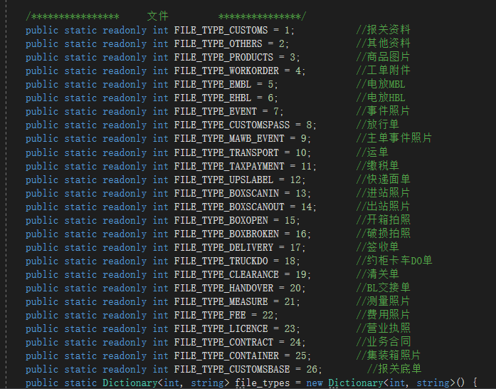 业务类型 | int(11) |  |  | YES
cbs_2.0 | tl_file_info | 文件图片信息表 | origin_name | varchar | 原文件名 | varchar(255) |  |  | YES
cbs_2.0 | tl_file_info | 文件图片信息表 | target_name | varchar | 文件名 | varchar(255) |  |  | YES
cbs_2.0 | tl_file_info | 文件图片信息表 | create_time | datetime | 创建时间 | datetime |  |  | NO | CURRENT_TIMESTAMP
cbs_2.0 | tl_file_info | 文件图片信息表 | create_user | bigint | 创建人 | bigint(20) |  |  | YES
cbs_2.0 | tl_file_info | 文件图片信息表 | create_user_name | varchar | 创建人名称 | varchar(50) |  |  | YES
cbs_2.0 | tl_file_info | 文件图片信息表 | update_time | datetime | 更新时间 | datetime |  | on update CURRENT_TIMESTAMP | YES
cbs_2.0 | tl_file_info | 文件图片信息表 | update_user | bigint | 更新人 | bigint(20) |  |  | YES
cbs_2.0 | tl_file_info | 文件图片信息表 | update_user_name | varchar | 更新人名称 | varchar(50) |  |  | YES
cbs_2.0 | tl_file_info | 文件图片信息表 | is_delete | char | 是否删除 0-否 1-是 | char(1) |  |  | NO | 0
cbs_2.0 | tl_flight_mawb |  | id | int |  | int(20) unsigned |  | auto_increment | NO |  | PRI
cbs_2.0 | tl_flight_mawb |  | flight_uld_id | int |  | int(20) |  |  | NO |  | MUL
cbs_2.0 | tl_flight_mawb |  | org_id | int | 组织ID | int(20) |  |  | NO | 0
cbs_2.0 | tl_flight_mawb |  | uld_no | varchar | 板材号 | varchar(20) |  |  | YES |  | MUL
cbs_2.0 | tl_flight_mawb |  | flight_no | varchar | 航班号 | varchar(20) |  |  | YES |  | MUL
cbs_2.0 | tl_flight_mawb |  | etd | datetime | 开航日期 | datetime |  |  | YES |  | MUL
cbs_2.0 | tl_flight_mawb |  | pol | varchar | 起运港 | varchar(10) |  |  | YES
cbs_2.0 | tl_flight_mawb |  | pod | varchar | 目的港 | varchar(10) |  |  | YES
cbs_2.0 | tl_flight_mawb |  | mawb_no | varchar | 主单号 | varchar(20) |  |  | YES |  | MUL
cbs_2.0 | tl_flight_mawb |  | pieces | int | 主单件数 | int(11) |  |  | YES
cbs_2.0 | tl_flight_mawb |  | gross_weight | double | 主单重量 | double(11,2) |  |  | YES
cbs_2.0 | tl_flight_mawb |  | volume | double | 主单体积 | double(11,2) |  |  | YES
cbs_2.0 | tl_flight_mawb |  | total_pieces | int | 主单总件数 | int(11) |  |  | YES
cbs_2.0 | tl_flight_mawb |  | cnee | varchar | 收货人 | varchar(255) |  |  | YES
cbs_2.0 | tl_flight_mawb |  | notify | varchar | 通知人 | varchar(255) |  |  | YES
cbs_2.0 | tl_flight_mawb |  | op_agent | varchar | 操作代理 | varchar(255) |  |  | YES
cbs_2.0 | tl_flight_mawb |  | overseas_agent | varchar | 海外代理 | varchar(50) |  |  | YES
cbs_2.0 | tl_flight_mawb |  | status | tinyint | 状态 0---未分配 1---已分配 | tinyint(4) |  |  | YES |  | MUL
cbs_2.0 | tl_flight_mawb |  | create_time | timestamp | 创建时间 | timestamp |  |  | NO | CURRENT_TIMESTAMP
cbs_2.0 | tl_flight_mawb |  | create_user | bigint | 创建人 | bigint(20) |  |  | YES
cbs_2.0 | tl_flight_mawb |  | create_user_name | varchar | 创建人 | varchar(30) |  |  | YES
cbs_2.0 | tl_flight_mawb |  | update_time | timestamp | 修改时间 | timestamp |  | on update CURRENT_TIMESTAMP | YES
cbs_2.0 | tl_flight_mawb |  | update_user | bigint | 修改人 | bigint(10) |  |  | YES
cbs_2.0 | tl_flight_mawb |  | update_user_name | varchar | 修改人 | varchar(30) |  |  | YES
cbs_2.0 | tl_flight_mawb |  | is_delete | char | 是否软删除 | char(1) |  |  | NO | 0
cbs_2.0 | tl_flight_scan_info | 拆板扫描条码数据 | id | bigint |  | bigint(20) |  | auto_increment | NO |  | PRI
cbs_2.0 | tl_flight_scan_info | 拆板扫描条码数据 | org_id | bigint | 组织id | bigint(20) |  |  | YES
cbs_2.0 | tl_flight_scan_info | 拆板扫描条码数据 | scaned_no | varchar | 扫描到的原始号码 | varchar(50) |  |  | YES |  | MUL
cbs_2.0 | tl_flight_scan_info | 拆板扫描条码数据 | sorting_id | bigint | 分拣单id | bigint(20) |  |  | YES | 0 | MUL
cbs_2.0 | tl_flight_scan_info | 拆板扫描条码数据 | flight_uld_id | bigint |  | bigint(20) |  |  | YES
cbs_2.0 | tl_flight_scan_info | 拆板扫描条码数据 | uld_no | varchar | uld号 | varchar(50) |  |  | YES |  | MUL
cbs_2.0 | tl_flight_scan_info | 拆板扫描条码数据 | flight_no | varchar | 航班号 | varchar(50) |  |  | YES |  | MUL
cbs_2.0 | tl_flight_scan_info | 拆板扫描条码数据 | flight_etd | datetime | 航班日期 | datetime |  |  | YES
cbs_2.0 | tl_flight_scan_info | 拆板扫描条码数据 | record_date | datetime | 扫描时间 | datetime |  |  | YES
cbs_2.0 | tl_flight_scan_info | 拆板扫描条码数据 | gate_no | varchar |  | varchar(50) |  |  | YES
cbs_2.0 | tl_flight_scan_info | 拆板扫描条码数据 | type | tinyint | 0-进站 1-出战 | tinyint(1) |  |  | NO | 0
cbs_2.0 | tl_flight_scan_info | 拆板扫描条码数据 | create_user_name | varchar | 创建人 | varchar(255) |  |  | YES
cbs_2.0 | tl_flight_scan_info | 拆板扫描条码数据 | create_time | datetime | 创建时间 | datetime |  |  | NO | CURRENT_TIMESTAMP
cbs_2.0 | tl_flight_scan_info | 拆板扫描条码数据 | create_user | bigint | 创建人 | bigint(20) |  |  | YES
cbs_2.0 | tl_flight_scan_info | 拆板扫描条码数据 | update_time | datetime | 更新时间 | datetime |  | on update CURRENT_TIMESTAMP | YES
cbs_2.0 | tl_flight_scan_info | 拆板扫描条码数据 | update_user | bigint | 更新人 | bigint(20) |  |  | YES
cbs_2.0 | tl_flight_scan_info | 拆板扫描条码数据 | update_user_name | varchar | 更新人名称 | varchar(50) |  |  | YES
...
table_schema | table_name | table_comment | column_name | data_type | column_comment | column_type |  | extra | is_nullable | column_default | column_key
cbs_2.0 | tl_mawb_base_send_receive | 主单收发通基础数据信息 | update_time | datetime | 更新时间 | datetime |  | on update CURRENT_TIMESTAMP | YES
cbs_2.0 | tl_mawb_base_send_receive | 主单收发通基础数据信息 | update_user | bigint | 更新人 | bigint(20) |  |  | YES
cbs_2.0 | tl_mawb_base_send_receive | 主单收发通基础数据信息 | update_user_name | varchar | 更新人名称 | varchar(50) |  |  | YES
cbs_2.0 | tl_mawb_base_send_receive | 主单收发通基础数据信息 | remark | varchar | 备注 | varchar(500) |  |  | YES
cbs_2.0 | tl_mawb_base_send_receive | 主单收发通基础数据信息 | is_delete | char | 是否删除(0：否，1：是) | char(1) |  |  | NO | 0
cbs_2.0 | tl_mawb_booking_detail | 开舱订舱明细表 | id | bigint | 主键 | bigint(20) |  | auto_increment | NO |  | PRI
cbs_2.0 | tl_mawb_booking_detail | 开舱订舱明细表 | mawb_id | bigint | 船主单ID | bigint(20) |  |  | NO | 0 | MUL
cbs_2.0 | tl_mawb_booking_detail | 开舱订舱明细表 | booking_company_code | varchar | 订舱单位编码 | varchar(50) |  |  | YES
cbs_2.0 | tl_mawb_booking_detail | 开舱订舱明细表 | booking_company_name | varchar | 订舱单位 | varchar(50) |  |  | YES
cbs_2.0 | tl_mawb_booking_detail | 开舱订舱明细表 | booking_volume | double | 订舱体积 | double |  |  | YES
cbs_2.0 | tl_mawb_booking_detail | 开舱订舱明细表 | create_time | datetime | 创建时间 | datetime |  |  | NO | CURRENT_TIMESTAMP
cbs_2.0 | tl_mawb_booking_detail | 开舱订舱明细表 | create_user | bigint | 创建人 | bigint(20) |  |  | YES
cbs_2.0 | tl_mawb_booking_detail | 开舱订舱明细表 | create_user_name | varchar | 创建人名称 | varchar(50) |  |  | YES
cbs_2.0 | tl_mawb_booking_detail | 开舱订舱明细表 | update_time | datetime | 更新时间 | datetime |  | on update CURRENT_TIMESTAMP | YES
cbs_2.0 | tl_mawb_booking_detail | 开舱订舱明细表 | update_user | bigint | 更新人 | bigint(20) |  |  | YES
cbs_2.0 | tl_mawb_booking_detail | 开舱订舱明细表 | update_user_name | varchar | 更新人名称 | varchar(50) |  |  | YES
cbs_2.0 | tl_mawb_booking_detail | 开舱订舱明细表 | is_delete | char | 是否删除 0-否 1-是 | char(1) |  |  | NO | 0
cbs_2.0 | tl_mawb_booking_quota | 订舱单配额 | id | bigint |  | bigint(20) |  | auto_increment | NO |  | PRI
cbs_2.0 | tl_mawb_booking_quota | 订舱单配额 | du_quota | decimal | du配额 | decimal(10,2) |  |  | NO | 0.00
cbs_2.0 | tl_mawb_booking_quota | 订舱单配额 | sdt_quota | decimal | 商道通配额 | decimal(10,2) |  |  | NO | 0.00
cbs_2.0 | tl_mawb_booking_quota | 订舱单配额 | tlsz_quota | decimal | 深圳配额 | decimal(10,2) |  |  | NO | 0.00
cbs_2.0 | tl_mawb_booking_quota | 订舱单配额 | create_time | datetime | 创建时间 | datetime |  |  | NO | CURRENT_TIMESTAMP
cbs_2.0 | tl_mawb_booking_quota | 订舱单配额 | create_user | bigint | 创建人 | bigint(20) |  |  | YES
cbs_2.0 | tl_mawb_booking_quota | 订舱单配额 | create_user_name | varchar | 创建人名称 | varchar(50) |  |  | YES
cbs_2.0 | tl_mawb_booking_quota | 订舱单配额 | update_time | datetime | 更新时间 | datetime |  | on update CURRENT_TIMESTAMP | YES
cbs_2.0 | tl_mawb_booking_quota | 订舱单配额 | update_user | bigint | 更新人 | bigint(20) |  |  | YES
cbs_2.0 | tl_mawb_booking_quota | 订舱单配额 | update_user_name | varchar | 更新人名称 | varchar(50) |  |  | YES
cbs_2.0 | tl_mawb_booking_quota | 订舱单配额 | is_delete | char | 是否删除 0-否 1-是 | char(1) |  |  | NO | 0
cbs_2.0 | tl_mawb_customs | 主单报关信息表 | id | bigint | 主键 | bigint(20) |  | auto_increment | NO |  | PRI
cbs_2.0 | tl_mawb_customs | 主单报关信息表 | mawb_id | bigint | 主单id | bigint(20) |  |  | NO | 0 | MUL
cbs_2.0 | tl_mawb_customs | 主单报关信息表 | customs_no | varchar | 报关单号 | varchar(50) |  |  | YES
cbs_2.0 | tl_mawb_customs | 主单报关信息表 | customs_order_no | varchar | 报关订单号 | varchar(50) |  |  | YES
cbs_2.0 | tl_mawb_customs | 主单报关信息表 | customs_order_id | bigint | 报关订单ID | bigint(20) |  |  | YES | 0
cbs_2.0 | tl_mawb_customs | 主单报关信息表 | reporting_unit | varchar | 申报单位 | varchar(50) |  |  | YES
cbs_2.0 | tl_mawb_customs | 主单报关信息表 | currency | varchar | 币种 | varchar(10) |  |  | YES
cbs_2.0 | tl_mawb_customs | 主单报关信息表 | total_goods_amount | double | 货值总价 | double |  |  | YES
cbs_2.0 | tl_mawb_customs | 主单报关信息表 | tariff | double | 关税 | double |  |  | YES
cbs_2.0 | tl_mawb_customs | 主单报关信息表 | value_added_tax | double | 增值税 | double |  |  | YES
cbs_2.0 | tl_mawb_customs | 主单报关信息表 | total_tax_amount | double | 税额总价 | double |  |  | YES
cbs_2.0 | tl_mawb_customs | 主单报关信息表 | tax_payment_method | varchar | 缴税方式 | varchar(20) |  |  | YES
cbs_2.0 | tl_mawb_customs | 主单报关信息表 | create_time | datetime | 创建时间 | datetime |  |  | NO | CURRENT_TIMESTAMP
cbs_2.0 | tl_mawb_customs | 主单报关信息表 | create_user | bigint | 创建人 | bigint(20) |  |  | YES
cbs_2.0 | tl_mawb_customs | 主单报关信息表 | create_user_name | varchar | 创建人名称 | varchar(50) |  |  | YES
cbs_2.0 | tl_mawb_customs | 主单报关信息表 | update_time | datetime | 更新时间 | datetime |  | on update CURRENT_TIMESTAMP | YES
cbs_2.0 | tl_mawb_customs | 主单报关信息表 | update_user | bigint | 更新人 | bigint(20) |  |  | YES
cbs_2.0 | tl_mawb_customs | 主单报关信息表 | update_user_name | varchar | 更新人名称 | varchar(50) |  |  | YES
cbs_2.0 | tl_mawb_customs | 主单报关信息表 | is_delete | char | 是否删除 0-否 1-是 | char(1) |  |  | NO | 0
cbs_2.0 | tl_mawb_event | 主单物流跟踪表 | id | bigint | 主键 | bigint(20) |  |  | NO |  | PRI
cbs_2.0 | tl_mawb_event | 主单物流跟踪表 | org_id | bigint | 组织机构 | bigint(20) |  |  | YES
cbs_2.0 | tl_mawb_event | 主单物流跟踪表 | mawb_id | bigint | 主单ID | bigint(20) |  |  | YES |  | MUL
cbs_2.0 | tl_mawb_event | 主单物流跟踪表 | mawb_no | varchar | 主单号 | varchar(50) |  |  | YES |  | MUL
cbs_2.0 | tl_mawb_event | 主单物流跟踪表 | event_type_id | int | 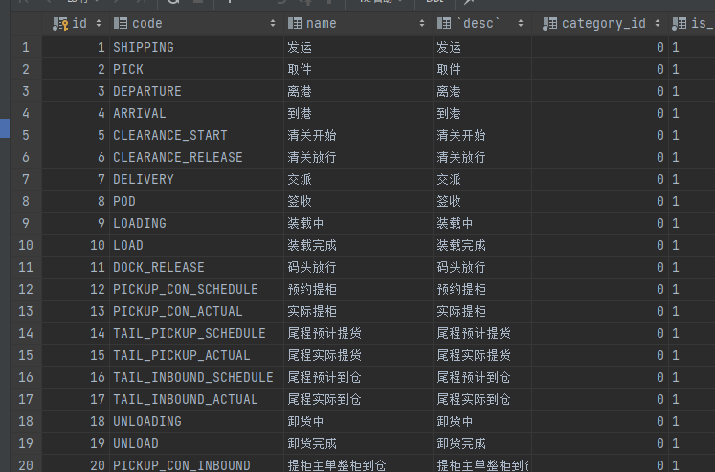 事件ID | int(11) |  |  | YES
cbs_2.0 | tl_mawb_event | 主单物流跟踪表 | record_date | datetime | 操作终端时间 | datetime |  |  | YES
cbs_2.0 | tl_mawb_event | 主单物流跟踪表 | operate_date | datetime | 操作时间 | datetime |  |  | YES
cbs_2.0 | tl_mawb_event | 主单物流跟踪表 | country | varchar | 国家 | varchar(100) |  |  | YES
cbs_2.0 | tl_mawb_event | 主单物流跟踪表 | province | varchar | 省 | varchar(100) |  |  | YES
cbs_2.0 | tl_mawb_event | 主单物流跟踪表 | city | varchar | 城市 | varchar(100) |  |  | YES
cbs_2.0 | tl_mawb_event | 主单物流跟踪表 | district | varchar | 区 | varchar(100) |  |  | YES
cbs_2.0 | tl_mawb_event | 主单物流跟踪表 | longitude | decimal | 精度 | decimal(20,6) |  |  | YES
cbs_2.0 | tl_mawb_event | 主单物流跟踪表 | latitude | decimal | 维度 | decimal(20,6) |  |  | YES
cbs_2.0 | tl_mawb_event | 主单物流跟踪表 | create_user_name | varchar | 操作人 | varchar(50) |  |  | YES
cbs_2.0 | tl_mawb_event | 主单物流跟踪表 | create_time | timestamp | 创建时间 | timestamp |  |  | NO | CURRENT_TIMESTAMP
cbs_2.0 | tl_mawb_event | 主单物流跟踪表 | create_user | bigint | 创建人 | bigint(20) |  |  | YES
cbs_2.0 | tl_mawb_event | 主单物流跟踪表 | update_time | datetime | 更新时间 | datetime |  | on update CURRENT_TIMESTAMP | YES
cbs_2.0 | tl_mawb_event | 主单物流跟踪表 | update_user | bigint | 更新人 | bigint(20) |  |  | YES
cbs_2.0 | tl_mawb_event | 主单物流跟踪表 | update_user_name | varchar | 更新人名称 | varchar(50) |  |  | YES
cbs_2.0 | tl_mawb_event | 主单物流跟踪表 | remark | varchar | 备注 | varchar(500) |  |  | YES
cbs_2.0 | tl_mawb_event | 主单物流跟踪表 | is_delete | char | 是否删除(0：否，1：是) | char(1) |  |  | NO | 0
cbs_2.0 | tl_mawb_event_type | 主单事件码表 | id | bigint |  | bigint(20) |  | auto_increment | NO |  | PRI
cbs_2.0 | tl_mawb_event_type | 主单事件码表 | code | varchar | 事件编号 | varchar(50) |  |  | YES
cbs_2.0 | tl_mawb_event_type | 主单事件码表 | name | varchar | 事件名称 | varchar(50) |  |  | YES
cbs_2.0 | tl_mawb_event_type | 主单事件码表 | desc | char | 事件描述 | char(50) |  |  | YES
cbs_2.0 | tl_mawb_event_type | 主单事件码表 | is_enable | varchar | 是否启用 1：启用 0：禁用 | varchar(1) |  |  | NO | 1
cbs_2.0 | tl_mawb_event_type | 主单事件码表 | create_time | timestamp | 创建时间 | timestamp |  |  | NO | CURRENT_TIMESTAMP
cbs_2.0 | tl_mawb_event_type | 主单事件码表 | create_user | bigint | 创建人 | bigint(20) |  |  | YES
cbs_2.0 | tl_mawb_event_type | 主单事件码表 | create_user_name | varchar | 创建人 | varchar(30) |  |  | YES
cbs_2.0 | tl_mawb_event_type | 主单事件码表 | update_time | timestamp | 修改时间 | timestamp |  | on update CURRENT_TIMESTAMP | YES
cbs_2.0 | tl_mawb_event_type | 主单事件码表 | update_user | bigint | 修改人 | bigint(10) |  |  | YES
cbs_2.0 | tl_mawb_event_type | 主单事件码表 | update_user_name | varchar | 修改人 | varchar(30) |  |  | YES
cbs_2.0 | tl_mawb_event_type | 主单事件码表 | is_delete | char | 是否软删除 | char(1) |  |  | NO | 0
cbs_2.0 | tl_mawb_extra | 主单额外信息表 | id | bigint | 主键 | bigint(20) |  | auto_increment | NO |  | PRI
cbs_2.0 | tl_mawb_extra | 主单额外信息表 | mawb_id | bigint | 主单id | bigint(20) |  |  | NO | 0 | MUL
cbs_2.0 | tl_mawb_extra | 主单额外信息表 | ship_position_name | varchar | 船位名称 | varchar(50) |  |  | YES
cbs_2.0 | tl_mawb_extra | 主单额外信息表 | ship_company_name | varchar | 船公司 | varchar(50) |  |  | YES
cbs_2.0 | tl_mawb_extra | 主单额外信息表 | discharge_port | varchar | 卸货港 | varchar(50) |  |  | YES
cbs_2.0 | tl_mawb_extra | 主单额外信息表 | cut_off_bill_date | datetime | 截单日期 | datetime |  |  | YES
cbs_2.0 | tl_mawb_extra | 主单额外信息表 | cut_off_cargo_date | datetime | 截货日期 | datetime |  |  | YES
cbs_2.0 | tl_mawb_extra | 主单额外信息表 | loading_date | datetime | 装柜日期 | datetime |  |  | YES
cbs_2.0 | tl_mawb_extra | 主单额外信息表 | clearance_start_date | datetime | 清关开始时间 | datetime |  |  | YES
cbs_2.0 | tl_mawb_extra | 主单额外信息表 | clearance_release_date | datetime | 清关放行时间 | datetime |  |  | YES
cbs_2.0 | tl_mawb_extra | 主单额外信息表 | dock_release_date | datetime | 码头放行时间 | datetime |  |  | YES
cbs_2.0 | tl_mawb_extra | 主单额外信息表 | pickup_con_schedule_date | datetime | 预约提柜时间 | datetime |  |  | YES
cbs_2.0 | tl_mawb_extra | 主单额外信息表 | pickup_con_actual_date | datetime | 实际提柜时间 | datetime |  |  | YES
cbs_2.0 | tl_mawb_extra | 主单额外信息表 | tail_pickup_schedule_date | datetime | 尾程预计提货时间 | datetime |  |  | YES
cbs_2.0 | tl_mawb_extra | 主单额外信息表 | tail_pickup_actual_date | datetime | 尾程实际提货时间 | datetime |  |  | YES
cbs_2.0 | tl_mawb_extra | 主单额外信息表 | tail_inbound_schedule_date | datetime | 尾程预计到仓时间 | datetime |  |  | YES
cbs_2.0 | tl_mawb_extra | 主单额外信息表 | tail_inbound_actual_date | datetime | 尾程实际到仓时间 | datetime |  |  | YES
...
 | table_name | table_comment | column_name | data_type | column_comment | column_type |  | extra | is_nullable | column_default | column_key
 | tl_order_detail | 装箱品名信息 | create_user | bigint | 创建人 | bigint(20) |  |  | YES
 | tl_order_detail | 装箱品名信息 | create_user_name | varchar | 创建人名称 | varchar(50) |  |  | YES
 | tl_order_detail | 装箱品名信息 | update_time | datetime | 更新时间 | datetime |  | on update CURRENT_TIMESTAMP | YES
 | tl_order_detail | 装箱品名信息 | update_user | bigint | 更新人 | bigint(20) |  |  | YES
 | tl_order_detail | 装箱品名信息 | update_user_name | varchar | 更新人名称 | varchar(50) |  |  | YES
 | tl_order_detail | 装箱品名信息 | is_delete | char | 是否删除(0：否，1：是) | char(1) |  |  | NO | 0
 | tl_order_event | 订单物流跟踪表 | id | bigint | 主键 | bigint(20) |  |  | NO |  | PRI
 | tl_order_event | 订单物流跟踪表 | org_id | bigint | 组织机构 | bigint(20) |  |  | YES
 | tl_order_event | 订单物流跟踪表 | order_id | bigint | 订单ID | bigint(20) |  |  | YES |  | MUL
 | tl_order_event | 订单物流跟踪表 | order_no | varchar | 订单号 | varchar(50) |  |  | YES |  | MUL
 | tl_order_event | 订单物流跟踪表 | event_type_id | int | 事件ID | int(11) | 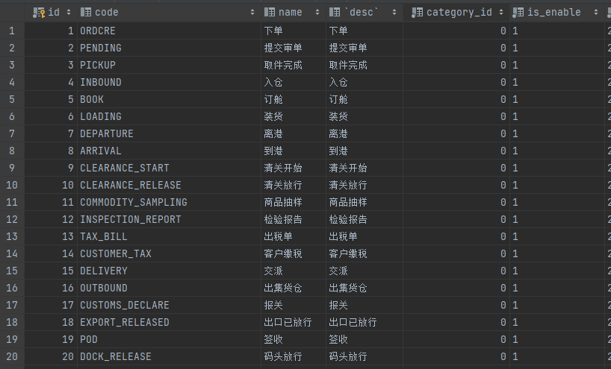 |  | YES | 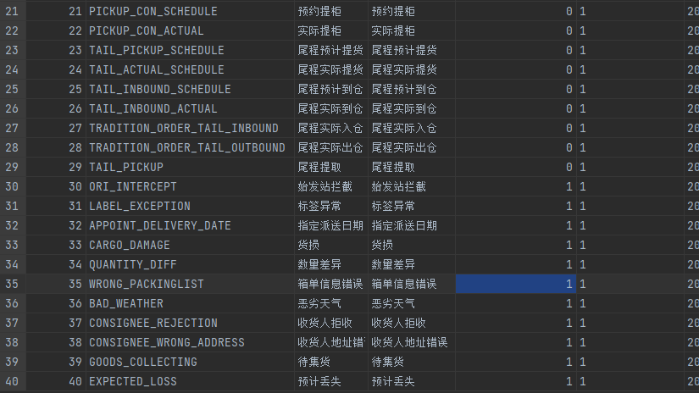
 | tl_order_event | 订单物流跟踪表 | record_date | datetime | 操作终端时间 | datetime |  |  | YES
 | tl_order_event | 订单物流跟踪表 | operate_date | datetime | 操作时间 | datetime |  |  | YES
 | tl_order_event | 订单物流跟踪表 | country | varchar | 国家 | varchar(100) |  |  | YES
 | tl_order_event | 订单物流跟踪表 | province | varchar | 省 | varchar(100) |  |  | YES
 | tl_order_event | 订单物流跟踪表 | city | varchar | 城市 | varchar(100) |  |  | YES
 | tl_order_event | 订单物流跟踪表 | district | varchar | 区 | varchar(100) |  |  | YES
 | tl_order_event | 订单物流跟踪表 | mawb_id | bigint | 主单ID | bigint(20) |  |  | YES
 | tl_order_event | 订单物流跟踪表 | longitude | decimal | 精度 | decimal(20,6) |  |  | YES
 | tl_order_event | 订单物流跟踪表 | latitude | decimal | 维度 | decimal(20,6) |  |  | YES
 | tl_order_event | 订单物流跟踪表 | create_user_name | varchar | 操作人 | varchar(50) |  |  | YES
...

tl_order
...
table_name | table_comment | column_name | column_comment | column_type | extra | is_nullable | column_default | column_key
tl_order | 订单表 | system_chargable_weight | 系统计费重量 | double |  | YES
tl_order | 订单表 | actual_chargable_weight | 实际计费重 | double |  | YES
tl_order | 订单表 | booking_sharepickles_chargable_weight | 委托分泡后计费重 | double |  | YES
tl_order | 订单表 | actual_sharepickles_chargable_weight | 实际分泡后计费重 | double |  | YES
tl_order | 订单表 | supply_gross_weight | 补充后毛重 | double |  | YES
tl_order | 订单表 | supply_vw_weight | 补充后材积重 | double |  | YES
tl_order | 订单表 | packing_completed | 装箱完成 | tinyint(1) |  | YES
tl_order | 订单表 | packing_completed_date | 装箱完成时间 | datetime |  | YES
tl_order | 订单表 | special_goods_properties | 货物特殊属性 | varchar(100) |  | YES
tl_order | 订单表 | is_customs | 是否出口单独报关 | varchar(100) |  | YES
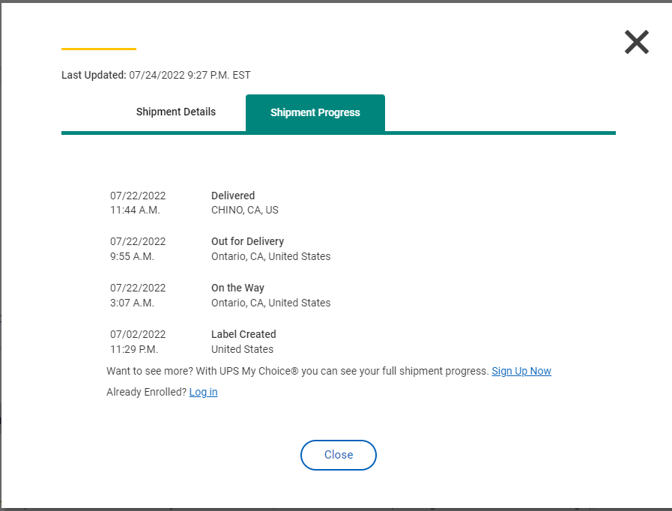
tl_order | 订单表 | customs_currency | 申报币种 | varchar(10) |  | YES
tl_order | 订单表 | goods_cname | 中文品名 | varchar(100) |  | YES
tl_order | 订单表 | hscode_num | hscode数量 | int(11) |  | YES
tl_order | 订单表 | tracking_no | 尾程跟踪号（转单号）国际快递主单号 查快递是否UPS提取用 | varchar(500) | 快递单号（多个） | YES
tl_order | 订单表 | tracking_register_time | 注册时间 | datetime |  | YES
tl_order | 订单表 | tracking_create_time | 建单时间 | datetime |  | YES
tl_order | 订单表 | tracking_scan_time | 提取时间 爬虫快递提取时间 | datetime |  | YES
tl_order | 订单表 | tracking_delivered_time | pod时间-所有pod时间 订单签收时间 整柜 pod上传更新 快递 爬虫抓取更新 | datetime |  | YES
tl_order | 订单表 | tracking_abnormal | 尾程跟踪状态信息 | varchar(255) |  | YES
tl_order | 订单表 | tracking_status | 尾程跟踪状态 0- --未注册 1- --已注册 2- --已建单 3- --已提取 4- --已签收 | tinyint(1) |  | YES | 0
tl_order | 订单表 | remark | 备注 | varchar(2000) |  | YES
tl_order | 订单表 | remarks | 增值服务/订舱要求 | varchar(2000) |  | YES
tl_order | 订单表 | remarks2 | 目的港要求 | varchar(2000) |  | YES
tl_order | 订单表 | deststation_remark | 目的站备注 | varchar(500) |  | YES
tl_order | 订单表 | status | 状态（字典 0草稿 1待审单 2待入仓 3待订舱 4已订舱） | tinyint(2) |  | YES | 0
tl_order | 订单表 | latest_delivery_status | 最新状态（大节点） | int(11) |  | YES | 0
tl_order | 订单表 | latest_event_type | 最新状态（小节点） | int(11) |  | YES | 1
tl_order | 订单表 | latest_event_date | 最新状态时间 | datetime |  | YES
tl_order | 订单表 | is_send | FMS状态 0---未发送 1---已发送 2---已接单 3---不接单 | tinyint(1) |  | YES
tl_order | 订单表 | send_date | 发送状态变更时间 | datetime | on update CURRENT_TIMESTAMP | YES
tl_order | 订单表 | is_pre_stock | WMS状态 0---未发送 1---已发送 | tinyint(2) |  | YES
tl_order | 订单表 | pre_stock_date |  | datetime | on update CURRENT_TIMESTAMP | YES
tl_order | 订单表 | customer_ref_no | 客户参考号 | varchar(400) |  | YES
tl_order | 订单表 | customer_service_name | 客服 | varchar(50) |  | YES
tl_order | 订单表 | customer_service_name_id | 客服ID | bigint(20) |  | YES
tl_order | 订单表 | salesman | 业务员 | varchar(50) |  | YES
tl_order | 订单表 | salesman_id | 业务员ID | bigint(20) |  | YES
tl_order | 订单表 | is_private_address | 私人地址 0否-- 1--是 | tinyint(1) |  | YES
tl_order | 订单表 | is_remote_address | 0：非偏远 1：偏远 2：超偏远 | tinyint(1) |  | YES
tl_order | 订单表 | is_commodity_surcharge | 商品附加费 0否-- 1--是 | tinyint(1) |  | YES
tl_order | 订单表 | is_over_length | 0：未超长 1：超长 2：特长 | tinyint(1) |  | YES
tl_order | 订单表 | is_over_weight | 0：未超重 1：超重 | tinyint(1) |  | YES
tl_order | 订单表 | is_over_girth | 超围长 0否-- 1--是 | tinyint(1) |  | YES
tl_order | 订单表 | is_business_address | 商业地址 0否-- 1--是 | tinyint(1) |  | YES
tl_order | 订单表 | total_net_weight | 总净重 | double |  | YES
tl_order | 订单表 | is_multi_fba | 是否是多FBA号 | varchar(2) |  | YES
tl_order | 订单表 | opt_company_code | 操作公司编码 | varchar(20) |  | YES
tl_order | 订单表 | opt_company | 操作公司 | varchar(50) |  | YES
...

tl_order_event_type
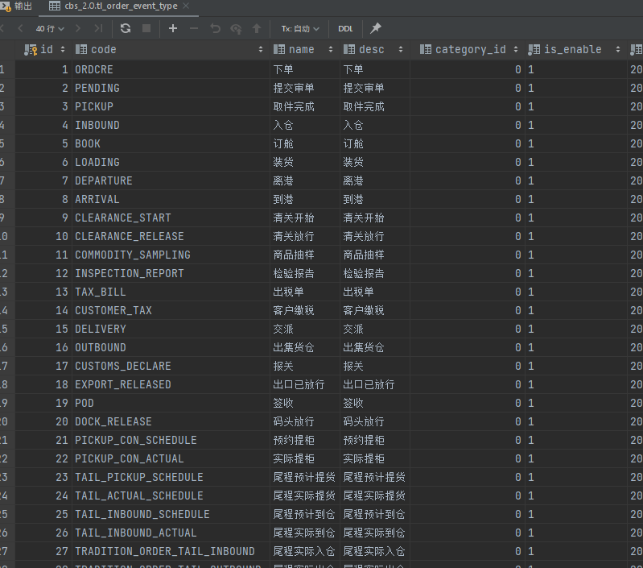
...
table_schema | table_name | table_comment | column_name | column_comment | column_type | extra | is_nullable | column_default | column_key
cbs_2.0 | tl_order_event_type | 订单事件码表 | category_id | 事件大类 0-正常 1-异常 | bigint(20) |  | NO | 0
cbs_2.0 | tl_order_event_type | 订单事件码表 | is_enable | 是否启用 1：启用 0：禁用 | varchar(1) |  | NO | 1
cbs_2.0 | tl_order_event_type | 订单事件码表 | create_time | 创建时间 | timestamp |  | NO | CURRENT_TIMESTAMP
cbs_2.0 | tl_order_event_type | 订单事件码表 | create_user | 创建人 | bigint(20) |  | YES
cbs_2.0 | tl_order_event_type | 订单事件码表 | create_user_name | 创建人 | varchar(30) |  | YES
cbs_2.0 | tl_order_event_type | 订单事件码表 | update_time | 修改时间 | timestamp | on update CURRENT_TIMESTAMP | YES
cbs_2.0 | tl_order_event_type | 订单事件码表 | update_user | 修改人 | bigint(10) |  | YES
cbs_2.0 | tl_order_event_type | 订单事件码表 | update_user_name | 修改人 | varchar(30) |  | YES
cbs_2.0 | tl_order_event_type | 订单事件码表 | is_delete | 是否软删除 | char(1) |  | NO | 0

tl_mawb_extra
...
table_schema | table_name | table_comment | column_name | column_comment | column_type | extra | is_nullable | column_default | column_key
cbs_2.0 | tl_mawb_extra | 主单额外信息表 | clearance_start_date | 清关开始时间 | datetime |  | YES
cbs_2.0 | tl_mawb_extra | 主单额外信息表 | clearance_release_date | 清关放行时间 | datetime |  | YES
cbs_2.0 | tl_mawb_extra | 主单额外信息表 | dock_release_date | 码头放行时间 | datetime |  | YES
cbs_2.0 | tl_mawb_extra | 主单额外信息表 | pickup_con_schedule_date | 预约提柜时间 | datetime |  | YES
cbs_2.0 | tl_mawb_extra | 主单额外信息表 | pickup_con_actual_date | 实际提柜时间 | datetime |  | YES
cbs_2.0 | tl_mawb_extra | 主单额外信息表 | pickup_con_inbound_date | 提柜主单整柜到仓时间 | datetime |  | YES
cbs_2.0 | tl_mawb_extra | 主单额外信息表 | pickup_con_remove_date | 提柜主单拆柜时间 | datetime |  | YES
cbs_2.0 | tl_mawb_extra | 主单额外信息表 | tail_pickup_schedule_date | 尾程预计提货时间 | datetime |  | YES
cbs_2.0 | tl_mawb_extra | 主单额外信息表 | tail_pickup_actual_date | 尾程实际提货时间 | datetime |  | YES
cbs_2.0 | tl_mawb_extra | 主单额外信息表 | tail_inbound_schedule_date | 尾程预计到仓时间 | datetime |  | YES
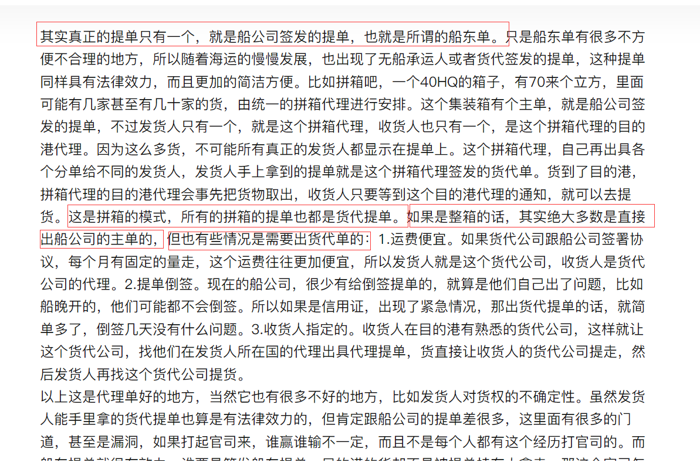
cbs_2.0 | tl_mawb_extra | 主单额外信息表 | tail_inbound_actual_date | 尾程实际到仓时间 | datetime |  | YES
cbs_2.0 | tl_mawb_extra | 主单额外信息表 | dispatch_date | 尾程交派时间 | datetime |  | YES
cbs_2.0 | tl_mawb_extra | 主单额外信息表 | pod_date | 尾程POD时间-整柜最后订单pod时间 | datetime |  | YES
cbs_2.0 | tl_mawb_extra | 主单额外信息表 | pod_quantity | 签收件数 | int(11) |  | YES
cbs_2.0 | tl_mawb_extra | 主单额外信息表 | pod_pallet_num | 签收托数 | int(11) |  | YES
cbs_2.0 | tl_mawb_extra | 主单额外信息表 | load_volume | 荷载体积 | double |  | YES
cbs_2.0 | tl_mawb_extra | 主单额外信息表 | settlement_company_code | 结算公司编码 | varchar(20) |  | YES
cbs_2.0 | tl_mawb_extra | 主单额外信息表 | settlement_company | 结算公司 | varchar(50) |  | YES
cbs_2.0 | tl_mawb_extra | 主单额外信息表 | currency | 货币类型 CNY：人民币 USD：美元 EUR：欧元 HKD：港币 | varchar(30) |  | YES
cbs_2.0 | tl_mawb_extra | 主单额外信息表 | rate | 汇率 | double |  | YES
cbs_2.0 | tl_mawb_extra | 主单额外信息表 | purchase_price | 买入价 | decimal(14,2) |  | YES
cbs_2.0 | tl_mawb_extra | 主单额外信息表 | base_purchase_price | 买入本位币金额 | decimal(14,2) |  | YES
cbs_2.0 | tl_mawb_extra | 主单额外信息表 | selling_price | 卖出价 | decimal(14,2) |  | YES
cbs_2.0 | tl_mawb_extra | 主单额外信息表 | base_selling_price | 买入本位币金额 | decimal(14,2) |  | YES
cbs_2.0 | tl_mawb_extra | 主单额外信息表 | weight_unit_price | 按计费重单价预估 | double |  | YES
cbs_2.0 | tl_mawb_extra | 主单额外信息表 | volume_unit_price | 按体积重单价预估 | double |  | YES
cbs_2.0 | tl_mawb_extra | 主单额外信息表 | is_packing | 是否装柜（0-否 1-是） | tinyint(1) |  | YES | 0
cbs_2.0 | tl_mawb_extra | 主单额外信息表 | master_bill | 提单号 | varchar(50) |  | YES
cbs_2.0 | tl_mawb_extra | 主单额外信息表 | master_bill_type | 提单类型（0:代理/1:船东） | tinyint(1) |  | YES | 0
cbs_2.0 | tl_mawb_extra | 主单额外信息表 | seal_no | 封号 | varchar(50) |  | YES
cbs_2.0 | tl_mawb_extra | 主单额外信息表 | installed_volume | 已有体积 | double |  | YES
cbs_2.0 | tl_mawb_extra | 主单额外信息表 | ship_bill | 货代号 | varchar(50) |  | YES
cbs_2.0 | tl_mawb_extra | 主单额外信息表 | create_time | 创建时间 | datetime |  | NO | CURRENT_TIMESTAMP
cbs_2.0 | tl_mawb_extra | 主单额外信息表 | create_user | 创建人 | bigint(20) |  | YES
cbs_2.0 | tl_mawb_extra | 主单额外信息表 | create_user_name | 创建人名称 | varchar(50) |  | YES
cbs_2.0 | tl_mawb_extra | 主单额外信息表 | update_time | 更新时间 | datetime | on update CURRENT_TIMESTAMP | YES
cbs_2.0 | tl_mawb_extra | 主单额外信息表 | update_user | 更新人 | bigint(20) |  | YES
cbs_2.0 | tl_mawb_extra | 主单额外信息表 | update_user_name | 更新人名称 | varchar(50) |  | YES
cbs_2.0 | tl_mawb_extra | 主单额外信息表 | is_delete | 是否删除 0-否 1-是 | char(1) |  | NO | 0
cbs_2.0 | tl_mawb_extra | 主单额外信息表 | is_appointment | 是否预约提柜成功过(0：否，1：是) AFTER pickup_con_schedule_date | char(1) |  | NO | 0
cbs_2.0 | tl_mawb_extra | 主单额外信息表 | route | 航线 | varchar(100) |  | YES
cbs_2.0 | tl_mawb_extra | 主单额外信息表 | lfd_date | 最后免费日期 | datetime |  | YES
cbs_2.0 | tl_mawb_extra | 主单额外信息表 | destination_fee | 是否港口费用 | tinyint(1) |  | YES
cbs_2.0 | tl_mawb_extra | 主单额外信息表 | destination_port | 目的港码头 | varchar(100) |  | YES
cbs_2.0 | tl_mawb_extra | 主单额外信息表 | return_date | 还柜时间 | datetime |  | YES
cbs_2.0 | tl_mawb_extra | 主单额外信息表 | transfer_method | 转运方式 (0 直送 1 拆柜) null 拆柜 | char(1) |  | YES
cbs_2.0 | tl_mawb_extra | 主单额外信息表 | original_port_check | 起运港查验 0否 1是 | char(1) |  | YES | 0
cbs_2.0 | tl_mawb_extra | 主单额外信息表 | destination_port_check | 目的港查验 0否 1是 | char(1) |  | YES | 0
cbs_2.0 | tl_mawb_extra | 主单额外信息表 | batch_no | 批次号 | varchar(10) |  | YES
cbs_2.0 | tl_mawb_extra | 主单额外信息表 | open_container_time | 开批次号 | varchar(20) |  | YES
cbs_2.0 | tl_mawb_extra | 主单额外信息表 | open_container_no | 开仓批次 | varchar(10) |  | YES
cbs_2.0 | tl_mawb_extra | 主单额外信息表 | du_quota_volume | du分配体积 | decimal(20,2) |  | YES
cbs_2.0 | tl_mawb_extra | 主单额外信息表 | sdt_quota_volume | 骊泰分配体积 | decimal(20,2) |  | YES
cbs_2.0 | tl_mawb_extra | 主单额外信息表 | tlsz_quota_volume | 深圳分配体积 | decimal(20,2) |  | YES
cbs_2.0 | tl_mawb_extra | 主单额外信息表 | container_type | 舱位属性 null(公共的), DU ,SDT, TLSZ | char(10) |  | YES
cbs_2.0 | tl_mawb_extra | 主单额外信息表 | pay_wharf_fee | 是否支付码头费（仅美森需要付） 0：不需要,1：未付,2：已付 | tinyint(1) |  | YES | 0
cbs_2.0 | tl_mawb_extra | 主单额外信息表 | delivery_time | 送达时间-集装箱直送 | datetime |  | YES
cbs_2.0 | tl_mawb_extra | 主单额外信息表 | reservation_number | 预约号-集装箱直送 | varchar(50) |  | YES
cbs_2.0 | tl_mawb_extra | 主单额外信息表 | mail_to | 收件人邮箱 | varchar(255) |  | YES
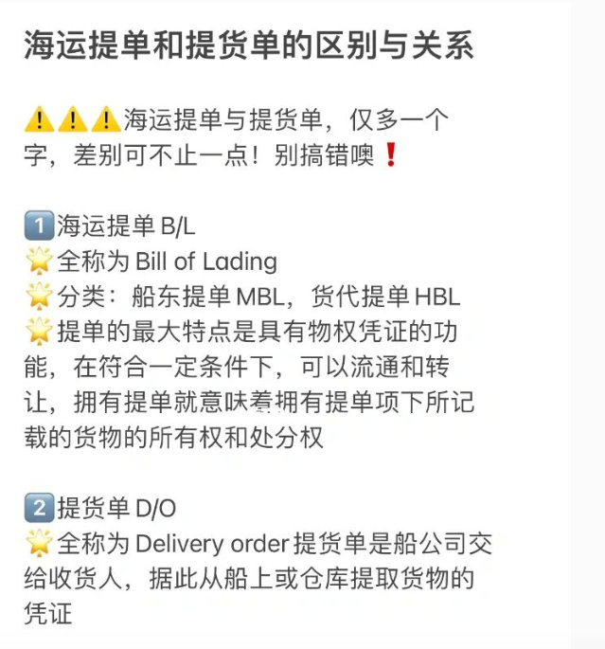
cbs_2.0 | tl_mawb_extra | 主单额外信息表 | mail_cc | 抄送人邮箱 | varchar(255) |  | YES
cbs_2.0 | tl_mawb_extra | 主单额外信息表 | mail_note | 邮件说明 | varchar(255) |  | YES

tl_mawb_event_type
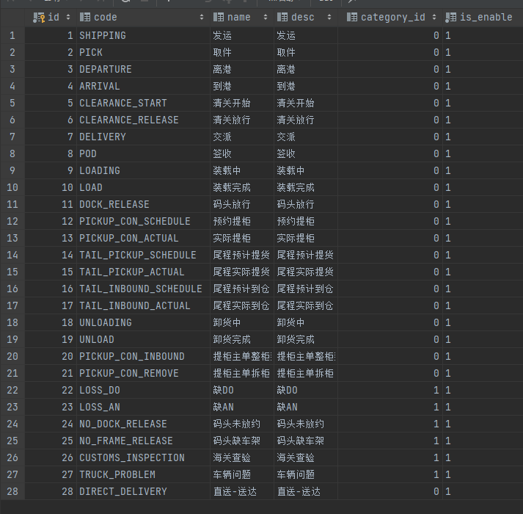
...
table_schema | table_name | table_comment | column_name | column_comment | column_type | extra | is_nullable | column_default | column_key
cbs_2.0 | tl_mawb_event_type | 主单事件码表 | category_id | 事件大类 0-正常 1-异常 | bigint(20) |  | NO | 0
cbs_2.0 | tl_mawb_event_type | 主单事件码表 | is_enable | 是否启用 1：启用 0：禁用 | varchar(1) |  | NO | 1
cbs_2.0 | tl_mawb_event_type | 主单事件码表 | create_time | 创建时间 | timestamp |  | NO | CURRENT_TIMESTAMP
cbs_2.0 | tl_mawb_event_type | 主单事件码表 | create_user | 创建人 | bigint(20) |  | YES
cbs_2.0 | tl_mawb_event_type | 主单事件码表 | create_user_name | 创建人 | varchar(30) |  | YES
cbs_2.0 | tl_mawb_event_type | 主单事件码表 | update_time | 修改时间 | timestamp | on update CURRENT_TIMESTAMP | YES
cbs_2.0 | tl_mawb_event_type | 主单事件码表 | update_user | 修改人 | bigint(10) |  | YES
cbs_2.0 | tl_mawb_event_type | 主单事件码表 | update_user_name | 修改人 | varchar(30) |  | YES
cbs_2.0 | tl_mawb_event_type | 主单事件码表 | is_delete | 是否软删除 | char(1) |  | NO | 0

base_auth_resource
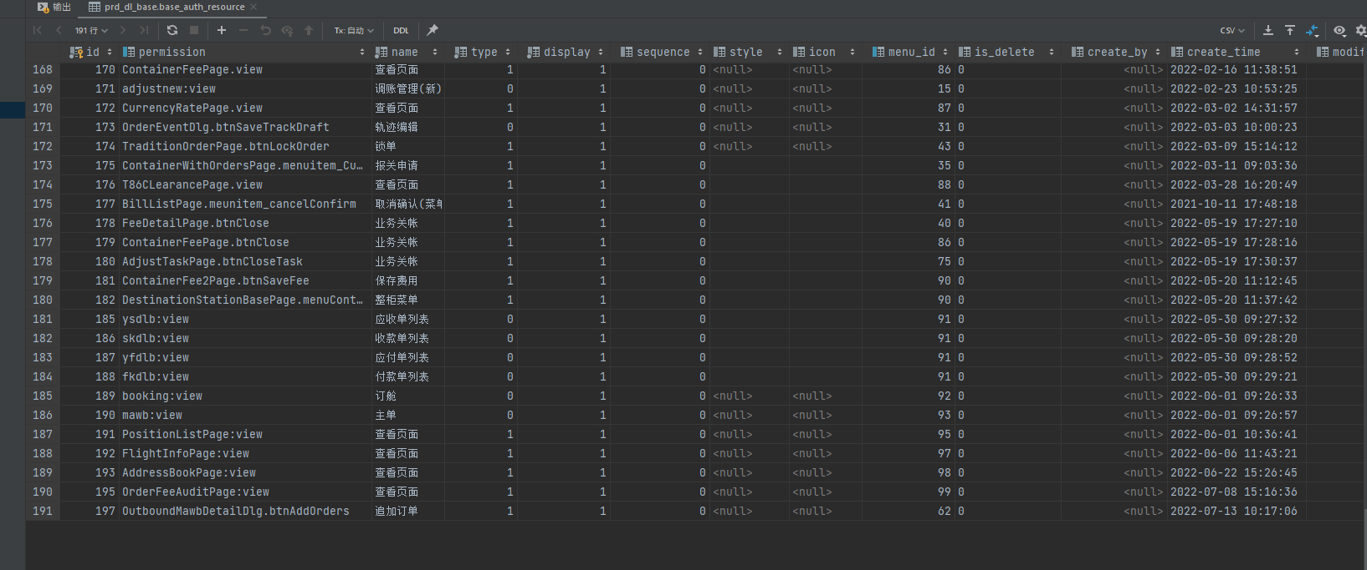
...
table_schema | table_name | table_comment | column_name | column_comment | column_type | extra | is_nullable | column_default | column_key
dl_base | base_auth_resource | 资源 | icon | 图标 | varchar(50) |  | YES
dl_base | base_auth_resource | 资源 | menu_id | 菜单ID #c_auth_menu | bigint(20) |  | YES
dl_base | base_auth_resource | 资源 | is_delete | 是否删除 0否1 是 | char(1) |  | YES
dl_base | base_auth_resource | 资源 | create_by | 创建人id | bigint(20) |  | YES
dl_base | base_auth_resource | 资源 | create_time | 创建时间 | datetime |  | YES | CURRENT_TIMESTAMP
dl_base | base_auth_resource | 资源 | modify_by | 更新人id | bigint(20) |  | YES
dl_base | base_auth_resource | 资源 | modify_time | 更新时间 | datetime |  | YES

base_sys_role_res
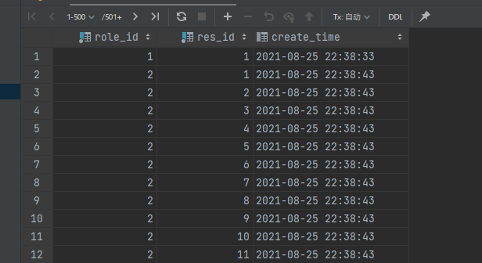
...
table_schema | table_name | table_comment | column_name | column_comment | column_type | extra | is_nullable | column_default | column_key
dl_base | base_sys_role_res | 角色权限表 | res_id | 菜单ID | bigint(8) |  | NO |  | PRI | base_auth_resource.id
dl_base | base_sys_role_res | 角色权限表 | create_time | 创建时间 | datetime |  | YES | CURRENT_TIMESTAMP

