SUMMARY
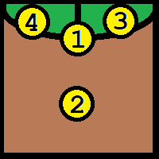
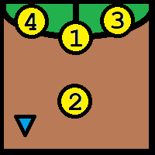
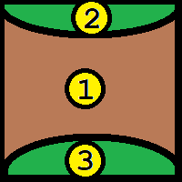
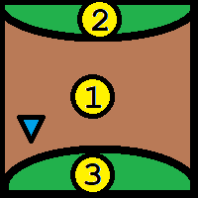
TILE_0 | TILE_1 | TILE_2 | TILE_3 | TILE_4
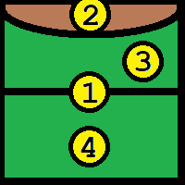
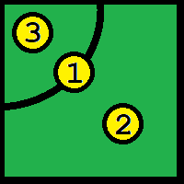
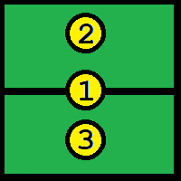
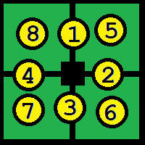
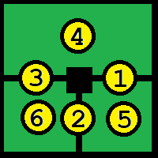
 |  |  |  |  | számozás: | darabszám:
 |  |  |  |  | R -> C -> F -> M | TILE_0 | 4 | (3+1)
 |  |  |  |  | N -> E -> S -> W | TILE_1 | 9
 |  |  |  |  |  | TILE_2 | 8
 |  |  |  |  |  | TILE_3 | 1
 |  |  |  |  |  | TILE_4 | 4
 |  |  |  |  |  | TILE_5 | 4
 |  |  |  |  |  | TILE_6 | 2 |  |  | PIPA
 |  |  |  |  |  | TILE_7 | 3 |  | 0 | x
 |  |  |  |  |  | TILE_8 | 1 |  | 1 | x
 |  |  |  |  |  | TILE_9 | 1 |  | 2 | x
TILE_5 | TILE_6 | TILE_7 | TILE_8 | TILE_9 |  | TILE_10 | 3 |  | 3 | x
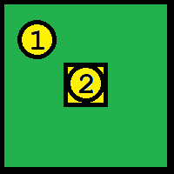
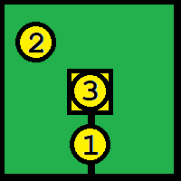
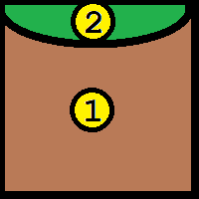
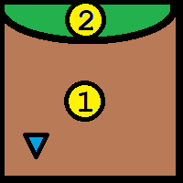
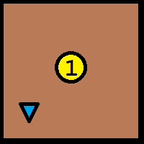
 |  |  |  |  |  | TILE_11 | 2 |  | 4 | x
 |  |  |  |  |  | TILE_12 | 3 |  | 5 | x
 |  |  |  |  |  | TILE_13 | 2 |  | 6 | x
 |  |  |  |  |  | TILE_14 | 2 |  | 7 | x
 |  |  |  |  |  | TILE_15 | 5 |  | 8 | x
 |  |  |  |  |  | TILE_16 | 3 |  | 9 | x
 |  |  |  |  |  | TILE_17 | 3 |  | 10 | x
 |  |  |  |  |  | TILE_18 | 3 |  | 11 | x
 |  |  |  |  |  | TILE_19 | 3 |  | 12 | x
 |  |  |  |  |  | TILE_20 | 1 |  | 13 | x
 |  |  |  |  |  | TILE_21 | 2 |  | 14 | x
 |  |  |  |  |  | TILE_22 | 1 |  | 15 | x
TILE_10 | TILE_11 | TILE_12 | TILE_13 | TILE_14 |  | TILE_23 | 2 |  | 16 | x
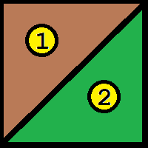
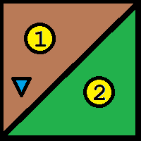
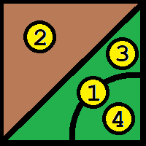
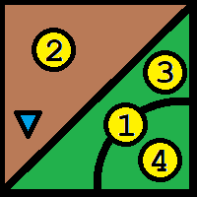
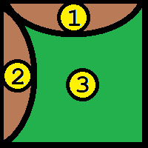
 |  |  |  |  |  |  | 72 |  | 17 | x
 |  |  |  |  |  |  |  |  | 18 | x
 |  |  |  |  |  |  |  |  | 19 | x
 |  |  |  |  |  |  |  |  | 20 | x
 |  |  |  |  |  |  |  |  | 21 | x
 |  |  |  |  |  |  |  |  | 22 | x
 |  |  |  |  |  |  |  |  | 23 | x

TILE_15 | TILE_16 | TILE_17 | TILE_18 | TILE_19
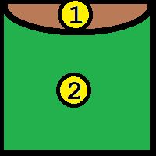
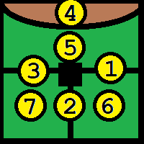
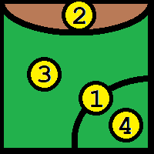
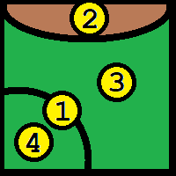
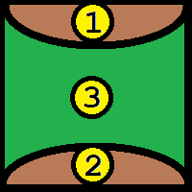

TILE_20 | TILE_21 | TILE_22 | TILE_23

