Home Page
USA [USD)
UK [GBP]
Europe [EUR]
Canada [CAD]
Worldwide [USD]
Mozzbi
Minal Marks
iSmart
Baxter
Android
Apple
 |  |  |  | 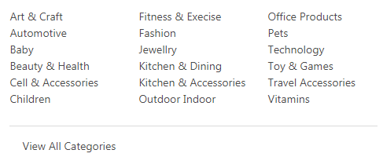
Choose Platform

Brand Deal

Download App
Categories
Search Deal

Login
Join as Seller

Notes
 |  |  |  |  | Featured
Dotted line = Actual Screen

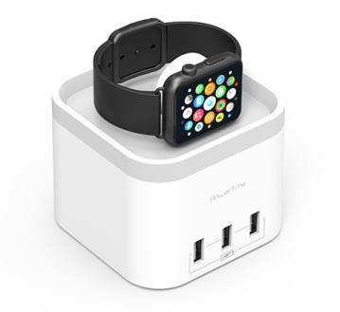
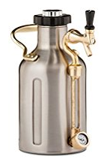
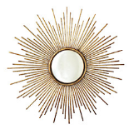



Slider
5 product View (Full Screen)
REMOVE Title on the slides
Vertical size = Little smaller then Product images

Amazon Fulfilment
Amazon Fulfilment
Amazon Fulfilment
Amazon Fulfilment
Amazon Fulfilment
$21.95 $9.95
$21.95 $9.95
$21.95 $9.95
$21.95 $9.95
$21.95 $9.95
You Save 39%
You Save 39%
You Save 39%
You Save 39%
You Save 39%
View deal
View deal
View deal
View deal
View deal

 |  | Deal of the Day |  |  |  | Editors Choice

Ad
Product image
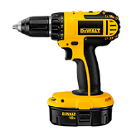
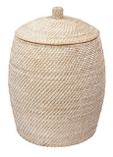
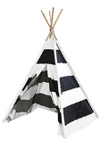
Product Images
4 Product View
Make small text (Size-7)
text 'You save%' smaller then 7 will be better
All images (Inc. slider)
Images should NOT be stretch vertically or horizontally (It should keep ratio and appear in middle)

Mozzbi Pizza cutter Wheel
Available in 3 colors
Mozzbi Pizza cutter Wheel
Available in 3 colors
Mozzbi Pizza cutter Wheel
Available in 3 colors
Mozzbi Pizza cutter Wheel
Available in 3 colors

Amazon Fulfilment
Amazon Fulfilment
Amazon Fulfilment
Amazon Fulfilment
Button Options??
$21.95 $9.95
You Save 39%
$21.95 $9.95
You Save 39%
$21.95 $9.95
You Save 39%
$21.95 $9.95
You Save 39%

View deal
View deal
View deal
View deal
View deal
Line Dividers
Scroll to check different design

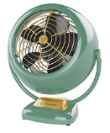
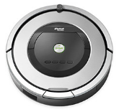
View all buttons
Check

Mozzbi Pizza cutter Wheel
Available in 3 colors
Mozzbi Pizza cutter Wheel
Available in 3 colors
Mozzbi Pizza cutter Wheel
Available in 3 colors
Mozzbi Pizza cutter Wheel
Available in 3 colors

Amazon Fulfilment
Amazon Fulfilment
Amazon Fulfilment
Amazon Fulfilment
$21.95 $9.95
You Save 39%
$21.95 $9.95
You Save 39%
$21.95 $9.95
You Save 39%
$21.95 $9.95
You Save 39%
Ad
Product image
View deal
View deal
View deal
View deal
View deal

Mozzbi Pizza cutter Wheel
Available in 3 colors
Mozzbi Pizza cutter Wheel
Available in 3 colors
Mozzbi Pizza cutter Wheel
Available in 3 colors
Mozzbi Pizza cutter Wheel
Available in 3 colors

Amazon Fulfilment
Amazon Fulfilment
Amazon Fulfilment
Amazon Fulfilment
$21.95 $9.95
You Save 39%
$21.95 $9.95
You Save 39%
$21.95 $9.95
You Save 39%
$21.95 $9.95
You Save 39%
View deal
View deal
View deal
View deal
View deal

 | [AD STRIP] 30 DAY FREE TRIAL TO JOIN AS SELLER
Ad
Product image

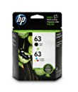
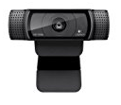
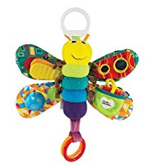

Mozzbi Pizza cutter Wheel
Available in 3 colors
Mozzbi Pizza cutter Wheel
Available in 3 colors
Mozzbi Pizza cutter Wheel
Available in 3 colors
Mozzbi Pizza cutter Wheel
Available in 3 colors

Amazon Fulfilment
Amazon Fulfilment
Amazon Fulfilment
Amazon Fulfilment
$21.95 $9.95
You Save 39%
$21.95 $9.95
You Save 39%
$21.95 $9.95
You Save 39%
$21.95 $9.95
You Save 39%
Ad
Product image

View deal
View deal
View deal
View deal
View deal

View all

 |  | Flash Deal

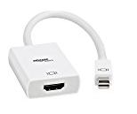
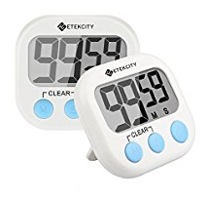
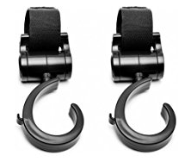
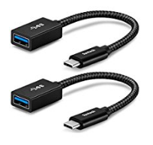

Ad
Product image

Mozzbi Pizza cutter Wheel
Available in 3 colors
Mozzbi Pizza cutter Wheel
Available in 3 colors
Mozzbi Pizza cutter Wheel
Available in 3 colors
Mozzbi Pizza cutter Wheel
Available in 3 colors

Amazon Fulfilment
Amazon Fulfilment
Amazon Fulfilment
Amazon Fulfilment
$21.95 $9.95
You Save 39%
$21.95 $9.95
You Save 39%
$21.95 $9.95
You Save 39%
$21.95 $9.95
You Save 39%
View deal
View deal
View deal
View deal
View deal

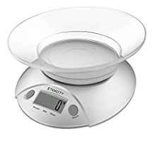

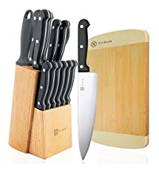
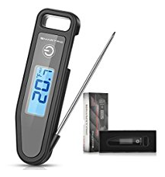

Mozzbi Pizza cutter Wheel
Available in 3 colors
Mozzbi Pizza cutter Wheel
Available in 3 colors
Mozzbi Pizza cutter Wheel
Available in 3 colors
Mozzbi Pizza cutter Wheel
Available in 3 colors

Amazon Fulfilment
Amazon Fulfilment
Amazon Fulfilment
Amazon Fulfilment
$21.95 $9.95
You Save 39%
$21.95 $9.95
You Save 39%
$21.95 $9.95
You Save 39%
$21.95 $9.95
You Save 39%
View deal
View deal
View deal
View deal
View deal

View all

 | [AD STRIP] - 30 DAY FREE TRIAL TO JOIN AS SELLER

 |  | Deal Ending Soon

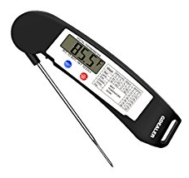
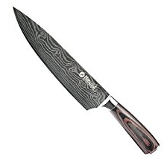
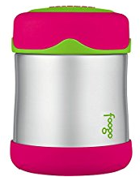
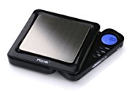

Mozzbi Pizza cutter Wheel
Available in 3 colors
Mozzbi Pizza cutter Wheel
Available in 3 colors
Mozzbi Pizza cutter Wheel
Available in 3 colors
Mozzbi Pizza cutter Wheel
Available in 3 colors

Amazon Fulfilment
Amazon Fulfilment
Amazon Fulfilment
Amazon Fulfilment
$21.95 $9.95
You Save 39%
$21.95 $9.95
You Save 39%
$21.95 $9.95
You Save 39%
$21.95 $9.95
You Save 39%
View deal
View deal
View deal
View deal
View deal

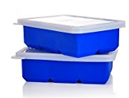
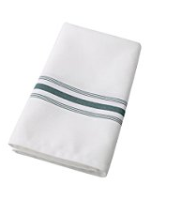
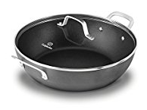
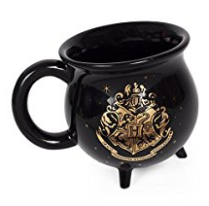

Mozzbi Pizza cutter Wheel
Available in 3 colors

Amazon Fulfilment
$21.95 $9.95

 | [AD STRIP] 30 DAY FREE TRIAL TO JOIN AS SELLER

About us
Contact Us
FAQ
Need Help?
JOIN OUR MAILING LIST & NEVER MISS AN OFFER AGAIN!

Name
Email Address
Region
SUBMIT
Join As Seller

Terms and Conditions | Private Policies | Cookies
© 2018 Couponndiscount | All rights reserved

 |  | Attribute | Action
 |  | Brand Ad | Slider or single image
 |  | View all Brand Deals | Page to show list of all Brands
 |  | Other selling Platforms | Pages for all other currencies
 |  | Download app/icon | Option for future
 |  | Social Media icons | To send website link
 |  | Search Category Dropdown | Like amazon (Default is ALL)
 |  | Search Box
 |  | Search Command
 |  | Join as seller
 |  | Sign up
 |  | Login
 |  | CND Logo

 |  | List of Top Categories (4/6 images)
 |  | Kitchen | Just images/icon for best categories
 |  | Childrens | Just images/icon for best categories
 |  | Technologies | Just images/icon for best categories
 |  | Automotives | Just images/icon for best categories
 |  | Home | Just images/icon for best categories
 |  | Sports | Just images/icon for best categories

 |  | Category icon | Drop down to show full list or New page showing full list

 |  | Categort Text | Just Dummy text

 |  | USA Flag (Default) | This may be good idea!
 |  | Search Category Dropdown | Like amazon (Defaul is ALL)

 |  | Slider (4/6 images)

 |  | Deal of the Day (3/4 x 12)
 |  | View More

 |  | New Arrival (3/4 x 12)
 |  | View More

 |  | Deal Ending Today [Slider] 4/6 images

 |  | Footer (in 3 Section) | *Only to show in home page
 |  | About us
 |  | Help

 |  | Contact Us
 |  | FAQ

 |  | Text (above Subscription)
 |  | Subscription Form
 |  | Text Line 1 (under Form)
 |  | Text Line 2 (under Form)

 |  | Join As Seller Button

 |  | RIGHT SLIDER
 |  | Single ad Slider
 |  | Multiple Ad images (5/12)

Sheet2



USA |  | Download App | Brand Deal


Sign up
Login
Join as Seller
 |  | Catigories |  | Search Deal

Flag + Country |  | Android | Mozzbi |  | iSmart
Flag + Country |  | iOS | Royal |  | KitchenAid
Flag + Country |  |  | Bates |  | J&J
Flag + Country |  |  | HP |  | Dell
Flag + Country |  |  | Hitachi |  | Samsung
Flag + Country |  |  | View Wll
Flag + Country
Flag + Country
Flag + Country
Flag + Country
Flag + Country
Flag + Country
Flag + Country

 |  |  | Categories
 | Platform |  |  |  |  | Seach deal

