Sheet1
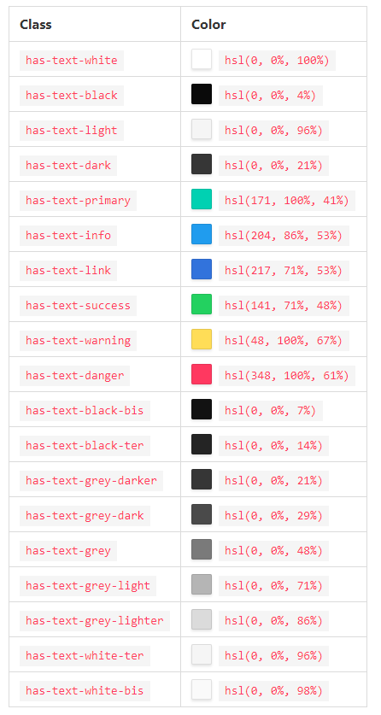
http://www.december.com/html/spec/colorshades.html | https://www.w3schools.com/colors/colors_picker.asp

 | #2f3337 rgb(47, 51, 55) hsl(210, 8%, 20%)

 | #464b51 rgb(70, 75, 81) hsl(213, 7%, 30%)
 | #d33ebd rgb(211, 62, 189) hsl(309, 63%, 54%) | #cdd704 rgb(205, 215, 4) hsl(63, 96%, 43%) | #fbec5d rgb(251, 236, 93) hsl(54, 95%, 67%) | #ca48d9 rgb(202, 72, 217) hsl(294, 66%, 57%) | #ffb52b rgb(255, 181, 43) hsl(39, 100%, 58%) | #ff7f24 rgb(255, 127, 36) hsl(25, 100%, 57%) | #cc1100 rgb(204, 17, 0) hsl(5, 100%, 40%)

 | #FF0000 | #e60000 rgb(230, 0, 0) hsl(0, 100%, 45%) | #ff3300 rgb(255, 51, 0) hsl(12, 100%, 50%)

Grey
 |  |  |  |  |  |  | #e600ac rgb(230, 0, 172) hsl(315, 100%, 45%)
Primary

Dark | 464B51
 |  |  |  |  |  |  | #bf80ff rgb(191, 128, 255) hsl(270, 100%, 75%)

 | 43464B

 | 3F3F3F

 | DFD6CC

 | FF7026

 | D3D3D3

 | DFDFDF

 | 363A44

