pivot - pies
Family - All
Region | (All)

Row Labels | Sum of Count
Achaeus sp. | 104
Actaea polyacantha | 3
Actaea sp. | 4
Actaea spinosissima | 1
Actaeodes hirsutissimus | 1
Actaeomorpha sp. | 2
Aethra edentata | 3
Atergatis granulatus | 1
Atergatopsis obesa | 2
Aulacolambrus hoplonotus | 1
Aulacolambrus sp. | 1
Brachyura | 10
Caecopilumnus sp. | 1
Caphyra loevis | 2
Carpilius convexus | 2
Carpilius sp. | 2
Catoptrus | 1
Catoptrus inaequalis | 10
Charybdis sp. | 1
Chlorodiella laevissima | 18
Chlorodiella nigra | 2
Chlorodiella sp. | 1254
Chlorodiella xishaensis | 1
Chlorodiellinae | 45
Cryptodromiopsis sp. | 1
Cyclodius sp. | 5
Daldorfia dimorpha | 9
Daldorfia horrida | 1
Daldorfia sp. | 1
Domecia hispida | 6
Dromiidae | 49
Dynomene hispida | 3
Dynomene sp. | 72
Dynomenidae | 2
Echinoecus pentagonus | 1
Epiactaea nodulosa | 42
Epiactaea sp. | 18
Epialtidae | 7
Etisus sp. | 2
Eucrate laevis | 1
Euxanthinae | 5
Exopalicus maculatus | 15
Exopalicus sp. | 1
Forestiana sp. | 1
Furtipodia sp. | 2
Garthiella aberrans | 64
Garthiella sp. | 21
Grapsidae | 2
Harrovia sp. | 1
Heteronucia sp. | 1
Heteronucia spinifera | 1
Heteronucia venusta | 3
Hirsutodynomene spinosa | 8
Huenia heraldica | 3
Huenia sp. | 5
Hyastenus brockii | 7
Hyastenus cracentis | 3
Hyastenus cracentis/uncifer | 1
Hyastenus sp. | 47
Hyastenus unifer | 1
Hypocolpus sp. | 1
Jacforus sp. | 1
Juxtaxanthias intonsus | 2
Juxtaxanthias sp. | 2
Lachnopodus sp. | 2
Laleonectes nipponensis | 1
Laleonectes sp. | 10
Lambrachaeus ramifer | 1
Leucosiidae | 8
Linnaeoxanthus acanthomerus | 3
Liocarpilodes armiger | 6
Liocarpilodes integerrimus | 40
Liocarpilodes pacificus | 1
Liocarpilodes sp. | 59
Liomera bella | 55
Liomera crucifera | 7
Liomera edwardsi | 1
Liomera monticulosa | 37
Liomera rubra | 8
Liomera rugata | 1
Liomera sp. | 58
Liomera stimpsonii | 1
Liomera striolata | 3
Liomera tristis | 4
Litosus sp. | 1
Lophozozymus dodone | 1
Lophozozymus incisus | 1
Lophozozymus pulchellus | 3
Lophozozymus sp. | 1
Luniella pubescens | 1
Lupocyclus quinquedentatus | 12
Lupocyclus sp. | 4
Lybia caestifera | 2
Lybia edmondsoni | 12
Lybia tessellata | 20
Macromedaeus sp. | 16
Majidae | 4
Majoidea | 44
Medaeus ornatus | 9
Medaeus sp. | 3
Megalopa | 37
Menaethius monoceros | 2
Menaethius orientalis | 5
Menaethius sp. | 22
Micippa sp. | 1
Micippoides angustifrons | 13
Micippoides sp. | 23
Nanocassiope sp. | 53
Neoliomera sp. | 3
Nucia sp. | 2
Nucia speciosa | 5
Olenothus uogi | 7
Palapedia sp. | 2
Palicidae | 5
Palmyria palmyrensis | 1
Paractaea rufopunctata | 10
Paractaea tumulosa | 1
Paramedaeus simplex | 3
Paramedaeus sp. | 8
Parapilumnus sp. | 1
Parthenopidae | 3
Percnon abbreviatum | 55
Percnon guinotae | 6
Percnon sp. | 8
Perinia tumida | 415
Petrolisthes sp. | 1
Phyll_Coral sp. | 4
Pilodius areolatus | 1
Pilodius maotieni | 3
Pilodius miersi | 1
Pilodius sp. | 1
Pilumnidae | 243
Pilumnus acutifrons | 1
Pilumnus nuttingi | 2
Pilumnus oahuensis | 5
Pilumnus sp. | 56
Pisidae | 6
Plagusiidae | 2
Platypodia semigranosa | 1
Platypodia sp. | 5
Podochela sp. | 1
Polydectus cupulifer | 3
Portunidae | 268
Pseudoliomera helleri | 4
Pseudoliomera lata | 7
Pseudoliomera sp. | 17
Pseudoliomera variolosa | 14
Rizalthus anconis | 2
Schizophroida sp. | 1
Schizophrys aspera | 30
Schizophrys sp. | 4
Serenius kuekenthali | 2
Soliella melanospinis | 11
Tanaocheles bidentata | 85
Tetralia sp. | 3
Thalamita auauensis | 3
Thalamita mitsiensis | 18
Thalamita rubridens | 2
Thalamita seurati | 3
Thalamita sp. | 25
Thalamitoides quadridens | 159
Thalamitoides sp. | 8
Tiaramedon spinosum | 1
Trapezia areolata | 3
Trapezia bidentata | 19
Trapezia cymodoce | 9
Trapezia guttata | 1
Trapezia septata | 5
Trapezia sp. | 42
Trapezia tigrina | 2
Trapeziidae | 5
Trigonoplax sp. | 1
Tweedieia laysani | 80
Tweedieia sp. | 16
Tweedieia/Liocarpilodes/Carpilius | 6
Tylocarcinus sp. | 56
Tylocarcinus styx | 9
Viaderiana sp. | 17
Viaderiana taeniola | 7
Xanthias canaliculatus | 17
Xanthias latifrons | 36
Xanthias sp. | 2
Xanthidae | 222
Xanthoidea | 250
Grand Total | 4829

Pie pics
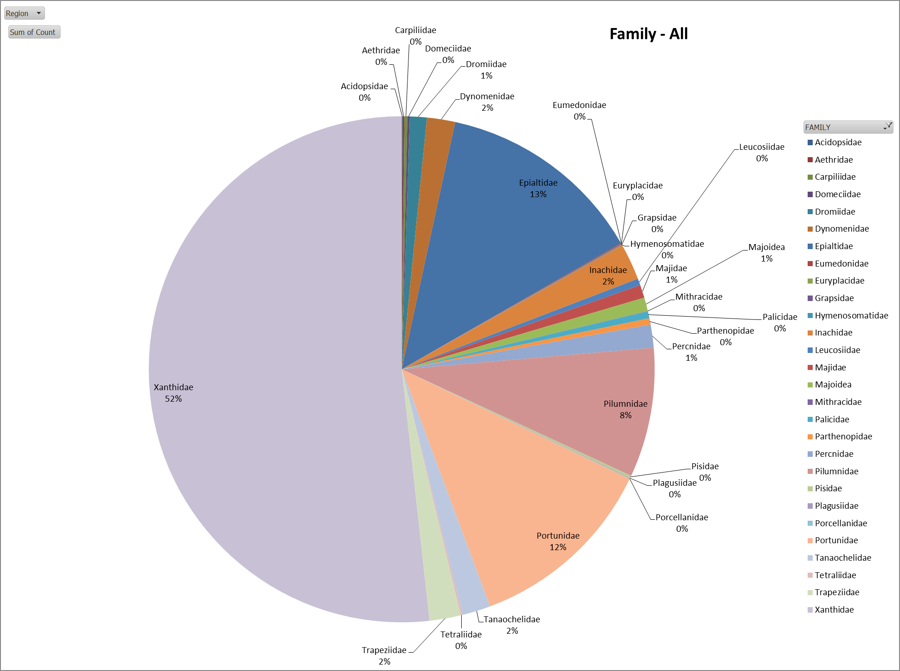
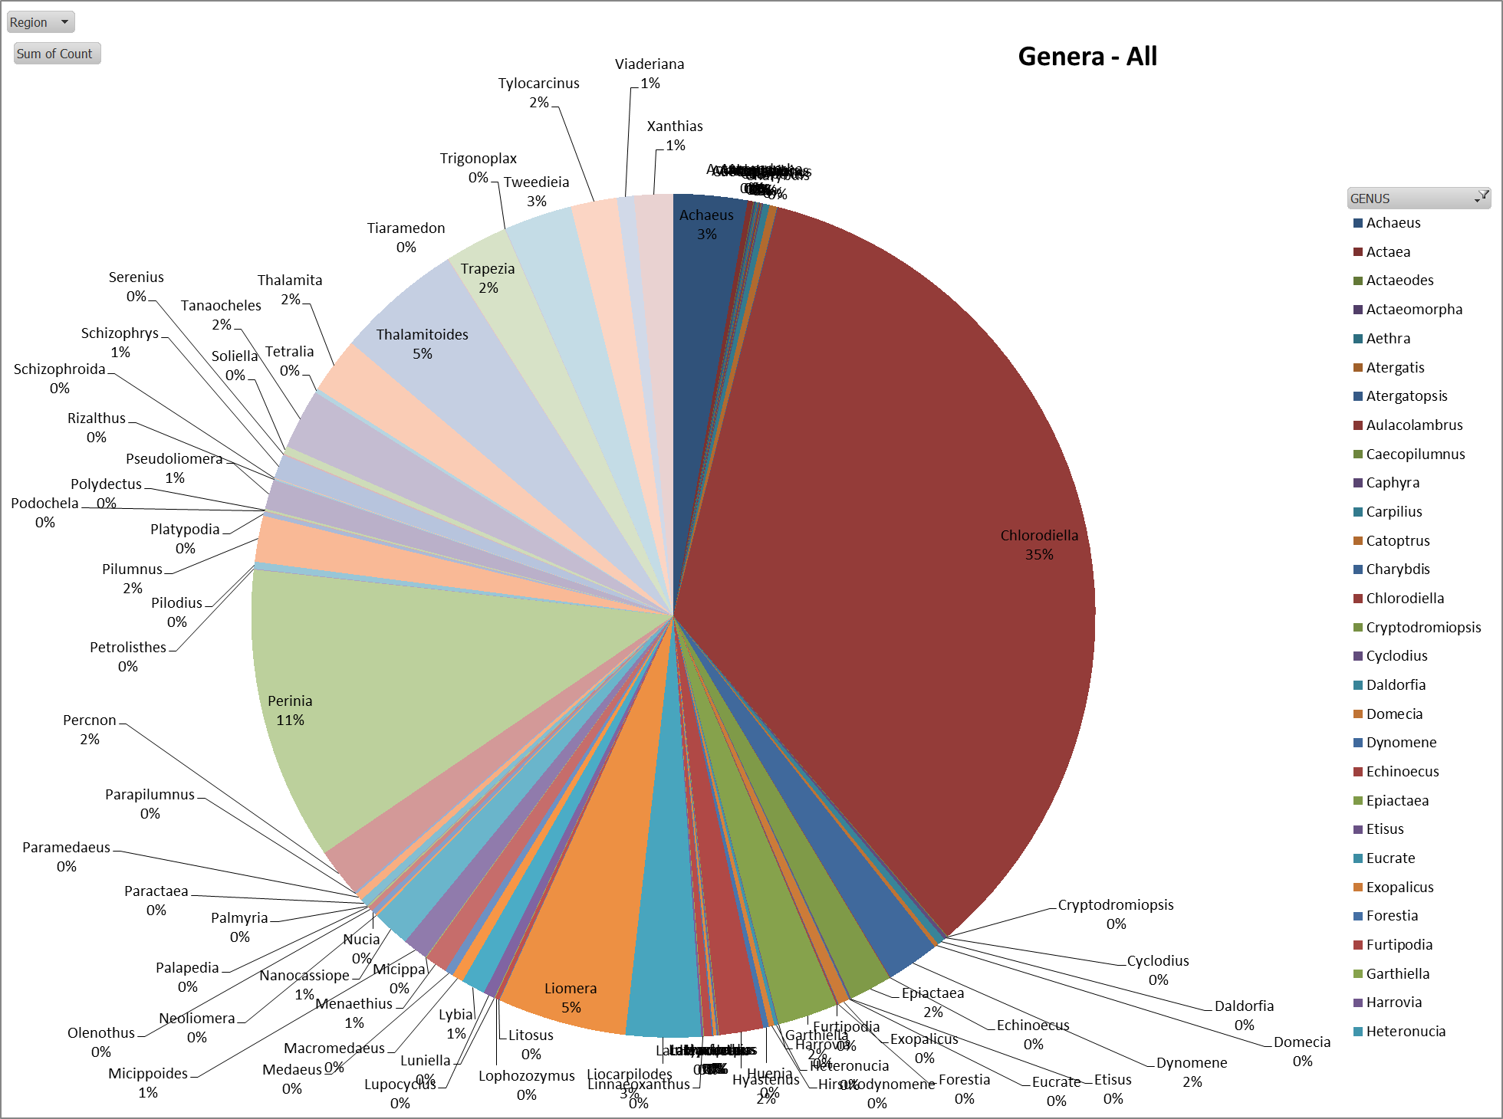

Summary
 |  |  |  |  | Sci Name | Adj sci Name
#units |  | # Islands or Sites | Family Richness | Generic Richess | Lowest ID Rank Richness | COUNT of <Family | AVG of Fam | AVG of Gen | AVGof Sci Name | AVG of ADJ Sci Name
47 | CT | 2 | 20 | 42 | 82 | 69 | 10 | 21 | 34.5 | 41
33 | MARIANAs | 5 | 19 | 36 | 58 | 47 | 3.8 | 7.2
60 | PRIAs | 7 | 19 | 48 | 84 | 73 | 2.7142857143 | 6.8571428571
36 | SAMOA | 4 | 14 | 32 | 52 | 45 | 3.5 | 8
18 | MHI | 4 | 12 | 29 | 47 | 41 | 3 | 7.25
22 | NWHI | 4 | 14 | 23 | 35 | 27 | 3.5 | 5.75

Philippines | CT | 5 | 12 | 12 | 21 | 13 | 2.4 | 2.4
PNG (KIM) | CT | 3 | 6 | 11 | 18 | 13 | 2 | 3.6666666667
Timor | CT | 8 | 18 | 38 | 70 | 60 | 2.25 | 4.75
Guam | MARIANAs | 4 | 11 | 18 | 26 | 21 | 2.75 | 4.5
Maug | MARIANAs | 2 | 10 | 16 | 24 | 19 | 5 | 8
Pagan | MARIANAs | 3 | 12 | 26 | 41 | 33 | 4 | 8.6666666667
Saipan | MARIANAs | 3 | 12 | 16 | 23 | 17 | 4 | 5.3333333333
Baker | PRIAs | 3 | 11 | 27 | 38 | 33 | 3.6666666667 | 9
Howland | PRIAs | 3 | 8 | 26 | 33 | 30 | 2.6666666667 | 8.6666666667
Jarvis | PRIAs | 3 | 8 | 14 | 22 | 17 | 2.6666666667 | 4.6666666667
Johnston | PRIAs | 3 | 3 | 8 | 9 | 9 | 1 | 2.6666666667
Kingman | PRIAs | 3 | 10 | 12 | 18 | 13 | 3.3333333333 | 4
Palmyra | PRIAs | 3 | 10 | 14 | 21 | 15 | 3.3333333333 | 4.6666666667
Wake | PRIAs | 3 | 5 | 10 | 17 | 12 | 1.6666666667 | 3.3333333333
Ofu/Olosega | SAMOA | 3 | 10 | 17 | 24 | 20 | 3.3333333333 | 5.6666666667
Rose | SAMOA | 3 | 8 | 16 | 26 | 21 | 2.6666666667 | 5.3333333333
Swains | SAMOA | 3 | 5 | 15 | 19 | 17 | 1.6666666667 | 5
Tutuila | SAMOA | 3 | 4 | 7 | 13 | 11 | 1.3333333333 | 2.3333333333
Hawaii | MHI | 2 | 9 | 18 | 24 | 18 | 4.5 | 9
Kauai | MHI | 3 | 11 | 20 | 31 | 25 | 3.6666666667 | 6.6666666667
Maui | MHI | 1 | 11 | 15 | 21 | 17 | 11 | 15
Oahu | MHI | 1 | 10 | 13 | 17 | 13 | 10 | 13
French Frigate Shoals | NWHI | 2 | 12 | 18 | 26 | 19 | 6 | 9
Kure | NWHI | 2 | 8 | 11 | 16 | 11 | 4 | 5.5
Lisianski | NWHI | 2 | 4 | 6 | 10 | 7 | 2 | 3
Pearl and Hermes | NWHI | 3 | 11 | 17 | 24 | 21 | 3.6666666667 | 5.6666666667
25 |  | 56

ART-01 | CT - PHI | 3 | 16
BAA-01 | CT - PHI | 3
BAO-01 | CT - PHI | 3
KOA-01 | CT - PHI | 1
TWI-02 | CT - PHI | 3
KIM-01 | CT - PNG | 3
KIM-02 | CT - PNG | 3
KIM-03 | CT - PNG | 3
TIM-01 | CT-TIM | 3
TIM-02 | CT-TIM | 3
TIM-03 | CT-TIM | 3
TIM-04 | CT-TIM | 3
TIM-05 | CT-TIM | 4
TIM-08 | CT-TIM | 3
TIM-09 | CT-TIM | 3
TIM-10 | CT-TIM | 3
GUA-02 | MARIANAs | 3 | 12
GUA-05 | MARIANAs | 3
GUA-08 | MARIANAs | 3
GUA-12 | MARIANAs | 3
MAU-04 | MARIANAs | 3
MAU-09 | MARIANAs | 1
PAG-01 | MARIANAs | 3
PAG-05 | MARIANAs | 3
PAG-09 | MARIANAs | 3
SAI-05 | MARIANAs | 3
SAI-06 | MARIANAs | 3
SAI-08 | MARIANAs | 2
HAW-22 | MHI | 3 | 7
HAW-24 | MHI | 3
KAU-02 | MHI | 2
KAU-06 | MHI | 2
KAU-08 | MHI | 2
MAI-01 | MHI | 3
OAH-12 | MHI | 3
FFS-12 | NWHI | 3 | 9
FFS-34 | NWHI | 3
KUR-12 | NWHI | 2
KUR-R33 | NWHI | 1
LIS-R10 | NWHI | 3
LIS-R14 | NWHI | 3
PHR-33 | NWHI | 3
PHR-R26 | NWHI | 3
PHR-R42 | NWHI | 1
BAK-11 | PRIAs | 3 | 21
BAK-14 | PRIAs | 2
BAK-16 | PRIAs | 3
HOW-05 | PRIAs | 3
HOW-11 | PRIAs | 3
HOW-14 | PRIAs | 3
JAR-04 | PRIAs | 3
JAR-08 | PRIAs | 3
JAR-11 | PRIAs | 3
JOH-10 | PRIAs | 3
JOH-11 | PRIAs | 3
JOH-12 | PRIAs | 3
KIN-05 | PRIAs | 3
KIN-11 | PRIAs | 3
KIN-13 | PRIAs | 3
PAL-01 | PRIAs | 3
PAL-17 | PRIAs | 3
PAL-19 | PRIAs | 3
WAK-06 | PRIAs | 3
WAK-08 | PRIAs | 1
WAK-09 | PRIAs | 3
OFU-03 | SAMOA | 3 | 12
OFU-04 | SAMOA | 3
OLO-04 | SAMOA | 3
ROS-04 | SAMOA | 3
ROS-19 | SAMOA | 3
ROS-25 | SAMOA | 3
SWA-01 | SAMOA | 3
SWA-03 | SAMOA | 3
SWA-16 | SAMOA | 3
TUT-01 | SAMOA | 3
TUT-11 | SAMOA | 3
TUT-22 | SAMOA | 3
72 |  | 203

Stacked_pic
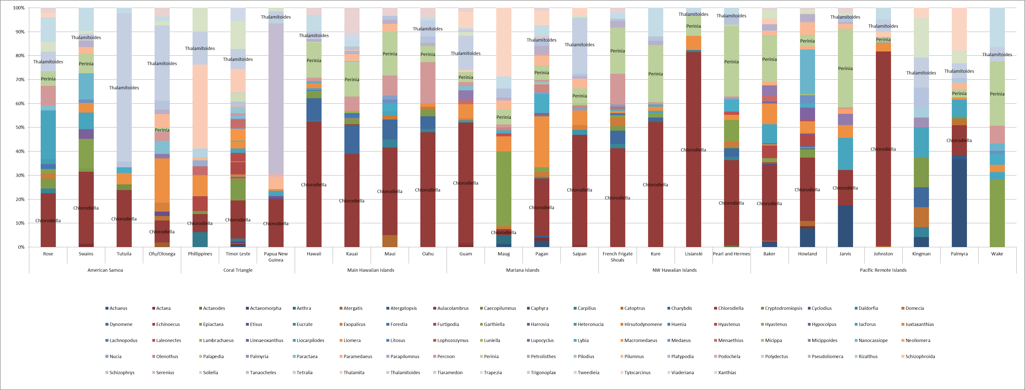

Pie_pic_genera
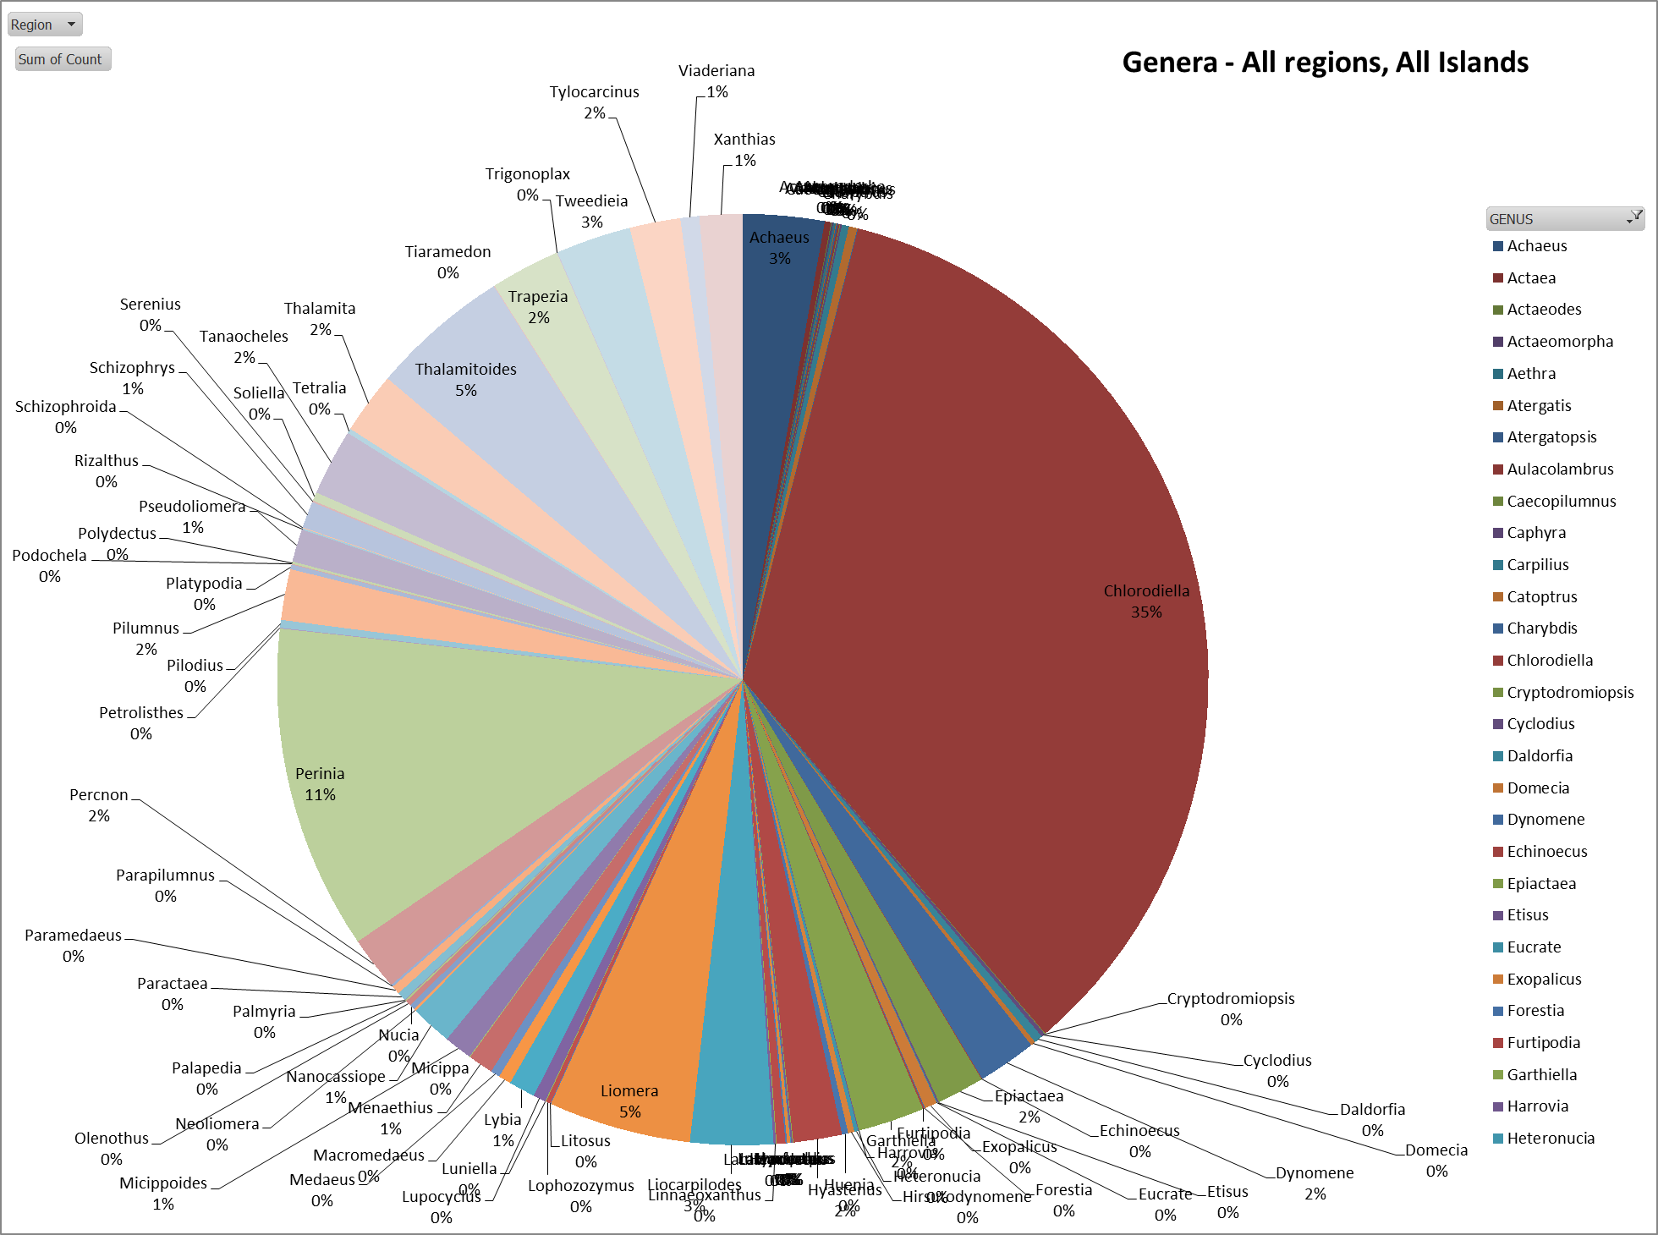

Richness
Region | Island | Family Richness | Generic Richess | Lowest ID Rank Richness | COUNT of Gen/Spp | # Islands or Sites
Coral Triangle | Philippines | 12 | 12 | 21 | 13 | 5
Coral Triangle | Papua New Guinea | 6 | 11 | 18 | 13 | 3
Coral Triangle | Timor Leste | 18 | 38 | 70 | 60 | 8
Mariana Islands | Guam | 11 | 18 | 26 | 21 | 4
Mariana Islands | Maug | 10 | 16 | 24 | 19 | 2
Mariana Islands | Pagan | 12 | 26 | 41 | 33 | 3
Mariana Islands | Saipan | 12 | 16 | 23 | 17 | 3
Pacific Remote Islands | Baker | 11 | 27 | 38 | 33 | 3
Pacific Remote Islands | Howland | 8 | 26 | 33 | 30 | 3
Pacific Remote Islands | Jarvis | 8 | 14 | 22 | 17 | 3
Pacific Remote Islands | Johnston | 3 | 8 | 9 | 9 | 3
Pacific Remote Islands | Kingman | 10 | 12 | 18 | 13 | 3
Pacific Remote Islands | Palmyra | 10 | 14 | 21 | 15 | 3
Pacific Remote Islands | Wake | 5 | 10 | 17 | 12 | 3
American Samoa | Ofu/Olosega | 10 | 17 | 24 | 20 | 3
American Samoa | Rose | 8 | 16 | 26 | 21 | 3
American Samoa | Swains | 5 | 15 | 19 | 17 | 3
American Samoa | Tutuila | 4 | 7 | 13 | 11 | 3
Main Hawaiian Islands | Hawaii | 9 | 18 | 24 | 18 | 2
Main Hawaiian Islands | Kauai | 11 | 20 | 31 | 25 | 3
Main Hawaiian Islands | Maui | 11 | 15 | 21 | 17 | 1
Main Hawaiian Islands | Oahu | 10 | 13 | 17 | 13 | 1
NW Hawaiian Islands | French Frigate Shoals | 12 | 18 | 26 | 19 | 2
NW Hawaiian Islands | Kure | 8 | 11 | 16 | 11 | 2
NW Hawaiian Islands | Lisianski | 4 | 6 | 10 | 7 | 2
NW Hawaiian Islands | Pearl and Hermes | 11 | 17 | 24 | 21 | 3

 |  |  |  |  |  | # locations | # sites | #units
Mariana Islands |  | 19 | 36 | 58 | 47 | 5 | 12 | 33
Main Hawaiian Islands |  | 12 | 29 | 47 | 41 | 4 | 7 | 18
NW Hawaiian Islands |  | 14 | 23 | 35 | 27 | 4 | 9 | 22
Pacific Remote Islands |  | 19 | 48 | 84 | 73 | 7 | 21 | 60
American American Samoa |  | 14 | 32 | 52 | 45 | 4 | 12 | 36
Coral Triangle |  | 20 | 42 | 82 | 69 | 3 | 16 | 47

Sheet1
 |  | Family Richness | Generic Richness | Lowest ID Rank Richness
Papua New Guinea | Coral Triangle | 6 | 11 | 18
Philippines | Coral Triangle | 12 | 12 | 21
Timor Leste | Coral Triangle | 18 | 38 | 70
Guam | Mariana Islands | 11 | 18 | 26
Maug | Mariana Islands | 10 | 16 | 24
Pagan | Mariana Islands | 12 | 26 | 41
Saipan | Mariana Islands | 12 | 16 | 23
Baker | Pacific Remote Islands | 11 | 27 | 38
Howland | Pacific Remote Islands | 8 | 26 | 33
Jarvis | Pacific Remote Islands | 8 | 14 | 22
Johnston | Pacific Remote Islands | 3 | 8 | 9
Kingman | Pacific Remote Islands | 10 | 12 | 18
Palmyra | Pacific Remote Islands | 10 | 14 | 21
Wake | Pacific Remote Islands | 5 | 10 | 17
Ofu/Olosega | American Samoa | 10 | 17 | 24
Rose | American Samoa | 8 | 16 | 26
Swains | American Samoa | 5 | 15 | 19
Tutuila | American Samoa | 4 | 7 | 13
Hawaii | Main Hawaiian Islands | 9 | 18 | 24
Kauai | Main Hawaiian Islands | 11 | 20 | 31
Maui | Main Hawaiian Islands | 11 | 15 | 21
Oahu | Main Hawaiian Islands | 10 | 13 | 17
French Frigate Shoals | NW Hawaiian Islands | 12 | 18 | 26
Kure | NW Hawaiian Islands | 8 | 11 | 16
Lisianski | NW Hawaiian Islands | 4 | 6 | 10
Pearl and Hermes | NW Hawaiian Islands | 11 | 17 | 24

Chart1-RIchnessDraft
Brachyuran Richness
 | Sum of Family Richness | Sum of Generic Richess | Sum of Lowest ID Rank Richness
Papua New Guinea | 6 | 11 | 18
Philippines | 12 | 12 | 21
Timor Leste | 18 | 38 | 70
Guam | 11 | 18 | 26
Maug | 10 | 16 | 24
Pagan | 12 | 26 | 41
Saipan | 12 | 16 | 23
Baker | 11 | 27 | 38
Howland | 8 | 26 | 33
Jarvis | 8 | 14 | 22
Johnston | 3 | 8 | 9
Kingman | 10 | 12 | 18
Palmyra | 10 | 14 | 21
Wake | 5 | 10 | 17
Ofu/Olosega | 10 | 17 | 24
Rose | 8 | 16 | 26
Swains | 5 | 15 | 19
Tutuila | 4 | 7 | 13
Hawaii | 9 | 18 | 24
Kauai | 11 | 20 | 31
Maui | 11 | 15 | 21
Oahu | 10 | 13 | 17
French Frigate Shoals | 12 | 18 | 26
Kure | 8 | 11 | 16
Lisianski | 4 | 6 | 10
Pearl and Hermes | 11 | 17 | 24

Chart2-Stacked Draft
Brachyuran Proportional Abundance
 | Baker | French Frigate Shoals | Guam | Hawaii | Howland | Jarvis | Johnston | Kauai | Kingman | Kure | Lisianski | Maug
abbreviatum |  | 14 |  | 4 |  | 1 |  | 13 |  | 1
aberrans |  | 1 |  | 1 | 1 |  |  |  |  | 2 |  | 25
acanthomerus
acutifrons |  |  |  |  |  |  |  | 1
anconis |  |  |  |  |  |  |  |  | 1
angustifrons |  |  | 5 |  |  | 7
areolata
areolatus |  |  |  |  |  |  |  | 1
armiger |  |  |  |  |  | 2 |  |  | 1
aspera |  | 1 |  |  |  | 3 |  | 3 | 2 | 2 |  | 3
auauensis |  |  |  |  |  |  | 3
bella | 7 |  |  |  | 8 | 7 | 9 |  |  |  |  | 4
bidentata |  |  | 2 |  | 2 | 2 |  |  | 4
brockii
caestifera
canaliculatus | 3 | 2 |  | 1 | 2 | 3 |  | 5
convexus
cracentis
cracentis/uncifer
crucifera |  |  |  | 6
cupulifer |  |  |  | 1
cymodoce
dimorpha |  | 2 |  | 1 |  |  |  |  | 1 |  | 1
dodone |  |  |  |  | 1
edentata |  |  |  |  |  |  |  |  |  |  |  | 3
edmondsoni |  | 1 |  | 1 |  |  |  |  |  | 1
edwardsi
granulatus
guinotae |  |  | 1 |  |  |  |  |  |  |  |  | 1
guttata
haanii
helleri |  |  |  |  |  |  |  |  |  |  |  | 1
heraldica |  | 1 |  | 1 |  |  |  | 1
hirsutissimus
hispida |  |  |  |  |  |  |  |  | 2
hoplonotus
horrida
incisus
inequalis | 1 |  |  |  | 5 |  | 1
integerrimus |  |  |  | 2 |  | 18 |  |  | 2 | 1
intonsus | 2
kuekenthali
laevis
laevissima
lata | 1 |  |  |  | 5
latifrons |  |  | 2 | 7 |  |  |  | 18
laysani |  | 2 | 1 | 18 |  |  |  | 6 |  | 13 | 2 | 4
loevis
maculatus |  | 4 |  |  |  |  |  | 1 |  |  |  | 1
maotieni
...

ABUND_noLEgend
Brachyuran Proportional Abundance
 | Baker | French Frigate Shoals | Guam | Hawaii | Howland | Jarvis | Johnston | Kauai | Kingman | Kure | Lisianski | Maug
abbreviatum |  | 14 |  | 4 |  | 1 |  | 13 |  | 1
aberrans |  | 1 |  | 1 | 1 |  |  |  |  | 2 |  | 25
acanthomerus
acutifrons |  |  |  |  |  |  |  | 1
anconis |  |  |  |  |  |  |  |  | 1
angustifrons |  |  | 5 |  |  | 7
areolata
areolatus |  |  |  |  |  |  |  | 1
armiger |  |  |  |  |  | 2 |  |  | 1
aspera |  | 1 |  |  |  | 3 |  | 3 | 2 | 2 |  | 3
auauensis |  |  |  |  |  |  | 3
bella | 7 |  |  |  | 8 | 7 | 9 |  |  |  |  | 4
bidentata |  |  | 2 |  | 2 | 2 |  |  | 4
brockii
caestifera
canaliculatus | 3 | 2 |  | 1 | 2 | 3 |  | 5
convexus
cracentis
cracentis/uncifer
crucifera |  |  |  | 6
cupulifer |  |  |  | 1
cymodoce
dimorpha |  | 2 |  | 1 |  |  |  |  | 1 |  | 1
dodone |  |  |  |  | 1
edentata |  |  |  |  |  |  |  |  |  |  |  | 3
edmondsoni |  | 1 |  | 1 |  |  |  |  |  | 1
edwardsi
granulatus
guinotae |  |  | 1 |  |  |  |  |  |  |  |  | 1
guttata
haanii
helleri |  |  |  |  |  |  |  |  |  |  |  | 1
heraldica |  | 1 |  | 1 |  |  |  | 1
hirsutissimus
hispida |  |  |  |  |  |  |  |  | 2
hoplonotus
horrida
incisus
inequalis | 1 |  |  |  | 5 |  | 1
integerrimus |  |  |  | 2 |  | 18 |  |  | 2 | 1
intonsus | 2
kuekenthali
laevis
laevissima
lata | 1 |  |  |  | 5
latifrons |  |  | 2 | 7 |  |  |  | 18
laysani |  | 2 | 1 | 18 |  |  |  | 6 |  | 13 | 2 | 4
loevis
maculatus |  | 4 |  |  |  |  |  | 1 |  |  |  | 1
maotieni
...

Sheet3
Brachyuran Proportional Abundance
 | Baker | French Frigate Shoals | Guam | Hawaii | Howland | Jarvis | Johnston | Kauai | Kingman | Kure | Lisianski | Maug
abbreviatum |  | 14 |  | 4 |  | 1 |  | 13 |  | 1
aberrans |  | 1 |  | 1 | 1 |  |  |  |  | 2 |  | 25
acanthomerus
acutifrons |  |  |  |  |  |  |  | 1
anconis |  |  |  |  |  |  |  |  | 1
angustifrons |  |  | 5 |  |  | 7
areolata
areolatus |  |  |  |  |  |  |  | 1
armiger |  |  |  |  |  | 2 |  |  | 1
aspera |  | 1 |  |  |  | 3 |  | 3 | 2 | 2 |  | 3
auauensis |  |  |  |  |  |  | 3
bella | 7 |  |  |  | 8 | 7 | 9 |  |  |  |  | 4
bidentata |  |  | 2 |  | 2 | 2 |  |  | 4
brockii
caestifera
canaliculatus | 3 | 2 |  | 1 | 2 | 3 |  | 5
convexus
cracentis
cracentis/uncifer
crucifera |  |  |  | 6
cupulifer |  |  |  | 1
cymodoce
dimorpha |  | 2 |  | 1 |  |  |  |  | 1 |  | 1
dodone |  |  |  |  | 1
edentata |  |  |  |  |  |  |  |  |  |  |  | 3
edmondsoni |  | 1 |  | 1 |  |  |  |  |  | 1
edwardsi
granulatus
guinotae |  |  | 1 |  |  |  |  |  |  |  |  | 1
guttata
haanii
helleri |  |  |  |  |  |  |  |  |  |  |  | 1
heraldica |  | 1 |  | 1 |  |  |  | 1
hirsutissimus
hispida |  |  |  |  |  |  |  |  | 2
hoplonotus
horrida
incisus
inequalis | 1 |  |  |  | 5 |  | 1
integerrimus |  |  |  | 2 |  | 18 |  |  | 2 | 1
intonsus | 2
kuekenthali
laevis
laevissima
lata | 1 |  |  |  | 5
latifrons |  |  | 2 | 7 |  |  |  | 18
laysani |  | 2 | 1 | 18 |  |  |  | 6 |  | 13 | 2 | 4
loevis
maculatus |  | 4 |  |  |  |  |  | 1 |  |  |  | 1
maotieni
...

