Risk Assessment Matrix
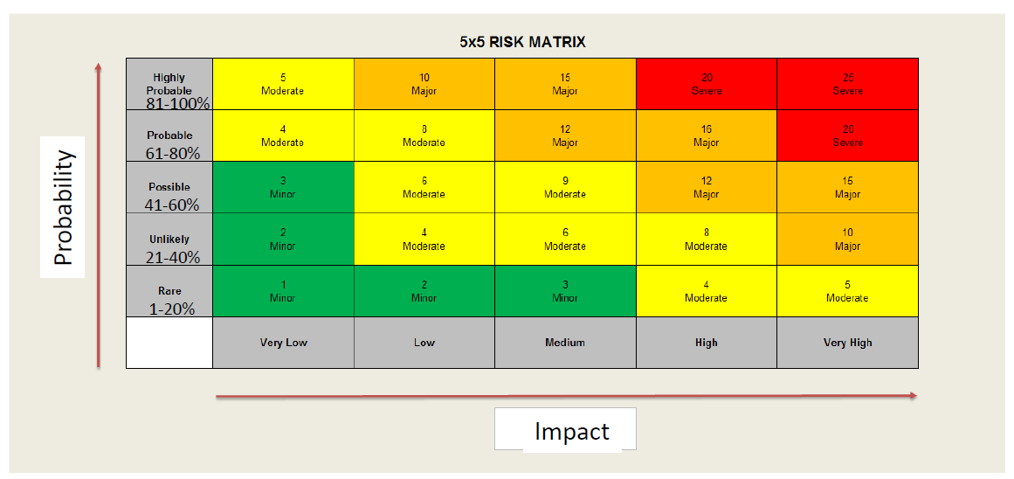

Highly Probable | 5 | 10 | 15 | 20 | 25
81-100% | Moderate | Major | Major | Severe | Severe
Probable | 4 | 8 | 12 | 16 | 20
61-80% | Moderate | Moderate | Major | Major | Severe
Possible | 3 | 6 | 9 | 12 | 15
41-60% | Minor | Moderate | Moderate | Major | Major
Unlikely | 2 | 4 | 6 | 8 | 10
21-40% | Minor | Moderate | Moderate | Moderate | Major
Rare | 1 | 2 | 3 | 4 | 5
1-20% | Minor | Minor | Minor | Moderate | Moderate
 | Very | Low | Medium | High | Very High

