Genre Distribution
Genre Distribution
Genre | Count
Romance | 3
Comedy | 4
Action | 14
Isekai | 9
Fantasy | 11
Dark Fantasy | 2
Supernatural | 2
Psychological | 3
Drama | 4
Mecha | 1
Thriller | 2
Adventure | 4
Slice of Life | 2
Sports | 1
Superhero | 1
Sci-Fi | 1

Bias Analytics
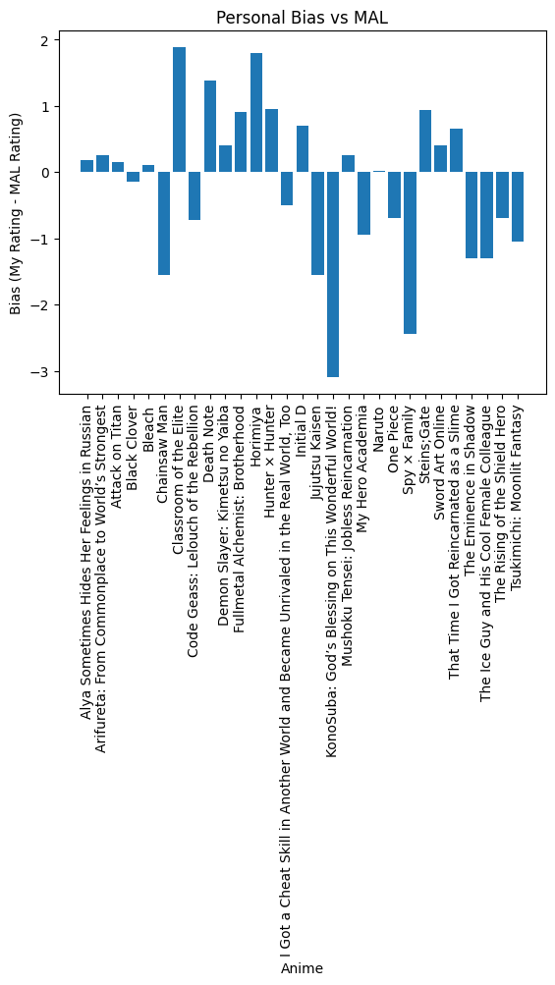
Anime | Bias
Alya Sometimes Hides Her Feelings in Russian | 0.18
Arifureta: From Commonplace to World’s Strongest | 0.25
Attack on Titan | 0.15
Black Clover | -0.14
Bleach | 0.1
Chainsaw Man | -1.55
Classroom of the Elite | 1.88
Code Geass: Lelouch of the Rebellion | -0.73
Death Note | 1.38
Demon Slayer: Kimetsu no Yaiba | 0.4
Fullmetal Alchemist: Brotherhood | 0.9
Horimiya | 1.8
Hunter × Hunter | 0.95
I Got a Cheat Skill in Another World and Became Unrivaled in the Real World, Too | -0.5
Initial D | 0.7
Jujutsu Kaisen | -1.55
KonoSuba: God’s Blessing on This Wonderful World! | -3.1
Mushoku Tensei: Jobless Reincarnation | 0.25
My Hero Academia | -0.95
Naruto | 0.01
One Piece | -0.7
Spy × Family | -2.45
Steins;Gate | 0.93
Sword Art Online | 0.4
That Time I Got Reincarnated as a Slime | 0.65
The Eminence in Shadow | -1.3
The Ice Guy and His Cool Female Colleague | -1.3
The Rising of the Shield Hero | -0.7
Tsukimichi: Moonlit Fantasy | -1.05

