Sheet1
Project Name | KushiTravels_001
Client | Kushi Travels
Reference document | FRS/Application url:https://kushitravels.com/index.php
Created By | S.Prashanth
Creation Date | 11/06/2024
Approved By | Mr.Shivakumar

TEST SCENARIO ID | REFERENCE DOCUMENT | TEST SCENARIO | PRIORITY | NO OF TEST CASES
TS_001 | FRS | To verify the contact Name field of register functionality | P0 | 5
TS_002 | FRS | To verify the Password field of register functionality | P0 | 3
TS_003 | FRS | To verify the Phone number field of register functionality | P0 | 3
TS_004 | FRS | To verify the Email id field of register functionality | P0 | 4
TS_005 | FRS | To verify the Address field of register functionality. | P0 | 1
TS_006 | FRS | To verify the login functionality | P0 | 2
TS_007 | FRS | To verify the functionality of pickup-city and pickup -location field | P1 | 1
TS_008 | FRS | To verify the functionality of Pick-up date and time field | P1 | 1
TS_009 | FRS | To verify the functionality of drop-off date and time field | P1 | 1
TS_010 | FRS | To verify the vehicle booking functionality | P1 | 1
TS_011 | FRS | To verify the logout Functionality | P1 | 1

TestCase ID | Test Scenario | Test case Description | Pre-requisites | Test Steps | Test data | Expected results | Actual results | Status | Comment
TC_CN-001 | To verify the contact Name field of register functionality | To verify the contact name accepts combination of lower case and upper case characters in a string | 1.Open the browser | 1.Select "out station Taxi", pick-up city,pick-up location,pick-up date,pick-up time,drop-off date, drop-off time, | Contact Name:Ramesh | The name should be accepted | The name is accepted | Pass
 |  |  | 2.Enter the url | 2.Click the search button
 |  |  |  | 3.Select the tempo traveller
 |  |  |  | 4.Click the 'Register' button
 |  |  |  | 5.Select the "Contact Name" field
TC_CN-002 |  | To verify if the contact name accepts fullstop. | 1.Open the browser | 1.Select "out station Taxi", pick-up city,pick-up location,pick-up date,pick-up time,drop-off date, drop-off time, | Contact Name:N.Ramesh | The name should be accepted | The name is accepted | Pass
 |  |  | 2.Enter the url | 2.Click the search button
 |  |  |  | 3.Select the tempo traveller
 |  |  |  | 4.Click the 'Register' button
 |  |  |  | 5.Select the "Contact Name" field
TC_CN-003 |  | To verify if the contact name does not accepts spaces in between the characters | 1.Open the browser | 1.Select "out station Taxi", pick-up city,pick-up location,pick-up date,pick-up time,drop-off date, drop-off time, | Contact Name:R a m e s h | Not applicable | The name is accepted | Fail
 |  |  | 2.Enter the url | 2.Click the search button
 |  |  |  | 3.Select the tempo traveller
 |  |  |  | 4.Click the 'Register' button
 |  |  |  | 5.Select the "Contact Name" field
TC_CN-004 |  | To verify if the contact name does not accept special characters | 1.Open the browser | 1.Select "out station Taxi", pick-up city,pick-up location,pick-up date,pick-up time,drop-off date, drop-off time, | Contact Name:@#Ramesh | Not applicable | The name is accepted | Fail
 |  |  | 2.Enter the url | 2.Click the search button
 |  |  |  | 3.Select the tempo traveller
 |  |  |  | 4.Click the 'Register' button
 |  |  |  | 5.Select the "Contact Name" field
TC_CN-005 |  | To verify if the contact name does not accept numbers | 1.Open the browser | 1.Select "out station Taxi", pick-up city,pick-up location,pick-up date,pick-up time,drop-off date, drop-off time, | Contact Name:123Ramesh | Not applicable | The name is accepted | Fail
 |  |  | 2.Enter the url | 2.Click the search button
 |  |  |  | 3.Select the tempo traveller
 |  |  |  | 4.Click the 'Register' button
 |  |  |  | 5.Select the "Contact Name" field
TC_PF-001 | To verify the password field of the register functionality | To verify if the password field has atleast one of special characters, upper case,lower case and numbers | 1.Open the browser | 1.Select "out station Taxi", pick-up city,pick-up location,pick-up date,pick-up time,drop-off date, drop-off time, | Password: Ramesh@1234$ | The password should be accepted. | The password is accepted | Pass
 |  |  | 2.Enter the url | 2.Click the search button
 |  |  |  | 3.Select the tempo traveller
 |  |  |  | 4.Click the 'Register' button
 |  |  |  | 5.Select the "Password Field" field
TC_PF-002 |  | To verify if the password field does not accepts full stop. | 1.Open the browser | 1.Select the type of taxi, pick-up city,pick-up location,pick-up date,pick-up time,drop-off date, drop-off time, | Password: Ramesh@12.34$ | Invalid data | The password is accepted | Fail
 |  |  | 2.Enter the url | 2.Click the search button
 |  |  |  | 3.Select the tempo traveller
 |  |  |  | 4.Click the 'Register' button
 |  |  |  | 5.Select the "Password Field" field
TC_PF-003 |  | To verify if the password field is not accepting the spaces and more than 15 characters | 1.Open the browser | 1.Select the type of taxi, pick-up city,pick-up location,pick-up date,pick-up time,drop-off date, drop-off time, | Password: Rameshkannan@1234$ | Invalid data | The password is accepted | Fail
 |  |  | 2.Enter the url | 2.Click the search button
 |  |  |  | 3.Select the tempo traveller
 |  |  |  | 4.Click the 'Register' button
 |  |  |  | 5.Select the "Password Field" field
TC_PNF-001 | To verify the Phone number field of register functionality | To verify if the phone number field accepts only numbers with exactly ten digits. | 1.Open the browser | 1.Select the type of taxi, pick-up city,pick-up location,pick-up date,pick-up time,drop-off date, drop-off time, | Phone Number:8870755014 | The phone number should be accepted | The phone number is accepted | Pass
 |  |  | 2.Enter the url | 2.Click the search button
 |  |  |  | 3.Select the tempo traveller
 |  |  |  | 4.Click the 'Register' button
 |  |  |  | 5.Select the "Phone Number" field
TC_PNF-002 |  | To verify if thee phone number field does not accepts special characters and alphabets. | 1.Open the browser | 1.Select the type of taxi, pick-up city,pick-up location,pick-up date,pick-up time,drop-off date, drop-off time, | Phone Number:abcd29i4* | Not acceptable | The phone number is accepted | Fail
 |  |  | 2.Enter the url | 2.Click the search button
 |  |  |  | 3.Select the tempo traveller
 |  |  |  | 4.Click the 'Register' button
 |  |  |  | 5.Select the "Phone Number" field
TC_PNF-003 |  | To verify if thee phone number field does not accepts special characters and alphabets. | 1.Open the browser | 1.Select the type of taxi, pick-up city,pick-up location,pick-up date,pick-up time,drop-off date, drop-off time, | Phone Number:88 707 55 | Not acceptable | The phone number is accepted | Fail
 |  |  | 2.Enter the url | 2.Click the search button
 |  |  |  | 3.Select the tempo traveller
 |  |  |  | 4.Click the 'Register' button
 |  |  |  | 5.Select the "Phone Number" field
TC_EI-001 | To verify the email id of register functionality | To verify if the email id accepts lower case and numbers | 1.Open the browser | 1.Select the type of taxi, pick-up city,pick-up location,pick-up date,pick-up time,drop-off date, drop-off time, | Email:ramesh0206@gmail.com | Applicable data | The email id should be accepted | Pass
 |  |  | 2.Enter the url | 2.Click the search button
 |  |  |  | 3.Select the tempo traveller
 |  |  |  | 4.Click the 'Register' button
 |  |  |  | 5.Select the "Email ID" field
TC_EI-002 |  | To verify if the email id does not accepts special characters | 1.Open the browser | 1.Select the type of taxi, pick-up city,pick-up location,pick-up date,pick-up time,drop-off date, drop-off time, | Email:ramesh0206*@gmail.com | Invalid data | Email ID accepted | Fail
 |  |  | 2.Enter the url | 2.Click the search button
 |  |  |  | 3.Select the tempo traveller
 |  |  |  | 4.Click the 'Register' button
 |  |  |  | 5.Select the "Email ID" field
TC_EI-003 |  | To verify if the email ID does not accepts spaces in between. | 1.Open the browser | 1.Select the type of taxi, pick-up city,pick-up location,pick-up date,pick-up time,drop-off date, drop-off time, | Email:ramesh 0206@gmail.com | Invalid data | Email ID not accepted | Pass
 |  |  | 2.Enter the url | 2.Click the search button
 |  |  |  | 3.Select the tempo traveller
 |  |  |  | 4.Click the 'Register' button
 |  |  |  | 5.Select the "Email ID" field
TC_EI-004 |  | To verify if the email id does not accepts upper case letters. | 1.Open the browser | 1.Select the type of taxi, pick-up city,pick-up location,pick-up date,pick-up time,drop-off date, drop-off time, | Email:Ramesh 0206@gmail.com | Invalid data | Email ID accepted | Fail
 |  |  | 2.Enter the url | 2.Click the search button
 |  |  |  | 3.Select the tempo traveller
 |  |  |  | 4.Click the 'Register' button
 |  |  |  | 5.Select the "Email ID" field
TC_AF-001 | To verify the address field of register functionality. | To verify if the address field accepts combination of strings and numbers. | 1.Open the browser | 1.Select the type of taxi, pick-up city,pick-up location,pick-up date,pick-up time,drop-off date, drop-off time, | Addres:112, Nethaji street, banglore-56018. | Valid data | Address should be accepted | Pass
 |  |  | 2.Enter the url | 2.Click the search button
 |  |  |  | 3.Select the tempo traveller
 |  |  |  | 4.Click the 'Register' button
 |  |  |  | 5.Select the "Address" field
TC_LF-001 | To verify the login functionality | To verify if the user able to login with valid email ID and valid password | 1.Open the browser | 1.Select Login | Email ID:ramesh1234@gmail.com | Login should be successful. | Logged in successfully. | Pass
 |  |  | 2.Enter the url | 2.Enter the credentials | Password: Ramesh0206#
TC_LF-002 |  | To verify if the user able to login with a valid email ID an invlaid password. | 1.Open the browser | 1.Select Login | Email ID:ramesh1234@gmail.com | User should not be able to login. | Not Logged in successfully. | Pass
 |  |  | 2.Enter the url | 2.Enter the credentials | Password: Ramesh02 06#
TC_GUI_PUC-001 | To verify the pickup city and pickup location | To verify if the pick up city is able to list down the available cities in the list. | 1.Open the browser | User should be able to select a city and a location respective to the city. | Not applicable | City and its corresponding locations should be visible and selected. | City and its corresponding locations are visible and selected. | Pass
 |  |  | 2.Enter the url

TC_GUI_PUL-002 | To verify the pickup date and time functionalirty. | To verify if we are able to select the pick up date and time. | 1.Open the browser | The list of locations available in the city should be displayed. | Not applicable | Pickup date and time should be visible and selected. | Pickup date and time are visible and selected | Pass
 |  |  | 2.Enter the url

TC_GUI_VB-003 | To verify the Vehicle booking functionality | To verify if the tempo traveler and Mini bus are available after selecting pickup locations ,pick-up timings and drop-off timings. | 1.Open the browser | The user should be able to see the list of vehicles available for travel. | Not applicable | Tempo traveller and Mini bus should be available. | Tempo traveller and Mini bus are available | Pass
 |  |  | 2.Enter the url
TC_GUI_LOF-004 | To verify the logout functionality | To verify if the user able to logout by clicking on the logout button. | 1.Open the browser | 1.Register the application | Email ID:ramesh1234@gmail.com | User should be able to login and logout successfully. | Login and logout done successfully. | Pass
 |  |  | 2.Enter the url | 2.In the login page enter the login credentials
 |  |  |  | 3.CLick on Login
 |  |  |  | 3.ClickLogout
TC_GUI_HP-005 | To verify the Home page functionality | To verify if the home page icons like Home, AboutUs, Our cars, Our Presence, Corporate services and ContacT Us able to be accessed. | 1.Open the browser | 1.Click on the Our Cars/About Us/Contact us/Our presence/Corporate services | Not applicable | User should be able to travel into the field they select in home page | Able to see the selected icons page. | Pass
 |  |  | 2.Enter the url

BUG ID | PRIORITY | DESCRIPTION | PRE-REQUISITES | EXPECTED RESULTS | ACTUAL RESULTS | STATUS | EXECUTED BY | BROWSER | ATTACHMENTS?SCREENSHOTS
GUI_B-001 | P1 | An alert message "Enter the drop off location" is displayed after entering the credentials in the homepage correctly. | 1.Open the browser | User should be able to move on to select the vehicle for travel successfully. | An error message is displayed | Failed | Prashanth | Chrome | 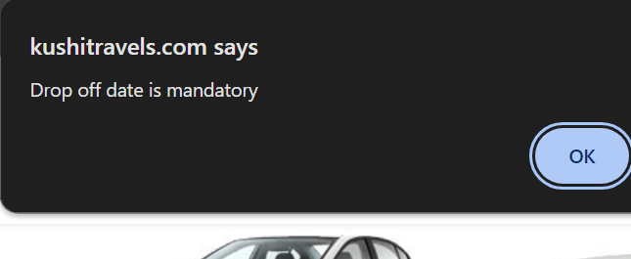
 |  |  | 2.Enter the url
 |  |  | 3.Enter the details of the home page -type of taxi, pickup city and location, pickup date and time, drop off time.
 |  |  | 4.Click on search. | User should be able to see their account name on the header. | The account name of the user is not visible |  | Prashanth | Chrome | 
GUI_B-002 | P1 | In the home page we not able to see the account name of the user logged in. | 1.Open the browser |  |  | Failed
 |  |  | 2.Enter the url
 |  |  | 3.Login to the application
GUI_B-003 | P1 | When the application is opened initially the login page or signup page should be visible but instead the details of travel page is displayed | 1.Open the browser | User should be able to see the login page or Signup page initially. | The home page of the application is seen | Failed | Prashanth | Chrome | 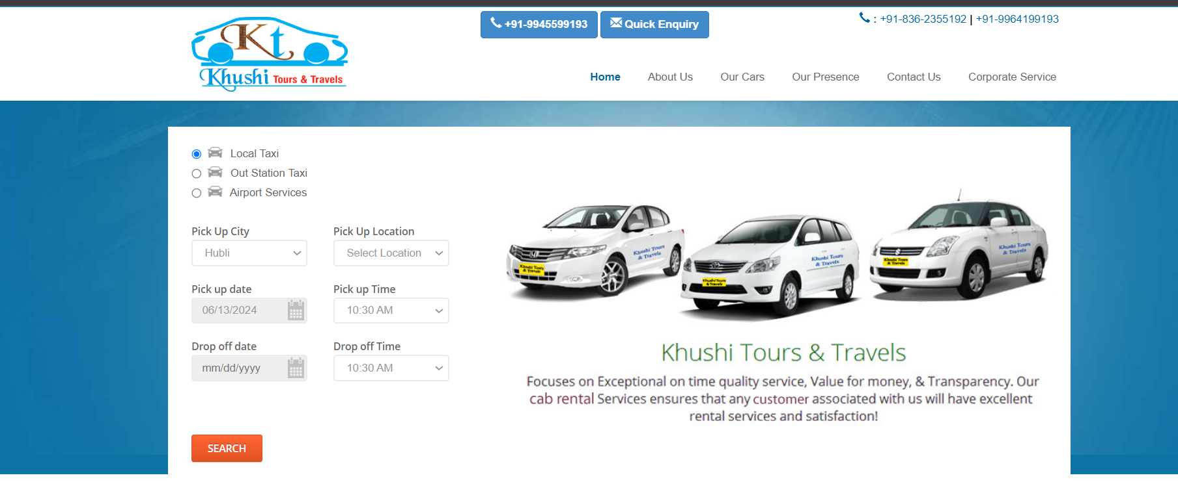
 |  |  | 2.Enter the url
GUI_B-004 | P0 | Destination field of the travel is not availble in the home page. | 1.Open the browser | User Should be able to see the destination location field in the home page | The destination field is not present | Failed | Prashanth | Chrome | 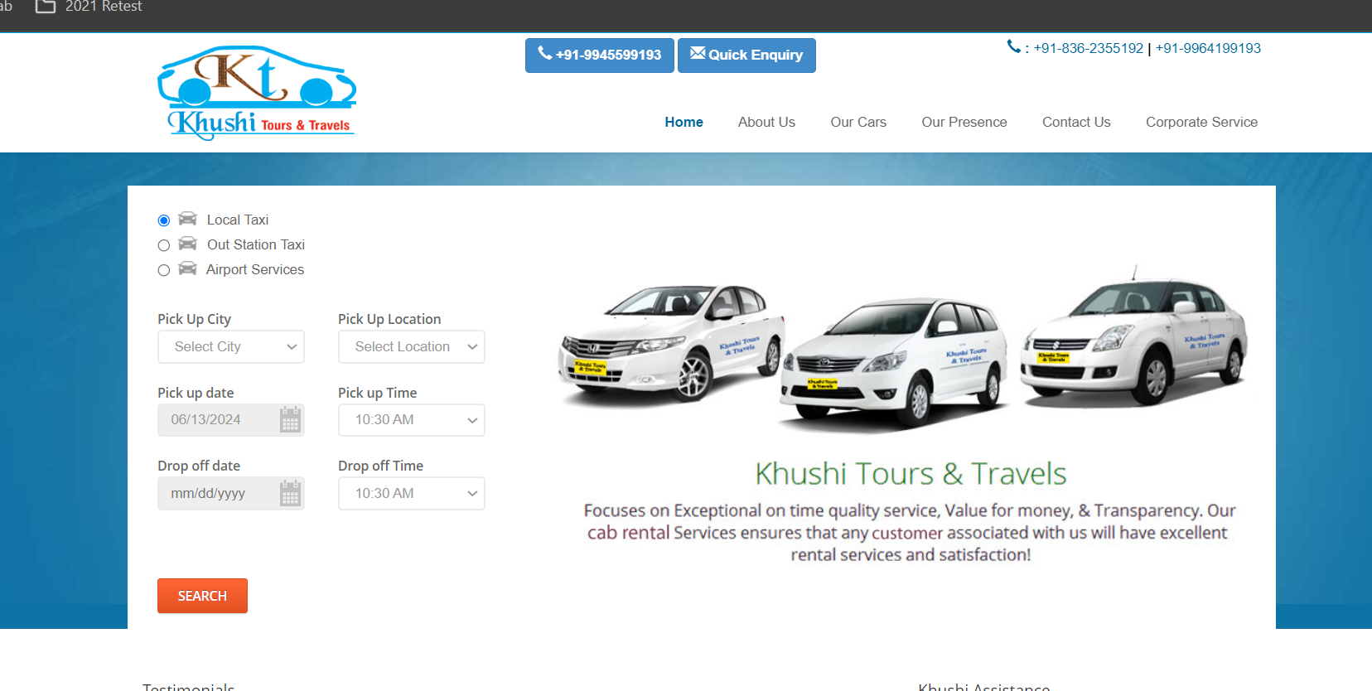
 |  |  | 2.Enter the url

