Sheet1
 | pin | function |  |  | pin | function
PA0 |  |  |  | PC0
PA1 |  |  |  | PC1
PA2 |  | USART_TX |  | PC2
PA3 |  | USART_RX |  | PC3
PA4 |  | SPI1_CS |  | PC4
PA5 |  | SPI1_SCK |  | PC5
PA6 |  | SPI1_MISO |  | PC6
PA7 |  | SPI1_MOSI |  | PC7
PA8 |  | USB_SOF | P_IN | PC8
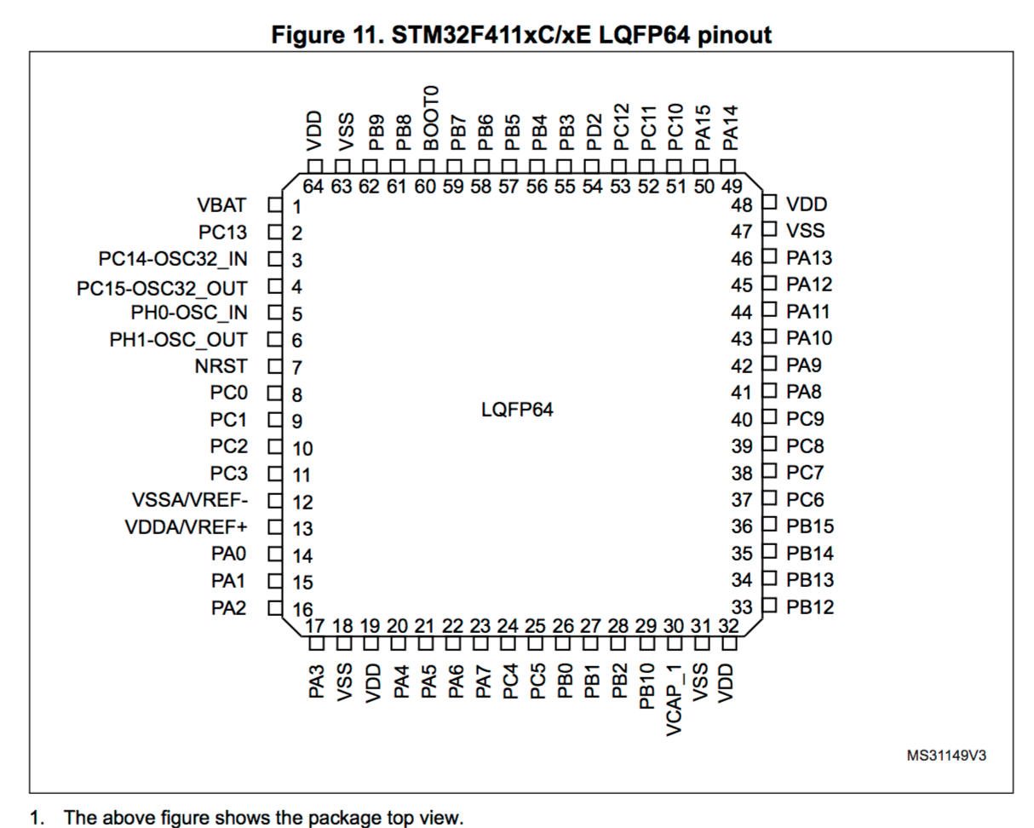
PA9 |  | USB_BUS | BMI_INT0 | PC9
PA10 |  | USB_ID | BMI_INT1 | PC10
PA11 |  | USB_DM |  | PC11
PA12 |  | USB_DP |  | PC12
PA13 |  | JTAG_TMS |  | PC13
PA14 |  | JTAG_TCK |  | PC14
PA15 |  | led |  | PC15

PB0 |  |  |  | PD2 | 54 | P_Lanch
PB1
PB2
PB3 |  | JTAG_SWO |  | NRST | 7 | JTAG_NRST
PB4
PB5
PB6
PB7
PB8
PB9
PB10
PB11
PB12
PB13 |  | SPI2_SCK
PB14 |  | SPI2_MISO
PB15 |  | SPI2_MOSI

 |  |  |  |  | 28

PA_PB_PC
