独立数据集分析
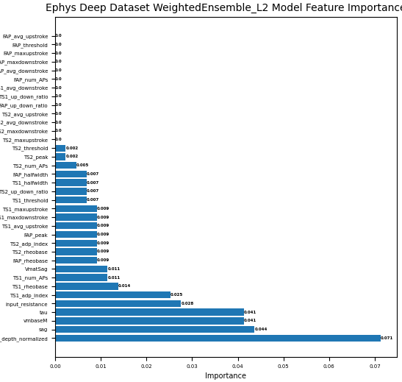
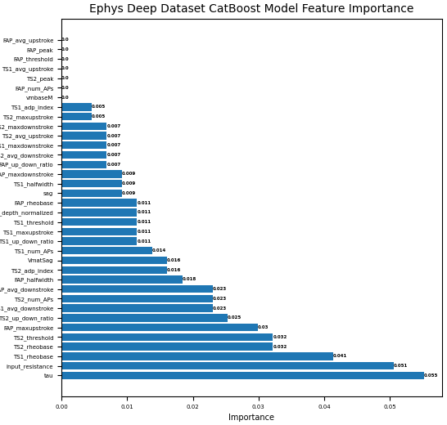
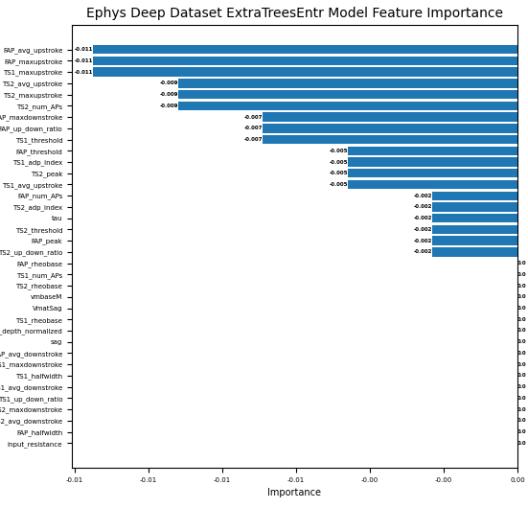
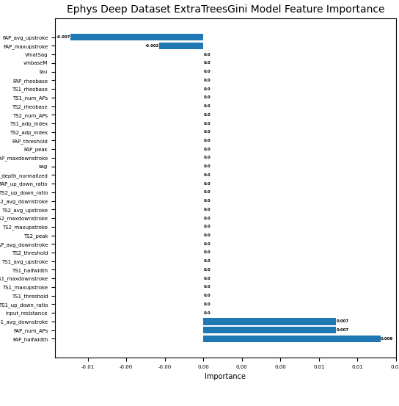
deep importance | 0.010 |  | 0.005 |  | 0.000 |  | all
model | score_test | score_val | score_test2 | score_val3 | score_test4 | score_val5 | score_test3 | score_val4
XGBoost | 0.706 | 0.833 | 0.706 | 0.944 | 0.706 | 0.944 | 0.647 | 0.944 | 1.XGBoost重要性为0和较小的特征较少,减少这些特征后训练和测试得分提高
RandomForestGini | 0.647 | 0.556 | 0.588 | 0.889 | 0.647 | 0.833 | 0.765 | 0.944 | 2.看图可知,RandomForest的两个模型特征重要性不为零的较少,减少特征后
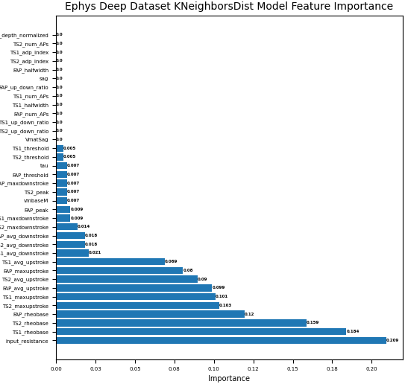
RandomForestGini | 0.647 | 0.556 | 0.588 | 0.889 | 0.588 | 0.889 | 0.765 | 0.944 | 训练和测试得分均有所下降
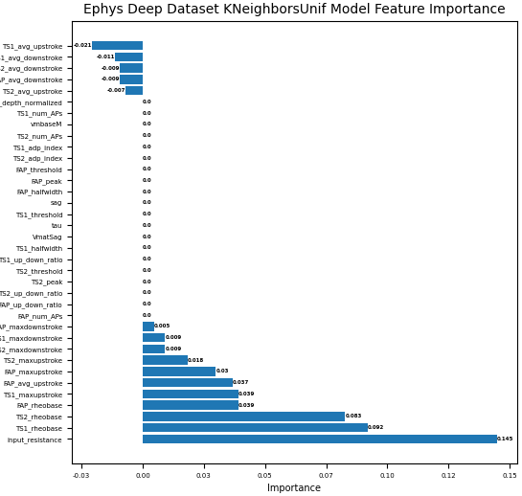
RandomForestEntr | 0.647 | 0.556 | 0.706 | 0.889 | 0.706 | 0.889 | 0.706 | 0.944
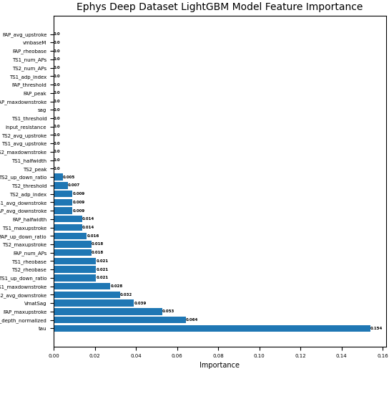
RandomForestEntr | 0.647 | 0.556 | 0.706 | 0.889 | 0.647 | 0.778 | 0.706 | 0.944
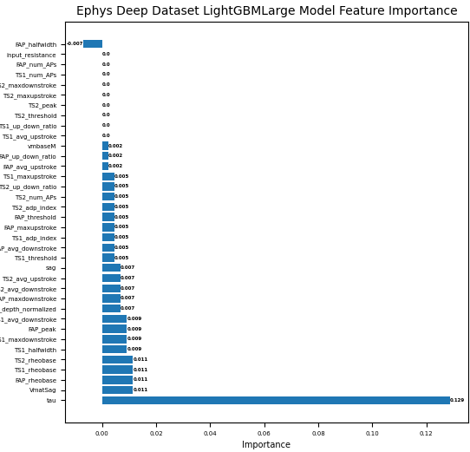
NeuralNetTorch | 0.824 | 1.000 | 0.824 | 1.000 | 0.824 | 1.000 | 0.765 | 0.944 | 3.NeuralNetTorch>0.01的特征较多,,减少这些特征后训练和测试得分提高
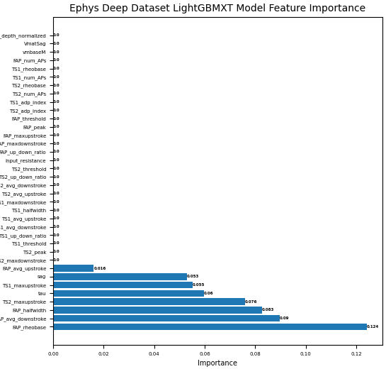
NeuralNetFastAI | 0.706 | 0.833 | 0.824 | 0.944 | 0.647 | 1.000 | 0.706 | 1.000 | 4.NeuralNetFastAI虽然不为0的特征较多,但>0.01并不多因此训练得分下降
LightGBMXT | 0.824 | 0.944 | 0.882 | 0.944 | 0.824 | 0.944 | 0.647 | 0.944 | 但随着特征减少，训练得分下降，但泛化能力却有所提高

LightGBMXT | 0.647 | 0.889 | 0.647 | 0.944 | 0.824 | 0.944 | 0.647 | 0.944 | 5.LightGBMXT和LightGBMLarge去除重要性较低的特征后,训练得分有所提高
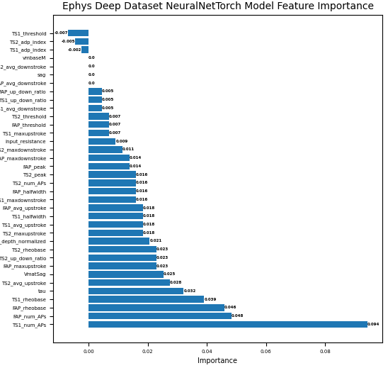
LightGBMXT | 0.588 | 0.889 | 0.647 | 0.889 | 0.647 | 0.889 | 0.647 | 0.944 | 或保持不变,泛化能力有一定提高
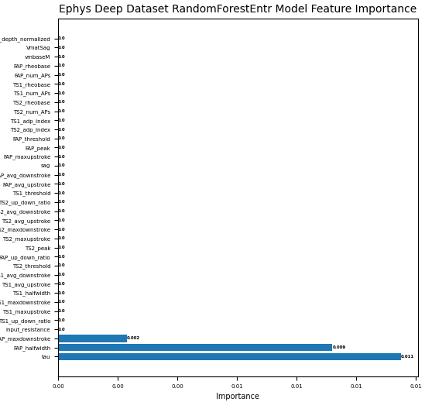
LightGBMLarge | 0.765 | 0.944 | 0.824 | 1.000 | 0.765 | 1.000 | 0.706 | 0.944
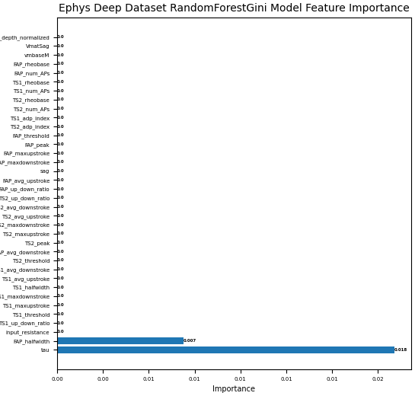
LightGBMLarge | 0.647 | 0.944 | 0.765 | 0.944 | 0.706 | 0.944 | 0.706 | 0.944
LightGBMLarge | 0.647 | 0.944 | 0.647 | 0.944 | 0.647 | 0.944 | 0.706 | 0.944
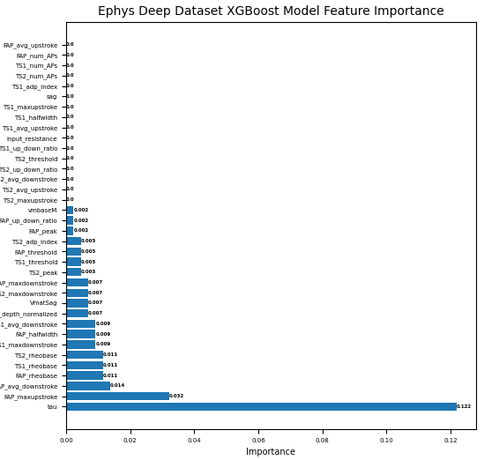
LightGBM | 0.824 | 0.944 | 0.765 | 0.944 | 0.824 | 0.944 | 0.882 | 0.944
LightGBM | 0.706 | 0.944 | 0.765 | 0.944 | 0.765 | 0.944 | 0.882 | 0.944 | 5.LightGBM去除重要性较低的特征后,训练得分保持不变,但测试得分
LightGBM | 0.647 | 1.000 | 0.706 | 0.944 | 0.706 | 0.944 | 0.882 | 0.944 | 有所下降
KNeighborsUnif | 0.824 | 0.833 | 0.824 | 0.833 | 0.824 | 0.833 | 0.824 | 0.833 | 6.Kneighbors两个模型去除重要性较低的特征后,训练和测试得分无变化
KNeighborsUnif | 0.824 | 0.833 | 0.824 | 0.833 | 0.824 | 0.833 | 0.824 | 0.833
KNeighborsDist | 0.882 | 0.944 | 0.882 | 0.944 | 0.882 | 0.944 | 0.882 | 0.944
KNeighborsDist | 0.824 | 0.944 | 0.882 | 0.944 | 0.882 | 0.944 | 0.882 | 0.944
ExtraTreesGini | 0.412 | 0.667 | 0.941 | 0.889 | 0.765 | 0.889 | 0.765 | 0.944 | 7.ExtraTree两个模型去除重要性较低的特征后,训练得分均有所下降
ExtraTreesGini | 0.412 | 0.667 | 0.647 | 0.833 | 0.706 | 0.944 | 0.765 | 0.944 | 但其泛化能力在去除<0.005的特征时，获得了最高分值
ExtraTreesEntr | 0.412 | 0.722 | 0.882 | 0.889 | 0.765 | 0.889 | 0.824 | 0.944
ExtraTreesEntr | 0.412 | 0.667 | 0.647 | 0.889 | 0.706 | 0.889 | 0.824 | 0.944
CatBoost | 0.765 | 1.000 | 0.824 | 1.000 | 0.706 | 1.000 | 0.765 | 0.944 | 8.CatBoost训练得分提高，而去除<0.005是测试得分获得最大值
WeightedEnsemble | 0.765 | 0.944 | 0.706 | 1.000 | 0.765 | 1.000 | 0.706 | 1.000 | 9.WeightedEnsemble随着特征的减少.训练得分保持在最大值,高
 |  |  |  |  |  |  |  |  | 当减少到0.01时开始下降,但测试集表现有所提

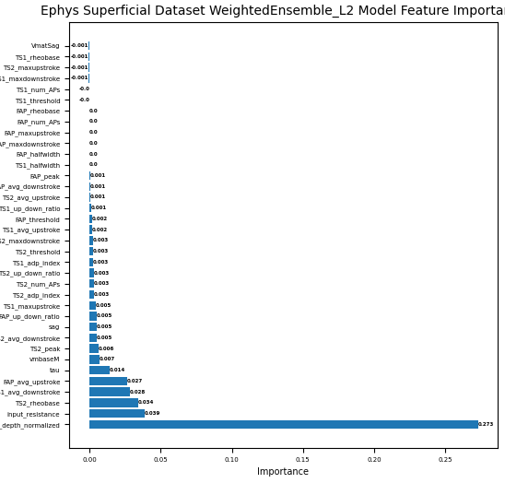
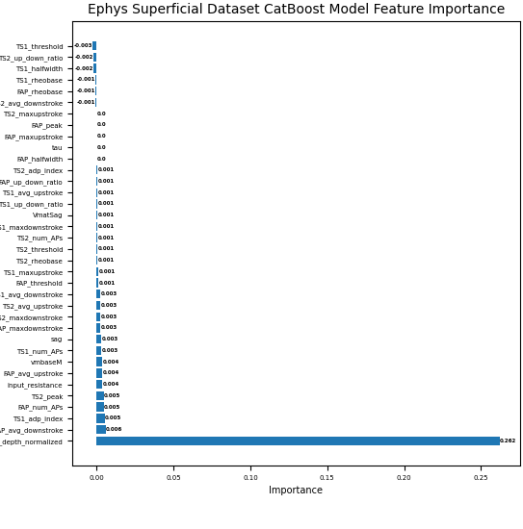
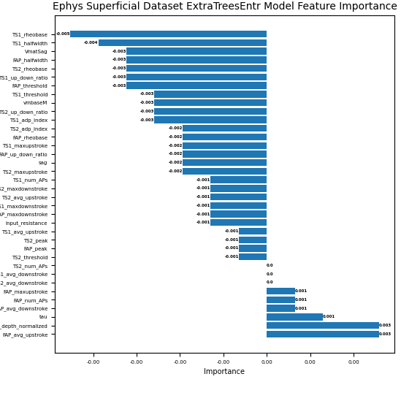
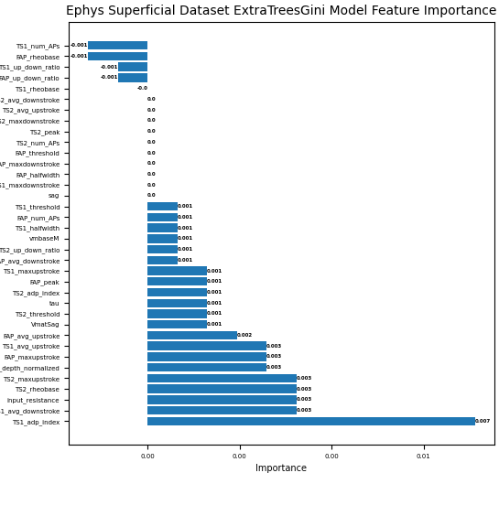
superficial importance | 0.010 |  | 0.005 |  | 0.000 |  | all
model | score_test | score_val | score_test2 | score_val3 | score_test4 | score_val5 | score_test3 | score_val4
XGBoost | 0.630 | 0.839 | 0.543 | 0.855 | 0.652 | 0.806 | 0.696 | 0.839 | 1.XGBoost在去除<0.05训练得分最高,但测试得分下降较多
RandomForestGini | 0.326 | 0.790 | 0.652 | 0.790 | 0.761 | 0.823 | 0.761 | 0.823 | 2.RandomFores的两个模型本身表现较好，在去除重要性为零的特征后
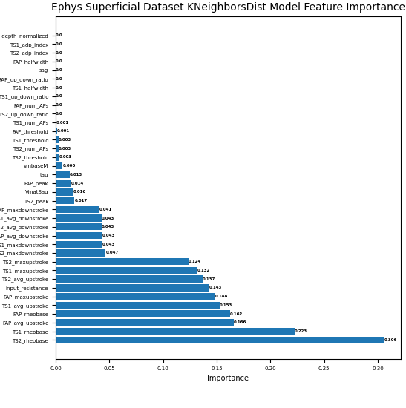
RandomForestGini | 0.326 | 0.790 | 0.326 | 0.790 | 0.717 | 0.823 | 0.761 | 0.823 | 训练性能保持不变,但测试性能达到了所有模型的最高值，再去除重要性
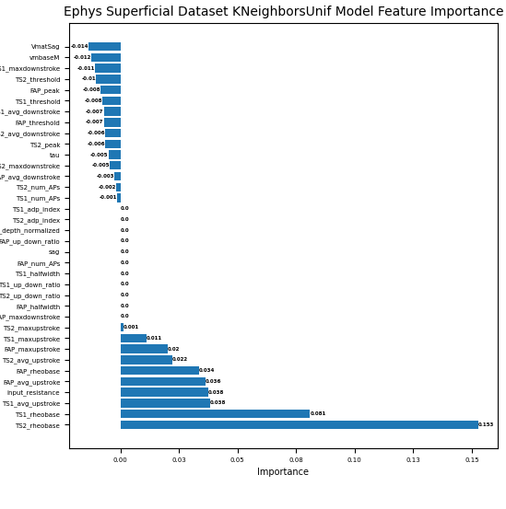
RandomForestEntr | 0.326 | 0.790 | 0.630 | 0.790 | 0.783 | 0.823 | 0.739 | 0.839 | 较小的特征时,训练和测试性能均有所下降
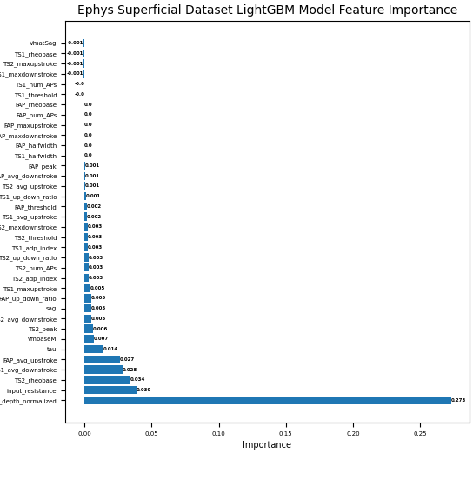
RandomForestEntr | 0.326 | 0.790 | 0.326 | 0.790 | 0.674 | 0.823 | 0.739 | 0.839
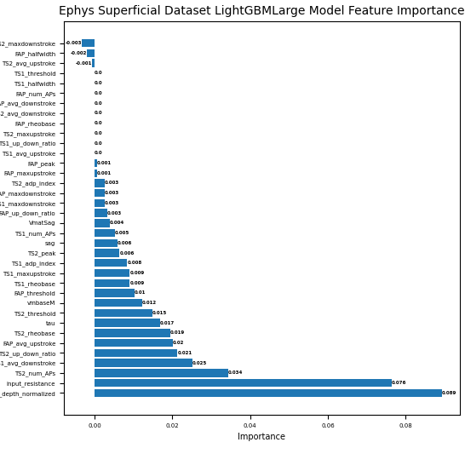
NeuralNetTorch | 0.652 | 0.839 | 0.652 | 0.855 | 0.630 | 0.855 | 0.674 | 0.839 | 3.NeuralNetTorch和NeuralNetFastA去除重要性较低的特征后,训练得分
NeuralNetFastAI | 0.674 | 0.839 | 0.652 | 0.855 | 0.609 | 0.871 | 0.652 | 0.855 | 有所提高，泛化能力未有明显改善
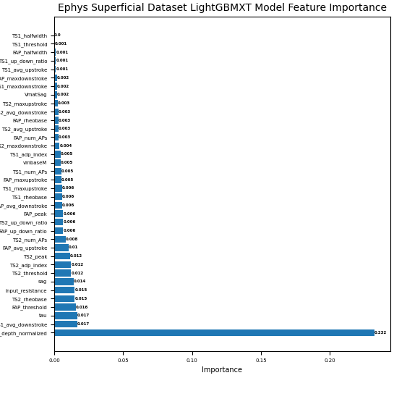
LightGBMXT | 0.696 | 0.871 | 0.717 | 0.887 | 0.696 | 0.855 | 0.696 | 0.855 | 4.LightGBMXT和LightGBMLarge去除重要性较低的特征后,训练得分有所提高，
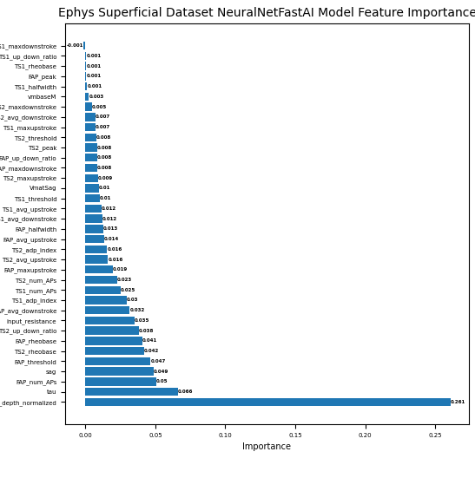
LightGBMXT | 0.696 | 0.855 | 0.674 | 0.839 | 0.696 | 0.855 | 0.696 | 0.855 | 泛化能力有一定提高
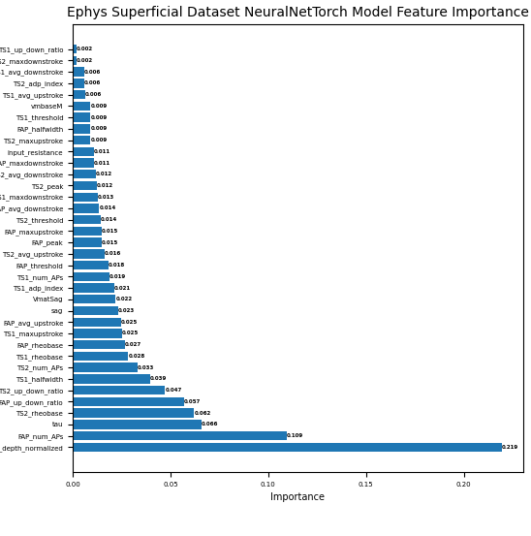
LightGBMXT | 0.674 | 0.871 | 0.630 | 0.855 | 0.674 | 0.871 | 0.696 | 0.855
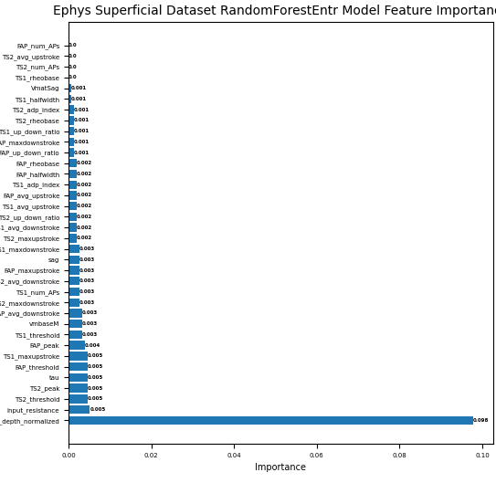
LightGBMLarge | 0.696 | 0.839 | 0.696 | 0.871 | 0.609 | 0.839 | 0.565 | 0.839
LightGBMLarge | 0.652 | 0.871 | 0.630 | 0.903 | 0.587 | 0.823 | 0.565 | 0.839
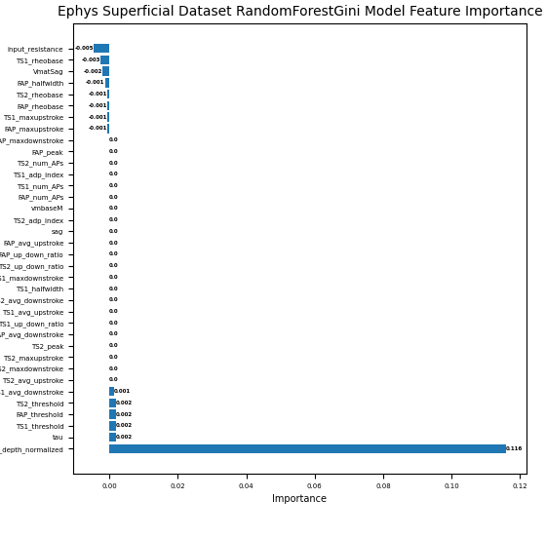
LightGBMLarge | 0.652 | 0.855 | 0.609 | 0.919 | 0.565 | 0.871 | 0.565 | 0.839
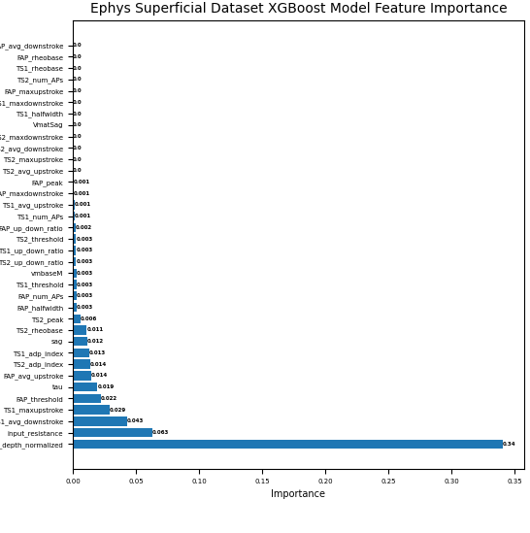
LightGBM | 0.696 | 0.903 | 0.696 | 0.855 | 0.674 | 0.887 | 0.674 | 0.871 | 5.LightGBM去除重要性较低的特征后,训练得分未见提高
LightGBM | 0.674 | 0.839 | 0.630 | 0.903 | 0.652 | 0.903 | 0.674 | 0.871
LightGBM | 0.630 | 0.855 | 0.587 | 0.887 | 0.652 | 0.871 | 0.674 | 0.871
KNeighborsUnif | 0.391 | 0.613 | 0.348 | 0.613 | 0.348 | 0.613 | 0.348 | 0.613 | 6.Kneighbors两个模型<0.01和<0.005的特征较多，但模型本身表现
KNeighborsUnif | 0.348 | 0.613 | 0.348 | 0.581 | 0.348 | 0.613 | 0.348 | 0.613 | 交叉，因此减少之后训练集未发生变化,而测试集提高也有限
KNeighborsDist | 0.435 | 0.726 | 0.348 | 0.726 | 0.348 | 0.726 | 0.348 | 0.726
KNeighborsDist | 0.348 | 0.726 | 0.348 | 0.710 | 0.348 | 0.726 | 0.348 | 0.726
ExtraTreesGini |  |  | 0.652 | 0.532 | 0.696 | 0.887 | 0.739 | 0.855 | 7.ExtraTrees的两个模型特征重要性没有>0.01的,因此无值,而>0.05的
ExtraTreesGini |  |  | 0.652 | 0.532 | 0.696 | 0.855 | 0.739 | 0.855 | 也很少，因此性能下降较多，非0的较多，因此训练集得分提高，
ExtraTreesEntr |  |  | 0.652 | 0.532 | 0.717 | 0.855 | 0.696 | 0.839 | 但泛化能力却有所下降
ExtraTreesEntr |  |  | 0.652 | 0.532 | 0.696 | 0.823 | 0.696 | 0.839
CatBoost | 0.391 | 0.726 | 0.674 | 0.903 | 0.630 | 0.806 | 0.609 | 0.823 | 8.CatBoost训练得分在删除<0.005是测试得分获得最大值
WeightedEnsemble0 | 0.717 | 0.871 | 0.674 | 0.903 | 0.630 | 0.903 | 0.674 | 0.871 | 9.WeightedEnsemble随着特征的减少.训练得分逐渐提高,当
 |  |  |  |  |  |  |  |  | 删除<0.005是测试得分获得最大值,当删除到0.01时开始下降到全特征
 |  |  |  |  |  |  |  |  | ,但测试集表现逐渐提高

图1
superficial medium ephys & add L23_depth_normalized
superficial medium
model | original |  | L23_depth_normalized
 | score_val | score_test | score_val | score_test
RandomForestEntr | 0.855 | 0.717 | 0.839 | 0.739
RandomForestGini | 0.839 | 0.717 | 0.823 | 0.761
CatBoost | 0.855 | 0.674 | 0.839 | 0.696
NeuralNetTorch | 0.823 | 0.652 | 0.839 | 0.674
LightGBM | 0.839 | 0.652 | 0.871 | 0.674
LightGBMXT | 0.855 | 0.696 | 0.855 | 0.696
LightGBMLarge | 0.839 | 0.587 | 0.839 | 0.565
ExtraTreesEntr | 0.855 | 0.696 | 0.839 | 0.696
ExtraTreesGini | 0.887 | 0.696 | 0.855 | 0.739
XGBoost | 0.855 | 0.587 | 0.823 | 0.609
NeuralNetFastAI | 0.823 | 0.652 | 0.855 | 0.652
WeightedEnsemble | 0.887 | 0.696 | 0.871 | 0.674
KNeighborsDist | 0.726 | 0.348 | 0.726 | 0.348
KNeighborsUnif | 0.613 | 0.348 | 0.613 | 0.348

deep medium ephys & add L23_depth_normalized
superficial medium
model | original |  | L23_depth_normalized
 | score_val | score_test | score_val | score_test
RandomForestEntr | 0.944 | 0.706 | 0.944 | 0.706
RandomForestGini | 0.944 | 0.765 | 0.944 | 0.765
CatBoost | 0.944 | 0.706 | 0.944 | 0.765
NeuralNetTorch | 0.944 | 0.765 | 0.944 | 0.765
LightGBM | 0.944 | 0.765 | 0.944 | 0.882
LightGBMXT | 0.944 | 0.824 | 0.944 | 0.647
LightGBMLarge | 0.944 | 0.706 | 0.944 | 0.706
ExtraTreesEntr | 0.944 | 0.765 | 0.944 | 0.824
ExtraTreesGini | 0.944 | 0.765 | 0.944 | 0.765
XGBoost | 0.944 | 0.647 | 0.944 | 0.647
NeuralNetFastAI | 0.944 | 0.706 | 1.000 | 0.706
WeightedEnsemble | 0.944 | 0.706 | 1.000 | 0.706
KNeighborsDist | 0.944 | 0.882 | 0.944 | 0.882
KNeighborsUnif | 0.833 | 0.824 | 0.833 | 0.824

图2
superficial medium ephys importance original & !=0 & abs >=0.01
superficial medium
model | original |  | importance!=0 |  | |importance|>=0.01
 | score_test | score_val | score_test | score_val | score_test | score_val
RandomForestEntr | 0.739 | 0.839 | 0.696 | 0.823 | 0.717 | 0.855
RandomForestGini | 0.761 | 0.823 | 0.739 | 0.839 | 0.696 | 0.839
CatBoost | 0.696 | 0.839 | 0.739 | 0.855 | 0.630 | 0.839
NeuralNetTorch | 0.674 | 0.839 | 0.630 | 0.823 | 0.652 | 0.871
LightGBM | 0.674 | 0.871 | 0.696 | 0.855 | 0.565 | 0.887
LightGBMXT | 0.696 | 0.855 | 0.717 | 0.839 | 0.696 | 0.855
LightGBMLarge | 0.565 | 0.839 | 0.587 | 0.871 | 0.674 | 0.903
ExtraTreesEntr | 0.696 | 0.839 | 0.696 | 0.839 | 0.652 | 0.871
ExtraTreesGini | 0.739 | 0.855 | 0.739 | 0.839 | 0.696 | 0.839
XGBoost | 0.609 | 0.823 | 0.565 | 0.871 | 0.543 | 0.887
NeuralNetFastAI | 0.652 | 0.855 | 0.587 | 0.839 | 0.630 | 0.855
WeightedEnsemble | 0.674 | 0.871 | 0.565 | 0.871 | 0.696 | 0.919
KNeighborsDist | 0.348 | 0.726 | 0.478 | 0.726 | 0.457 | 0.774
KNeighborsUnif | 0.348 | 0.613 | 0.457 | 0.661 | 0.435 | 0.694

deep medium ephys importance original & !=0 & abs >=0.01
deep medium
model | original |  | importance!=0 |  | |importance|>=0.01
 | score_test | score_val | score_test | score_val | score_test | score_val
RandomForestEntr | 0.706 | 0.944 | 0.696 | 0.839 | 0.765 | 0.944
RandomForestGini | 0.765 | 0.944 | 0.761 | 0.839 | 0.765 | 0.944
CatBoost | 0.765 | 0.944 | 0.652 | 0.855 | 0.647 | 0.944
NeuralNetTorch | 0.765 | 0.944 | 0.652 | 0.823 | 0.706 | 0.944
LightGBM | 0.882 | 0.944 | 0.630 | 0.855 | 0.765 | 0.944
LightGBMXT | 0.647 | 0.944 | 0.652 | 0.855 | 0.824 | 0.944
LightGBMLarge | 0.706 | 0.944 | 0.587 | 0.855 | 0.647 | 0.944
ExtraTreesEntr | 0.824 | 0.944 | 0.696 | 0.839 | 0.882 | 0.833
ExtraTreesGini | 0.765 | 0.944 | 0.696 | 0.871 | 0.882 | 0.833
XGBoost | 0.647 | 0.944 | 0.543 | 0.855 | 0.706 | 0.944
NeuralNetFastAI | 0.706 | 1.000 | 0.630 | 0.790 | 0.765 | 1.000
WeightedEnsemble | 0.706 | 1.000 | 0.696 | 0.871 | 0.765 | 1.000
KNeighborsDist | 0.882 | 0.944 | 0.370 | 0.710 | 0.765 | 0.944
KNeighborsUnif | 0.824 | 0.833 | 0.391 | 0.581 | 0.824 | 0.778

图3
Ephys superficial dataset model & feature importance
我们可以从各模型的重要性图和减少特征的模型对比图中看到，针对不同的模型，特征重要性不同，而特征的数量对模型的性能有一定的影响，当特征较多时，适当删除特征重要性小的模型可以提高模型的准确度和泛化能力，当减少到一定数量后，模型的准确度和泛化能力开始下降，但当模型数量较少时，删除特征重要性小的特征，将直接影响模型的性能。
superficial
model | dataset | medium-importance all | medium-importance!=0 | |medium-importance|>0.005 | |medium-importance|>0.01
XGBoost | train | 0.839 | 0.806 | 0.855 | 0.839
 | test | 0.696 | 0.652 | 0.543 | 0.630
RandomForestGini | train | 0.823 | 0.823 | 0.790 | 0.790
 | test | 0.761 | 0.761 | 0.652 | 0.326
RandomForestEntr | train | 0.839 | 0.823 | 0.790 | 0.790
 | test | 0.739 | 0.783 | 0.630 | 0.326
NeuralNetTorch | train | 0.839 | 0.839 | 0.855 | 0.855
 | test | 0.674 | 0.652 | 0.630 | 0.652
NeuralNetFastAI | train | 0.855 | 0.839 | 0.871 | 0.855
 | test | 0.652 | 0.674 | 0.609 | 0.652
LightGBMXT | train | 0.855 | 0.855 | 0.887 | 0.871
 | test | 0.696 | 0.696 | 0.717 | 0.696
LightGBMLarge | train | 0.839 | 0.871 | 0.919 | 0.855
 | test | 0.565 | 0.565 | 0.609 | 0.652
LightGBM | train | 0.871 | 0.903 | 0.903 | 0.839
 | test | 0.674 | 0.652 | 0.630 | 0.674
KNeighborsUnif | train | 0.613 | 0.613 | 0.613 | 0.613
 | test | 0.348 | 0.348 | 0.348 | 0.391
KNeighborsDist | train | 0.726 | 0.726 | 0.726 | 0.726
 | test | 0.348 | 0.348 | 0.348 | 0.435
ExtraTreesGini | train | 0.855 | 0.887 | 0.532
 | test | 0.739 | 0.696 | 0.652
ExtraTreesEntr | train | 0.839 | 0.855 | 0.532
 | test | 0.696 | 0.717 | 0.652
CatBoost | train | 0.823 | 0.806 | 0.903 | 0.726
 | test | 0.609 | 0.630 | 0.674 | 0.391
WeightedEnsemble_L2 | train | 0.871 | 0.903 | 0.903 | 0.871
 | test | 0.674 | 0.630 | 0.674 | 0.717
Ephys superficial train dataset model & feature importance
 | XGBoost | RandomForestGini | RandomForestEntr | NeuralNetTorch | NeuralNetFastAI | LightGBMXT | LightGBMLarge | LightGBM | KNeighborsUnif | KNeighborsDist | ExtraTreesGini | ExtraTreesEntr
medium-importance all | 0.839 | 0.823 | 0.839 | 0.839 | 0.855 | 0.855 | 0.839 | 0.871 | 0.613 | 0.726 | 0.855 | 0.839
medium-importance!=0 | 0.806 | 0.823 | 0.823 | 0.839 | 0.839 | 0.855 | 0.871 | 0.903 | 0.613 | 0.726 | 0.887 | 0.855
|medium-importance|>0.005 | 0.855 | 0.790 | 0.790 | 0.855 | 0.871 | 0.887 | 0.919 | 0.903 | 0.613 | 0.726 | 0.532 | 0.532
|medium-importance|>0.01 | 0.839 | 0.790 | 0.790 | 0.855 | 0.855 | 0.871 | 0.855 | 0.839 | 0.613 | 0.726
Ephys superficial test dataset model & feature importance
 | XGBoost | RandomForestGini | RandomForestEntr | NeuralNetTorch | NeuralNetFastAI | LightGBMXT | LightGBMLarge | LightGBM | KNeighborsUnif | KNeighborsDist | ExtraTreesGini | ExtraTreesEntr
medium-importance all | 0.696 | 0.761 | 0.739 | 0.674 | 0.652 | 0.696 | 0.565 | 0.674 | 0.348 | 0.348 | 0.739 | 0.696
medium-importance!=0 | 0.652 | 0.761 | 0.783 | 0.652 | 0.674 | 0.696 | 0.565 | 0.652 | 0.348 | 0.348 | 0.696 | 0.717
|medium-importance|>0.005 | 0.543 | 0.652 | 0.630 | 0.630 | 0.609 | 0.717 | 0.609 | 0.630 | 0.348 | 0.348 | 0.652 | 0.652
|medium-importance|>0.01 | 0.630 | 0.326 | 0.326 | 0.652 | 0.652 | 0.696 | 0.652 | 0.674 | 0.391 | 0.435

Ephys deep dataset model & feature importance
deep
model | dataset | medium-importance all | medium-importance!=0 | |medium-importance|>0.005 | |medium-importance|>0.01
XGBoost | train | 0.944 | 0.944 | 0.944 | 0.833
 | test | 0.647 | 0.706 | 0.706 | 0.706
RandomForestGini | train | 0.944 | 0.833 | 0.889 | 0.556
 | test | 0.765 | 0.647 | 0.588 | 0.647
RandomForestEntr | train | 0.944 | 0.889 | 0.889 | 0.556
 | test | 0.706 | 0.706 | 0.706 | 0.647
NeuralNetTorch | train | 0.944 | 1.000 | 1.000 | 1.000
 | test | 0.765 | 0.824 | 0.824 | 0.824
NeuralNetFastAI | train | 1.000 | 1.000 | 0.944 | 0.833
 | test | 0.706 | 0.647 | 0.824 | 0.706
LightGBMXT | train | 0.944 | 0.944 | 0.944 | 0.944
 | test | 0.647 | 0.824 | 0.882 | 0.824
LightGBMLarge | train | 0.944 | 1.000 | 1.000 | 0.944
 | test | 0.706 | 0.765 | 0.824 | 0.765
LightGBM | train | 0.944 | 0.944 | 0.944 | 0.944
 | test | 0.882 | 0.765 | 0.765 | 0.706
KNeighborsUnif | train | 0.833 | 0.833 | 0.833 | 0.833
 | test | 0.824 | 0.824 | 0.824 | 0.824
KNeighborsDist | train | 0.944 | 0.944 | 0.944 | 0.944
 | test | 0.882 | 0.882 | 0.882 | 0.882
ExtraTreesGini | train | 0.944 | 0.889 | 0.889 | 0.667
 | test | 0.765 | 0.765 | 0.941 | 0.412
ExtraTreesEntr | train | 0.944 | 0.889 | 0.889 | 0.722
 | test | 0.824 | 0.765 | 0.882 | 0.412
CatBoost | train | 0.944 | 1.000 | 1.000 | 1.000
 | test | 0.765 | 0.706 | 0.824 | 0.765
WeightedEnsemble_L2 | train | 1.000 | 1.000 | 1.000 | 0.944
 | test | 0.706 | 0.765 | 0.706 | 0.765
Ephys deep train dataset model & feature importance
Ephys deep test dataset model & feature importance

