Basic
 |  | s/sigma |  | Base | 2
alp |  | -10 | -9 | -8 | -7 | -6 | -5 | -4 | -3 | -2 | -1 | 0 | 1 | 2 | 3 | 4 | 5 | 6 | 7 | 8 | 9 | 10
2 |  | 0.0009765625 | 0.001953125 | 0.00390625 | 0.0078125 | 0.015625 | 0.03125 | 0.0625 | 0.125 | 0.25 | 0.5 | 1 | 2 | 4 | 8 | 16 | 32 | 64 | 128 | 256 | 512 | 1024
-10 | 1.0009765625 | -10.054054376 | -9.0441973015 | -8.0353346709 | -7.0274645269 | -6.020584919 | -5.0146939018 | -4.0097895361 | -3.0058698883 | -2.0029330303 | -1.0009770397 | 0 | 1 | 1.9990248658 | 2.9970764972 | 3.9941567887 | 4.9902676291 | 5.9854109018 | 6.9795884846 | 7.9728022499 | 8.9650540646 | 9.9563457904
-9 | 1.001953125 | -10.108805783 | -9.088905273 | -8.0710303855 | -7.0551730907 | -6.0413254062 | -5.0294793966 | -4.0196271735 | -3.0117608951 | -2.0058727657 | -1.0019550355 | 0 | 1 | 1.9980525791 | 2.9941653075 | 3.9883457112 | 4.9806012726 | 5.9709394308 | 6.9593675818 | 7.9458930787 | 8.9305232325 | 9.9132653119
-8 | 1.00390625 | -10.220462597 | -9.1798945365 | -8.143530803 | -7.1113375585 | -6.0832813722 | -5.0593292135 | -4.0394484459 | -3.0236068206 | -2.0117724706 | -1.0039139043 | 0 | 1 | 1.9961164951 | 2.9883795318 | 3.9768188094 | 4.961463685 | 5.942343179 | 6.9194859803 | 7.8929204507 | 8.8626746309 | 9.8287762442
-7 | 1.0078125 | -10.452861916 | -9.368472768 | -8.2931581122 | -7.2267673324 | -6.1691535309 | -5.1201734078 | -4.079687144 | -3.0475582899 | -2.0236536574 | -1.0078432174 | 0 | 1 | 1.9922779152 | 2.9769520936 | 3.9541381829 | 4.9239492126 | 5.886495672 | 6.841885586 | 7.7902245877 | 8.7316159885 | 9.6661608458
-6 | 1.015625 | -10.958268362 | -9.7747726252 | -8.6126023003 | -7.4710024455 | -6.3492575109 | -5.2466886454 | -4.1626512289 | -3.0965326091 | -2.0477500216 | -1.0157486774 | 0 | 1 | 1.9847322267 | 2.9546558876 | 3.9102097795 | 4.8518134804 | 5.7798684556 | 6.6947590859 | 7.5968536229 | 8.4865050794 | 9.3640520583
-5 | 1.03125 | -12.176576294 | -10.732007996 | -9.3489296618 | -8.0223195183 | -6.7477469131 | -5.5212830298 | -4.3394278505 | -3.1990499401 | -2.0973364431 | -1.0317512832 | 0 | 1 | 1.9701447515 | 2.9121653681 | 3.827646632 | 4.7180430349 | 5.5846926806 | 6.4288293807 | 7.2515932186 | 8.0540398094 | 8.8371484433
-4 | 1.0625 | -16.178727778 | -13.63602029 | -11.433426878 | -9.4906017995 | -7.7526855453 | -6.180549061 | -4.7453008997 | -3.4250005783 | -2.2025934121 | -1.0645595668 | 0 | 1 | 1.9428250788 | 2.8346610961 | 3.6807413329 | 4.4855325664 | 5.2528778172 | 5.9861073408 | 6.6881259785 | 7.3614826659 | 8.0084263
-3 | 1.125 | #NUM! | #NUM! | #NUM! | -17.654847577 | -11.769898385 | -8.3274237885 | -5.8849491924 | -3.9904187104 | -2.4424745962 | -1.1337064958 | 0 | 1 | 1.894530482 | 2.703731733 | 3.4424745962 | 4.1220521536 | 4.7512426965 | 5.3370050782 | 5.8849491924 | 6.3996635693 | 6.8849491924
-2 | 1.25 | #NUM! | #NUM! | #NUM! | #NUM! | #NUM! | #NUM! | #NUM! | -6.212567439 | -3.1062837195 | -1.289224227 | 0 | 1 | 1.8170594925 | 2.5078734503 | 3.1062837195 | 3.634118985 | 4.1062837195 | 4.5334086767 | 4.923343212 | 5.2820482125 | 5.6141571698
-1 | 1.5 | #NUM! | #NUM! | #NUM! | #NUM! | #NUM! | #NUM! | #NUM! | #NUM! | #NUM! | -1.7095112914 | 0 | 1 | 1.7095112914 | 2.2598510046 | 2.7095112914 | 3.0896936467 | 3.4190225827 | 3.7095112914 | 3.9693622959 | 4.2044261224 | 4.4190225827
0 | 2 | #NUM! | #NUM! | #NUM! | #NUM! | #NUM! | #NUM! | #NUM! | #NUM! | #NUM! | #NUM! | 0 | 1 | 1.5849625007 | 2 | 2.3219280949 | 2.5849625007 | 2.8073549221 | 3 | 3.1699250014 | 3.3219280949 | 3.4594316186
1 | 3 | #NUM! | #NUM! | #NUM! | #NUM! | #NUM! | #NUM! | #NUM! | #NUM! | #NUM! | #NUM! | 0 | 1 | 1.4649735207 | 1.7712437492 | 2 | 2.1826583386 | 2.3347175195 | 2.4649735207 | 2.5789019232 | 2.6801438592 | 2.7712437492
2 | 5 | #NUM! | #NUM! | #NUM! | #NUM! | #NUM! | #NUM! | #NUM! | #NUM! | #NUM! | #NUM! | 0 | 1 | 1.365212389 | 1.5936926412 | 1.7603744277 | 1.8916681496 | 2 | 2.0922185342 | 2.1725022969 | 2.243589445 | 2.307372057
3 | 9 | #NUM! | #NUM! | #NUM! | #NUM! | #NUM! | #NUM! | #NUM! | #NUM! | #NUM! | #NUM! | 0 | 1 | 1.2894509616 | 1.4649735207 | 1.5913291693 | 1.690119483 | 1.7712437492 | 1.8400719296 | 1.8998455201 | 1.9526722418 | 2
4 | 17 | #NUM! | #NUM! | #NUM! | #NUM! | #NUM! | #NUM! | #NUM! | #NUM! | #NUM! | #NUM! | 0 | 1 | 1.234113756 | 1.3736418072 | 1.4733755503 | 1.5510477402 | 1.6146722548 | 1.6685604805 | 1.715300549 | 1.7565686512 | 1.7935127885
5 | 33 | #NUM! | #NUM! | #NUM! | #NUM! | #NUM! | #NUM! | #NUM! | #NUM! | #NUM! | #NUM! | 0 | 1 | 1.1938733712 | 1.3083658188 | 1.3899047318 | 1.4532799588 | 1.5051276442 | 1.5490029142 | 1.5870339152 | 1.6205961487 | 1.6506302422
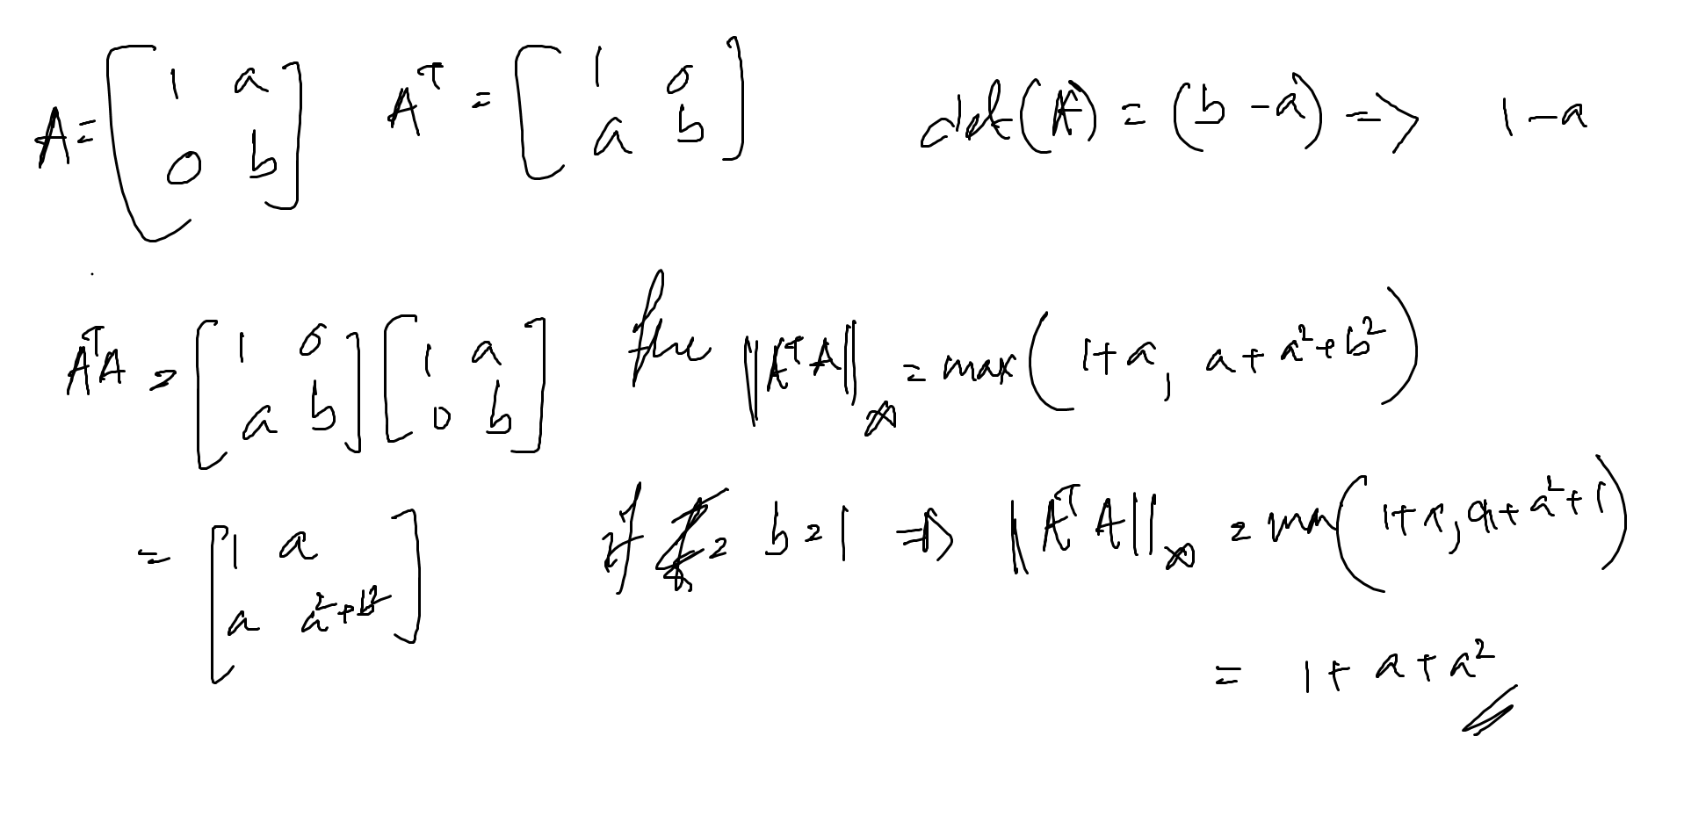
6 | 65 | #NUM! | #NUM! | #NUM! | #NUM! | #NUM! | #NUM! | #NUM! | #NUM! | #NUM! | #NUM! | 0 | 1 | 1.1641977828 | 1.26070962 | 1.3293151129 | 1.3825840177 | 1.4261358493 | 1.4629746818 | 1.4948962427 | 1.5230599979 | 1.5482582327
7 | 129 | #NUM! | #NUM! | #NUM! | #NUM! | #NUM! | #NUM! | #NUM! | #NUM! | #NUM! | #NUM! | 0 | 1 | 1.1418292772 | 1.2249944728 | 1.2840569401 | 1.3298927858 | 1.3673554484 | 1.3990366904 | 1.4264846695 | 1.4506984907 | 1.4723605988
8 | 257 | #NUM! | #NUM! | #NUM! | #NUM! | #NUM! | #NUM! | #NUM! | #NUM! | #NUM! | #NUM! | 0 | 1 | 1.1245612332 | 1.1975130396 | 1.2492976823 | 1.2894752554 | 1.3223080079 | 1.3500707792 | 1.3741219316 | 1.3953378611 | 1.4143170802
9 | 513 | #NUM! | #NUM! | #NUM! | #NUM! | #NUM! | #NUM! | #NUM! | #NUM! | #NUM! | #NUM! | 0 | 1 | 1.1109201041 | 1.1758434924 | 1.2219182833 | 1.2576612446 | 1.2868677221 | 1.3115628149 | 1.332955543 | 1.3518258491 | 1.3687063238
10 | 1025 | #NUM! | #NUM! | #NUM! | #NUM! | #NUM! | #NUM! | #NUM! | #NUM! | #NUM! | #NUM! | 0 | 1 | 1.0999155374 | 1.1583800827 | 1.1998662533 | 1.2320474881 | 1.2583425304 | 1.2805752878 | 1.299834568 | 1.3168227193 | 1.3320193234

