Sheet1
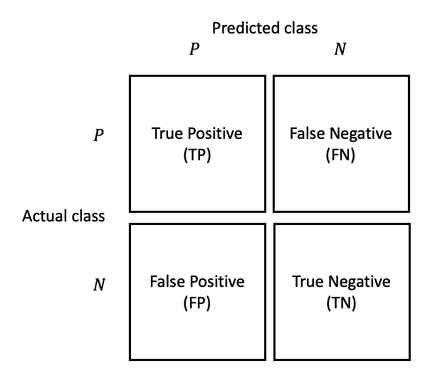
Predict/Actual | 1 | 0

1 | 113 | 30
0 | 13 | 85,146

 |  |  | ACCURACY | 1.00

 |  |  | PRECISION | 0.90

 |  |  | RECALL | 0.79

 |  |  | F1SCORE | 0.84

