Actual
Customer : PT. Sejahtera Kemasan
Project : MB 3540 sc 100 70 100

NO | MOLD NAME | PAKET | PLATE NAME | MATERIAL | QTY | MOLDBASE DIMENSION |  |  |  |  |  | WEIGHT (KG) | SUBCONT | Delivery (kg) | Pocketing | TOTAL | P.O Cust | Profit
 |  |  |  |  |  | FINISH DIMENSION |  |  | RAW MATERIAL
 |  |  |  |  |  | L | W | T | L | W | T |  | 46,236 | 2,500
1 | MB 35 60 sc 110 110 100 | T8 | Top Plate | S50C | 1 | 600 | 350 | 30 | 605 | 355 | 35 | 59 | 2,728,348 | 1,405,837 | 0 | 27,405,837 | 30,700,000 | 11%
 |  |  | Cavity Plate | S50C | 1 | 600 | 300 | 110 | 605 | 305 | 115 | 167 | 7,701,955
 |  |  | Core Plate | S50C | 1 | 600 | 300 | 110 | 605 | 305 | 115 | 167 | 7,701,955
 |  |  | Spacer Plate | S50C | 2 | 600 | 100 | 58 | 605 | 105 | 63 | 63 | 2,905,114
 |  |  | Retener | S50C | 1 | 600 | 180 | 20 | 605 | 185 | 25 | 22 | 1,015,582
 |  |  | Ejector Plate 1 | S50C | 1 | 600 | 180 | 25 | 605 | 185 | 30 | 26 | 1,218,699
 |  |  | Bottom Plate | S50C | 1 | 600 | 350 | 30 | 605 | 355 | 35 | 59 | 2,728,348
 | TOTAL MATERIAL |  |  |  | 8 |  |  |  |  |  |  | 562 | 26,000,000 | 1,405,837 | 0 | 27,405,837 | 30,700,000 | 11%

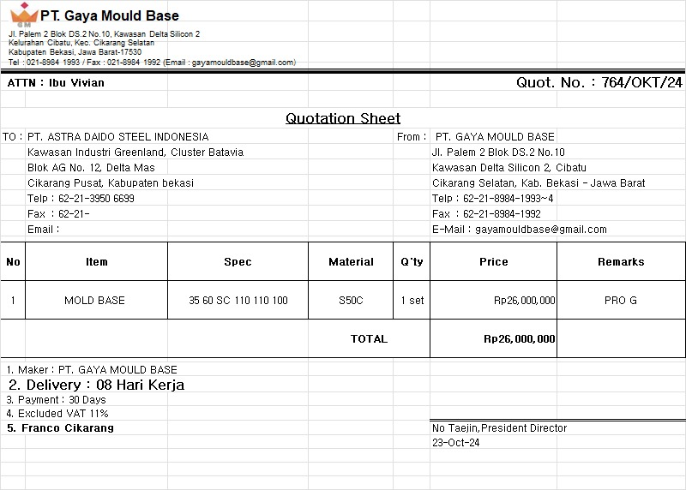
 | LEAD TIME

 | 14 HARI

 | hitungan waktu normal tidak ada antrian project lain di mesin

 | NOTE : | PROSES SUBCONT KE PT. GAYA MOLDBASE INCLUDE MATERIAL

