price list
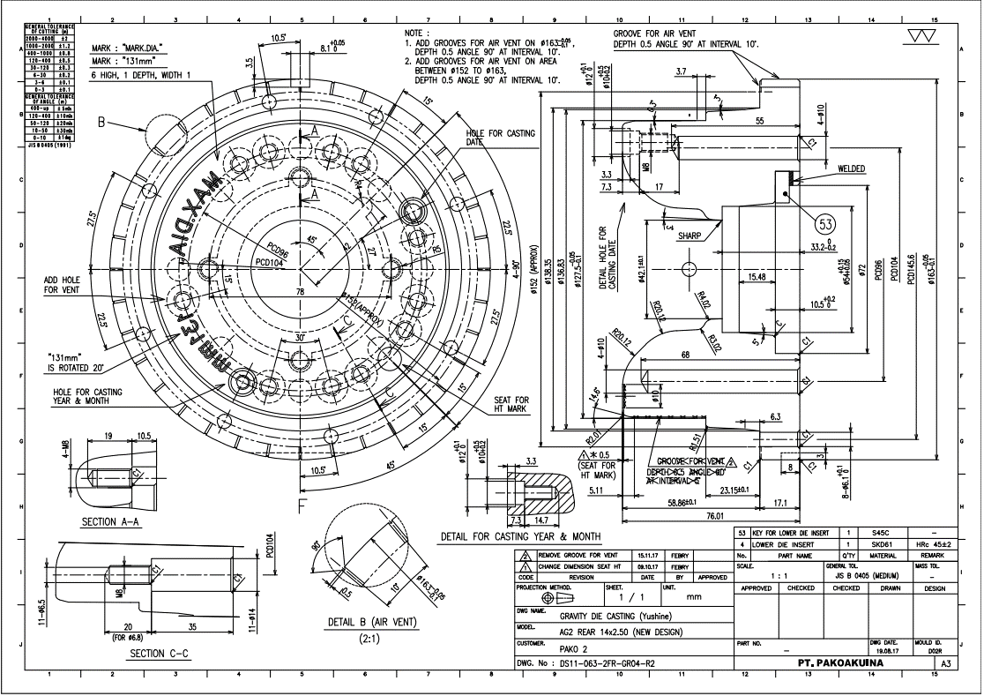
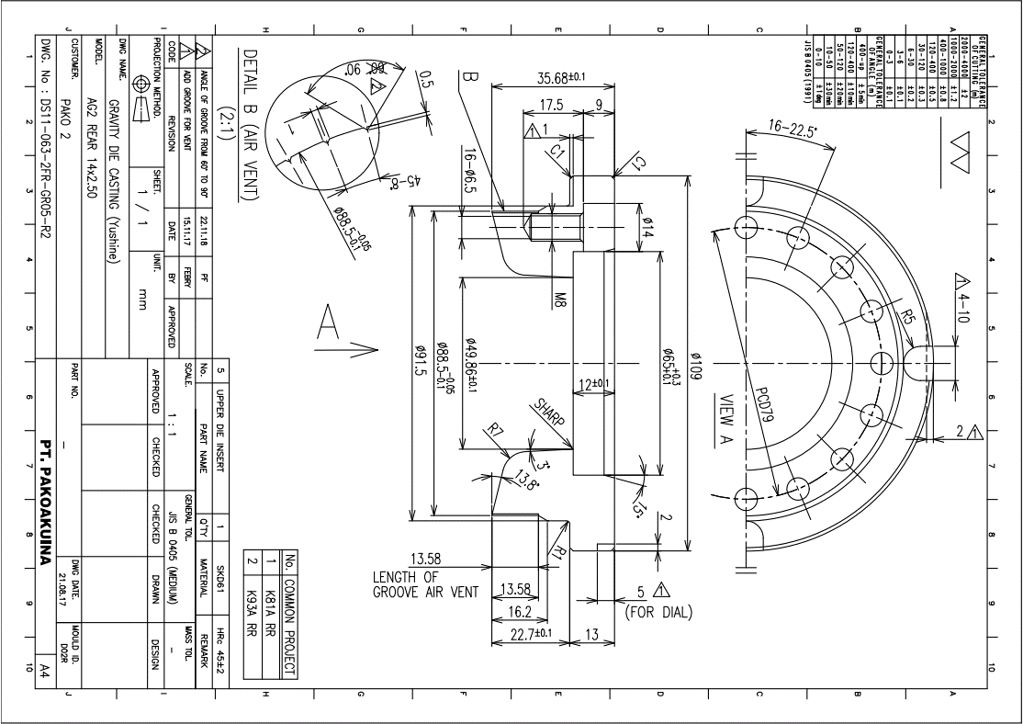
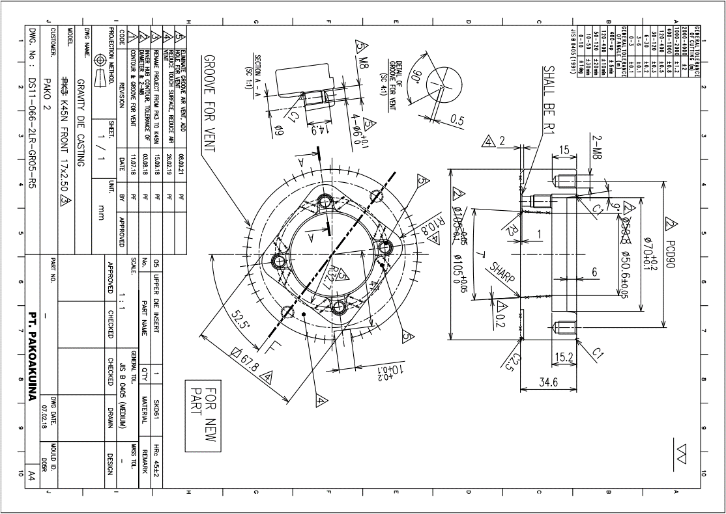
Project : | Dies ForkBolt
Customer : | PT. FIM
NO | Part Name | mat | QTY | DIMENSION |  |  |  | WEIGHT (KG) | Cutting | HT | custom process | RAW MATERIAL | Subcont Tin Coating (Nano Coating) | Subcont EDM + Super Drill | TOTAL ALL | P.O Customer | Profit
 |  |  |  | FINISH DIMENSION |  | RAW MATERIAL
 |  |  |  | D | L | D | L |  | 6,000 | 25,000 |  | 76,200
1 | Dies | SKD 61 | 1 | 202 | 85.00 | 212 | 95 | 33.5 | Rp201,102 | Rp837,925 | Rp928,365 | Rp2,553,994 | Rp1,907,246 | Rp3,800,000 | Rp10,228,632 | Rp13,081,499 | 22%
2 | Puch | SKD 61 | 1 | 75 | 85.00 | 85 | 95 | 5.4 | Rp32,328 | Rp134,701 | Rp632,019 | Rp410,569 | Rp600,000 | Rp1,800,000 | Rp3,609,617 | Rp4,275,000 | 16%

 | LEAD TIME (ALL TYPE)

 | Cutting | 1
 | Bubut Roughing | 2
 | Milling drilling | 1
 | HT | 3
 | EDM | 3
 | Tin coating | 5

 | TOTAL LEAD TIME : 15 D

 | hitungan waktu normal tidak ada antrian project lain di mesin

 | REKOMENDASI PAKET R

