Propose 1
Customer: |  | BENGKEL SINAR MULIA
Project : |  | Eyebolt
NO | PART NAME | Part Number | Mat | PAKET | HRC | RAW MATERIAL |  |  | FINISH DIMENSION |  |  |  |  |  | QTY | WEIGHT | HARGA JUAL MATERIAL | Cutting | PERHITUNGAN HARGA |  | UP 20% | HT | subcont | TOTAL | P.O Cust | Profit | Price List
 |  |  |  |  |  |  |  |  |  |  |  |  |  |  |  |  |  |  | Blocking | jasa proses custom
 |  |  |  |  |  | L/Ø | W | H | L/Ø | TOLERANCE | W | TOLERANCE | H | TOLERANCE |  |  |  | Rp 6,000 | Rp 7,000 |  |  | Rp 0,000
1 | Part 1 |  | S50C | Q |  | 705 | 605 | 55 | 700 | std | 600 | std | 50 | std | 1 Pcs | 165.97 Kg | Rp 4,315,260 | Rp 995,829 | Rp 1,161,801 |  |  | Rp 0,000 | Rp 300,000 | Rp 6,772,890 | Rp 6,946,992 | 3% | 26,000
2 | Part 2 |  | S50C | Q |  | 705 | 605 | 105 | 700 | std | 600 | std | 100 | std | 1 Pcs | 316.85 Kg | Rp 8,238,224 | Rp 1,901,129 | Rp 2,217,983 |  |  | Rp 0,000 | Rp 300,000 | Rp 12,657,336 | Rp 12,805,940 | 1% | 26,000
3 | Part 3 |  | S50C | Q |  | 705 | 605 | 85 | 700 | std | 600 | std | 80 | std | 1 Pcs | 256.50 Kg | Rp 6,669,038 | Rp 1,539,009 | Rp 1,795,510 |  |  | Rp 0,000 | Rp 300,000 | Rp 10,303,557 | Rp 10,460,985 | 2% | 26,000
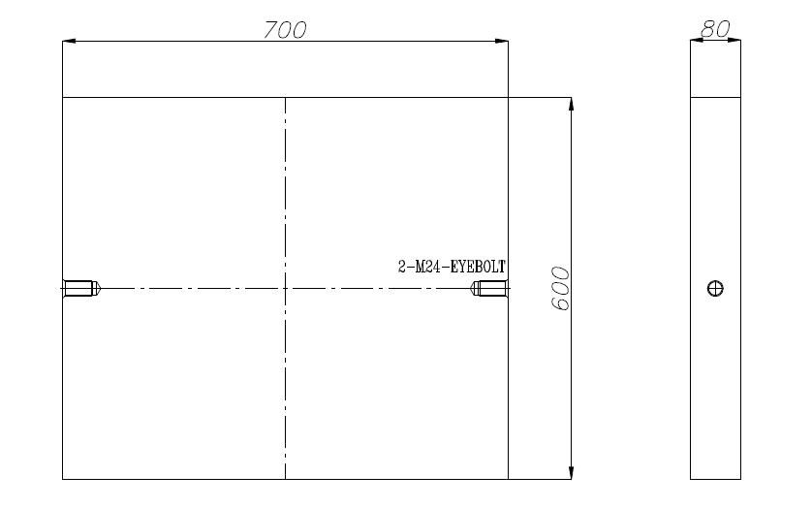
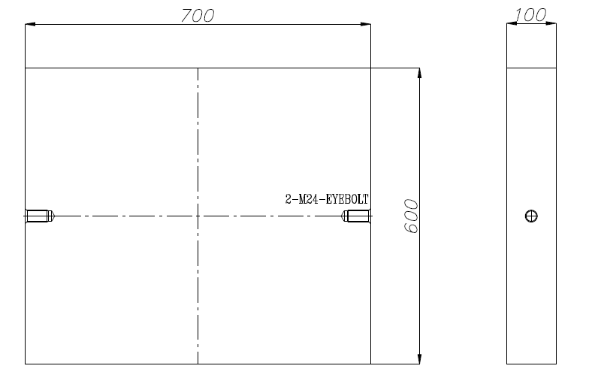
 |  |  |  |  |  |  |  |  |  |  |  |  |  |  |  |  |  |  |  |  |  |  |  | Rp 6,772,890 | Rp 6,946,992 | 3%
 | FLOW PROSES CUSTOM

 | LEAD TIME ( Days )
 | Cutting |  |  | 2
 | Blocking |  |  | 3
 | Roughing |  |  | 2
 | Harden
 | Finishing |  |  | 2
 | Coatiing TIN
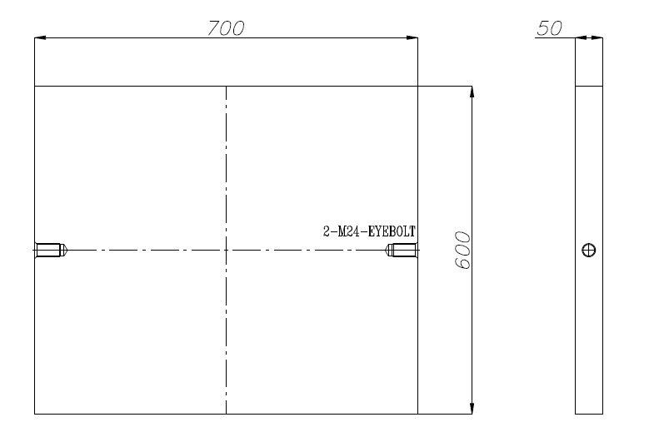
 | TOTAL LEAD TIME |  |  | 9

 | Leadtime diatas bisa berubah tergantun turun P.O dan Antrian

NO | TYIPE |  | PRICE
1 | 2316 |  | Rp 141,400
2 | HP4MA |  | Rp 76,200
3 | 2738 |  | Rp 76,200
4 | PX4 |  | Rp 108,700
5 | PAC5000 |  | Rp 153,000
6 | NAK80 |  | Rp 246,900
7 | S-STAR |  | Rp 261,800
8 | S50C |  | Rp 32,500
9 | S45C |  | Rp 32,500
10 | S55C |  | Rp 43,000
11 | SNCM447 |  | Rp 52,500
12 | SCM440H |  | Rp 43,000
13 | SCM440QT |  | Rp 53,000
14 | SNCM439 |  | Rp 76,000
15 | SNCM439QT |  | Rp 85,800
16 | YK30 |  | Rp 91,800
17 | YK4 |  | Rp 91,800
18 | GOA |  | Rp 123,500
19 | GO40F |  | Rp 168,300
20 | DC11 |  | Rp 187,300
21 | DC53 |  | Rp 214,800
22 | DCMX |  | Rp 211,200
23 | SKT4 |  | Rp 97,200
24 | GFA |  | Rp 188,400
25 | DH32 |  | Rp 346,100
26 | DH62 |  | Rp 217,800
27 | ALLUMINIUM 7050 |  | Rp 149,500
28 | DHA1 |  | Rp 218,900
29 | SKD61 |  | Rp 99,400
30 | DHA1ES |  | Rp 289,900
31 | DH31EX |  | Rp 325,900
32 | DHAT |  | Rp 422,000
33 | DH2F |  | Rp 277,200
34 | MH51 |  | Rp 620,800
35 | P20 |  | Rp 52,900
 | SKD11-R |  | Rp 100,000
 | SKD11-F |  | Rp 94,500
 | SS400 |  | Rp 30,000

