Propose
Customer : CV TRISUMAN
Project : MB 25 30 SC 60 70 80

NO | MOLD NAME | PAKET | PLATE NAME | MATERIAL | QTY | MOLDBASE DIMENSION |  |  |  |  |  | WEIGHT (KG) | SUBCONT | Delivery (kg) | Pocketing | TOTAL | Up 25 %
 |  |  |  |  |  | FINISH DIMENSION |  |  | RAW MATERIAL
 |  |  |  |  |  | L | W | T | L | W | T |  | 28,163 | 0
1 | MB 25 30 SC 60 70 80 | T8 | Top Plate | S50C | 1 | 300 | 300 | 25 | 305 | 305 | 30 | 22 | 616,973 | 0 | 800,000 | 5,519,000 | 6,898,750
 |  |  | Cavity Plate | S50C | 1 | 300 | 250 | 60 | 305 | 255 | 65 | 40 | 1,117,631
 |  |  | Core Plate | S50C | 1 | 300 | 250 | 70 | 305 | 255 | 75 | 46 | 1,289,575
 |  |  | Spacer Plate | S50C | 2 | 300 | 80 | 48 | 305 | 85 | 53 | 22 | 607,533
 |  |  | Retener | S50C | 1 | 300 | 150 | 15 | 305 | 155 | 20 | 7 | 209,029
 |  |  | Ejector Plate 1 | S50C | 1 | 300 | 150 | 20 | 305 | 155 | 25 | 9 | 261,286
 |  |  | Bottom Plate | S50C | 1 | 300 | 300 | 25 | 305 | 305 | 30 | 22 | 616,973
 | TOTAL MATERIAL |  |  |  | 8 |  |  |  |  |  |  | 168 | 4,719,000 | 0 | 800,000 | 5,519,000 | 6,898,750

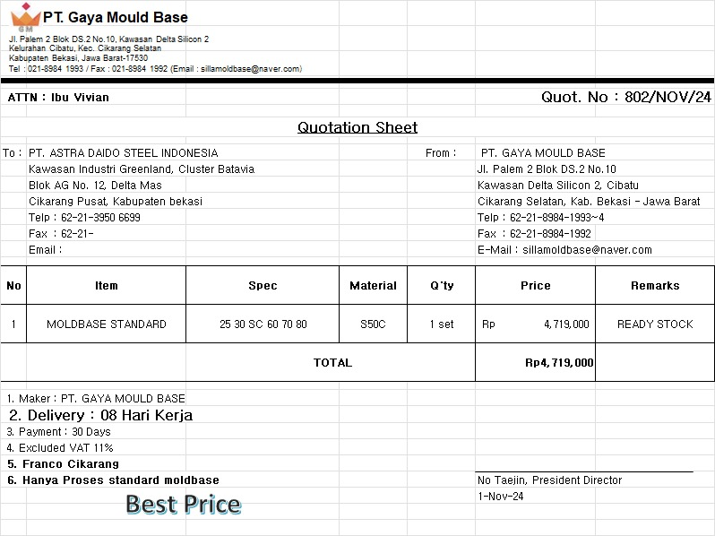

 | LEAD TIME

 | 14 HARI

 | hitungan waktu normal tidak ada antrian project lain di mesin

 | NOTE : | PROSES SUBCONT KE PT. GAYA MOLDBASE INCLUDE MATERIAL

