Detail Cost
Customer : |  | Bp Iwan
Project : |  | Base

NO | PART NAME | MAT | PAKET | HRC | RAW MATERIAL |  |  | FINISH DIMENSION |  |  |  |  |  | QTY | WEIGHT | HARGA JUAL MATERIAL PER KG | Cutting | Blocking | Custom | Custom up (50%) | HT | DELIVERY | HARGA JUAL MATERIAL | Subcont | Subcont | TOTAL | HARGA JUAL MATERIAL PER KG

 |  |  |  |  | L/D | W | H | L/D | Tol | W | Tol | H | Tol |  |  |  | 6,000 | 10,000 |  |  |  |  |  | WIRE CUT
1 | BASE R20 | S50C | Q | - | 205 | 205 | 55 | 200.00 | 0.2/0 | 200.00 | 0.2/0 | 50.00 | 0.2/0 | 1 | 18.14 | 32,500.00 | 108,866 | 181,443 | 185,260 | 277,890 | - | - | 589,690 | 500,000 |  | 1,657,888 | 32,500
2 | BASE R19 | S50C | Q | - | 205 | 205 | 61 | 200.00 | 0.2/0 | 200.00 | 0.2/0 | 56.00 | 0.2/0 | 1 | 20.12 | 32,500.00 | 120,742 | 201,237 | 185,260 | 277,890 | - | - | 654,019 | 600,000 |  | 1,853,888 | 32,500
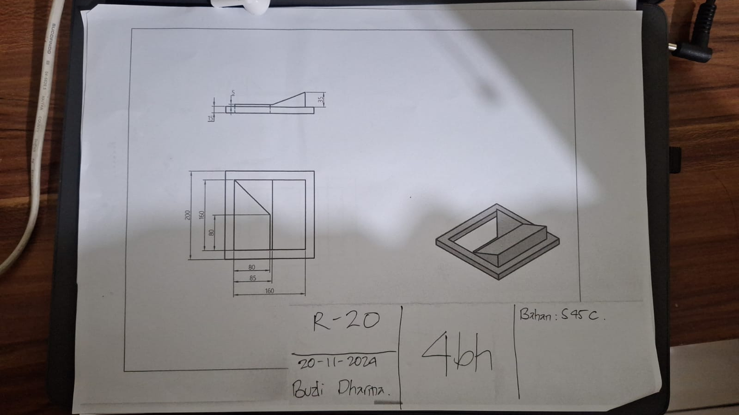
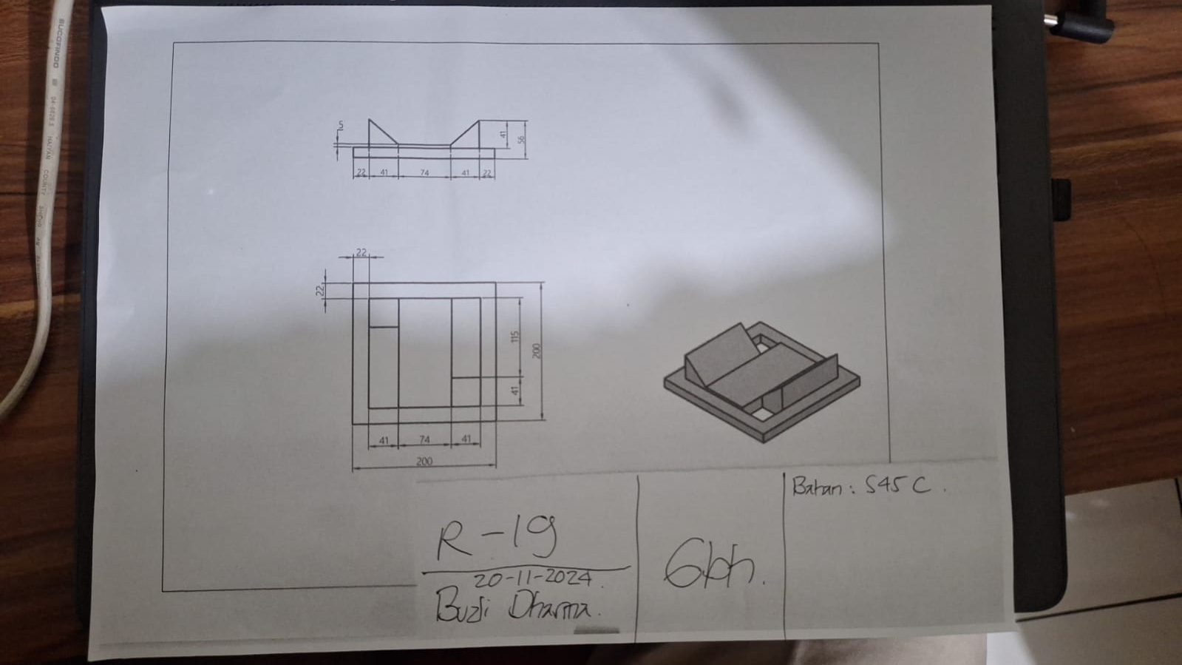
 |  |  |  |  |  |  |  |  |  |  |  |  |  |  |  |  |  |  |  |  |  | TOTAL |  |  |  | 3,511,776

 | FLOW PROCESS
 | PAKET Q | PAKET R
 | Cutting | Cutting
 | Blocking | Blocking
 | Profilling | Roughing
 | QC | HT
 |  | Finishing
 |  | QC

 | Note : hitungan waktu normal tidak ada antrian project lain di mesin

NO | TYIPE | PRICE
1 | 2316 | Rp 141,400
2 | HP4MA | Rp 76,200
3 | 2738 | Rp 76,200
4 | PX4 | Rp 108,700
5 | PAC5000 | Rp 153,000
6 | NAK80 | Rp 246,900
7 | S-STAR | Rp 261,800
8 | S50C | Rp 32,500
9 | S45C | Rp 32,500
10 | S55C | Rp 43,000
11 | SNCM447 | Rp 52,500
12 | SCM440H | Rp 43,000
13 | SCM440QT | Rp 53,000
14 | SNCM439 | Rp 76,000
15 | SNCM439QT | Rp 85,800
16 | YK30 | Rp 91,800
17 | YK4 | Rp 91,800
18 | GOA | Rp 123,500
19 | GO40F | Rp 168,300
20 | DC11 | Rp 187,300
21 | DC53 | Rp 214,800
22 | DCMX | Rp 211,200
23 | SKT4 | Rp 97,200
24 | GFA | Rp 188,400
25 | DH32 | Rp 346,100
26 | DH62 | Rp 217,800
27 | ALLUMINIUM 7050 | Rp 149,500
28 | DHA1 | Rp 218,900
29 | SKD61 | Rp 99,400
30 | DHA1ES | Rp 289,900
31 | DH31EX | Rp 325,900
32 | DHAT | Rp 422,000
33 | DH2F | Rp 277,200
34 | MH51 | Rp 620,800
35 | P20 | Rp 52,900
 | SKD11-R | Rp 100,000
 | SKD11-F | Rp 94,500
 | SS400 | Rp 30,000
 | SKH9 | Rp 684,300
 | DRM3 | Rp 450,000
 | ALUMINIUM SERI 6 | Rp 144,500
 | ALUMINIUM SERI 7 | Rp 149,500

