Sheet1
 | Model Name | Short Background | Short Description | Design (Scheme and source) | Citing sources | Other - which fields the model can or was used in; website(s) describing the model | Is it useful in engineering courses? | Responsible partner
1 | ADDIE | ADDIE was designed in 1975, originally for the U.S. Army by the Centre for Educational Technology at Florida State University, and later implemented across all branches of the U.S. Armed Forces. For many years now, educators and instructional designers alike have used the ADDIE Instructional Design (ID) method as a framework in designing and developing educational and training programs. “ADDIE” stands for Analyze, Design, Develop, Implement, and Evaluate. This sequence, however, does not impose a strict linear progression through the steps. Due to the hierarchical structure of the steps, one had to complete the process in a linear fashion, completing one phase before starting the next. Educators, instructional designers and training developers find this approach very useful because having stages clearly defined facilitates implementation of effective training tools. The ADDIE model was based on an earlier ID model, the Five Step Approach, which had been developed by the U.S. Air Force. The ADDIE model retained this five-step feature, and included many sub-stages within each of the five broad phases. Practitioners over the years have made several revisions in the stages of the original hierarchical version. This has made the model more interactive and dynamic. It was in the mid-1980s that the version similar to the current version appeared. Today, the influence of the ADDIE method can be seen on most ID models being used. | Analysis: “Goal-Setting Stage” focused on the target audience (students);Determining the objectives; Evaluation of skill and inteligence - distinguish between what the students already know and what they should know after completing the course; Determining students' background, goals, interests, etc.; Determinig required student's skills/learning outcomes; Reviewing existing instructional strategies and available options; Determining limiting factors Design: Determines all goals, tools to be used to gauge performance, various tests, subject matter analysis, planning and resources; Focused on learning objectives, content, subject matter analysis, exercise, lesson planning, assessment instruments used and media selection; identification, development and evaluation of planned strategies; Determination of types of media used, resources required, level and types of activity to be generated during the study (collaborative, interactive…), teaching style (behaviorist, constructivist,…), time frame, cognitive skills needed, expected knowledge and skills develpoed during each task, roadmap of the study, feedback mechanism, implementation method and main project idea. Development: production and testing of the methodology being used in the project; designers make use of the data collected from the two previous stages, and use this information to create a program that will relay what needs to be taught to participants; putting the previous two stages in action; Includes three tasks: drafting, production and evaluation. Implementation: reflects the continuous modification of the program to make sure maximum efficiency and positive results are obtained; redesign, update, and edit the course in order to ensure that it can be delivered effectively; Instructional designers work hand-in-hand with students to train on new tools so that the design can be continuously evaluated for further improvement; Continuous design evaluation – developers consistently analyze, redesign and enhan | 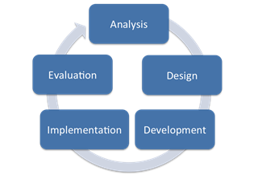 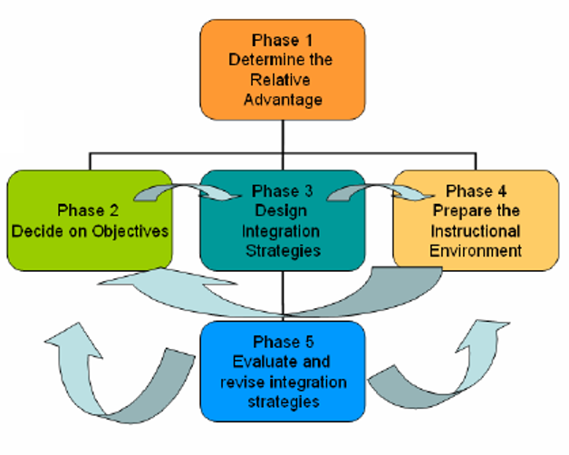 Source: https://educationaltechnology.net/the-addie-model-instructional-design/ | Yueh et al., (2014). Developing Digital Courseware for a Virtual Nano-Biotechnology Laboratory: A Design-based Research Approach. Educational Technology & Society, 17 (2), 158–168 Widharto et al., (2021). The virtual laboratory for turning machine operations using the goal-directed design method in the production system laboratory as simulation devices. IOP Conf. Ser.: Mater. Sci. Eng. 1072, 012076 Hamid et al., (2020). Development of cooperative learning based electric circuit kit trainer for basic electrical and electronics practice. J. Phys.: Conf. Ser. 1456 012047. | Relevant in all teaching practices ADDIE Model: Instructional Design - Educational Technology | Yes | NIC
2 | Dick and Carey model | Dick and Carey Instructional Model (also known as Systems Approach Model) focuses on the delivery of the content as opposed to how to make the lesson plans. It includes 9 steps which are often only connected as far as what they do to help you figure out what to teach and how to teach it. All ten steps are connected, and some influence others indirectly while they may influence others directly. Original source: Dick, W., Carey, L., Carey, J.O., The systematic design of instruction, 1978 (https://www.semanticscholar.org/paper/The-systematic-design-of-instruction-Dick-Carey/bdee2e8dde217c6a420adf2c90358e1294f2559e) - 10783 citations according to Google Scholar | 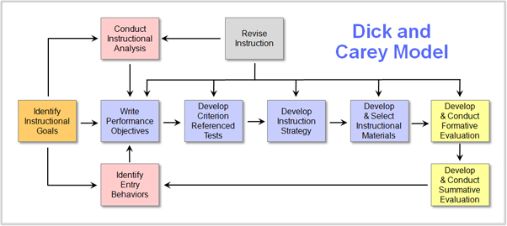 The first 7 steps only give a general outline for a suggestion on how to make the teaching effective. Teaching starts at step 8. Instructional goals: what are the instructional goals – what the students need to learn; define the topic and what it includes Instructional analysis: determining the skills that your students will need to learn and what you plan to teach them; Will they need to know some background about the story or will you be teaching an introduction to the gunpowder plot and therefore giving that introductory lesson? Entry Behaviors and Learner Characteristics: assess which skills the students have out of those that you previously determined are needed for this lesson; Are they able to sit still long enough? Or do they have trouble talking? Do they memorize things quickly? Performance Objectives: figure out specific goals and objectives for the lesson; equivalent of the SWBAT – or Student Will Be Able To; the objectives must be detailed – such as “the student will be able to identify the gunpowder plot’s purpose” (answer: the gunpowder plot was meant to blow up Parliament); These Criterion-Referenced Test Items: create a test (consistent with the performance objectives) that will reflect what you’re hoping to teach the students; meant to help the students understand what they have or have not mastered yet, and are a checkpoint for the parents or administrators Instructional Strategy: begin to outline your lesson plan; you will be able to demonstrate what you want them to learn, add activities, and decide how each segment will be done Instructional Materials: make sure you have what you need ready for the lesson; if you have something you already know will work (props, demonstration videos…), use it Formative Evaluation: evaluate how the lesson went; Were there some students who weren’t too thrilled with the group work? Did your groups not work well? Did some students sit back while others did all the work, expecting to ride along for a good gr | Source: https://educationaltechnology.net/dick-and-carey-instructional-model/ | 10783 citations according to Google Scholar For more details see following articles: Castro et al., (2021). A literature review: efficacy of online learning courses for higher education institution using meta-analysis. Education and Information Technologies, 26, 1367-1385. Khalil and Elkhider, (2016). Applying learning theories and instructional design models for effective instruction. Advances in Physiology Education, 40(2), 147-156. | Relevant in all teaching practices https://educationaltechnology.net/dick-and-carey-instructional-model/ | Yes | NIC
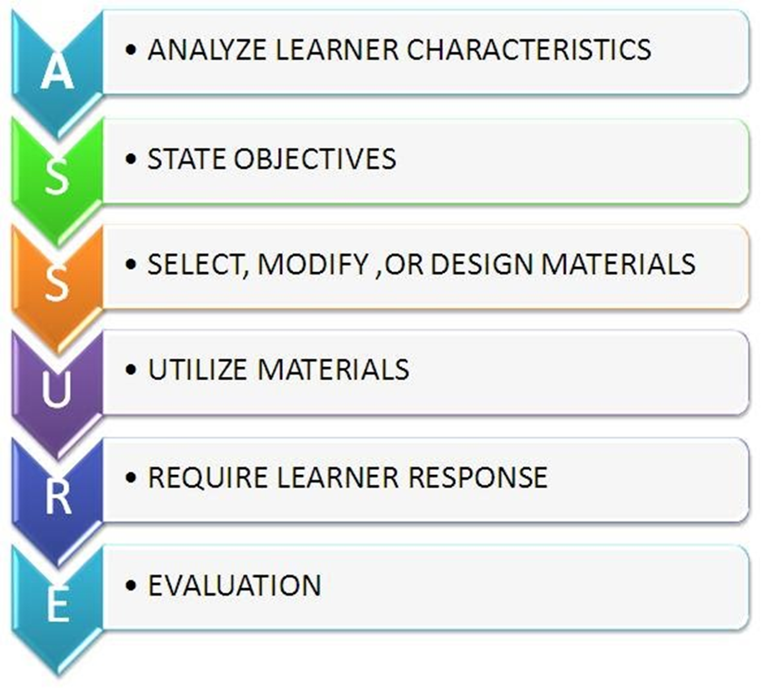
3 | Assure model | ASSURE is an instructional design model that has the goal of producing more effective teaching and learning. “ASSURE” is an acronym that stands for the various steps in the model. The model was created in 1999 by Heinrich and Molenda and is closely based on Robert’s Gagne’s Events of Instruction. Additionally, the ASSURE model was modified to be used by teachers in the classroom by Smaldino, Lowther & Russell, 2008. To become skilled instructors in today’s classroom is crucial to know when to use the instructional strategies and interactive multimedia. | A – Analyze Learners: the teacher should analyze the attributes of the learners (students); focus on those learner characteristics which are associated with the learning outcomes desired; when you determine the character of the learners, it will guide you in choosing specific strategies and resources to aid the learning process; determine prior competencies; determine learning styles, such as auditory, visual, and tactile S – State Standards and Objectives: the teacher must state standards and objectives for the learning module; specify what the learners will be able to do as a result of the instruction; a good set of learning objectives is conformity to the ABCDs of well-stated learning objectives: Audience – For whom is the objective intended? Behavior – What is the behavior or performance to be demonstrated? Conditions – What are the conditions under which the behavior or performance will be observed? Degree – To what degree will the knowledge or skill be mastered? S – Select Strategies, Technology, Media, and Materials: pick instructional strategies, technology, and media that will bring about the results that you want; figure out what which delivery method will be best for your instruction; what proportion of your instruction will be instructor-centered and what proportion of will be student-centered? Will you use only lecture or also video or demonstration?; group discussion or cooperative group work; figure out which technology, media, and materials best support the method of teaching that you’re using U – Utilize Technology, Media, and Materials: making a plan as to how you will utilize the technology, media, and materials that you have selected; make sure that your plans contribute towards producing the objectives that you have laid down; important to follow the “five p’s” process: Preview the Technology, Media, and Materials, Prepare the Technology, Media, and Materials, Prepare the Environment, Prepare the Learners and Provide the Learning Experience | Source: https://educationaltechnology.net/assure-instructional-design-model/ |  | Relevant in all teaching practices; maybe more useful in lower grade courses https://educationaltechnology.net/assure-instructional-design-model/ | Yes | NIC
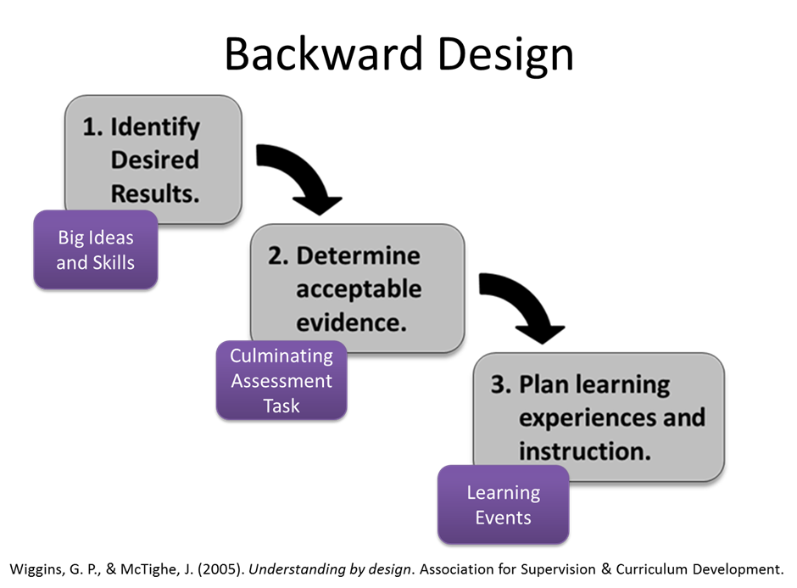
4 | Backward Design (Understanding By Design) | The most common approach to course design is to begin with a consideration of the most suitable methodologies for teaching content, i.e. the focus is typically on how the content will be taught, rather than on what is to be taught. However, Grant Wiggins and Jay McTighe argue that this framework is flawed, because its emphasis on teaching methods is misplaced. In their excellent book, Understanding by Design, Wiggins and McTighe propose the “Backward Design” framework for course design. This framework is “backward” only to the extent that it reverses the typical approach, so that the primary focus of course design becomes the desired learning outcomes. Only when one knows exactly what one wants students to learn should the focus turn toward consideration of the best methods for teaching the content, and meeting those learning goals. | Identify The Desired Outcomes: formulate a clear idea of what students should know, understand, and/or be capable of doing; ask yourself what the impact of the course will be on students, and how you hope they will be different by the end of it; make use of A Taxonomy for Learning, Teaching and Assessing (Anderson, Krathwohl, 2001) as a guide: Remember, Understand, Apply, Analyze, Evaluate and Create; helpful to categorize the goals you have for the course in order of importance: What content is it “worth being familiar with” for students?, What content is “important to know” or “important to do” for students?, and What “enduring understandings” do you want the students to take away with them, and retain and remember long after the course has ended? Determine Appropriate Criteria For Evaluating Students’ Progress: a way of helping you structure evaluative strategies into the course design so that you are able to gauge students’ progress towards the desired learning outcomes; this phase is intended to help you determine what criteria you will use to evaluate how well students are “getting it,” and what evidence you will accept with respect to evaluating their individual progress in mastering the course content; Assessment types: quizzes, tests, performance tasks and projects, lab projects…; Plan The Instructional Methodology And Learning Experience: plan the instructional strategies and methodologies you will use in teaching the course; “How can I create a learning experience for students that encourages them to engage with the content so that they are truly learning, and not simply passing assessments through rote memorization?”; there are numerous strategies for enhancing students’ learning experience, and again, the ones you choose should align well with the goals you’ve defined for the course; | Source: Wiggins and McTighe. 2005. Understanding by design. Association for supervision & curriculum development |  | Relevant in all teaching practices, lower and higher levels https://educationaltechnology.net/backward-design-understanding-by-design/ | Yes | NIC
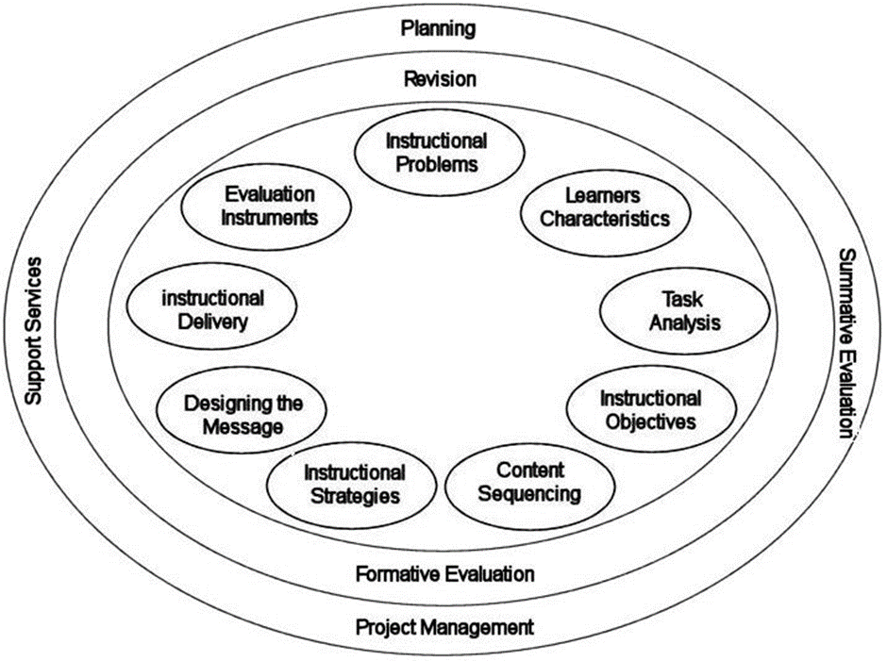
5 | Kemp Design Model | Incorporating a variety of approaches from a multiplicity of disciplines (Morrison et al., 2010), this model represents an innovative approach to instructional design by virtue of its non-linear structure, and the interrelated nature of its components. In contrast to other models, such as the Dick and Carey Model, the Kemp Design Model adopts a circular structure, rather than one that is linear (Akbulut, 2007). This circularity is achieved by viewing the nine core elements of the model as interdependent rather than singular and independent. This allows instructional designers a significant degree of flexibility, because they are able to begin the design process with any of the nine components or stages, rather than being constrained to work in a linear fashion. In other words, designers are not required to consider the components in any proscribed “orderly way to realize the instructional learning systems design“(Akbulut, 2007). Depending on the process, a number of stages can be addressed simultaneously, and some design stages may not even be required. Due to the interrelation between components, the design process becomes cyclical, open to ongoing revisions and adjustments amongst the elements, in order to achieve the design best suited to the desired learning outcomes of a course. In general, to achieve these results an instructional designer will need to take into account not only the learning objectives, but also a number of other factors, including the needs and characteristics of the learner, the instructional content and activities (including tasks and procedures), instructional resources and support services, and learner assessment and evaluation tools and methods. | 1. Determine the specific goals, and also identify potential instructional issues 2. Identify characteristics of learners that should be taken into account during the planning process 3. Clarify course content, and analyze the proposed task components in relation to the stated goals and purposes of the course 4. Define instructional objectives and desired learning outcomes 5. Ensure that content for each instructional unit is structure sequentially and logically to facilitate learning 6. Design instructional strategies to enable individual learners to master the content, and achieve desired learning outcomes 7. Plan the instructional message and the appropriate mode of delivery 8. Develop evaluation instruments suitable for measuring and assessing learners’ progress towards achieving course objectives 9. Choose the appropriate resources that will support both teaching and learning activities | Source: https://educationaltechnology.net/kemp-design-model/ |  | Relevant in all teaching practices https://educationaltechnology.net/kemp-design-model/ | Yes | NIC
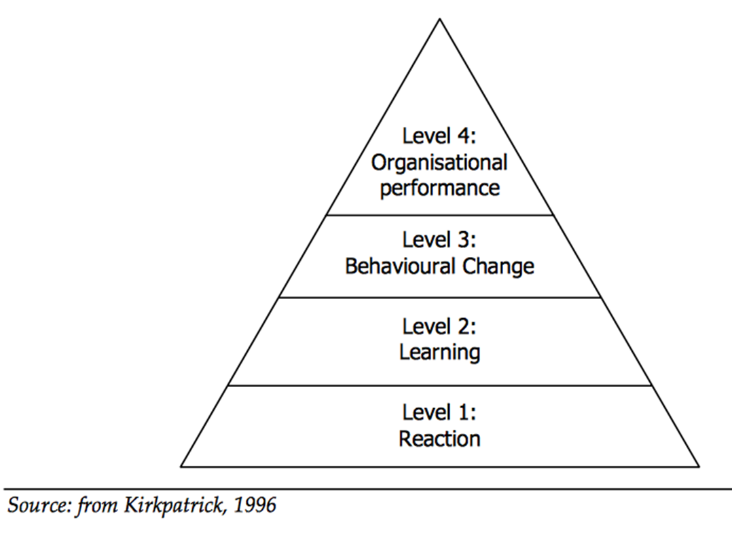
6 | The Kirkpatrick Model | The Kirkpatrick Model is probably the best known model for analyzing and evaluating the results of training and educational programs. It takes into account any style of training, both informal or formal, to determine aptitude based on four levels criteria. This model was developed by Dr. Donald Kirkpatrick (1924 – 2014) in the 1950s. The model can be implemented before, throughout, and following training to show the value of training to the business. The model is composed of 4 evaluation levels: Reaction, learning, behavior change and results. Data from all of the previous levels can be used as a foundation for the following levels’ analysis. As a result, each subsequent level provides an even more accurate measurement of the usefulness of the training course, yet simultaneously calls for a significantly more time-consuming and demanding evaluation. Undoubtedly, the most widely used and in-demand method for the assessment of training in businesses nowadays is Kirkpatrick’s system based around the four levels as guidelines. The Kirkpatrick model has been used for over 30 years by many different types of companies as the major system for training evaluations. It is evident that Kirkpatrick’s vision has made a positive impact to the overall practice of training evaluation. | Level 1 evaluation – Reaction: measures how participants react to the training (e.g., satisfaction?); it evaluates how individuals react to the training model by asking questions that establishes the trainees’ thoughts; the participants’ response is essential for determining how invested they will be in learning the next level. Level 2 evaluation – Learning: analyzes if they truly understood the training (e.g., increase in knowledge, skills or experience?); New skills / knowledge / attitudes? What was learned? and What was not learned?; If at all possible, individuals take the test or evaluation prior to the training (pre-test) and following training (post-test) to figure out how much the participant comprehended. Level 3 evaluation – Behavior change: looks at if they are utilizing what they learned at work (e.g., change in behaviors?); analyzes the differences in the participant’s behavior at work after completing the program; Assessing the change makes it possible to figure out if the knowledge, mindset, or skills the program taught are being used the workplace; this level starts 3–6 months after training Level 4 evaluation – Results: What are the final results of the training?; determines if the material had a positive impact on the business/organization; determines the overall success of the training model by measuring factors such as lowered spending, higher returns on investments, improved quality of products, less accidents in the workplace, more efficient production times, and a higher quantity of sales | Source: Kirkpatrick, D. (1996). Revisiting Kirkpatrick’s four-level-model. Training & Development, 1, 54-57. |  | Relevant in all teaching practices as well as in the work place; It is not a model for developing a completely new teaching course/system, but a model for evaluating the course/system https://educationaltechnology.net/kirkpatrick-model-four-levels-learning-evaluation/ | Yes | NIC
7 | Gerlach-Ely Model | The effectiveness of the Gerlach & Ely model of instruction, first introduced in 1971, has proven its value in the intervening decades. Designed by Vernom S. Gerlach and Donald P. Ely, this model “has stood the test of time” and continues to serve “classroom teachers well.” (Ely, as cited in Grabowski & Branch, 2003). Incorporating the foundational principles of teaching and learning, this model is compatible with media-rich instructional approaches, and is appropriate not only for K-12, but also for use in higher education. The central focus of the Gerlach & Ely model is on systematic planning, with equal emphasis on two essential factors of effective teaching: clearly defining teaching goals; and methods for reaching each of the desired learning outcomes. To that end, each of the ten elements defined within this model address one or more of these factors. | Specification of Content and Specification of Objectives: planning should focus on clearly delineating the desired skills that learners should be able to demonstrate, the specific conditions under which they should be able to do so, and the specific time within the time span of the course at which they should have mastered specific content; teachers are responsible for designating the order in which specific portions of the content will be taught; take into account a number of considerations not directly related to the course, such as state or local guidelines, the goals or preferences of supervisors, their own personal experience, and long-term goals; it is preferable that the learning objectives are addressed first, this is not critical Assessment of Entering Behaviors: assessment of the individual learner’s previous knowledge and skill level; Because every student will bring different experience and knowledge to the classroom, it is important to ascertain this element prior to the onset of formal instruction; the core question that planners must ask is “To what extent has the student learned the terms, concepts, and skills which are part of this course?”; Determination of Strategy, Organization of Groups, Allocation of Time, Allocation of Space and Selection of Resources: these 4 steps are interdependent, in the sense that any decision concerning one of these elements will impact on the others, and will often influence the range of viable options available with respect to the others; choosing a certain strategy will usually narrow down the options available with respect to the next element, which involves deciding what organizational style instruction (self-study, small groups, one large group, or an alternative form) will take; appeal to the objectives specified early can assist in selecting the most suitable group size; decisions about how to allocate time for various teaching activities, and the amount of time for each, will depend to a great extent on the | Source: https://educationaltechnology.net/gerlach-ely-design-model/ |  | Relevant in all teaching practices, lower and higher levels https://educationaltechnology.net/gerlach-ely-design-model/ | Yes | NIC
8 | Situated Learning Theory | Situated learning, also known as situated cognition, first emerged as an instructional model through the research of Paul Duguid, John Seely Brown, and Allan Collins. Their paper, titled “Situated Cognition and the Culture of Learning” criticized the division of knowledge and practice. Situated learning is based on ideas from many fields, such as psychology, sociology, cognitive science, and anthropology. Duguid, Brown, and Collins disagreed with public schools and how they treated knowledge “as an integral, self-sufficient substance, theoretically independent of the situations in which it is learned and used.” They were not the only ones to disagree with the public school’s approach of separating the “knowing and doing.” Many other theorists, including Jean Lave, Lev Vygotsky, John Dewey, and Étienne Wenger, believed that learning occurred within situational contexts. Students acquire knowledge from observing others and practicing themselves, therefore becoming “cognitive apprentices” within the community. These learning interactions cannot occur abstractly. The theory of situated cognition emphasizes that cognitive apprentices learn from the experts themselves. Lave and Wenger discussed how apprentices become reliable members of the community in their paper Situated Learning: Legitimate Peripheral Participation. Apprentices gain knowledge through their interactions with experts in that field. Situated learning gives students the chance to engage with real-life, problem-solving contexts. | When designing instruction, one must remember: • The best learning occurs when students are presented with a problem themselves and must think through and act on like the experts. Problems must be realistic and relevant to the situation. • The instructor acts as a coach and model instead of lecturer. They are also responsible for scaffolding information into manageable chunks to assist students in solving the problems. • The learning environment must promote reflection, discussion, and evaluative thinking. Students must actively engage in the situation, even if most problems are group activities. • The “content” of a course is not neat packages of information taught by the instructor but the information learned through the contextual and real-life activities. Examples of situated activities are as follows: • Cooperative internships that allow students to be immersed in the workplace • Field trips in which students can experience the work environment • Laboratory settings where students actively participate in mock activities • Physical education and musical practices, which offer an identical scenario to real-life events, such as sports training or a concert As these examples demonstrate, situated learning occurs “in the situation.” The students are addressing issues in real-life as they exist. The context and culture of the activity are as important as the experience itself. Students build knowledge on their current understanding of the situation, which relies heavily on the social and physical interactions. Some guidelines to keep in mind when developing classroom activities for situated learning: The act of learning occurs daily in meaningful situations. • Understanding can only be transferred to situations similar to the one in which learning occurred. • Ideal situations will engage the learner in real-world problem-solving in an area that interests them. • Learning is a | Source: https://educationaltechnology.net/situated-learning-theory/ |  | Relevant in all teaching practices; very usefull in fields wherea lot of practical work is involved (engineering) https://educationaltechnology.net/situated-learning-theory/ | Yes | NIC
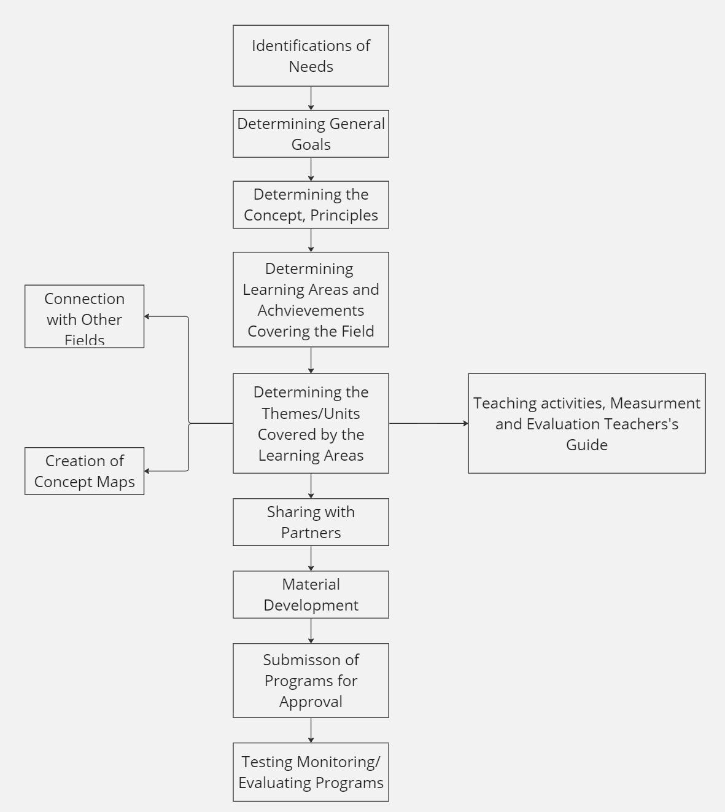
9 | MEB Program Development Model | The program development model in Türkiye has been under the influence of the Taba and Tyler models. Finally, program development studies, which started with the determination of needs in the MEB program development model prepared in 2004, include the process of determining goals, determining concepts, principles and skills related to the field, determining learning areas and achievements related to the field, developing materials, submitting the program for approval, implementing and evaluating the program. After the program is evaluated, the missing ones are improved and the processes mentioned above are applied again. Although the elements of the program are taken into account in this model, the terms acquisition and skills are used instead of the concept of goal and behavior, and the terms learning field and theme are used instead of content and subject area. Care is taken to establish connections with other fields. The teaching process is based on activity-based learning. | GENERAL FEATURES OF MEB-2004 PRIMARY EDUCATION PROGRAMS The constructivist approach and multiple intelligence theory have been especially effective in the development of primary education programs. Primary education programs; Not disconnected from daily life, Emphasizing student-centered approaches, Accepting that students are different from each other, Using different teaching methods and techniques in the learning-teaching process in order to adopt universal values without losing national values, Desire for lifelong learning, Encouraging students to think, share and ask questions, It has features that direct students to be sensitive to social problems and prioritize the acquisition of positive social skills. 2004 COMMON SKILLS THAT PRIMARY EDUCATION PROGRAMS WANT TO ACQUIRE STUDENTS -Ability to use Turkish correctly, effectively and beautifully -Critical thinking skills -Creative thinking skills -Problem solving skills -Communication skill -Research-questioning skills -Ability to use information technologies -Entrepreneurial skill | Source: https://egitimbilimlerinotlari.com/wp-content/uploads/2014/10/MEB-Modeli.jpg | Özdener, N., & Biyik, R. (2007). Development of a New Curriculum for Computer Education and Comparison with the Current Curriculum of the Turkish Ministry of National Education. Turkish Online Journal of Educational Technology-TOJET, 6(3), 39-53. Aydin, K (2014). The Curriculum Development Model of the Turkish Ministry of Education: a Search for Balance Between Global Trends and National Demands. New Perspectives in Science Education 3th Edition 2014. | a |  | EGE
10 | Demirel Model | The Demirel model is similar to the Taba-Tyler model. In this model; The first stage is planning, the second stage is needs analysis and evaluation, the third stage is determining the goals and the fourth stage is the creation of the content. In the next stages, it is important to organize the learning environment and select multimedia while testing the draft program. | 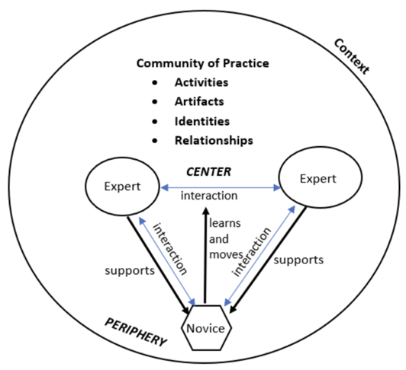 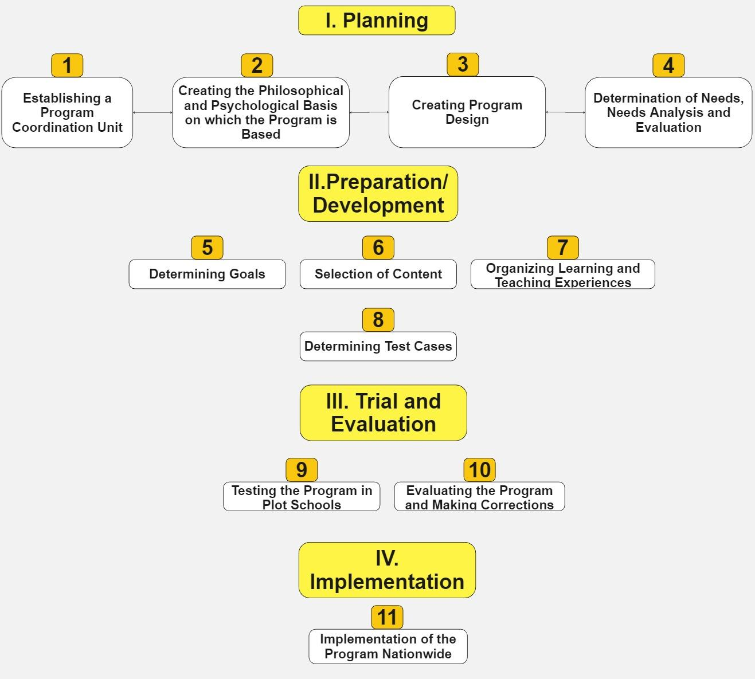 The model consists of five parts and 15 processing steps. The first part includes the planning phase of program development studies. At this stage, it is recommended to form three different groups for planning program development studies: decision-coordination, study and consultation. After political and scientific support is provided to the program studies, in the second stage, support is sought for the political and philosophical foundations of the program to be developed and it is emphasized that care should be taken to follow a path consistent with the country's distant goals. In addition, it is emphasized that needs analysis and evaluation studies are included to determine the learning theories and theories that will be based on the program and to determine what kind of program design to start with. In the second part, if the program study will be done for the first time, the preparation of the draft program; If a study is to be carried out on the previous program, it is emphasized that the implemented program should be evaluated and program development work should be started according to the evaluation results. In the first stage, the goals of the program are determined, and the goals are determined based on phased classification and by evaluating the results of the needs analysis. In these determinations, attention is paid to include target-behavior, achievement and competence statements in the program according to the characteristics of the subject area. In the second stage, determining the content and which approach will be emphasized in content editing is revealed and the establishment of the target-content relationship is emphasized. In the third stage, studies on organizing learning experiences and providing multimedia are included, and the principle of consistency with objectives is brought to the agenda in the selection of appropriate strategies, methods and techniques to create effective teaching experiences. In the fourth and final stage, the tech | 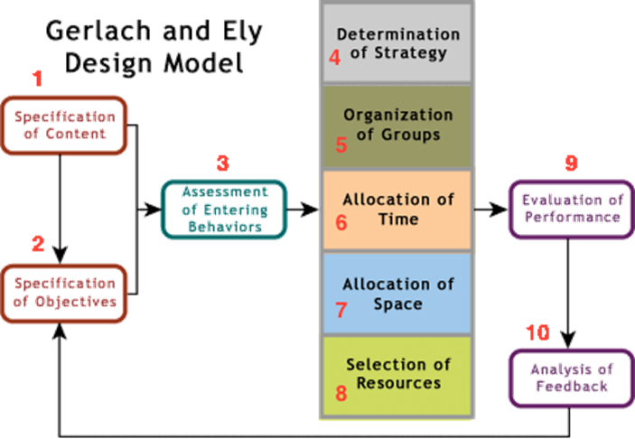 Source : https://slideplayer.biz.tr/slide/3166707/11/images/55/II.+HAZIRLAMA+%2F+GEL%C4%B0%C5%9ET%C4%B0RME.jpg | aa |  |  | EGE
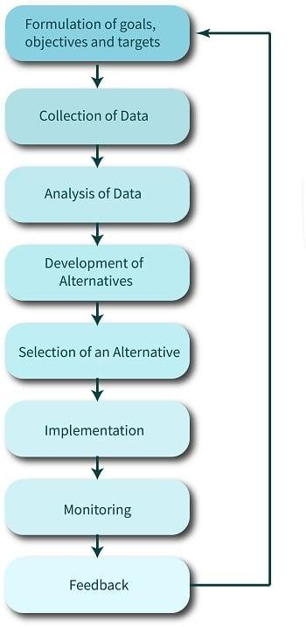
11 | Rational Planning Model | The rational planning model is a model of the planning process involving a number of rational actions or steps. Taylor (1998) outlines five steps, as follows: Definition of the problems and/or goals Identification of alternative plans/policies Evaluation of alternative plans/policies Implementation of plans/policies Monitoring of effects of plans/policies The rational planning model is used in planning and designing neighborhoods, cities, and regions. It has been central in the development of modern urban planning and transportation planning. The model has many limitations, particularly the lack of guidance on involving stakeholders and the community affected by planning, and other models of planning, such as collaborative planning, are now also widely used. The very similar rational decision-making model, as it is called in organizational behavior, is a process for making logically sound decisions.This multi-step model and aims to be logical and follow the orderly path from problem identification through solution. Rational decision making is a multi-step process for making logically sound decisions that aims to follow the orderly path from problem identification through solution. | Rational decision-making or planning follows a series of steps detailed below: Verify, define, detail the problem, give solution or alternative to the problem Verifying, defining & detailing the problem (problem definition, goal definition, information gathering). This step includes recognizing the problem, defining an initial solution, and starting primary analysis. Examples of this are creative devising, creative ideas, inspirations, breakthroughs, and brainstorms. The very first step which is normally overlooked by the top level management is defining the exact problem. Though we think that the problem identification is obvious, many times it is not. When defining the problem situation, framing is essential part of the process. With correct framing, the situation is identified and possible previous experience with same kind of situation can be utilized. The rational decision making model is a group-based decision making process. If the problem is not identified properly then we may face a problem as each and every member of the group might have a different definition of the problem. Generate all possible solutions This step encloses two to three final solutions to the problem and preliminary implementation to the site. In planning, examples of this are Planned Units of Development and downtown revitalizations. This activity is best done in groups, as different people may contribute different ideas or alternative solutions to the problem. Without alternative solutions, there is a chance of arriving at a non-optimal or a rational decision. For exploring the alternatives it is necessary to gather information. Technology may help with gathering this information. Generate objective assessment criteria Evaluative criteria are measurements to determine success and failure of alternatives. This step contains secondary and final analysis along with secondary solutions to the problem. Examples of this are site suitability and site sensitivity analysis. Af | Source: https://planningtank.com/wp-content/uploads/2015/07/Stages-of-Rational-Planning-Model-Flowchart.jpg?ezimgfmt=ngcb134/notWebP | aa | https://planningtank.com/planning-theory/rational-planning-model | a | EGE
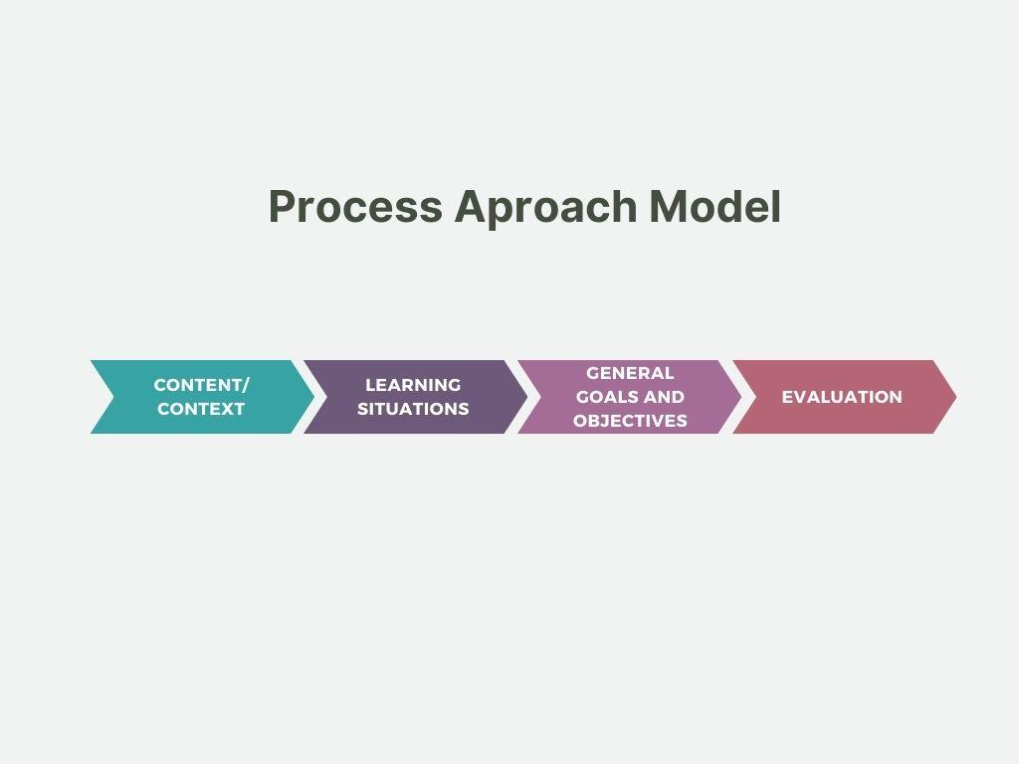
12 | Process Approach Model | Stenhouse’s Curriculum Model is a pedagogical approach that emphasizes the importance of teachers being involved in the development and implementation of curriculum. It was developed by Lawrence Stenhouse, an English educational theorist, in the 1970s. Stenhouse’s Curriculum Model is based on the idea that curriculum development should be an ongoing process rather than a fixed set of instructions that are handed down to teachers. This approach emphasizes the importance of teachers being active participants in the curriculum development process. Stenhouse believed that teachers should have a say in what is taught, how it is taught, and how it is assessed. Stenhouse’s Curriculum Model is based on the idea that curriculum development should be an ongoing process rather than a fixed set of instructions. This approach emphasizes the importance of teachers being active participants in the curriculum development process. Stenhouse believed that teachers should have a say in what is taught, how it is taught, and how it is assessed. Stenhouse’s Curriculum Model recognizes that teachers are experts in their fields and that they have valuable insights into what works best for their students. This approach encourages collaboration between teachers and between teachers and students in the development and implementation of curriculum. The Stenhouse Curriculum Model is a process-based approach to curriculum theory that emphasizes the importance of the learning journey over the final grades or assessments. The focus is on the development of learners over time and the means by which this may be evidenced and achieved. Stenhouse’s focus was on curriculum development as learner-centric, with an additional focus on the autonomy of the individual teacher in effecting learner development. The curricula should, therefore, not be overly prescriptive and have latitude built in so that diverse methodologies and assessments may be used at the educator’s discretion. Process m | Components Of Stenhouse Curriculum Model The components of Stenhouse Curriculum Model are: 1. Content The first step of Stenhouse’s model involves the selection of content, which is much more specific than objectives. 2. Methods The second step, methods, encompasses an understanding of teaching methodology and how the content from step one should be taught to the students. 3. Evaluation The final step of the model involves evaluation, which examines the content and methods using effective formative and summative mechanisms. Stenhouse’s process model is centered on the proposition that education is concerned with the development of intellectual or cognitive abilities. Thus, what is crucial to this process is not the acquisition of a vast body of knowledge but rather the processes of development that are prompted. According to Stenhouse, a curriculum is like a recipe in cookery. It is first imagined as a possibility and then subject to experiment. The curriculum offered publicly is a report on the experiment. A curriculum should be grounded in practice, describing the work observed in classrooms. Finally, within limits, a curriculum can be varied according to taste. | aa | Kilag, O. K., Catacutan, A., Carreon, P., Arcillo, M., Figer-Canes, R. M., & Mansueto, D. (2023). Lawrence Stenhouse in Curriculum Development: Integrative Review. Excellencia: International Multi-disciplinary Journal of Education (2994-9521), 1(1), 77-86. James, M. (2012). An alternative to the objectives model: the process model for the design and development of curriculum. Curriculum, Pedagogy and Educational Research: the work of Lawrence Stenhouse. London: Routledge. | https://studentsmirror.com/stenhouse-curriculum-model/ |  | EGE
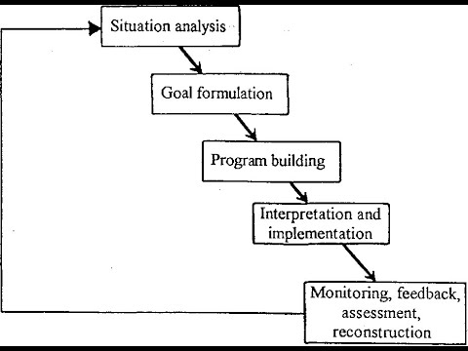
13 | Innovative Situational Model | Skilbeck (1976) stated that: A situational analysis of needs is vital for effective curriculum change. He also said: • Education should be a meaningful learning experience • Teachers are very important • Curriculum change can occur at any point in the process & can proceed in any direction • The source of objectives should be clear to teachers and curriculum developers The model has five major components: 1. Situational analysis. 2. Goal formulation with the statement of goals embracing teacher and pupil actions. 3. Programmer-building. 4. Interpretation and implementation. 5. Monitoring, assessment, feedback and reconstruction | 1. Situational analysis Which involves a review of the situation and an analysis of the interacting elements constituting it. External factors to be considered broad social changes including ideological shifts, parental and community expectations, the changing nature of subject disciplines and the potential contribution of teacher-support systems such as colleges and universities. 2. Goal formulation with the statement of goals embracing teacher and pupil actions. Such goals are derived from the situational analysis only in the sense that they represent decisions to modify that situation in certain respects. 3.Programmer-building This comprises the selection of subject-matter for learning, the sequencing of teaching-learning episodes, the deployment of staff and the choice of appropriate supplementary materials and media. 4. Interpretation and implementation Where practical problems involved in the introduction of a modified curriculum are anticipated and then hopefully overcome as the installation proceeds. 5. Monitoring, assessment, feedback and reconstructi | Source :https://i.ytimg.com/vi/rZWpQCDkpaU/hqdefault.jpg | Rodwell, G. (1978). Skilbeck's model of school-based curriculum development and the Tasmanian primary education system. | https://lms.su.edu.pk/download?filename=1604952620-skilbeck-model-of-curriculum-development.pptx&lesson=36890 | a | EGE
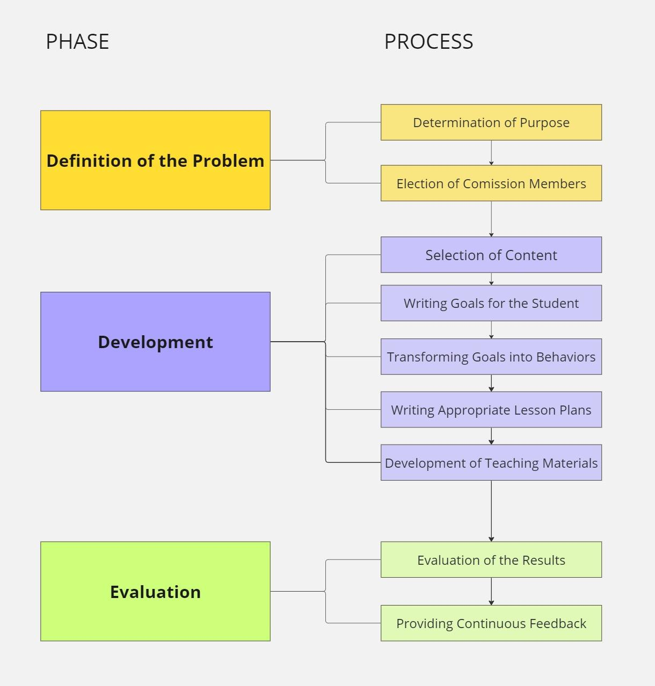
14 | System Approach Model (Wulf and Shave) | It was developed by Wulf and Schave (1984) by adopting a system approach. This model defends the view that teachers can also develop programs and that group interaction can positively affect developments in education. | The model has three stages. While defining the problem in the first stage, the relationship between the needs determined by the selected commission members and the program content is considered important. This model, which is the second stage of the model, deals with the system approach. The model has three stages. While defining the problem in the first stage, the relationship between the needs determined by the selected commission members and the program content is considered important. In the change section, which is the second stage of the model, six dimensions deemed necessary in the program development process are discussed. First of all, the content of the program is determined, and for this it is recommended to follow four different approaches; a) Doing research, b) Obtaining expert opinion, c) Determining the opinions of the commission members, d) Making a needs assessment. In the last stage of the model, evaluation and feedback system is emphasized. Evaluation is done differently depending on the learning situations, the feedback system is included at every stage of the program development process, but the emphasis is more on the evaluation dimension. | Source: https://slideplayer.biz.tr/slide/10306673/33/images/19/Wulf+%26+Schave+Modeli.jpg | Kilag, O. K., Catacutan, A., Carreon, P., Arcillo, M., Figer-Canes, R. M., & Mansueto, D. (2023). Lawrence Stenhouse in Curriculum Development: Integrative Review. Excellencia: International Multi-disciplinary Journal of Education (2994-9521), 1(1), 77-86. | https://studentsmirror.com/stenhouse-curriculum-model/ | a | EGE
15 | Saylor-alexander and Lewis Model |  |  |  |  |  |  | ASAU
16 | Action Research Model |  |  |  |  |  |  | ASAU
17 | Bruner's Spiral Curriculum |  |  |  |  |  |  | ASAU
18 | Siemens' Connectivism |  |  |  |  |  |  | ASAU
19 | Hollenbeck's Model |  |  |  |  |  |  | ASAU
20 | Instructional Design for eLearning (ID4eL) Model |  |  |  |  |  |  | ASAU
21 | SAVI (Successive Approximation Virtual Instruction) Model |  |  |  |  |  |  | DMS
22 | ARCS Model |  |  |  |  |  |  | DMS
23 | Gagne and Briggs Model (1977) |  |  |  |  |  |  | DMS
24 | Gagne, Briggs and Wager Model (1988) |  |  |  |  |  |  | DMS
25 | Kemp, Morrison and Ross Model Effective Instructional Design Model (1994) |  |  |  |  |  |  | DMS
26 | Hannafin and Pack Model 1987 |  |  |  |  |  |  | DMS
27 | Taba Model |  |  |  |  |  |  | DMS
28 | Knirk and Gustafson (1986) |  |  |  |  |  |  | EMODA
29 | American Air Force Model 1975 |  |  |  |  |  |  | EMODA
30 | Milano & Ullius (1998) Sequential-Iterative Model |  |  |  |  |  |  | EMODA
31 | Tripp and Bichelmeyer (1990) Rapid Prototyping Design Model |  |  |  |  |  |  | EMODA
32 | Seels and Glasgow (1990) |  |  |  |  |  |  | EMODA
33 | Gerlach and Ely (1980) |  |  |  |  |  |  | EMODA
34 | Action Mapping by Cathy Moore |  |  |  |  |  |  | EMODA
35 | Instructional Design Model for Unified eLearning (DDD-E) |  |  |  |  |  |  | ENSO
36 | Reigeluth's Teaching Elaboration Theory (ÖAK) |  |  |  |  |  |  | ENSO
37 | ARCS Motivation Model Keller (1983) |  |  |  |  |  |  | ENSO
38 | Merrill's Element Identification Theory (ÖBK) |  |  |  |  |  |  | ENSO
39 | R2D2 Model (Rapid, Robust Design) |  |  |  |  |  |  | ENSO
40 | 4C/ID Model (Four-Component Instructional Design) |  |  |  |  |  |  | ENSO
41 | GRAPE |  |  |  |  |  |  | ENSO
42 | Jerrold Kemp Design Model | The Kemp Instructional Design Model, developed in 1980s by Morrison, Ross, and Kemp,also know as the “Morrison, Ross, and Kemp Model” is a systematic framework used for designing instructional materials. It provides a structured approach to the instructional design process, guiding educators and instructional designers through the development of effective learning experiences. The Kemp design model represents an innovative approach to instructional design by virtue of its non-linear structure, and the interrelated nature of its components. The Kemp Instructional Design Model offers a comprehensive and systematic approach to instructional design, emphasizing learner-centeredness, flexibility, and continuous improvement. Its structured framework and focus on clear objectives and evaluation make it a valuable tool for designing effective learning experiences across diverse educational settings. | The Kemp design model is divided in 9 modules: 1) identify instructional problems 2) identify learners and characteristics 3) decide on learning content and tasks 4) specify SMART instructional objectives 5) structure the content logically to facilitate learning outcomes 6)identify instructional strategies and methods 7) design the messaging and delivery 8) develop the delivery media 9) design and conduct the summative evaluation For the first element, the focus is on defining the learning outcomes for the course. This includes what the student needs to learn or the skills they need to acquire. The focus of the second element is phase is on the learning styles and needs of students, as well as the germane cognitive load related to topics, tasks, and procedures. The third element is similar to the third stage of the model proposed by Dick and Carey, as well as the analysis stage in the ADDIE model. It is a very important element, because it helps the designer to begin thinking about the overall content of the course in relation to the characteristics of the learner. The fourth element, content and task analysis, is the phase that most specifically focuses on the whole learner, and determines the depth of understanding of new material that the learner should be able to demonstrate. Bloom’s taxonomy is a good resource for helping ascertain the level that a learner can be expected to process new information. Element five (determining objectives for learners) is similar to the first stage in the Dick and Carey model, which deals with examining the course ILOs. In this phase, the designer analyzes the broad learning objectives of the course, and translates them into more specific and defined goals. The sixth element is the design of activities that will assist in course facilitation. In the seventh phase, the designer decides what instructional resources are necessary to allow teachers to effectively teach, and students to effectively learn. The eight | Picture |  | https://educationaltechnology.net/kemp-design-model/ https://www.digitallearninginstitute.com/blog/what-are-the-core-instructional-design-models | Yes | SQD
43 | Smith and Ragan Model | The Smith & Ragan model, also know as the Instructional Design Model, was developed by R. Craig Ragan and Walter Dick in the 1970s. The Smith & Ragan model is rooted in the learning theory of Robert Gagne. The Instructional Design model is based on a systems-oriented approach (Christopher, 2011). Smith and Ragan credit Robert M. Gagné,M.D. Merril, and C.M.Reigeluth For their work in learning theory and significant contributions to the development of instructional theory. Implications of Gagne’s work can clearly be identified in Smith and Ragan’s philosophy and condition’s based model. In the third edition of Instructional Design, Smith and Ragan expand Gagne’s Nine Events of Instruction to provide generative and supplantive instructional strategies. In their article, Opening the Black Box: Instructional Strategies Examined (1994), Smith and Ragan explore the balance between instructional strategies and learner strategies in relation to the variables of context, learner, and task.They offer the proposition that there is a “middle ground” connecting supplantive instruction and learner‐initiated actions in which the design facilitates the required cognitive processing (Smith and Ragan, 2001). Smith and Ragan have utilized a wide array of literature and strategies for the development of a highly prescriptive model. They credit Reigeluth and Jonassen for the foundational work of their instructional theory. In a review of the philosophical perspectives of instructional design, the authors share the possible hazards of the constructivist theory as having the potential of “slipping into the activity for activity’s sake mode, (Smith & Ragan, 2005, p. 21).” Until the Black Box paper (Ragan & Smith, 1994), there was little design guidance for instructional activities and sequences. Smith and Ragan scrutinized the literature and created a synthesis of instructional strategies as related to the expanded events of instruction. The resulting paper provided a strategy for each t | The instructional design process involves three main phases: analysis, design, and development, which are interconnected with each other. • Analysis Phase: This phase involves gathering information about the learning needs, the audience, and the context of the instruction. • Design Phase: In this phase, the instructional strategies, content, and materials are planned and organized based on the analysis conducted in the previous phase. • Development Phase: This phase involves creating the instructional materials and resources according to the design specifications established in the previous phase. These three phases provide the conceptual framework for the eight steps that comprise their ID process. Their eight-step approach includes: analyzing the learning context, analyzing the learners, analyzing the learning task, assessing learner performance, developing instructional strategies, producing instruction, conducting evaluation, and revising instruction. Analyzing the learning context involves a two-part procedure: 1) substantiation of a need for instruction in a certain content area, and 2) preparing a description of the learning environment in which the instructional product will be used. Analyzing the learners describes procedures for describing the stable and changing characteristics of the intended learner audience. Analyzing the learning task describes procedures for recognizing and writing appropriate instructional goals. Assessing learner performance describes procedures for identifying which of sever- al possible assessment items are valid assessments of objectives for various types of learning. Developing instructional strategies is the step that presents strategies for organizing and managing instruction. Producing instruction is the step that provides strategies for translating the decisions and specifications made in previous steps into instructional materials and trainer guides. Production is followed by formative and summative evaluation. Smith | 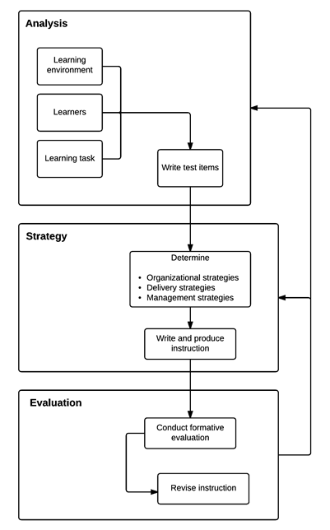 https://pressbooks.pub/itec51602/chapter/instructional-design-models-v2/#:~:text=The%20Smith%20and%20Ragan%20Model&text=Smith%20and%20Ragan's%20model%20has,that%20comprise%20their%20ID%20process. | Ragan, T. J., & Smith, P. L. (1995). Instructional Design (2nd ed.). Prentice Hall. Smith, P. L., & Ragan, T.J.(2001).Conditions‐based models for designing instruction. (Jonassen, Ed.) The Handbook for Educational Communications and Technology, 623644 | Angela Christopher, Model Resource, Fall 11, retrieved by chrome-extension://efaidnbmnnnibpcajpcglclefindmkaj/http://www.angelachristopher.net/uploads/8/3/2/4/832462/model_resourceassignment.pdf https://pressbooks.pub/itec51602/chapter/instructional-design-models-v2/#:~:text=The%20Smith%20and%20Ragan%20Model&text=Smith%20and%20Ragan's%20model%20has,that%20comprise%20their%20ID%20process. https://www.slideshare.net/gurminkhans/smith-ragan-instructional-design-theory | Yes | SQD
44 | Holistic Design Model | The Holistic Design Model of instructional design doesn't have a single inventor attributed to it, as it represents a philosophy or approach to instructional design rather than a specific methodology or technique developed by an individual. Instead, it's a framework that has evolved over time through the contributions of various scholars, researchers, and practitioners in the fields of education, psychology, and instructional design. Different aspects of the Holistic Design Model draw from theories and concepts in fields such as constructivism, socio-cultural theory, cognitive psychology, and human-computer interaction. It's worth noting that some organizations, consulting firms, or educational institutions might adopt similar terminology or develop their own models that align with the holistic approach to instructional design. These models may incorporate elements such as learner-centered design, interdisciplinary perspectives, and consideration of multiple dimensions of learning. | Some key elements of the Holistic Design models are: • Integration of Multiple Perspectives • Focus on Learner-Centered Design • Interdisciplinary Approach • Iterative Design Process • Emphasis on Flexibility and Adaptability May different breakdowns can be found that outline the concept of the Holistic Design Model. | Not a specific design was found for this model. | Jonassen, D. H., & Hernandez-Serrano, J. (2002). Case-based reasoning and instructional design: Using stories to support problem solving. Educational Technology Research and Development, 50(2), 65-77. Merrill, M. D. (2002). First principles of instruction. Educational Technology Research and Development, 50(3), 43-59. Reigeluth, C. M. (1999). What is instructional-design theory and how is it changing? In C. M. Reigeluth (Ed.), Instructional-design theories and models: A new paradigm of instructional theory (Vol. II, pp. 5-29). Lawrence Erlbaum Associates. Merrill, M. D., Drake, L., Lacy, M. J., Pratt, J., & ID2 Research Group. (1996). Reclaiming instructional design. Educational Technology, 36(5), 5-7. Gagné, R. M., Briggs, L. J., & Wager, W. W. (1992). Principles of instructional design. Harcourt Brace Jovanovich College Publishers. Dick, W., Carey, L., & Carey, J. O. (2015). The systematic design of instruction. Pearson. | https://ieeexplore.ieee.org/document/7960121 https://edtechbooks.org/id/the_design_of_holistic | Yes | SQD
45 | ARCS-V Model | ARCS-V model stands for attention, relevance, confidence, satisfaction, and volition. Sets of strategy prescriptions were developed for each of the five categories. To generate and sustain attention, use tactics that capture interest, stimulate inquiry and maintain attention. To make instruction relevant to the learners, relate it to their goals, match it to their interests, and tie it to their experiences. Build or sustain confidence by creating success expectations, providing opportunities for success, and instilling personal responsibility for success. Satisfaction with the learning experience can be achieved by reinforcing an intrinsic sense of satisfaction, providing extrinsically rewarding outcomes, and treating learners fairly. Finally, support learner persistence by helping them learn to state their goal intentions in concrete terms, take actions that support their efforts, and regulate their behaviors to stay on task. These concepts, theories, strategies, and tactics comprise the first major part of the ARCS-V model, which is the synthesis of the vast motivational literature into a simple and useful number of components. They also provide the basis for the second major feature of the ARCS-V model which is the systematic design process (Keller 1987; Keller 2010) that assists you in creating motivational tactics that match student characteristics and needs. | The ARCS model contains a ten-step design process for the development of motivational systems in work and learning settings (Table 2). The first two steps, which are parts of the overall analysis components of the process, produce information about the status quo and provide the basis for analyzing gaps and their causes which are done in the third and fourth steps. Based on these analyses, Step 5 involves the preparation of motivational objectives and specifications for how they will be assessed. There are then two steps in design. Step 6 consists of brainstorming within each motivational category to generate a rich list of potential solutions. Step 7 is more critical and analytical for the purpose of selecting solutions that best fit the time, resource, and other constraining factors in the situation. The final three steps include both development and evaluation, and are similar to any other development model. Steps 6 and 7 are also critical parts of the motivational design process. When doing instructional design, the instructional analysis usually results in specifications as to the concepts or skills to be taught and the methods (rules, examples, and practice activities) for teaching them. But, when doing motivational design the process is not so prescriptive. For example, if the motivational challenge is how to increase the perception of relevance among a group of students there are no prescriptions as to how to do this. Instead, in Step 6, a set of possibilities is prepared based on things they have done in the past, activities they have observed in other situations that can be modified and transferred to the present situation, reviews of books containing generic games and group activities, and other sources of learning activities. After preparing the list of potential activities the process of selection and design is done in Step 7. Selection decisions are based on design requirements including time, cost, and appeal. Sometimes a time-consuming strategy ca |  | Keller, J.M., 1987. Development and use of the ARCS model of instructional design. Journal of instructional development, 10(3), pp.2-10. | https://ocw.tudelft.nl/wp-content/uploads/Development-and-Use-of-the-ARCS-Model-of-Instructional-Design.pdf | Yes | SQD
46 | Agile Instructional Design | The AGILE model introduced by Conrad Gottfredson is a project-oriented approach to designing eLearning content. The model is based on similar values as those of the Agile methodology (most commonly used in software development). AGILE instructional design stays close to the ADDIE model. The difference is that it follows a process that allows the designing teams to create a learning solution more efficiently. | The model includes five stages of designing eLearning experiences: Align, Get set, Iterate and implement, Leverage, and Evaluate. Designing learning content using the AGILE method has the following process: 1. The designers meet with the stakeholders and together they come up with a plan for the development of the eLearning course. 2. The designers and stakeholders all agree on a general level about the appearance and core eLearning content. Certain parts of the eLearning course will be analyzed in greater detail. 3. The part of the eLearning content that was analyzed is then developed rapidly. Another meeting is called to gather feedback and request changes before moving forward. 4. Once all the feedback has been addressed the process is repeated for each section of the eLearning course. This means that the development of each part of the eLearning content is complete, before moving on to the next part. The advantages of the AGILE instructional design model are: 1. Focuses on learners and their interactivity with the eLearning course. 2. Produces higher quality eLearning deliverables more rapidly. 3. Reduces the need for extensive "last moment" revisions. 4. Allows for greater collaboration. |  | Clark, T.R. and Gottfredson, C.A., 2009. Agile learning: Thriving in the new normal. Chief learning officer, 8(12), pp.18-21. | https://elearningindustry.com/the-power-of-agile-instructional-design-approach | Yes | SQD
47 | Mager's Preparing Instructional Objectives Model | A learning objective must clearly state what the learner will be able to do. In his work, Mager focuses on the three elements of writing a learning objective: 1. Audience: who the objective refers to. 2. Performance: describes what the learner will be able to do once they have completed the learning content. This is done by using action verbs that explicitly describe the action. 3. Condition: relates to the environment of the learner. It is an optional component of a learning objective, but it can provide more clarity to the learner. 4. Criteria (or criterion): communicate the performance standard that the learner must reach. | Mager’s approach to instructional design is called criterion-referenced instruction (CRI), and it follows a four-step process: 1. Task analysis or goal analysis: The designers of the course identify what needs to be learned. 2. Performance objectives: They then specify the learning outcomes and how they will be evaluated. 3. Criterion-referenced testing: In this phase, the designers specify the knowledge or skills needed to accomplish the previously defined outcomes and decide how to evaluate that they have been achieved. 4. Development: The designers create the learning modules based on the objectives. |  | Mager, R.F. (1962) Preparing Objectives for Programmed Instruction. Fearon Publishers, San Francisco. | https://books.google.gr/books/about/Preparing_Objectives_for_Programmed_Inst.html?id=TZlpAAAAMAAJ https://www.learningguild.com/articles/2359/magers-criterion-referenced-instruction-approach-ideal-for-self-paced-elearning/ | Yes | SQD
48 | Tyler Model | The Tyler Model is one of the best-known models for curriculum development. The model gives special attention to the planning phases. Tyler presented the concept that the curriculum should be dynamic and constantly evaluated and revisited. Until then, the curriculum had always been thought of as a static program. Tyler suggested that teachers and administrators should spend time evaluating the curriculum as well as evaluating the students. Tyler explains that curriculum planning is a continuous, cyclical process, an instrument of education that needs to be fine-tuned. Tyler’s recommendations are well-suited for educators looking to create a curriculum that integrates national objectives with their students’ needs. Tyler recommends that those planning a curriculum should identify a good amount of general objectives by getting data from the following sources: (a) the learners (b) contemporary life outside the school, and (c) subject matter. After gathering several General Objectives, the planners filter them through two screens: 1. The Philosophical Screen 2. The Psychological Screen. The model can be described as deductive because it goes from the general (the needs of society,) to specifying Instructional Objectives. | Tyler’s model consists of four steps: 1. Determine the school's purposes (aka objectives) Determining the objectives has to do with what the students need to do to be successful in a course. Each subject has Natural Objectives that are indicators of mastery. For example, a school developing an English curriculum may create the objective that “students will write essays”. 2. Identify educational experiences related to purpose Learning experiences should be developed in such a way that helps the students achieve the objective. In the previous example where the objective for the students was to write an essay, then the learning experience might be the teacher showing the students how to write an essay. The students then could practice writing essays. In this example, the experience is consistent with the objective. 3. Organize the experiences Refers to putting the experiences in order. Continuing with the previous example, should the students learn by writing immediately or should the teacher provide some demonstration first? The final choice is determined by the philosophy of the teacher and the needs of the students. 4. Evaluate the purposes In this step, the teacher assesses the ability of each student to write an essay. There are many ways to do this. For example, the teacher could have the students write an essay without assistance. If they can do this, it is evidence that the students have achieved the objective of the lesson. There are variations on this model. However, the Tyler model is still considered by many to be the strongest model for curriculum development. |  | Tyler, R.W., 2013. Basic principles of curriculum and instruction. University of Chicago press. | https://www.slideshare.net/HadeeqaTanveer/tyler-model-of-curriculum-development https://books.google.gr/books?id=5MpKR2czCUQC&lpg=PR5&lr&pg=PR5#v=onepage&q&f=false | Yes | SQD
49 | Morrison's Format Model | The Morrison Approach is a revolutionary approach to teaching that allows for personalized learning, critical thinking, and active participation in the learning process. The "Active Learning" system is based on the belief that people learn best when actively involved in the material being taught. It eliminates the traditional format of teaching from lectures to tests. In its place, the Morrison Approach has an approach of relating all topics to each other, carefully considering why teachers want their students to do something and holding their attention with colorful visuals, movement, and different interactive experiences. According to the Morrison Approach, individuals construct their knowledge and meanings as they acquire experience. Understanding and reflecting on activities can help students reconcile previous ideas with new knowledge. Educators must integrate inquiry, exploration, and assessment to implement constructivism in the classroom. Students learn new concepts through the guidance of their teachers, who serve as facilitators. | 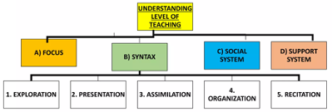 Professor H. C. Morrison has described five steps in his teaching model at the understanding level which include: 1. Exploration: In this step, the teacher tries to know the student's entry-level behavior (previous knowledge) 2. Presentation:The overview of the subject matter is given and the structure of the whole unit is discussed with the students. 3. Assimilation: In this step, the students study the subject matter deeply and try to relate the presented material to their internal selves. 4. Organization: The students present the acquired knowledge in a systematic manner without the help of a teacher. 5. Recitation: This step is related to the students' verbal expression of the subject manner which is learned by them. The revisit the whole content. |  | 1. Bayles, Ernest E. 1934. "The Objectives of Teaching with Special Reference to the Morrison Theory." Educational Administration and Super-vision 20:561–56 | Relevant in all teaching practices. https://blog.teachmint.com/morrison-approach/#:~:text=The%20Morrison%20Approach%20is%20a,in%20the%20material%20being%20taught. | Yes | MTU
50 | Cognitive Apprenticeship Model | Cognitive Apprenticeship, which highlights cognitive and affective processes. The goal is to evaluate one’s competence in a skill by asking “what did you learn?”. Learners verbally communicate their understanding throughout the process Journeyman discusses problems and potential solutions with apprentice. Instruction involves demonstrating, but also discussion and reflection of thought process. In traditional schools, the thinking processes of reading and writing are often invisible to both the instructor and the students. The idea of cognitive apprenticeship was introduced to assist everyone in understanding the thought process involved when developing skills. Cognitive apprenticeship blends the idea of apprenticeship with the traditional classroom by placing emphasis on the process of developing the skill itself. This, however, can be quite difficult. There are some distinct differences between cognitive and traditional apprenticeship that make it challenging to implement in schools. Traditionally, an apprentice is someone who learns a skill or trade under the guidance of a more knowledgeable and experienced person. Cognitive apprenticeship theory emphasizes two issues: the teaching process to handle complex tasks and the cognitive processes involved in learning1. A cognitive apprenticeship focuses on bringing internal thought processes into the open so they can be observed and learned by students. | 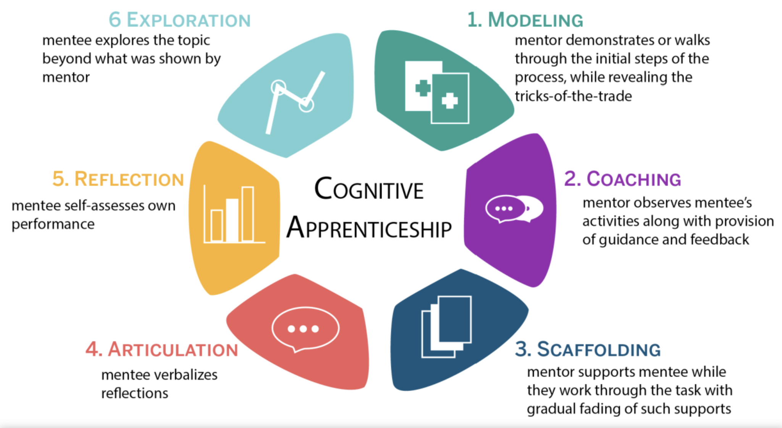 The goals of cognitive apprenticeship can be achieved using specific methods. Modeling: showing others how a task is completed. In cognitive apprenticeship, this includes making one’s thoughts visible. An instructor may communicate his or her own reasoning out loud to assist the students in understanding the thought process of a task. Examples: Observations of experts, both skills and attributes Externalizing mental processes in text or oral explanations Modeled in person, 3D animations or video footage Explanation: elaborating on why certain activities take place. Coaching: offering assistance and correction to the students as they complete a task. Examples: Individualized feedback Expert observes student demonstrate a skill Replay of a videotaped student performance Checklists for trainers and learners Formative assessments Scaffolding: presenting students with tasks of increasing difficulty. The instructor gradually releases responsibility to the student as they gain confidence and skill with each activity. Examples: Individualized support from experts Conceptual models, algorithms Hints, reminders, access to resources, informal chatting Simulations, scenarios Reflection: analyzing one’s performance and thought process. In cognitive apprenticeship, the student is able to compare their ideas with the instructor. Examples: Pst-hod reflection of performance Informal or formal discussions with colleagues or peers Portfolios, online forums, journals, online prompts, video footage of performance Comparison with expert performance Encouragement by mentors Articulation: discussing one’s thought process with others. Making thinking visible is a key component of the cognitive apprenticeship framework. Examples: Summative assessments Socratic questioning, assessment questions Students explain rationale Exploration: testing ideas by applying them to the next problem. Having students explore their hypotheses helps them expand their understanding of | Source: https://educationaltechnology.net/cognitive-apprenticeship/ | Collins, A., Brown, J.S. and Holum, A., 1991. Cognitive apprenticeship: Making thinking visible. American educator, 15(3), pp.6-11. Wedelin, Dag, and Tom Adawi. "Teaching mathematical modelling and problem solving-A cognitive apprenticeship approach to mathematics and engineering education." (2014): 49-55. | Relevant in all teaching practices but emphasize on cognitive and affective learning. | Yes | MTU
51 | Hermann Ebbinghaus Forgetting Curve | German psychologist Hermann Ebbinghaus wanted to understand more about why we forget things and how to prevent it. His research produced the Forgetting Curve – a visual representation of the way that learned information fades over time. Hermann Ebbinghaus's Forgetting Curve, an enduring model that demonstrates how memories are lost over time and what we can do to reinforce the things that we learn, so that we can remember them more effectively. Ebbinghaus experimented with his own ability to remember using a list of nonsense syllables, which he attempted to recall after different lengths of time. His experiences and results revealed a number of key aspects of memory. | Ebbinghaus's work highlighted several things that we can do to retain information for longer. In this section, we look at four strategies you can use to improve your power of recall: 1. Spaced Learning: The most important discovery Ebbinghaus made was that, by reviewing new information at key moments on the Forgetting Curve, you can reduce the rate at which you forget it. This approach is often referred to as "spaced learning" or "distributive practice. 2. Overlearn: Another strategy Ebbinghaus explored was "overlearning" – that is, putting in more than the usual amount of effort when you learn something. He found that doing this improved retention, and slowed the steep drop seen on the Forgetting Curve. He also pointed out that, by using certain memory strategies, we can improve our chances of retaining even hard-to-learn information. 3. Make Information Meaningful: Do everything you can to make the material that you need to learn clear, relevant and purposeful, and establish a strong reason for retaining it. The more you know how something will benefit you in the long term, the more likely your memory will prioritize it. Reducing distractions and other demands – known as your "cognitive load" – should also help with this. 4. Keep Challenging Your Memory: If you come to review some information and discover gaps in your memory, don't despair! This is the most productive time for stretching your recall. Learning done at this point will be all the stronger because of the mental challenge involved. If you're imparting learning or information to an audience, or delivering training, make it as interactive as possible. Even just asking questions will encourage people to sort and strengthen the information in their minds. | 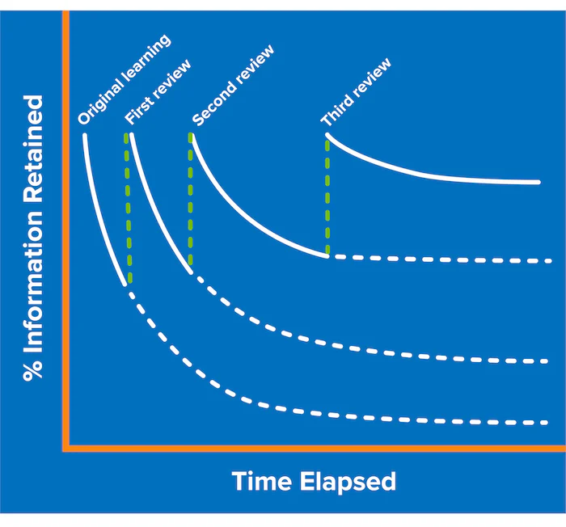 Source: https://www.mindtools.com/a9wjrjw/ebbinghauss-forgetting-curve | Murre, Jaap MJ, and Joeri Dros. "Replication and analysis of Ebbinghaus’ forgetting curve." PloS one 10.7 (2015): e0120644. Plaskura, Paweł. "Modelling of forgetting curves in educational e-environment." Information Technologies and Learning Tools 71.3 (2019): 1-11. | Relevant in all teaching practices | Yes | MTU
52 | Holton's Learning Transfer System Inventory (LTSI) | In 2000, Elwood Holton led a group of researchers to create and publish the Learning Transfer System Inventory (LTSI). The LTSI was the first empirically tested instrument for understanding the various processes that occur around training transfer. The LTSI is essentially a questionnaire that is designed to investigate the system of variables that affected learning transfer. The purpose of the LTSI is to assess all the factors that influence learning transfer from the training event to the workplace. These included: Factors about the person Training-related factors Factors at an organization level The LTSI measures 16 dimensions likely to influence learning transfer. These include the following 11 specific factors related to the training program: Learner readiness Motivation to transfer Positive personal outcomes Negative personal outcomes Personal capacity for transfer Peer support Supervisor support Supervisor sanctions Perceived content validity Transfer design Opportunity to use | 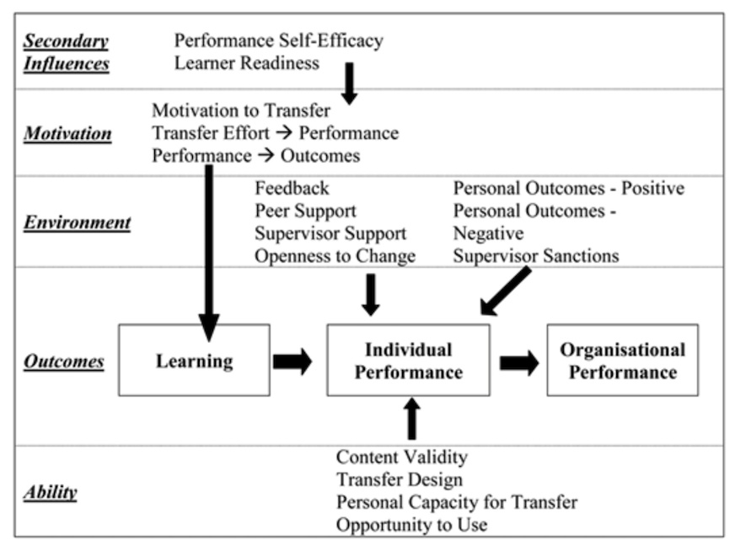 To implement the LTSI, an organization, employee or researcher will email the LTSI to participants with the week following the last day of their training. This timeframe is appropriate because some factors (such as Perceived content validity) focus on the time immediately after training while other factors (such as Supervisor support) require that trainees are back at work. Participation with the survey is voluntary and email reminders are sent to the trainee one week after the first email. LTSIs typically contain between 60 and 80 statements that are intended to measure the 16 factors most likely to influence learning transfer. The answer scales on LTSIs are typically Likert-type scales ranging from 1 (strongly disagree) to 5 (strongly agree). For each statement, the respondents select one response between 1 and 5. Here is a list of the 16 factors with definitions and item examples to show how the LTSI works: Specific Factors These eleven specific factors aim to gauge the extent to which the respondents felt about the course and its delivery. 1. Learner readiness: Learner readiness is defined as the extent to which respondents feel prepared to enter and participate in training. Example: Prior to the training, I understood how it would fit my job-related development. 2. Motivation to transfer: The LTSI defines motivation to transfer as “the direction, intensity, and persistence of effort toward utilizing in a work setting skills and knowledge learned.” Example: I get excited when I think about trying to use my new learning on my job. 3. Positive personal outcomes: This factor refers to whether the participants feel that apply training on the job leads to positive outcomes. Example: Employees in my organization are rewarded when they utilize newly learned skills on the job. 4. Negative personal outcomes: The extent to which participants believe that not applying skills and knowledge learned in training will lead to outcomes that are negative. Example: “If | Source: Holton III, E.F., Bates, R.A. and Ruona, W.E.A. (2000), Development of a generalized learning transfer system inventory. Human Resource Development Quarterly, 11: 333-360. | Holton III, Elwood F., Reid A. Bates, and Wendy EA Ruona. "Development of a generalized learning transfer system inventory." Human resource development quarterly 11.4 (2000): 333-360. | Relevant to training and placement practices | No | MTU
53 | TIP Model (Technology Integration Planning) | The TIP model gives teachers a general approach to addressing challenges involved in integrating technology into teaching. The TIP model serves as a helpful guide on procedures and to address issues for new teachers and those just beginning to integrate technology into their classroom. The TIP has five phases. Determining relative advantage, Decide on objectives and assessments, Design integration strategies, Prepare the instructional environment, and Evaluate and revise integration strategies | The TIP model designed for teachers, especially those new to technology. It helps teachers to plan for effective classroom uses of technology. TIP is composed of five distinct phases. Each phase is accompanied by a checklist of questions to insure effective uses. Phase 1: Relative advantage: Figuring out instructional problems. Deciding if a technology-based solution is best. Ask questions as to the impact of a technology-based solution. Phase 2: Objectives and assessments: State desired outcomes in terms of improving students' Achievement, Attitude, Performance, Match appropriate assessment strategies to each outcome. Phase 3: Integration strategies: Decide on activities that incorperate technology resources. Use websites such as Blue Web 'N to help plan lessons and find resouces. Phase 4: Instructional environment: Deciding on resources and conditions to support the activities. Put the resources and conditions into place for the best support. Requires the most planning and checking. Phase 5: Evaluation and revision: Collect information on student achievement. Determine if the activities were successful in meeting outcomes. Determine what can be improved for next time. | Source: | 1. Roblyer, M.D. Integrating Educational Technology into Teaching 2006. Pearson Education Inc. Chapter 2 pages 52-62 https://doi.org/10.1002/j.2168-9830.1993.tb00065.x Okojie, Mabel CPO, Anthony A. Olinzock, and Tinukwa C. Okojie-Boulder. "The pedagogy of technology integration." Journal of technology studies 32.2 (2006): 66-71. | Relevant in all teaching practices | Yes | MTU
54 | 5E Instructional Model (Engage, Explore, Explain, Elaborate, Evaluate) | The 5E model uses a constructivist approach to learning, which means it focuses on students constructing knowledge from experiences. The Biological Sciences Curriculum Study (BSCS) initially developed the 5E model, or center inquiry practices, in a cycle that provided a process to facilitate learning. Since then, the model has been widely adopted and adapted by a variety of groups, but the initial goal remains the same. | The 5E instructional model consists of five phases: engage, explore, explain, elaborate, and evaluate. Throughout the process, students work collaboratively to observe, investigate, analyze, and draw conclusions. Meanwhile, the teacher serves as a facilitator, guiding students in the learning process. This framework can be used to teach STEM subjects, like math and science, to introduce and investigate new concepts. Plus the 5E model provides students the opportunity to explore new concepts critically and retain information through meaningful learning experiences. In fact, research shows that the 5E model is tied to "a significantly better acquisition of scientific concepts” compared to traditional textbook focused instruction. The 5Es describe the phases of this inquiry-based learning cycle. As students move through the 5E learning cycle, they build on to their prior knowledge and construct meaning about the concept at hand. 1. Engage: Engage is the first phase of the 5E model. During this phase, teachers are activating students’ prior knowledge to identify what students know or do not know about the upcoming concept. As teachers tap into students’ background knowledge, students can make connections and teachers can identify any knowledge gaps. This phase also serves to pique students’ interest and curiosity about the topic at hand. To engage students, ask open-ended questions, lead a class discussion, or view videos to introduce a concept. 2. Explore: During the Explore phase, teachers are guiding students in exploration and problem-solving in a concrete way. Through hands-on activities, such as creating models or conducting experiments, students can investigate the new concept and discuss ideas and observations with their peers. 3. Explain: The Explain phase is run by the teacher. During this phase, the teacher facilitates a whole-class discussion by asking questions, comparing student responses, and helping to guide the class towards the key ideas being taugh | 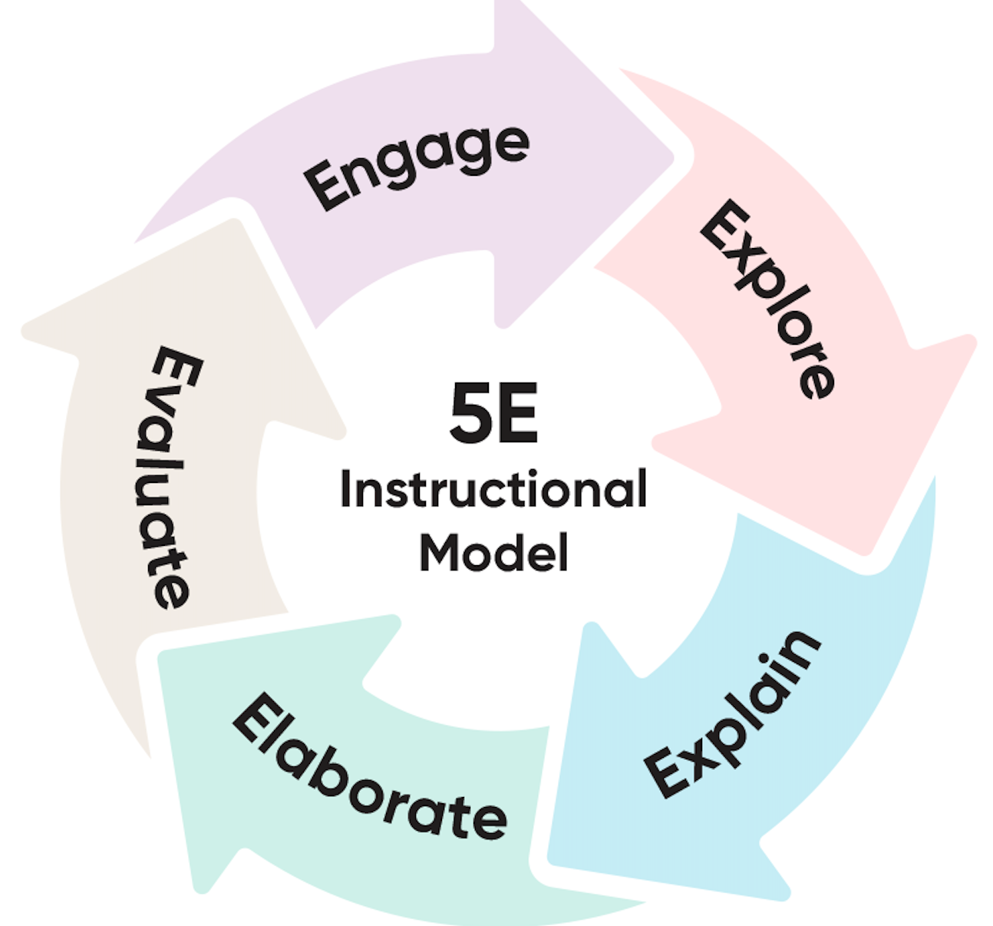 Source: https://www.hmhco.com/blog/5e-instructional-model#:~:text=The%205E%20instructional%20model%20consists,students%20in%20the%20learning%20process. | Bybee, Rodger W., et al. "The BSCS 5E instructional model: Origins and effectiveness." Colorado Springs, Co: BSCS 5.88-98 (2006). Jobrack, Beverlee. "The 5E Instructional Model: Engage Explore Explain Evaluate Extend." From Science, Technology, Engineering and Mathematics. https://www. mnheonline. com/secondaryscience. pdf (2013). | Relevant in all teaching practices. Bybee, Rodger W. "Using the BSCS 5E instructional model to introduce STEM disciplines." Science and Children 56.6 (2019): 8-12. | Yes | MTU
55 | Content-Based Instruction Model | The content-based instruction (CBI) has been in academic circles since the mid-1980s, it is gaining popularity as an effective form of teaching. content being taught” (Krahnke, as cited in Richards & Rodgers, 2001, p. 204). This teaching approach is considered by many researchers an effective and realistic teaching method in terms of combining language and content learning. Content-based instruction is a teaching approach where learners study language through meaningful content. It motivates students to learn because the subject matter is interesting, and allows them to apply their learned language skills in a different context instead of rotely memorizing vocabulary. Content‐based instruction (CBI) is an umbrella term referring to instructional approaches that make a dual, though not necessarily equal, commitment to language and content‐learning objectives. CBI has been translated into practice in diverse ways in response to student needs at primary, secondary, tertiary, and adult education levels, in foreign, second, and multiple language contexts. | Here are the different ways that CBI is implemented in the classroom: 1. Theme-based model: Students learn content from an overlying theme or set of topics. Teachers create language activities for students based on the content theme. 2. Sheltered Model: Students acquiring a second language attend school taught in the second language along native speaker classmates. 3. Adjunct Model: Students enroll into two linked courses (one content course and one language course). Both courses complement each other with coordinating assignments. | Source: CBI as proposed by Brinton, Snow, and Wesche (1989) | Brinton, D. M., Snow, M. A., & Wesche, M. B. (1989). Content-based second language instruction. New York, NY: Newbury House. Brinton, D. M., Snow, M. A., & Wesche, M. B. (2003). Content-based second language instruction (Classics ed.). Ann Arbor, MI: University of Michigan Press. | Relevant to languages only. Some modified and extended CBI approaches address other teaching practices. | No | MTU
56 | Anchored Instruction Model |  |  |  |  |  |  | LIEPU
57 | Cognitive Apprenticeship |  |  |  |  |  |  | LIEPU
58 | Gagne’s Nine Events of Instruction |  |  |  |  |  |  | LIEPU
59 | Robert Gagné’s Taxonomy of Learning |  |  |  |  |  |  | LIEPU
60 | Flipped Classroom |  |  |  |  |  |  | LIEPU
61 | Merrill’s Principles of Instruction (MPI) |  |  |  |  |  |  | LIEPU
62 | Tyler-Taba Model |  |  |  |  |  |  | LIEPU
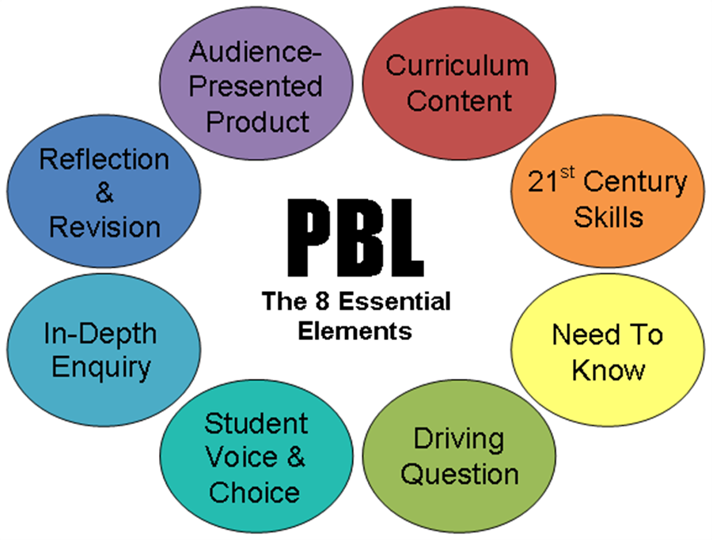
63 | Design-based research approach | For research involving the development of teaching and learning innovations or the systematic design and study of instructional strategies and tools, design-based research (DBR) is commonly employed as a research method framework (Barab & Squire, 2004; Brown, 1992; Collins, 1992; Dede, 2004). DBR is an emerging paradigm for the study of learning in context, especially in technology-enhanced learning environments. The use of DBR enables educational researchers to grasp problems through its iterative development and emphasis on authentic contexts, and it allows a better understanding of the goals and implications of the research (Joseph, 2004)DBR methods focus on designing and exploring the whole range of designed innovations to optimize the design as much as possible. DBR, a pragmatic research approach, has gradually received extensive attention in various fields of engineering education, including the nanotechnology field (Middleton, Gorard, Taylor, & Bannan-Ritland, 2008). Since DBR aims to make sense of the complexity inherent in the authentic context, it is considered appropriate for research on applying knowledge to consequential problems and reflecting on that endeavor (Rick & Guzdial, 2006). | The Design-Based Research Collective (2003, p5) proposes that good DBR exhibits the following five characteristics (1) the central goals of designing learning environments and developing theories or “proto-theories” of learning are intertwined. (2) development and research take place through continuous cycles of design, enactment, analysis, and redesign (Collins, 1992). (3) research on designs must lead to sharable theories that help communicate relevant implications to practitioners and other educational designers. (4) research must account for how designs function in authentic settings. (5) the development of such accounts relies on methods that can document and connect processes of enactment to outcomes of interest. Therefore, DBR provides numerous opportunities for the exchange of expertise across disciplinary boundaries” | 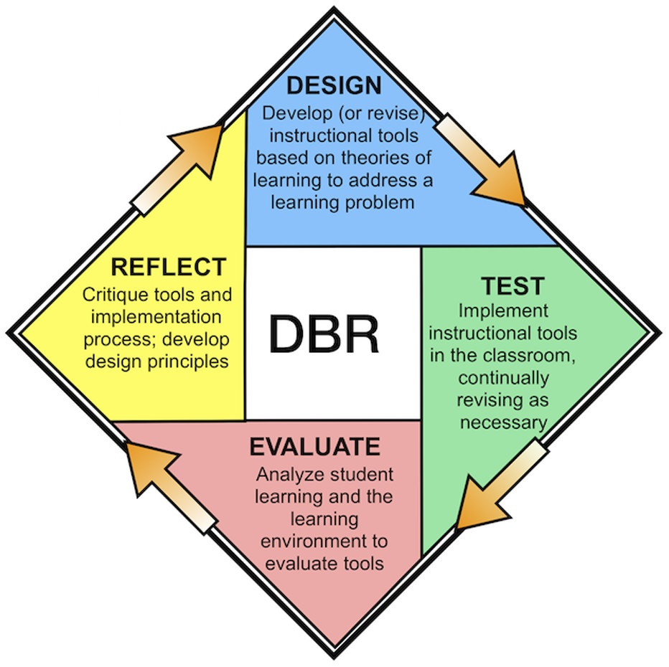 Source: Scott E.E., Wenderoth M.P., Jennifer H. Doherty J.H.(2020). Design-Based Research: A Methodology to Extend and Enrich Biology Education Research. CBE—Life Sciences Education. 19(3) | Yueh et al. (2014). Developing Digital Courseware for a Virtual Nano-Biotechnology Laboratory: A Design-based Research Approach. Educational Technology & Society, 17 (2), 158–168. Scott et al. (2020). Design-Based Research: A Methodology to Extend and Enrich Biology Education Research. CBE—Life Sciences Education. 19(3). DOI: 10.1187/cbe.19-11-0245 Baumgartner et al. (2003). Design-Based Research: An Emerging Paradigm for Educational Inquiry. Educational researcher. 32(1):5-8, 35-37. DOI: 10.3102/0013189X032001005 | Relevant in all teaching practices https://en.wikipedia.org/wiki/Design-based_research | Yes | NIC
64 | Problem-based learning | Problem-Based Learning (PBL) is a student-centered approach to learning that involves groups of students working to solve a real-world problem, quite different from the direct teaching method of a teacher presenting facts and concepts about a specific subject to a classroom of students. Through PBL, students not only strengthen their teamwork, communication, and research skills, but they also sharpen their critical thinking and problem-solving abilities essential for life-long learning. In implementing PBL, the teaching role shifts from that of the more traditional model that follows a linear, sequential pattern where the teacher presents relevant material, informs the class what needs to be done, and provides details and information for students to apply their knowledge to a given problem. With PBL, the teacher acts as a facilitator; the learning is student-driven with the aim of solving the given problem (note: the problem is established at the onset of learning opposed to being presented last in the traditional model). Also, the assignments vary in length from relatively short to an entire semester with daily instructional time structured for group work. | • Establish the learning outcomes (i.e., what is it that you want your students to really learn and to be able to do after completing the learning project). • Find a real-world problem that is relevant to the students; often the problems are ones that students may encounter in their own life or future career. • Discuss pertinent rules for working in groups to maximize learning success. • Practice group processes: listening, involving others, assessing their work/peers. • Explore different roles for students to accomplish the work that needs to be done and/or to see the problem from various perspectives depending on the problem (e.g., for a problem about pollution, different roles may be a mayor, business owner, parent, child, neighboring city government officials, etc.). • Determine how the project will be evaluated and assessed. Most likely, both self-assessment and peer-assessment will factor into the assignment grade. | Source: https://educationaltechnology.net/problem-based-learning-pbl/ | D. Santos-Martin, J. Alonso-Martinez, J. Eloy-Garcia Carrasco and S. Arnaltes,(2012). Problem-Based Learning in Wind Energy Using Virtual and Real Setups. IEEE Transactions on Education, 55, 126-134. doi: 10.1109/TE.2011.2151195. Fernando Martinez-Rodrigo, Luis Carlos Herrero-De Lucas, Santiago de Pablo, Alexis B. Rey-Boue. (2017). Using PBL to Improve Educational Outcomes and Student Satisfaction in the Teaching of DC/DC and DC/AC Converters. IEEE Transactions on Education, 60, 229-237 ERIK DE GRAAFF, ANETTE KOLMOS (2003). Characteristics of Problem-Based Learning. Int. J. Engng 19, 657-662 | Relevant in all teaching practices https://educationaltechnology.net/problem-based-learning-pbl/ | Yes | NIC

