参数与指标
事件研究（黄金坑启动）
all · 2022-01-01~2026-01-31 · 最长持有 60 日 · 触发 3690 次（纳入 3690）
导出时间 2026-10-12 13:58:10 ｜ 工具版本 v2.1.47 ｜ 格式 qlib-xlsx-export v1 ｜ 净值持有周期 60 日 · 成本 0.0040

一、因子与参数
因子名称 | 黄金坑启动
因子 ID | 15e46752a2ae
原文公式 | And(And(And(And(And(And(And(And(And(And(Gt($fin_pe_ttm,0),Gt($fin_pb,0)),Gt($fin_rev_yoy_q,0)),Gt($fin_np_yoy_q,0)),Gt($fin_gross_margin_q,0)),Gt($fin_roe_q,0)),Gt($fin_roa_q,0)),Gt($fin_eps_q,0)),And(Ge($volume,Mul(Ref($volume,1),1.1)),Gt($close,Ref($close,1)))),Ge($close,Mul(Ref($close,1),1.05))),Ge(And(And(Ge(Ref(Sum(Gt(Abs(Lt(Less(40,Mul(Sub(Div(EMA($low,3),Mul(EMA($low,30),0.849)),1),100)),0)),0),120),1),6),Ge(Ref(Sum(Gt(Abs(And(Gt(Mul(EMA(Div($mf_amount_xl,$market_cap),60),60),EMA(Mul(EMA(Div($mf_amount_xl,$market_cap),60),60),10)),Lt($close,Mul(0.8,Ref($close,60))))),0),120),1),6)),Ge(Ref(Sum(Gt(Abs(And(And(Gt(Mul(Sub(1,Div($close,Ref($close,55))),100),27),Eq($low,Min($low,34))),Ge(Mul(Sub(Div($close,$low),1),100),1))),0),120),1),1)),1))
具体公式（表达式） | And(And(And(And(And(And(And(And(And(And(Gt($fin_pe_ttm,0),Gt($fin_pb,0)),Gt($fin_rev_yoy_q,0)),Gt($fin_np_yoy_q,0)),Gt($fin_gross_margin_q,0)),Gt($fin_roe_q,0)),Gt($fin_roa_q,0)),Gt($fin_eps_q,0)),And(Ge($volume,Mul(Ref($volume,1),1.1)),Gt($close,Ref($close,1)))),Ge($close,Mul(Ref($close,1),1.05))),Ge(And(And(Ge(Ref(Sum(Gt(Abs(Lt(Less(40,Mul(Sub(Div(EMA($low,3),Mul(EMA($low,30),0.849)),1),100)),0)),0),120),1),6),Ge(Ref(Sum(Gt(Abs(And(Gt(Mul(EMA(Div($mf_amount_xl,$market_cap),60),60),EMA(Mul(EMA(Div($mf_amount_xl,$market_cap),60),60),10)),Lt($close,Mul(0.8,Ref($close,60))))),0),120),1),6)),Ge(Ref(Sum(Gt(Abs(And(And(Gt(Mul(Sub(1,Div($close,Ref($close,55))),100),27),Eq($low,Min($low,34))),Ge(Mul(Sub(Div($close,$low),1),100),1))),0),120),1),1)),1))
导出模块 | event_study |  | 工具版本 | 2.1.47 |  | 导出时间 | 2026-10-12 13:58:10 | 股票池 | all
起始日期 | 2022-01-01 |  | 结束日期 | 2026-01-31 |  | 持仓周期(交易日) | 60 | 成本(往返) | 0.0040
基准 | SH000300 |  | 初始资金 | 1000000000 |  | 最长持有(交易日) | 60 | 成交时点 | t1_open
严格涨跌停 | TRUE |  | 再平衡死区 | 0

二、触发事件统计

三、持有期收益曲线
T+1 收盘买入，持有 k 个交易日；单位 %
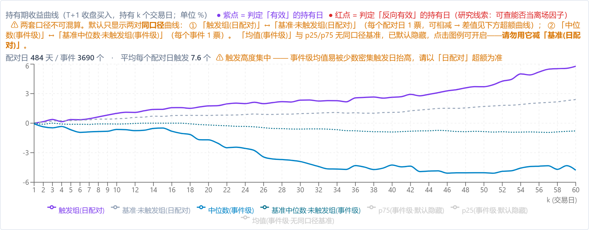

四、超额曲线（触发组 − 基准·未触发组）
单位 %

五、净值曲线（两种资金方案 + 基准）
持有周期 60 交易日 · 成本（往返）0.0040 · 初始资金 1,000,000,000
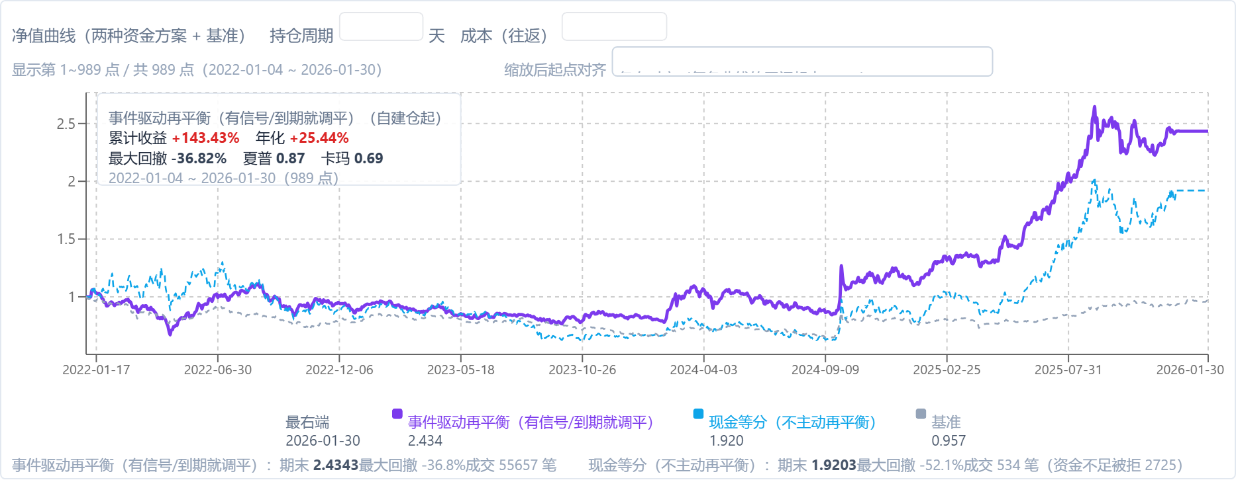

六、持有 60 日收益分布
每次触发一个样本；纵轴 = 该区间事件占比

七、净值曲线统计（收益 / 回撤）
资金方案 | 期末净值 | 累计收益 | 年化 | 最大回撤 | 夏普 | 卡玛 | 成交笔数
事件驱动再平衡（有信号/到期就调平） | 2.4343 | 143.4% | 25.5% | -36.8% | 0.87 | 0.69 | 55657
现金等分（不主动再平衡） | 1.9203 | 92.0% | 18.1% | -52.1% | 0.60 | 0.35 | 534

· 触发样本 = 每个交易日触发的标的；持有期收益按「信号日取信号、T+1 买入、持有 k 个交易日」计 ✓（与净值曲线同一口径 ✓）。 · 两种资金方案：`event_even` = 只在**买入成交或到期卖出**当天把全部持仓再平衡到等权；`cash_even` = 新买入在**可用现金**内等分、其余时间不再平衡 ✓。 · ⚠ 未模拟「跌停卖不出」，也未计流动性冲击；成本按往返合计、按调仓日扣 ✓。 · ⚠ 成交明细上限 2 万笔（防内存）⇒ 触发次数极多时，第 2 页持仓可能缺尾部 ✓。

