参数与指标
事件研究（AR13_ID60）
all · 2022-01-01~2026-01-31 · 最长持有 60 日 · 触发 183 次（纳入 183）
导出时间 2026-10-12 22:55:56 ｜ 工具版本 v2.1.70 ｜ 格式 qlib-xlsx-export v1 ｜ 净值持有周期 60 日 · 成本 0.0040

一、因子与参数
因子名称 | AR13_ID60
因子 ID | fd5587602544
原文公式 | And(And(And(And(And(And(And(And(And(And(And(And(And(Ge(BARSCOUNT($close),100),Gt(Sum(If(Gt(Ref(And(And(And(And(And(Ge(LLVBARS($close,16),5),Le(LLVBARS($close,16),15)),Ge(Sub(Div($close,DYN_REF($close,LLVBARS($close,16))),1),0.2)),Ge(Sub(Add(Add(LLVBARS($close,16),1),DYN_REF(HHVBARS($close,60),Add(LLVBARS($close,16),1))),LLVBARS($close,16)),5)),Ge(Sub(1,Div(DYN_REF($close,LLVBARS($close,16)),DYN_REF($close,Add(Add(LLVBARS($close,16),1),DYN_REF(HHVBARS($close,60),Add(LLVBARS($close,16),1)))))),0.08)),Eq(Sum(If(And(And(And(And(Ge(LLVBARS($close,16),5),Le(LLVBARS($close,16),15)),Ge(Sub(Div($close,DYN_REF($close,LLVBARS($close,16))),1),0.2)),Ge(Sub(Add(Add(LLVBARS($close,16),1),DYN_REF(HHVBARS($close,60),Add(LLVBARS($close,16),1))),LLVBARS($close,16)),5)),Ge(Sub(1,Div(DYN_REF($close,LLVBARS($close,16)),DYN_REF($close,Add(Add(LLVBARS($close,16),1),DYN_REF(HHVBARS($close,60),Add(LLVBARS($close,16),1)))))),0.08)),1,0),20),1)),2),0),1,0),41),0)),And(Ge(Add(Less(BARSLAST(Gt(Ref(And(And(And(And(And(Ge(LLVBARS($close,16),5),Le(LLVBARS($close,16),15)),Ge(Sub(Div($close,DYN_REF($close,LLVBARS($close,16))),1),0.2)),Ge(Sub(Add(Add(LLVBARS($close,16),1),DYN_REF(HHVBARS($close,60),Add(LLVBARS($close,16),1))),LLVBARS($close,16)),5)),Ge(Sub(1,Div(DYN_REF($close,LLVBARS($close,16)),DYN_REF($close,Add(Add(LLVBARS($close,16),1),DYN_REF(HHVBARS($close,60),Add(LLVBARS($close,16),1)))))),0.08)),Eq(Sum(If(And(And(And(And(Ge(LLVBARS($close,16),5),Le(LLVBARS($close,16),15)),Ge(Sub(Div($close,DYN_REF($close,LLVBARS($close,16))),1),0.2)),Ge(Sub(Add(Add(LLVBARS($close,16),1),DYN_REF(HHVBARS($close,60),Add(LLVBARS($close,16),1))),LLVBARS($close,16)),5)),Ge(Sub(1,Div(DYN_REF($close,LLVBARS($close,16)),DYN_REF($close,Add(Add(LLVBARS($close,16),1),DYN_REF(HHVBARS($close,60),Add(LLVBARS($close,16),1)))))),0.08)),1,0),20),1)),2),0)),41),DYN_REF(HHVBARS($close,3),Less(BARSLAST(Gt(Ref(And(And(And(And(And(Ge(LLVBARS($close,16),5),Le(LLVBARS($close,16),15)),Ge(Sub(Div($close,DYN_REF($close,LLVBARS($close,16
具体公式（表达式） | And(And(And(And(And(And(And(And(And(And(And(And(And(Ge(BARSCOUNT($close),100),Gt(Sum(If(Gt(Ref(And(And(And(And(And(Ge(LLVBARS($close,16),5),Le(LLVBARS($close,16),15)),Ge(Sub(Div($close,DYN_REF($close,LLVBARS($close,16))),1),0.2)),Ge(Sub(Add(Add(LLVBARS($close,16),1),DYN_REF(HHVBARS($close,60),Add(LLVBARS($close,16),1))),LLVBARS($close,16)),5)),Ge(Sub(1,Div(DYN_REF($close,LLVBARS($close,16)),DYN_REF($close,Add(Add(LLVBARS($close,16),1),DYN_REF(HHVBARS($close,60),Add(LLVBARS($close,16),1)))))),0.08)),Eq(Sum(If(And(And(And(And(Ge(LLVBARS($close,16),5),Le(LLVBARS($close,16),15)),Ge(Sub(Div($close,DYN_REF($close,LLVBARS($close,16))),1),0.2)),Ge(Sub(Add(Add(LLVBARS($close,16),1),DYN_REF(HHVBARS($close,60),Add(LLVBARS($close,16),1))),LLVBARS($close,16)),5)),Ge(Sub(1,Div(DYN_REF($close,LLVBARS($close,16)),DYN_REF($close,Add(Add(LLVBARS($close,16),1),DYN_REF(HHVBARS($close,60),Add(LLVBARS($close,16),1)))))),0.08)),1,0),20),1)),2),0),1,0),41),0)),And(Ge(Add(Less(BARSLAST(Gt(Ref(And(And(And(And(And(Ge(LLVBARS($close,16),5),Le(LLVBARS($close,16),15)),Ge(Sub(Div($close,DYN_REF($close,LLVBARS($close,16))),1),0.2)),Ge(Sub(Add(Add(LLVBARS($close,16),1),DYN_REF(HHVBARS($close,60),Add(LLVBARS($close,16),1))),LLVBARS($close,16)),5)),Ge(Sub(1,Div(DYN_REF($close,LLVBARS($close,16)),DYN_REF($close,Add(Add(LLVBARS($close,16),1),DYN_REF(HHVBARS($close,60),Add(LLVBARS($close,16),1)))))),0.08)),Eq(Sum(If(And(And(And(And(Ge(LLVBARS($close,16),5),Le(LLVBARS($close,16),15)),Ge(Sub(Div($close,DYN_REF($close,LLVBARS($close,16))),1),0.2)),Ge(Sub(Add(Add(LLVBARS($close,16),1),DYN_REF(HHVBARS($close,60),Add(LLVBARS($close,16),1))),LLVBARS($close,16)),5)),Ge(Sub(1,Div(DYN_REF($close,LLVBARS($close,16)),DYN_REF($close,Add(Add(LLVBARS($close,16),1),DYN_REF(HHVBARS($close,60),Add(LLVBARS($close,16),1)))))),0.08)),1,0),20),1)),2),0)),41),DYN_REF(HHVBARS($close,3),Less(BARSLAST(Gt(Ref(And(And(And(And(And(Ge(LLVBARS($close,16),5),Le(LLVBARS($close,16),15)),Ge(Sub(Div($close,DYN_REF($close,LLVBARS($close,16
导出模块 | event_study |  | 工具版本 | 2.1.70 |  | 剔除信号日涨停 | TRUE | 剔除成交日涨停 | TRUE
剔除成交日停牌 | TRUE |  | 剔除成交日ST | TRUE |  | 剔除创业板 | FALSE | 剔除科创板 | FALSE
复权口径 | backward |  | 导出时间 | 2026-10-12 22:55:56 |  | 股票池 | all | 起始日期 | 2022-01-01
结束日期 | 2026-01-31 |  | 持仓周期(交易日) | 60 |  | 成本(往返) | 0.0040 | 基准 | SH000300
初始资金 | 1000000000 |  | 最长持有(交易日) | 60 |  | 成交时点 | t1_open | 严格涨跌停 | TRUE
再平衡死区 | 0

二、触发事件统计

三、持有期收益曲线
T+1 开盘买入，持有 k 个交易日；单位 %
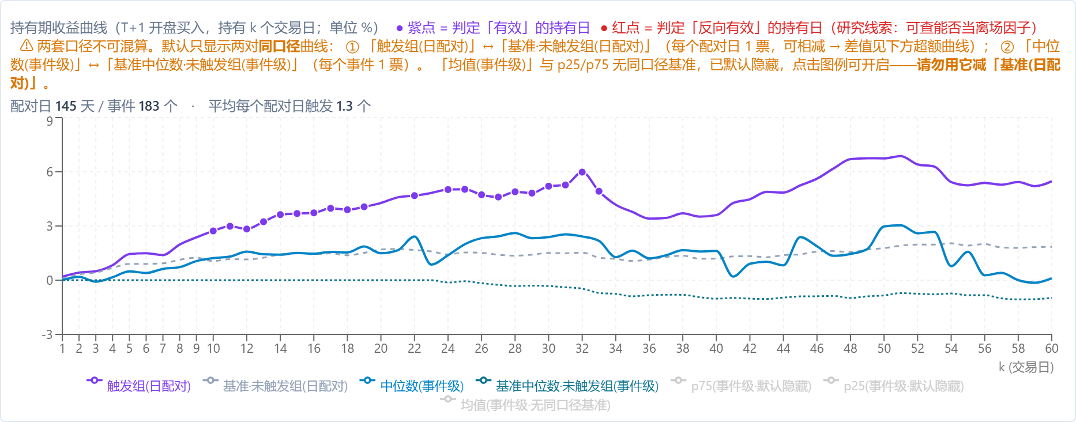

四、超额曲线（触发组 − 基准·未触发组）
单位 %

五、净值曲线（两种资金方案 + 基准）
持有周期 60 交易日 · 成本（往返）0.0040 · 初始资金 1,000,000,000
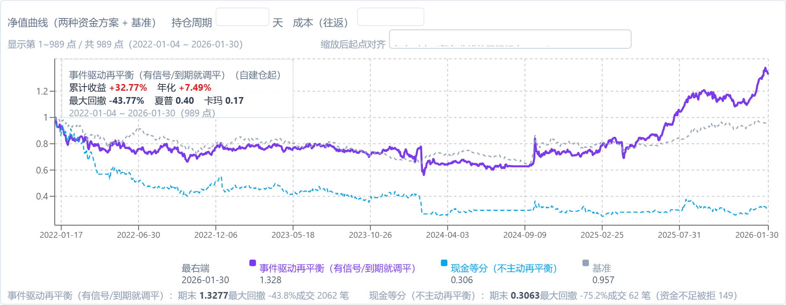

六、持有 60 日收益分布
每次触发一个样本；纵轴 = 该区间事件占比

七、净值曲线统计（收益 / 回撤）
资金方案 | 期末净值 | 累计收益 | 年化 | 最大回撤 | 夏普 | 卡玛 | 成交笔数
事件驱动再平衡（有信号/到期就调平） | 1.3277 | 32.8% | 7.5% | -43.8% | 0.40 | 0.17 | 2062
现金等分（不主动再平衡） | 0.3063 | -69.4% | -26.1% | -75.2% | -0.64 | -0.35 | 62

· 触发样本 = 每个交易日触发的标的；持有期收益按「信号日取信号、T+1 买入、持有 k 个交易日」计 ✓（与净值曲线同一口径 ✓）。 · 两种资金方案：`event_even` = 只在**买入成交或到期卖出**当天把全部持仓再平衡到等权；`cash_even` = 新买入在**可用现金**内等分、其余时间不再平衡 ✓。 · ⚠ 未模拟「跌停卖不出」，也未计流动性冲击；成本按往返合计、按调仓日扣 ✓。 · ⚠ 成交明细上限 2 万笔（防内存）⇒ 触发次数极多时，第 2 页持仓可能缺尾部 ✓。 · 触发组口径（文件里的「剔除信号日涨停 / 剔除成交日涨停 / 剔除成交日停牌 / 剔除成交日ST / 剔除创业板 / 剔除科创板 / 复权口径」✓）：回灌请按**同开关**执行 ✓ —— 旧文件没记这几项 ✗，回灌只能按页面默认 ⇒ 与弹窗**必然对不上** ✗（实测差 1 个百分点 ✓）。

