参数与指标
持仓期收益曲线（含三档成本）
负市值对数 调仓期 60 交易日（默认 = 预测周期 h=60） 17 次调仓 分位档：最强 Q10 / 最弱 Q1
分段（最强−最弱，算累）：2023起 +56.0pp （每段都赢 ✓） 十档单调性 ρ=0.99
因子公式：Mul(-1,Log($market_cap)) ｜ 导出时间 2026-10-12 22:58:04 ｜ 工具版本 v2.1.70 ｜ 格式 qlib-xlsx-export v1

一、因子与参数
因子名称 | 负市值对数
因子 ID | fe8da390842b
原文公式 | 负市值对数:-log(market_cap);
具体公式（表达式） | Mul(-1,Log($market_cap))
股票池 | all |  | 起始日期 | 2022-01-01 |  | 结束日期 | 2026-01-31 | 持仓周期(交易日) | 60
预测周期h | 60 |  | 调仓期(交易日) | 60 |  | 成本(往返) | 0.0040 | 基准 | SH000300
曲线口径 | compound |  | 分位档 | 10 |  | 绩效成本档 | 0.0040 | 初始资金 | 1000000000
成交时点 | t1_close |  | 严格涨跌停 | TRUE |  | 再平衡死区 | 0 | 曲线成本档 | 无成本、往返 0.004、往返 0.008
复权方式 | backward |  | 预热缓冲(交易日) | 250 |  | 分位组数 | 10 | 剔除信号日涨停 | TRUE
剔除成交日涨停 | TRUE |  | 剔除 T+1 停牌 | TRUE |  | 剔除创业板 | FALSE | 剔除科创板 | FALSE
价格整分 | TRUE

二、曲线口径
本次口径：复利（每期收益滚入本金 = 实盘满仓复投） ｜ 另一口径：算术累加（各期收益直接相加） ⚠ 两口径不可混比：强策略复利显著高于算术（长期可达数十~上百个百分点），弱/无效策略反之。

三、组合 / 基准绩效（成本档：往返 0.004）
组合：最强分位组 Q10
年化 | 最大回撤 | 夏普 | 索提诺 | 卡玛
25.0% | -46.3% | 0.71 | 1.04 | 0.54
年化波动 +46.7%｜日胜率 +56.1%｜样本 962 个交易日｜逐日盯市、rf=0｜三档年化：无成本 +25.4% / 0.004 +25.0% / 0.008 +24.6%
基准 沪深300
年化 | 最大回撤 | 夏普 | 索提诺 | 卡玛
-1.4% | -35.1% | 0.01 | 0.02 | -0.04
年化波动 +18.1%｜日胜率 +47.3%｜样本 962 个交易日｜逐日盯市、rf=0

四、持仓期净值曲线
持仓期净值曲线（三档成本 · 同一组合 · 起点 = 1 · 复利）
切换组合（导出文件中为静态文字，取本次选中的档 ✓）：最强分位组 Q10 ｜基准：沪深300 中证1000 中证500 中证800 中证全指
每 60 个交易日调仓一次（调仓日取信号、T+1 买入、持有到下一个调仓日）；每日取因子最强端的 1/10（等分）⇒ 持仓约 485 只，只数逐期变化；点图例可显隐曲线
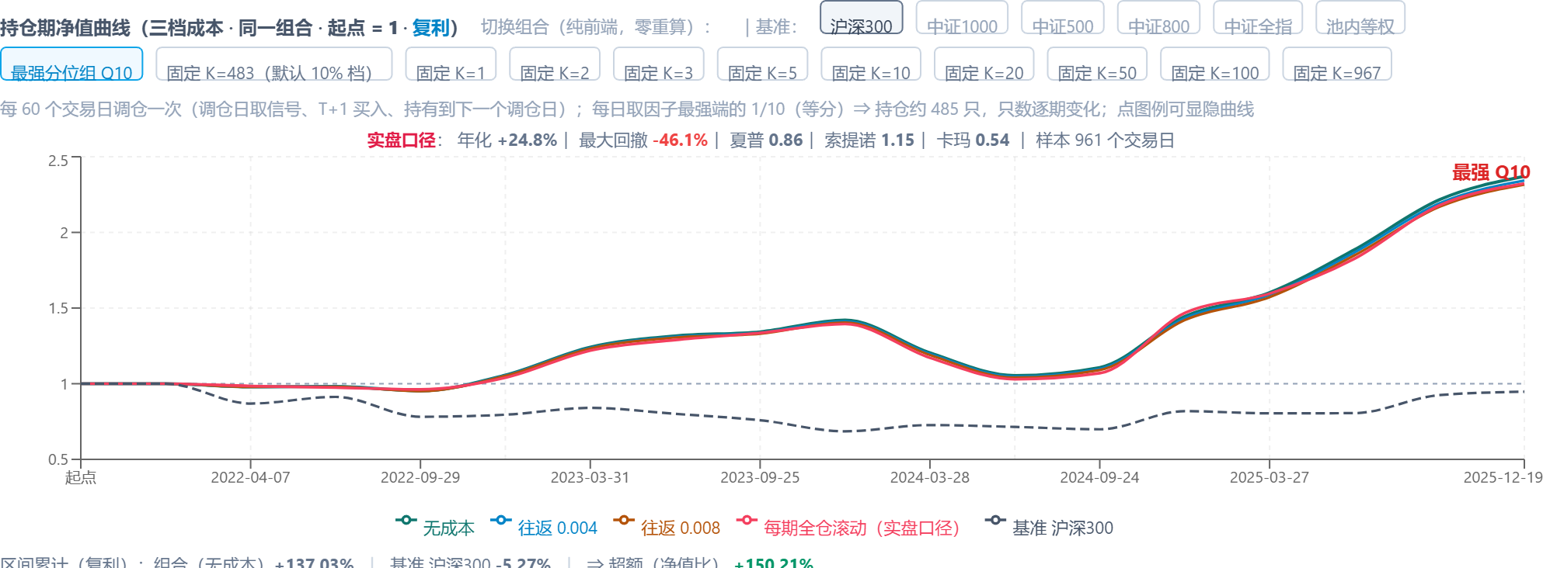

区间累计（复利）：组合（无成本）+137.0%｜基准 沪深300 -5.3%｜⇒ 超额（净值比） +150.2%

简化估算 · 口径说明（读图后可对照核对）：① 费率是往返（买+卖）合计，按调仓期扣、只扣实际调仓的股票（首期建仓不计费）；② 买入端已按剔除开关剔除 T/T+1 涨停、T+1 停牌的样本（与表单剔除开关同口径）；未模拟「跌停卖不出」（无跌停开关），也未计流动性冲击；③ 曲线 = 每期持有组合的收益（调仓日取信号、T+1 买入、持有到下一个调仓日；调仓期默认 = 预测周期 h）—— 本次口径：复利（每期收益滚入本金 = 实盘满仓复投），以 1 为起点、近似净值但不是逐日盯市净值；④ 默认档 = 超额收益最强的分位组（逐期等分，只数与固定 K 档略有差异）；⑤ ⚠ 分红口径差异：上面 5 个指数基准是价格指数、不含分红，而组合与「池内等权」都含分红再投 ⇒ 相对指数的超额里含约 2~3pp/年 的分红差。

五、十分位累计收益曲线
十分位累计收益曲线（无成本 · 起点 0）
最强 Q10 / 最弱 Q1（样本内最优⇒十档不单调时不能当结论）；右轴 = 多空（最强−最弱，逐期价差复利，起点 0；不可实现，仅作参考）；点图例可显隐曲线

六、成本敏感度：不同持仓只数（换手 / 年化成本 / 吞噬比例）
持仓只数 | 每期换手 | 年化成本（往返 0.004） | 年化成本（往返 0.008） | 成本吞噬（往返 0.004） | 每期毛收益
1 | 43.75% | 0.74% | 1.47% | 0.32% | 54.32%
2 | 50.00% | 0.84% | 1.68% | 0.09% | 219.49%
3 | 43.75% | 0.74% | 1.47% | 0.06% | 304.22%
5 | 48.75% | 0.82% | 1.64% | 0.04% | 460.59%
10 | 43.13% | 0.72% | 1.45% | 0.03% | 540.17%
20 | 38.13% | 0.64% | 1.28% | 0.03% | 525.32%
50 | 35.25% | 0.59% | 1.18% | 0.03% | 541.00%
100 | 30.31% | 0.51% | 1.02% | 0.02% | 507.36%
200 | 26.09% | 0.44% | 0.88% | 0.02% | 491.08%
483（默认 10%） | 20.04% | 0.34% | 0.67% | 0.02% | 427.64%
967 | 15.06% | 0.25% | 0.51% | 0.02% | 381.33%
简化估算：买入端已按剔除开关剔除 T/T+1 涨停、T+1 停牌样本，未模拟跌停（卖不出）与流动性冲击；调仓期默认 = 预测周期 h（按预测周期调仓换股），成本按调仓期扣、只扣实际调仓的股票；首期建仓不计费；持仓只数 1/3 仅供边界参考。⚠ 本表按固定持仓只数（同一方向：超额收益最强分位组所在的那一端）计算；默认档（最强分位组）是逐日等分、只数逐日变化，与固定只数略有差异（实测成员中位差 4 只）。⚠ 「每期毛收益」是 label（h 期前视）口径的每期累加毛收益，不是可年化的真实收益 ⇒ 「成本吞噬」只作量级参考，须与曲线同口径解读。 年化按 252.0 交易日；持仓只数与明细曲线的固定档一一对应。

