Notes
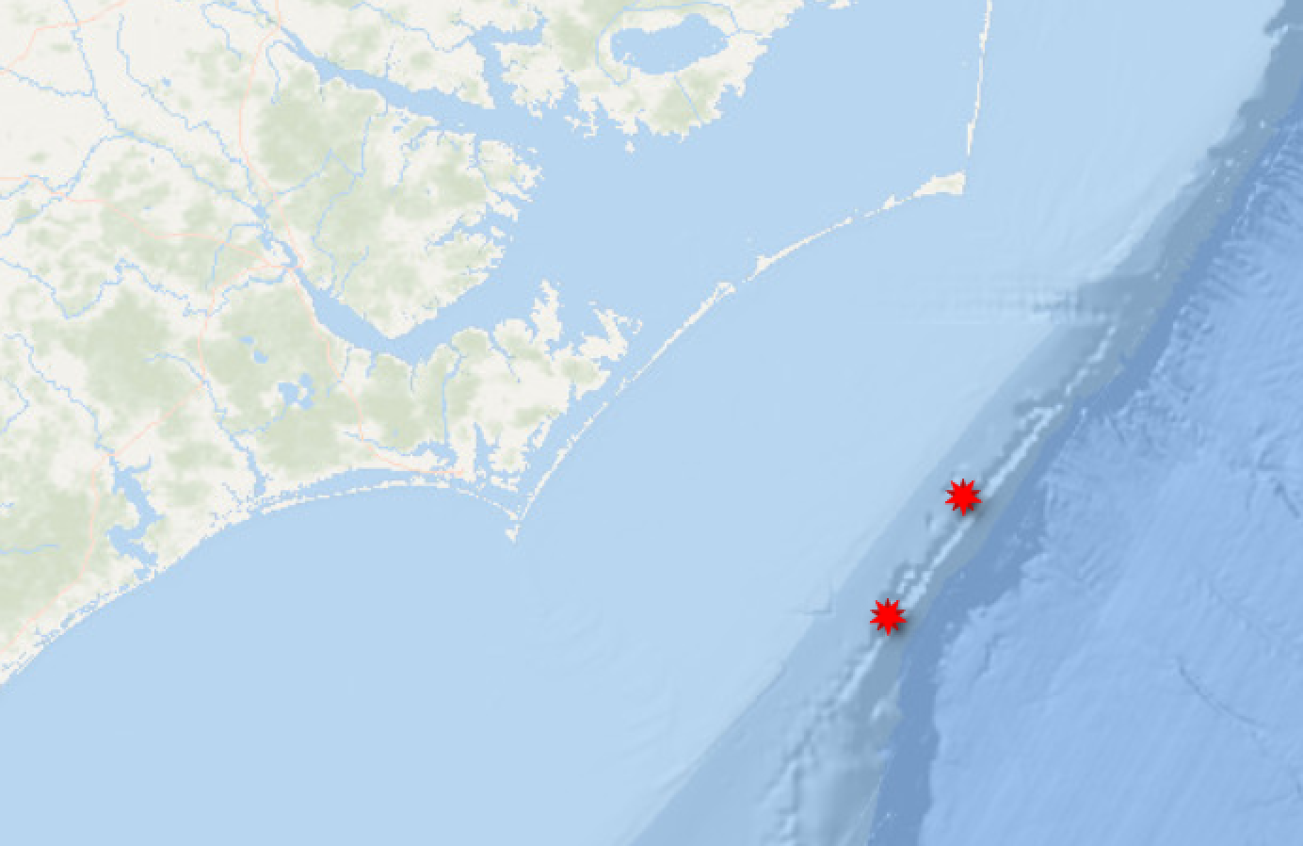
Yellow highlight represents what is new/changed as of 7/25/22
*My sheet is broken down by ecotype, then state, so one study can have multiple rows; I may want to consider breaking down by study type/data type --> ecotype --> state

Consumption by marine mammals on the Northeast U.S. continental shelf_Cadrin_2015
Bottlenose dolphin citations: | 15, 43, 57, 59, 76, 78, 82, 84, 85, 89, 91, 92, 93, 98, 106, 109
15:Leatherwood et al. 1978 | Leatherwood, S., M. W. Deerman, and C. W. Porter. 1978. Food and reproductive status of nine Tursiops truncatus from the Northeastern United States coast. Cetology 28:1-6.
43:Mead and Potter 1990 | Mead, J. G. and C. W. Potter. 1990. Natural history of bottlenose dolphins along the Central Atlantic Coast of the United States. Pages 165-195 in S. Leatherwood and R. R. Reeves, editors. The Bottlenose Dolphin. Academic Press, San Diego.
57:Gonzalez et al. 1994 | Gonzalez, A. F., A. Lopez, A. Guerra, and A. Barreiro. 1994. Diets of marine mammals stranded on the northwestern Spanish Atlantic coast with special reference to Cephalopoda. Fisheries Research 21:179-191.
59:Santos et al. 1994 | Santos, M. B., G. J. Pierce, H. M. Ross, R. J. Reid, and B. Wilson. 1994. Diets of small cetaceans from the Scottish coast. ICES CM 1994/N:11.
76:Barros 1998 | Barros, N. B., R.S. Wells. 1998. Prey and feeding patterns of resident bottlenose dolphins (Tursiops truncatus) in Sarasota Bay, Florida. Journal of Mammalogy 79:1045-1059.
78:Pauly 1998 | Pauly, D. P., A. Trites, E. Capuli, V. Christensen. 1998. Diet composition and trophic levels of marine mammals. ICES J. Mar. Sci. 55:467-481.
82:Barros et al. 2000 | Barros, N. B., E. C. M. Parsons, and T. A. Jefferson. 2000. Prey of offshore bottlenose dolphins from the South China Sea. Aquatic Mammals 26:2-6.
84:Blanco 2001 | Blanco, C., O. Salomon, J.A. Raga. 2001. Diet of the bottlenose dolphin (Tursiops truncatus) in the western Mediterranean Sea. J. Mar. Biol. Ass. U.K. 81:1053-1058.
85:Santos 2001 | Santos, M. B., G.J. Pierce, R.J. Reid, I.A.P. Patterson, H.M. Ross, E. Mente. 2001. Stomach contents of bottlenose dolphins (Turpsiops truncatus) in Scottish waters. J. Mar. Biol. Ass. U.K. 1:873-878.
91:Amir et al. 2005 | Amir, O. A., P. Berggren, S. G. M. Ndaro, and N. S. Jiddawi. 2005. Feeding ecology of the Indo-Pacific bottlenose dolphin (Tursiops aduncus) incidentally caught in the gillnet fisheries off Zanzibar, Tanzania. Esturine, Coastal and Shelf Science 63:429-437.
92:De Pierrepont 2005 | De Pierrepont, J. F., B. Dubois, S. Desormonts, M.B. Santos, J.P. Robin. 2005. Stomach contents of English Channel cetaceans stranded on the coast of Normandy. J. Mar. Biol. 85.
93:Spitz et al. 2006 | Spitz, J., Y. Cherel, S. Bertin, J. Kiszka, A. Dewez, and V. Ridoux. 2011. Prey preferences among the community of deep-diving odontocetes from the Bay of Biscay, Northeast Atlantic. Deep-Sea Research II 58:273-282.
98:Santos 2007 | Santos, M. B., R. Fernandez, A. Lopez, J.A. Martinez, G.J. Pierce. 2007. Variability in the diet of bottlenose dolphin, Tursiops truncatus, in Galician waters, north-western Spain, 1990-2005. J. Mar. Biol. Ass. U.K. 87:231-241.
106:Fernandez 2009 | Fernandez, R., M.B. Santos, M. Carrillo, M. Tejedor, G.J. Pierce. 2009. Stomach contents of cetaceans stranded in the Canary Islands 1996-2006. Journal of Marine Biological Association of the United Kingdom 89:873-883.
109:McCabe 2010 | McCabe, E. J. B., D.P. Gannon, N.B. Barros, R.S. Wells. 2010. Prey selection by resident common dolphins (tursiops truncatus) in Sarasota Bay, Florida. Mar. Biol. 157.
*Reason to exclude: it used diet and prey studies from around the world to come up with the prey to fit into their model

Polychlorinated biphenyls and toxaphene in preferred prey fish of coastal southeastern US bottlenose dolphins (Tursiops truncatus)_Maura_2005
*Reason to exclude: study determined which fish to examine from another source

Observations on Distribution and Intraspecific Variation in Pigmentation Patterns of Odontocete Cetacea in the Western North Atlantic_Mercer_1973

