Relato (WPC)
MV "Bahri Wafi"

DRAUGHT SURVEY REPORT |  |  |  |  |  | PGUA/DS/018/26

CONTENTS |  |  |  |  |  |  |  | PAGE

1) PERSONS CONTACTED/ WITNESSES: |  |  |  |  |  |  |  | 02
2) SHIP'S PARTICULARS |  |  |  |  |  |  |  | 03
3) HOLD'S CAPACITIES / CARGOES / QUANTITIES / SF |  |  |  |  |  |  |  | 03
4)SHIP'S HYDROSTATIC AND TANKS SOUNDING TABLES: |  |  |  |  |  |  |  | 03
5) LOAD LINES |  |  |  |  |  |  |  | 04
6) INITIAL DRAUGHT SURVEY DETAILS |  |  |  |  |  |  |  | 04
7) FINAL DRAUGHT SURVEY DETAILS |  |  |  |  |  |  |  | 04
8) CARGO PARTICULARS |  |  |  |  |  |  |  | 04
9) DRAUGHT SURVEY CERTIFICATE |  |  |  |  |  |  |  | 05
10) INITIAL BALLAST CONDITION |  |  |  |  |  |  |  | 06
11) FINAL BALLAST CONDITION |  |  |  |  |  |  |  | 06 |  | MUDAR APENAS O FINAL BALLAST CONDITION PARA "06" OU "07"
12) INITIAL FRESH WATER CONDITION |  |  |  |  |  |  |  | 07
13) FINAL FRESH WATER CONDITION |  |  |  |  |  |  |  | 07
14) CONSUMABLES / OILS |  |  |  |  |  |  |  | 07

ANNEXES
- SHIP'S PARTICULARS;
- CREW LIST;
- PRE-STOWAGE PLAN;
- LOADING SEQUENCE;
- DRAUGHT SURVEY CERTIFICATE
- BUNKER DELIVERY NOTE
- FINAL CARGO PLAN;
- DETAILED CARGO PLAN PER LOADING TERMINAL;
- LINK TO THE DIGITAL DOCUMENTATION, PHOTOGRAPHS AND VIDEOS;
MV "Bahri Wafi"
PGUA/DS/018/26
DRAUGHT SURVEY REPORT

THIS IS TO CERTIFY THAT the undersigned marine surveyor did, in compliance with instructions received from:

Messrs. Cargill Agricola S/A., . |  |  |  |  |  |  |  |  |  | Messrs. Cargill Agricola S/A., .
Attend on board the referenced vessel on January 24th, 2026 from 7:15 until 10:00 hours, whilst she was anchored at inner roads area 5.2, and on January 25th, 2026 from 15:50 until 18:20 hours, whilst she was berthed alongside wharf 213 at port of Paranaguá, Br - Brazil, with views to perform the initial and final draft surveys, ascertaining the following figures: |  |  |  |  |  |  |  |  |  | Attend on board the referenced vessel on January 24th, 2026 from 7:15 until 10:00 hours, whilst she was anchored at inner roads area 5.2, and on January 25th, 2026 from 15:50 until 18:20 hours, whilst she was berthed alongside wharf 213 at port of Paranaguá, Br - Brazil, with views to perform the initial and final draft surveys, ascertaining the following figures:

1) PERSONS CONTACTED/ WITNESSES:

During the present survey, the following persons were contacted:

MV "Bahri Wafi" |  |  |  |  | Mr. Pylyp Vishtykaylo, the Master |  |  |  |  | the Master
 |  |  |  |  | Mr. Mikhail Tereshonok, the Chief Officer |  |  |  |  | the Chief Officer
 |  |  |  |  | Mr. Denis Ladygin, the Chief Engineer |  |  |  |  | the Chief Engineer

ALPHAMAR AGÊNCIA MARITIMA LTDA |  |  |  |  | Mr. Murilo Florentino da Rocha
(As Local Agents) |  |  |  |  | Mr. Brayan Bolognesi Faust
 |  |  |  |  | Mr. Manoel Carvalho

MARCON AGENCIA MARITIMA |  |  |  |  | Mr. Elcio de Andreda Torres Filho
(As Port Operators) |  |  |  |  | Mr. Jorge Maurico Lemos
 |  |  |  |  | Mr. Josiel do Rosário Justino
 |  |  |  |  | Mr. Osiel Machado Pires
 |  |  |  |  | Mr. Osiel Machado Pires

BRAZILIAN CUSTOMS SURVEYOR |  |  |  |  | Mr. José Carlos Sperandeo

STANDARD BRAZIL MARINE SURVEYS |  |  |  |  | Mr. José Antônio M. G. Pereira
& SERVICES LTDA. |  |  |  |  | the undersigned marine surveyor
 |  |  |  |  | Mr. Thiago Henrique Barbosa Verhagen
2) SHIP'S PARTICULARS:

Vessel: |  |  |  | Bahri Wafi
Call sign: |  |  |  | HZFN
Port of Register: |  |  |  | Dammam
Flag: |  |  |  | Saudi Arabian
IMO: |  |  |  | 9660542
LOA: |  |  |  | 228.99
LBP: |  |  |  | 224.50
Depth: |  |  |  | 20.01
Breadth: |  |  |  | 32.26
GRT: |  |  |  | 43,894.0
NRT: |  |  |  | 27,985.0
Classification: |  |  |  | LR, +100A1 Bulk Carrier, CSR, BC-A, Grab[20], ESP, Shipright (CM, ACS(B)), IWS, LI+LMC |  |  |  |  |  |  | LR, +100A1 Bulk Carrier, CSR, BC-A, Grab[20], ESP, Shipright (CM, ACS(B)), IWS, LI+LMC
Light Ship: |  |  |  | 12,943.0
Summer deadweight/draft: |  |  |  | 81855,00 on 14,48600 m

Shipyard: |  |  |  | Oshima Shipbuilding Co., Ltd.

Owners: |  |  |  | Bahri Dry Bulk Company LLC
Operators: |  |  |  | Bahri Ship Management DMCC

3) HOLD'S CAPACITIES / CARGOES / QUANTITIES / SF

Hold | Capacity |  | Cargo |  | Quantity loaded (t) |  |  |  | SF
 | (cub.ft.) |  |  |  | Exp. Corridor
no.1 | 0.0 |  | 0 |  | 0.000 |  |  |  | #REF!
no.2 | 543,668.0 |  | MAIZE |  | 11,753.775 |  |  |  | 46.25
no.3 | 0.0 |  | 0 |  | 0.000 |  |  |  | #REF!
no.4 | 0.0 |  | 0 |  | 0.000 |  |  |  | #REF!
no.5 | 0.0 |  | 0 |  | 0.000 |  |  |  | #REF!
no.6 | 542,220.0 |  | MAIZE |  | 11,783.795 |  |  |  | 46.01
no.7 | 0.0 |  | 0 |  | 0.000 |  |  |  | #REF!
Total | 1,085,888.0 |  |  |  | 23,537.570

4)SHIP'S APPROVED HYDROSTATIC AND TANKS SOUNDING TABLES:

Hydrostatic table: |  |  |  | Issued by Oshima Shipbuilding Co., Ltd.
 |  |  |  | on 03.02.2014, Dwg. No. 20040000
 |  |  |  | Approved by on

Sounding table: |  |  |  | Issued by Oshima Shipbuilding Co., Ltd.
 |  |  |  | on 18.01.2014 Dwg. no. 20033300

5) LOAD LINES
 |  |  |  | FB (m) | Draught (m) | Displ. (t) |  | DWT (t)
Tropical Fresh Water: |  |  |  | 4.953 | 15.120 | 96,889.0 |  | 83,946.0
Fresh Water: |  |  |  | 5.254 | 14.819 | 94,797.0 |  | 81,854.0
Tropical: |  |  |  | 5.286 | 14.787 | 96,940.0 |  | 83,997.0
Summer: |  |  |  | 5.587 | 14.486 | 94,798.0 |  | 81,855.0
Winter: |  |  |  | 5.888 | 14.185 | 92,658.0 |  | 79,715.0

6) INITIAL DRAUGHT SURVEY DETAILS:

Date: |  |  |  | January 24th, 2026 from 7:15 until 10:00 hrs
Place : |  |  |  | Paranaguá, Br - Brazil (inner roads 5.2)
Waves: |  |  |  | 0.10 m
Beaufort scale Wind force: |  |  |  | 01
Tide: |  |  |  | Ebb tide, < 1 knot
Weather: |  |  |  | Fine

7) FINAL DRAUGHT SURVEY DETAILS:

Date: |  |  |  | January 25th, 2026 from 15:50 until 18:20 hrs
Place : |  |  |  | Paranaguá, Br - Brazil (wharf 213)
Waves: |  |  |  | 0.15 m
Beaufort scale Wind force: |  |  |  | 01
Tide: |  |  |  | Ebb tide, < 1 knot
Weather: |  |  |  | Cloudy

8) CARGO PARTICULARS:

Cargo: |  |  |  | Maize in bulk
Port of Loading: |  |  |  | Port of Paranaguá, Br - Brazil
Port of Discharge: |  |  |  | Dammam - Saudi Arabia
Last cargo: |  |  |  | Limestone in bulk |  |  |  |  |  |  | SHIPPERS SURVEYOR: | Shippers:
Last Port: |  |  |  | San Lorenzo - Argentina |  |  |  |  |  |  | OWNERS P&I SURVEYOR: | Owners P&I:
 |  |  |  |  |  |  |  |  |  |  | CHARTERERS SURVEYOR: | Charterers P&I:
 |  |  |  |  |  |  |  |  |  |  | CONSIGNEES SURVEYOR: | Consignees:
Shore Scales Figures: |  |  |  |  |  |  | 23,537.570 |  | t |  | CARGO UNDERWRITERS: | C. Underwriters:
 |  |  |  |  |  |  |  |  |  |  | CHARTERERS SURVEYOR: | Charterers:
Draught Survey Figures: |  |  | STANDARD BRAZIL: |  |  |  | 23,535.979 |  | t |  | SUB CHARTERERS SURVEYOR: | Sub Charterers:
 |  |  | MASTER/ CHIEF OFFICER: |  |  |  | 23,553.975 |  | t
 |  |  | CUSTOMS SURVEYOR : |  |  |  | 23,549.981 |  | t
 |  |  | #REF! |  |  |  | 0.000 |  | t
 |  |  | #REF! |  |  |  | 0.000 |  | t
 |  |  | #REF! |  |  |  | 0.000 |  | t
 |  |  | #REF! |  |  |  | 0.000 |  | t

 |  |  |  |  |  | INITIAL SURVEY |  | FINAL SURVEY
MV "Bahri Wafi" |  |  |  |  |  | Inner roads 5.2 |  | Wharf 213
 |  |  |  |  |  | 24.01.2026 - 07:35 h |  | 25.01.2026 - 16:15 h
 |  |  |  |  |  | 0.10 m. waves |  | 0.15 m. waves
IMO NO. 9660542 |  | FLAG: Saudi Arabian |  | BUILD: 2014 |  | Wind force 01 |  | Wind force 01
DRAUGHT SURVEY CERTIFICATE |  |  |  |  |  | Ebb tide, < 1 knot |  | Ebb tide, < 1 knot
PGUA/DS/018/26 |  |  |  |  |  | Weather: Fine |  | Weather: Cloudy

DRAUGHT |  |  |  |  |  | INITIAL |  | FINAL
Forward port |  |  |  |  |  | 8.9700 m |  | 12.9700 m
Forward starboard |  |  |  |  |  | 8.8800 m |  | 12.9000 m
Forward mean |  |  |  |  |  | 8.9250 m |  | 12.9350 m
Stem correction |  |  |  |  |  | -0.0158 m |  | -0.0006 m
Draught forward (corrected to fore perpendicular) |  |  |  |  |  | 8.9092 m |  | 12.9344 m
Midship port |  |  |  |  |  | 9.6800 m |  | 13.0600 m
Midship starboard |  |  |  |  |  | 9.4600 m |  | 12.8500 m
Midship mean |  |  |  |  |  | 9.5700 m |  | 12.9550 m
Midship correction |  |  |  |  |  | -0.0030 m |  | -0.0001 m
Draught midship (corrected to midship perpendicular) |  |  |  |  |  | 9.5670 m |  | 12.9549 m
Aft port |  |  |  |  |  | 10.3000 m |  | 13.0800 m
Aft starboard |  |  |  |  |  | 10.1000 m |  | 12.8800 m
Aft mean |  |  |  |  |  | 10.2000 m |  | 12.9800 m
Stern correction |  |  |  |  |  | 0.0735 m |  | 0.0026 m
Draught after (corrected to after perpendicular) |  |  |  |  |  | 10.2735 m |  | 12.9826 m
Kell correction |  |  |  |  |  | 0.0000 m |  | 0.0000 m
Waterplane coefficient correction for hull deflexion |  |  |  |  |  | 0.0031 m |  | 0.0005 m
Means of means corrected for deflexion: |  |  |  |  |  | 9.5762 m |  | 12.9563 m

True trim |  |  |  |  |  | BY STERN | 1.36 m | BY STERN | 0.05 m
Heel (angle & in cm) |  |  |  |  |  | P 000 º | 22.00 cm | P 000 º | 21.00 cm
Hull deflexion: |  |  |  |  |  | HOGGING | 2.44 cm | HOGGING | 0.36 cm

DISPLACEMENTS |  |  |  |  |  | INITIAL |  | FINAL
Displacement in salt water |  |  |  |  |  | 60,472.4 t |  | 83,949.7 t
First trim correction |  |  |  |  |  | -37.9 t |  | 5.7 t
Second trim correction |  |  |  |  |  | 20.2 t |  | 0.0 t
Displacement corrected for trim |  |  |  |  |  | 60,454.7 t |  | 83,955.4 t
Water density |  |  |  |  |  | 1.01950 |  | 1.01800
Displacement corrected for density |  |  |  |  |  | 60,130.3 t |  | 83,382.0 t
Deductibles (fresh water, oils, etc.) |  |  |  |  |  | 2,755.2 t |  | 2,445.9 t
Displacement corrected for deductibles |  |  |  |  |  | 57,375.1 t |  | 80,936.1 t
Light Ship |  |  |  |  |  | 12,943.0 t
Calculated constant |  |  |  |  |  | 44,457.1 t
Anchor + chain |  |  |  |  |  | 25.0 t |  | 0.0 t
Total cargo loaded on board as per draught survey |  |  |  |  |  |  |  | 23536.0 t |  | on initial draft survey

Loading terminals: CG, . |  |  |  |  |  | TPC | 67.9 t/cm | TPC | 70.7 t/cm | on final draft survey
Cargo: Maize in bulk |  |  |  |  |  | MTC +0.5 | 1101.2 t*cm | MTC +0.5 | 1221.7 t*cm | , it was applied the waterplane area coefficient correction for the deflexion formula as per UN/ECE/Energy/19/1992. 2) According to the Master/Chief Officer usual constant would amount to
Paranaguá, Br - Brazil. January 25th, 2026 |  |  |  |  |  | MTC -0.5 | 1052.5 t*cm | MTC -0.5 | 1201.8 t*cm

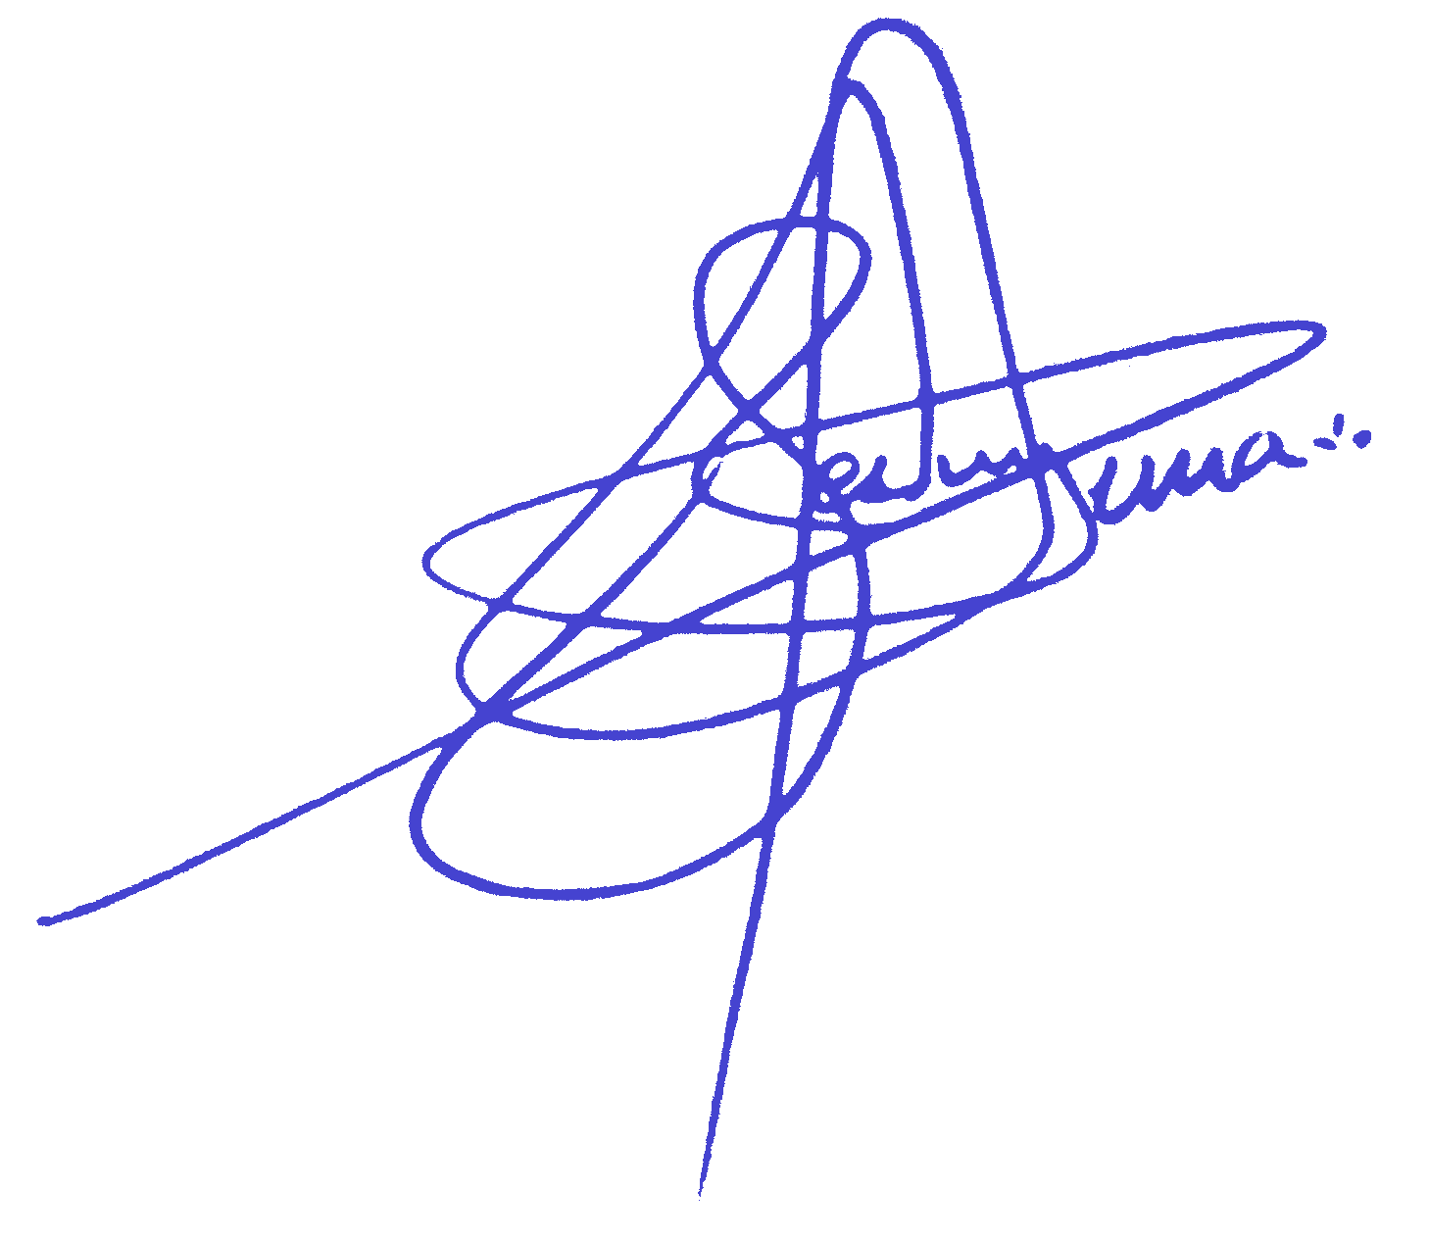
Total cargo loaded on board as per shore scales |  |  |  |  |  |  |  | 23,537.570 t
Total cargo loaded on board as per draught survey |  |  |  |  |  |  |  | 23,535.979 t
Shortage |  |  |  |  |  | -1.591 t |  | -0.01 %
Remarks: 1) Due to huge hull deflexion in , it was applied the waterplane area coefficient correction for the deflexion formula as per UN/ECE/Energy/19/1992. 2) According to the Master/Chief Officer usual constant would amount to 372 t.

Standard Brazil Marine Surveys & Services Ltda. |  |  |  |  |  | Master/Ch.Off: | 23,553.975 t | 16.405 t | 0.07 %
José Antonio Machado Gomes Pereira / Thiago Henrique Barbosa Verhagen |  |  |  |  |  | Customs : | 23,549.981 t | 12.411 t | 0.05 %
Licensed Marine Officer / Marine Surveyor / 375460MM |  |  |  |  |  | 0 | 0.000 t | -23537.570 t | -100.00 %
 |  |  |  |  |  | 0 | 0.000 t | -23537.570 t | -100.00 %
 |  |  |  |  |  | 0 | 0.000 t | -23537.570 t | -100.00 %
 |  |  |  |  |  | 0 | 0.000 t | 0.000 t

 |  |  | Master/Ch.Off:

10) INITIAL BALLAST CONDITION: |  |  |  |  | Date / Time : | 2026-01-24 | 8:05:00 | Trim: | 1.36 m
Vessel's | Observed | Pipe | Observed | Correction (m) |  | Corrected | Observed | Observed | Weight
Tank No. | Height (m) | A.D.L (m) | Sound. (m) | Trim | List | Sound. (m) | Volu. (m3) | Density | Total (t)
F.PK | 23.40 | 0.00 | 7.74 | Directly applied on volume | 0.00 | 7.74 | 1188.97 | 1.023 | 1216.30
1 DB (P) | 21.07 | 0.37 | 0.04 | 0.00 | 0.00 | 0.04 | 5.08 | 1.023 | 5.20
1 DB (S) | 21.06 | 0.36 | 0.22 | 0.00 | 0.00 | 0.22 | 49.48 | 1.023 | 50.60
2/3 DB (P) | 21.26 | 0.35 | 0.08 | 0.00 | 0.00 | 0.08 | 14.64 | 1.023 | 15.00
2/3 DB (S) | 21.24 | 0.33 | 0.03 | 0.00 | 0.00 | 0.03 | 6.56 | 1.023 | 6.70
4 DB (P) | 21.33 | 0.50 | 0.20 | 0.00 | 0.00 | 0.20 | 41.50 | 1.023 | 42.50
4 DB (S) | 21.33 | 0.50 | 0.28 | 0.00 | 0.00 | 0.28 | 64.32 | 1.023 | 65.80
5/6 DB (P) | 21.44 | 0.61 | 0.06 | 0.00 | 0.00 | 0.06 | 4.10 | 1.023 | 4.20
5/6 DB (S) | 21.14 | 0.36 | 0.11 | 0.00 | 0.00 | 0.11 | 10.01 | 1.023 | 10.20
7 DB (P) | 21.57 | 0.52 | 0.07 | 0.00 | 0.00 | 0.07 | 5.04 | 1.023 | 5.20
7 DB (S) | 21.34 | 0.53 | 0.00 | 0.00 | 0.00 | 0.00 | 0.10 | 1.023 | 0.10
#REF! | #REF! | #REF! | #REF! | #REF! | #REF! | #REF! | #REF! | #REF!
#REF! | #REF! | #REF! | #REF! | #REF! | #REF! | #REF! | #REF! | #REF!
#REF! | #REF! | #REF! | #REF! | #REF! | #REF! | #REF! | #REF! | #REF!
#REF! | #REF! | #REF! | #REF! | #REF! | #REF! | #REF! | #REF! | #REF!
#REF! | #REF! | #REF! | #REF! | #REF! | #REF! | #REF! | #REF! | #REF!
#REF! | #REF! | #REF! | #REF! | #REF! | #REF! | #REF! | #REF! | #REF!
#REF! | #REF! | #REF! | #REF! | #REF! | #REF! | #REF! | #REF! | #REF!
#REF! | #REF! | #REF! | #REF! | #REF! | #REF! | #REF! | #REF! | #REF!
#REF! | #REF! | #REF! | #REF! | #REF! | #REF! | #REF! | #REF! | #REF!
#REF! | #REF! | #REF! | #REF! | #REF! | #REF! | #REF! | #REF! | #REF!
#REF! | #REF! | #REF! | #REF! | #REF! | #REF! | #REF! | #REF! | #REF!
...

