Relato (WPC)
MV "Coral VI"

DRAUGHT SURVEY REPORT |  |  |  |  |  | PGUA/DS/050/26

CONTENTS |  |  |  |  |  |  |  | PAGE

1) PERSONS CONTACTED/ WITNESSES: |  |  |  |  |  |  |  | 02
2) SHIP'S PARTICULARS |  |  |  |  |  |  |  | 03
3) HOLD'S CAPACITIES / CARGOES / QUANTITIES / SF |  |  |  |  |  |  |  | 03
4)SHIP'S HYDROSTATIC AND TANKS SOUNDING TABLES: |  |  |  |  |  |  |  | 03
5) LOAD LINES |  |  |  |  |  |  |  | 04
6) INITIAL DRAUGHT SURVEY DETAILS |  |  |  |  |  |  |  | 04
7) FINAL DRAUGHT SURVEY DETAILS |  |  |  |  |  |  |  | 04
8) CARGO PARTICULARS |  |  |  |  |  |  |  | 04
9) DRAUGHT SURVEY CERTIFICATE |  |  |  |  |  |  |  | 05
10) INITIAL BALLAST CONDITION |  |  |  |  |  |  |  | 06
11) FINAL BALLAST CONDITION |  |  |  |  |  |  |  | 06 |  | MUDAR APENAS O FINAL BALLAST CONDITION PARA "06" OU "07"
12) INITIAL FRESH WATER CONDITION |  |  |  |  |  |  |  | 07
13) FINAL FRESH WATER CONDITION |  |  |  |  |  |  |  | 07
14) CONSUMABLES / OILS |  |  |  |  |  |  |  | 07

ANNEXES
- SHIP'S PARTICULARS;
- CREW LIST;
- PRE-STOWAGE PLAN;
- LOADING SEQUENCE;
- DRAUGHT SURVEY CERTIFICATE
- FINAL CARGO PLAN;
- DETAILED CARGO PLAN PER LOADING TERMINAL;
- LETTER OF PROTEST
- LINK TO THE DIGITAL DOCUMENTATION, PHOTOGRAPHS AND VIDEOS;
MV "Coral VI"
PGUA/DS/050/26
DRAUGHT SURVEY REPORT

THIS IS TO CERTIFY THAT the undersigned marine surveyor did, in compliance with instructions received from:

Messrs. Cimbessul Terminal Portuario S/A, Messrs. Coamo Agroindustrial Cooperativa, Messrs. Cotriguaçu Cooperativa Central Regional Iguaçu Ltda., Messrs. Rocha Terminais Portuários e Logística . |  |  |  |  |  |  |  |  |  | Messrs. Cimbessul Terminal Portuario S/A, Messrs. Coamo Agroindustrial Cooperativa, Messrs. Cotriguaçu Cooperativa Central Regional Iguaçu Ltda., Messrs. Rocha Terminais Portuários e Logística .
Attend on board the referenced vessel on February 14th, 2026 from 18:20 until 20:50 hours, whilst she was anchored at inner roads area 9,1, and on February 17th, 2026 from 11:15 until 13:15 hours, whilst she was berthed alongside wharf 214 at port of Paranaguá, Br - Brazil, with views to perform the initial and final draft surveys, ascertaining the following figures: |  |  |  |  |  |  |  |  |  | Attend on board the referenced vessel on February 14th, 2026 from 18:20 until 20:50 hours, whilst she was anchored at inner roads area 9,1, and on February 17th, 2026 from 11:15 until 13:15 hours, whilst she was berthed alongside wharf 214 at port of Paranaguá, Br - Brazil, with views to perform the initial and final draft surveys, ascertaining the following figures:

1) PERSONS CONTACTED/ WITNESSES:

During the present survey, the following persons were contacted:

MV "Coral VI" |  |  |  |  | Mr. Floremil A Rote, the Master |  |  |  |  | the Master
 |  |  |  |  | Mr. Gilbert G Morales, the Chief Officer |  |  |  |  | the Chief Officer
 |  |  |  |  | Mr. Alvin R Pagtakhan, the Chief Engineer |  |  |  |  | the Chief Engineer

AGÊNCIA MARITIMA CARGONAVE LTDA |  |  |  |  | Mr. Rafael Nogueira
(As Local Agents) |  |  |  |  | Mr. Renan Calixto
 |  |  |  |  | Mr. Lorram Gabriel Florentino

AGÊNCIA MARITIMA CARGONAVE LTDA |  |  |  |  | Mr. Azemir do Rosario
(As Port Operators) |  |  |  |  | Mr. Willian Cordeiro

BRAZIL SOUTH SURVEY LTDA |  |  |  |  | Mr. Fabricio G. Cardoso
(As Charterers surveyors)

STANDARD BRAZIL MARINE SURVEYS |  |  |  |  | Mr. José Antônio M. G. Pereira
& SERVICES LTDA. |  |  |  |  | the undersigned marine surveyor
 |  |  |  |  | Mr. Haroldo Fernandes Alves Junior
2) SHIP'S PARTICULARS:

Vessel: |  |  |  | Coral VI
Call sign: |  |  |  | 3ERR6
Port of Register: |  |  |  | Panama
Flag: |  |  |  | Panamanian
IMO: |  |  |  | 9464405
LOA: |  |  |  | 224.94
LBP: |  |  |  | 217.00
Depth: |  |  |  | 19.50
Breadth: |  |  |  | 32.26
GRT: |  |  |  | 39,737.0
NRT: |  |  |  | 25,754.0
Classification: |  |  |  | NKK: NS*(BC, 1C) (ESP) (IHM) MNS* |  |  |  |  |  |  | NKK: NS*(BC, 1C) (ESP) (IHM) MNS*
Light Ship: |  |  |  | 10,228.0
Summer deadweight/draft: |  |  |  | 76,596.0 on 14.14 m

Shipyard: |  |  |  | Imabari Shipbuilding Co., Ltd. - Marugame

Owners: |  |  |  | Venus Maritime Enterprises - Panama
Operators: |  |  |  | Seatrade Marine S.A. - Greece

3) HOLD'S CAPACITIES / CARGOES / QUANTITIES / SF

Hold | Capacity |  | Cargo |  | Quantity loaded (t) |  |  |  | SF
 | (cub.ft.) |  |  |  | Exp. Corridor
no.1 | 407,484.0 |  | Soybeans |  | 8,581.410 |  |  |  | 47.48
no.2 | 472,669.0 |  | Soybeans |  | 9,446.610 |  |  |  | 50.04
no.3 | 469,578.0 |  | Soybeans |  | 9,748.525 |  |  |  | 48.17
no.4 | 470,630.0 |  | Soybeans |  | 9,909.480 |  |  |  | 47.49
no.5 | 473,382.0 |  | Soybeans |  | 9,961.630 |  |  |  | 47.52
no.6 | 472,902.0 |  | Soybeans |  | 9,368.460 |  |  |  | 50.48
no.7 | 437,799.0 |  | Soybeans |  | 9,055.665 |  |  |  | 48.35
Total | 3,204,444.0 |  |  |  | 66,071.780

4)SHIP'S APPROVED HYDROSTATIC AND TANKS SOUNDING TABLES:

Hydrostatic table: |  |  |  | Issued by Imabari Shupbuilding Co., Ltd.
 |  |  |  | on 02.06.2008, Dwg. No. C-2300

Sounding table: |  |  |  | Issued by Shin Nihon Kentei Kyokai for Imabari Shipbuilding
 |  |  |  | on 21.05.2008 Dwg. no. C-0800/D

5) LOAD LINES
 |  |  |  | FB (m) | Draught (m) | Displ. (t) |  | DWT (t)
Tropical Fresh Water: |  |  |  | 4.784 | 14.759 | 88,742.0 |  | 78,514.0
Fresh Water: |  |  |  | 5.078 | 14.465 | 86,827.0 |  | 76,599.0
Tropical: |  |  |  | 5.110 | 14.433 | 88,784.0 |  | 78,556.0
Summer: |  |  |  | 5.404 | 14.139 | 86,824.0 |  | 76,596.0
Winter: |  |  |  | 5.698 | 13.845 | 84,873.0 |  | 74,645.0

6) INITIAL DRAUGHT SURVEY DETAILS:

Date: |  |  |  | February 14th, 2026 from 18:20 until 20:50 hrs
Place : |  |  |  | Paranaguá, Br - Brazil (inner roads 9.1)
Waves: |  |  |  | 0.20 m
Beaufort scale Wind force: |  |  |  | 02
Tide: |  |  |  | Ebb tide, < 1knot
Weather: |  |  |  | Overcast

7) FINAL DRAUGHT SURVEY DETAILS:

Date: |  |  |  | February 17th, 2026 from 11:15 until 13:15 hrs
Place : |  |  |  | Paranaguá, Br - Brazil (wharf 214)
Waves: |  |  |  | 0.10 m
Beaufort scale Wind force: |  |  |  | 01
Tide: |  |  |  | Flood tide,< 1knot
Weather: |  |  |  | Fine

8) CARGO PARTICULARS:

Cargo: |  |  |  | Soybeans in bulk
Port of Loading: |  |  |  | Port of Paranaguá, Br - Brazil
Port of Discharge: |  |  |  | One China Port
Last cargo: |  |  |  | Coal in bulk |  |  |  |  |  |  | SHIPPERS SURVEYOR: | Shippers:
Last Port: |  |  |  | Fangcheng, China |  |  |  |  |  |  | OWNERS P&I SURVEYOR: | Owners P&I:
 |  |  |  |  |  |  |  |  |  |  | CHARTERERS SURVEYOR: | Charterers P&I:
 |  |  |  |  |  |  |  |  |  |  | CONSIGNEES SURVEYOR: | Consignees:
Shore Scales Figures: |  |  |  |  |  |  | 66,071.780 |  | t |  | CARGO UNDERWRITERS: | C. Underwriters:
 |  |  |  |  |  |  |  |  |  |  | CHARTERERS SURVEYOR: | Charterers:
Draught Survey Figures: |  |  | STANDARD BRAZIL: |  |  |  | 65,883.487 |  | t |  | SUB CHARTERERS SURVEYOR: | Sub Charterers:
 |  |  | MASTER/ CHIEF OFFICER: |  |  |  | 65,878.000 |  | t
 |  |  | CHARTERERS SURVEYOR: |  |  |  | 65,877.937 |  | t

 |  |  |  |  |  | INITIAL SURVEY |  | FINAL SURVEY
MV "Coral VI" |  |  |  |  |  | Inner roads 9.1 |  | Wharf 214
 |  |  |  |  |  | 14.02.2026 - 18:25 h |  | 17.02.2026 - 11:20 h
 |  |  |  |  |  | 0.20 m. waves |  | 0.10 m. waves
IMO NO. 9464405 |  | FLAG: Panamanian |  | BUILD: 2008 |  | Wind force 02 |  | Wind force 01
DRAUGHT SURVEY CERTIFICATE |  |  |  |  |  | Ebb tide, < 1knot |  | Flood tide,< 1knot
PGUA/DS/050/26 |  |  |  |  |  | Weather: Overcast |  | Weather: Fine

DRAUGHT |  |  |  |  |  | INITIAL |  | FINAL
Forward port |  |  |  |  |  | 4.3700 m |  | 12.8200 m
Forward starboard |  |  |  |  |  | 4.3900 m |  | 12.8200 m
Forward mean |  |  |  |  |  | 4.3800 m |  | 12.8200 m
Stem correction |  |  |  |  |  | -0.0261 m |  | -0.0001 m
Draught forward (corrected to fore perpendicular) |  |  |  |  |  | 4.3539 m |  | 12.8199 m
Midship port |  |  |  |  |  | 5.5700 m |  | 12.8600 m
Midship starboard |  |  |  |  |  | 5.5900 m |  | 12.8400 m
Midship mean |  |  |  |  |  | 5.5800 m |  | 12.8500 m
Midship correction |  |  |  |  |  | 0.0000 m |  | 0.0000 m
Draught midship (corrected to midship perpendicular) |  |  |  |  |  | 5.5800 m |  | 12.8500 m
Aft port |  |  |  |  |  | 7.0000 m |  | 12.8400 m
Aft starboard |  |  |  |  |  | 7.0000 m |  | 12.8200 m
Aft mean |  |  |  |  |  | 7.0000 m |  | 12.8300 m
Stern correction |  |  |  |  |  | 0.1172 m |  | 0.0004 m
Draught after (corrected to after perpendicular) |  |  |  |  |  | 7.1172 m |  | 12.8304 m
Kell correction |  |  |  |  |  | 0.0000 m |  | 0.0000 m
Waterplane coefficient correction for hull deflexion |  |  |  |  |  | 0.0147 m |  | -0.0032 m
Means of means corrected for deflexion: |  |  |  |  |  | 5.6336 m |  | 12.8405 m

True trim |  |  |  |  |  | BY STERN | 2.76 m | BY STERN | 0.01 m
Heel (angle & in cm) |  |  |  |  |  | S 0.04 º | 2.00 cm | P 0.04 º | 2.00 cm
Hull deflexion: |  |  |  |  |  | HOGGING | 15.55 cm | SAGGING | 2.48 cm

DISPLACEMENTS |  |  |  |  |  | INITIAL |  | FINAL
Displacement in salt water |  |  |  |  |  | 32,504.0 t |  | 78,212.6 t
First trim correction |  |  |  |  |  | -604.9 t |  | 0.4 t
Second trim correction |  |  |  |  |  | 36.9 t |  | 0.0 t
Displacement corrected for trim |  |  |  |  |  | 31,936.1 t |  | 78,213.0 t
Water density |  |  |  |  |  | 1.01600 |  | 1.01500
Displacement corrected for density |  |  |  |  |  | 31,655.7 t |  | 77,449.9 t
Deductibles (fresh water, oils, etc.) |  |  |  |  |  | 21,113.5 t |  | 998.2 t
Displacement corrected for deductibles |  |  |  |  |  | 10,542.2 t |  | 76,451.8 t
Light Ship |  |  |  |  |  | 10,228.0 t
Calculated constant |  |  |  |  |  | 340.3 t
Anchor + chain |  |  |  |  |  | 26.1 t |  | 0.0 t
Total cargo loaded on board as per draught survey |  |  |  |  |  |  |  | 65883.5 t |  | hogging on initial draft survey |  | 1 | hogging on initial draft survey

Loading terminals: CB, CO, CT, RO, . |  |  |  |  |  | TPC | 60.9 t/cm | TPC | 66.1 t/cm | on final draft survey
Cargo: Soybeans in bulk |  |  |  |  |  | MTC +0.5 | 829.6 t*cm | MTC +0.5 | 1052.6 t*cm | , it was applied the waterplane area coefficient correction for the deflexion formula as per UN/ECE/Energy/19/1992. 2) According to the Master/Chief Officer usual constant would amount to
Paranaguá, Br - Brazil. February 17th, 2026 |  |  |  |  |  | MTC -0.5 | 808.6 t*cm | MTC -0.5 | 1034.4 t*cm

Total cargo loaded on board as per shore scales |  |  |  |  |  |  |  | 66,071.780 t
Total cargo loaded on board as per draught survey |  |  |  |  |  |  |  | 65,883.487 t
Shortage |  |  |  |  |  | -188.293 t |  | -0.28 %
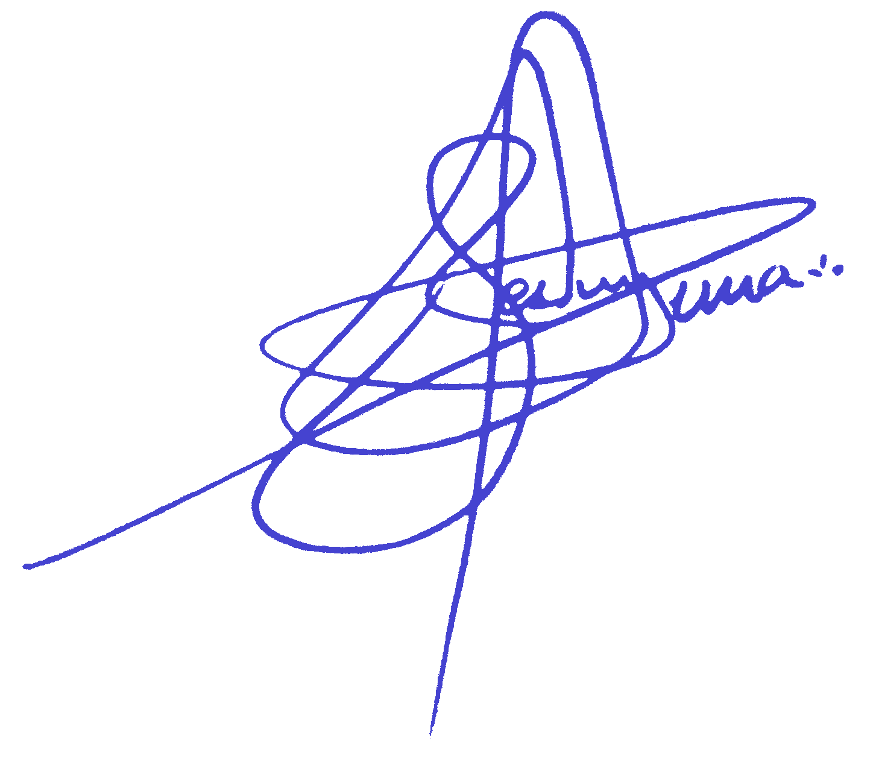
Remarks: 1) Due to huge hull deflexion in hogging on initial draft survey, it was applied the waterplane area coefficient correction for the deflexion formula as per UN/ECE/Energy/19/1992. 2) According to the Master/Chief Officer usual constant would amount to450 t.

Standard Brazil Marine Surveys & Services Ltda. |  |  |  |  |  | Master/Ch.Off: | 65,878.000 t | -193.780 t | -0.29 %
José Antonio Machado Gomes Pereira / Haroldo Fernandes Alves Junior
Licensed Marine Officer / Marine Surveyor / 375460MM |  |  |  |  |  | Charterers: | 65,877.937 t | -193.843 t | -0.29 %

10) INITIAL BALLAST CONDITION: |  |  |  |  | Date / Time : | 2026-02-14 | 19:00:00 | Trim: | 2.76 m
Vessel's | Observed | Pipe | Observed | Correction (m) |  | Corrected | Observed | Observed | Weight
Tank No. | Height (m) | A.D.L (m) | Sound. (m) | Trim | List | Sound. (m) | Volu. (m3) | Density | Total (t)
F.PK | 21.66 | 0.27 | 7.90 | -0.06 | 0.00 | 7.84 | 859.70 | 1.021 | 877.30
1 WBT (P) | 21.49 | 1.32 | 20.98 | -0.29 | 0.00 | 20.69 | 1288.60 | 1.02 | 1314.40
1 WBT (S) | 21.34 | 1.33 | 20.79 | -0.27 | 0.00 | 20.52 | 1269.70 | 1.018 | 1292.60
2 WBT (P) | 20.33 | 0.28 | 20.03 | -0.26 | 0.00 | 19.78 | 1518.01 | 1.02 | 1548.40
2 WBT (S) | 20.23 | 0.29 | 19.93 | -0.23 | 0.00 | 19.70 | 1500.25 | 1.02 | 1530.30
3 WBT (P) | 20.09 | 0.28 | 20.59 | -0.31 | 0.00 | 20.28 | 2724.70 | 1.02 | 2779.20
3 WBT (S) | 20.09 | 0.28 | 20.52 | -0.36 | 0.00 | 20.16 | 2717.90 | 1.02 | 2772.30
4 WBT (P) | 20.09 | 0.28 | 20.60 | -0.18 | 0.00 | 20.42 | 2424.50 | 1.02 | 2473.00
4 WBT (S) | 20.10 | 0.29 | 20.63 | -0.18 | 0.00 | 20.45 | 2424.50 | 1.02 | 2473.00
5 DB (P) | 10.90 | 0.94 | 11.00 | 0.00 | 0.00 | 11.00 | 602.70 | 1.02 | 614.80
5 DB (S) | 12.50 | 2.54 | 11.00 | 0.00 | 0.00 | 11.00 | 602.70 | 1.02 | 614.80
5 TS (P) | 5.50 | 0.53 | 5.72 | -0.16 | 0.00 | 5.56 | 602.90 | 1.020 | 615.00
5 TS (S) | 5.50 | 0.56 | 5.47 | -0.16 | 0.00 | 5.31 | 602.90 | 1.020 | 615.00
A.PK | 12.13 | 0.44 | 7.62 | 0.10 | 0.00 | 7.72 | 802.75 | 1.020 | 818.80
TOTAL |  |  |  |  |  |  | 19941.81 |  | 20338.90

11) FINAL BALLAST CONDITION: |  |  |  |  | Date / Time : | 2026-02-17 | 12:00:00 | Trim: | 0.01 m
Vessel's | Observed | Pipe | Observed | Correction (m) |  | Corrected | Observed | Observed | Weight
Tank No. | Height (m) | A.D.L (m) | Sound. (m) | Trim | List | Sound. (m) | Volu. (m3) | Density | Total (t)
F.PK | 21.66 | 0.27 | 0.04 | Directly applied on volumes according to the wedge table for wbt |  | 0.04 | 1.94 | 1.021 | 2.00
1 WBT (P) | 21.49 | 1.32 | 0.01 |  |  | 0.01 | 7.09 | 1.02 | 7.20
1 WBT (S) | 21.34 | 1.33 | 0.00 |  |  | 0.00 | 7.53 | 1.018 | 7.70
2 WBT (P) | 20.33 | 0.28 | 0.01 |  |  | 0.01 | 11.75 | 1.02 | 12.00
2 WBT (S) | 20.23 | 0.29 | 0.00 |  |  | 0.00 | 8.98 | 1.02 | 9.20
3 WBT (P) | 20.09 | 0.28 | 0.07 |  |  | 0.07 | 52.52 | 1.02 | 53.60
3 WBT (S) | 20.09 | 0.28 | 0.14 |  |  | 0.14 | 93.31 | 1.02 | 95.20
4 WBT (P) | 20.09 | 0.28 | 0.00 |  |  | 0.00 | 10.40 | 1.02 | 10.60
4 WBT (S) | 20.10 | 0.29 | 0.00 |  |  | 0.00 | 10.40 | 1.02 | 10.60
5 DB (P) | 10.90 | 0.94 | 0.04 |  |  | 0.04 | 4.16 | 1.02 | 4.20
5 DB (S) | 12.50 | 2.54 | 0.06 |  |  | 0.06 | 5.70 | 1.02 | 5.80
5 TS (P) | 5.50 | 0.53 | 0.37 |  |  | 0.37 | 7.92 | 1.02 | 8.10
5 TS (S) | 5.50 | 0.56 | 0.44 |  |  | 0.44 | 9.46 | 1.02 | 9.60
A.PK | 12.13 | 0.44 | 0.09 |  |  | 0.09 | 0.63 | 1.020 | 0.60
TOTAL |  |  |  |  |  |  | 231.79 |  | 236.40

12) INITIAL FRESH WATER CONDITION:
Vessel's | Observed | Pipe | Observed | Correction (m) |  | Corrected | Observed | Observed | Weight
Tank No. | Height (m) | A.D.L (m) | Sound. (m) | Trim | List | Sound. (m) | Volu. (m3) | Density | Total (t)
DWT (P) | GAUGE |  |  |  |  |  | 111.00 | 1.000 | 111.00
FWT (S) |  |  |  |  |  |  | 89.00 | 1.000 | 89.00
TOTAL |  |  |  |  |  |  | 200.00 |  | 200.00

13) FINAL FRESH WATER CONDITION:
Vessel's | Observed | Pipe | Observed | Correction (m) |  | Corrected | Observed | Observed | Weight
Tank No. | Height (m) | A.D.L (m) | Sound. (m) | Trim | List | Sound. (m) | Volu. (m3) | Density | Total (t)
DWT (P) | GAUGE |  |  |  |  |  | 95.00 | 1.000 | 95.00
FWT (S) |  |  |  |  |  |  | 89.00 | 1.000 | 89.00
TOTAL |  |  |  |  |  |  | 184.00 |  | 184.00

14) DEDUCTIBLES
 |  |  |  |  | INITIAL |  |  | FINAL
INTERMEDIATE FUEL OIL |  |  |  |  | 313.1 t |  |  | 300.9 t
MARINE DIESEL OIL |  |  |  |  | 261.5 t |  |  | 260.9 t
LUBRICATING |  |  |  |  | K |  |  | K
FRESH WATER |  |  |  |  | 200.0 t |  |  | 184.0 t
BALLAST |  |  |  |  | 20338.9 t |  |  | 236.4 t
OTHERS |  |  |  |  | 0.0 t |  |  | 16.0 t
TOTAL |  |  |  |  | 21113.5 t |  |  | 998.2 t

