tables
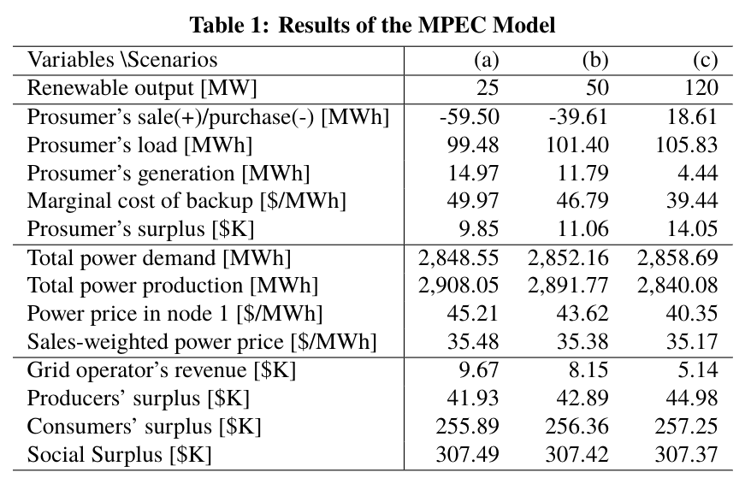
MPEC
Variable/Scenario | (a) | (b) | (c)
Renewable Output | 25 | 50 | 120
Prosumer sale/Purchase | -60.83 | -42.26 | 11.69
Prosumer Load | 99.35 | 101.14 | 105.42
Prosumer Generation | 15.19 | 12.21 | 5.11
Marginal cost of backup | 50.17 | 47.21 | 40.11
Prosumer Surplus | 9.77 | 10.91 | 13.73
Total Power Demand | 2848.31 | 2851.68 | 2858.07
Total Power Production | 2909.13 | 2893.94 | 2846.38
Power Price at Node 1 | 45.32 | 43.83 | 40.68
Average Price | 35.49 | 35.39 | 35.19
Grid Operator Revenue | 9.77 | 8.35 | 5.44
Producer Surplus | 41.86 | 42.77 | 44.76
Consumer Surplus | 255.86 | 256.3 | 257.17
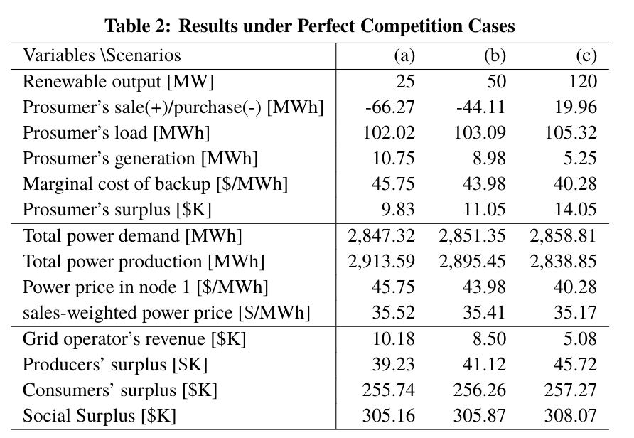
Social Surplus | 307.5 | 307.42 | 307.37

PC
Variable/Scenario | (a) | (b) | (c)
Renewable Output | 25 | 50 | 120
Prosumer sale/Purchase | -67.74 | -47.06 | 12.54
Prosumer Load | 101.95 | 102.94 | 105.1
Prosumer Generation | 10.87 | 9.22 | 5.64
Marginal cost of backup | 45.87 | 44.22 | 40.64
Prosumer Surplus | 9.75 | 10.89 | 13.73
Total Power Demand | 2847.05 | 2850.81 | 2858.15
Total Power Production | 2914.79 | 2897.87 | 2845.61
Power Price at Node 1 | 45.87 | 44.22 | 40.64
Average Price | 35.52 | 35.42 | 35.19
Grid Operator Revenue | 10.3 | 8.72 | 5.4
Producer Surplus | 39.11 | 40.86 | 45.23
Consumer Surplus | 255.71 | 256.18 | 257.18
Social Surplus | 305.12 | 305.76 | 307.81
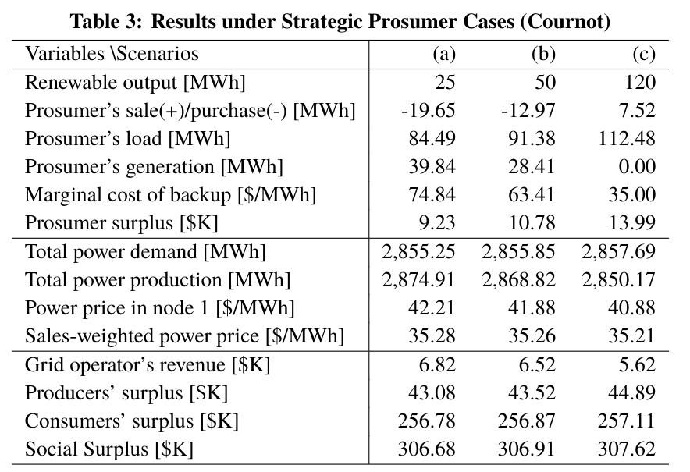
Cournot
Variable/Scenario | (a) | (b) | (c)
Renewable Output | 25 | 50 | 120
Prosumer sale/Purchase | -20.1 | -13.86 | 3.61
Prosumer Load | 84.03 | 90.46 | 108.46
Prosumer Generation | 40.59 | 29.93 | 0.07
Marginal cost of backup | 75.59 | 64.93 | 35.07
Prosumer Surplus | 9.12 | 10.58 | 13.71
Total Power Demand | 2855.21 | 2855.77 | 2857.34
Total Power Production | 2875.31 | 2869.63 | 2853.73
Power Price at Node 1 | 42.23 | 41.92 | 41.07
Average Price | 35.28 | 35.27 | 35.22
Grid Operator Revenue | 6.84 | 6.56 | 5.79
Producer Surplus | 43.95 | 43.46 | 44.63
Consumer Surplus | 256.87 | 256.86 | 257.07
Social Surplus | 306.66 | 306.88 | 307.49

figures
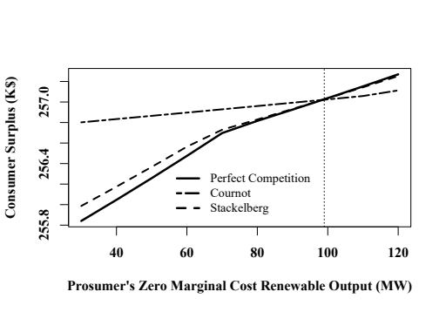
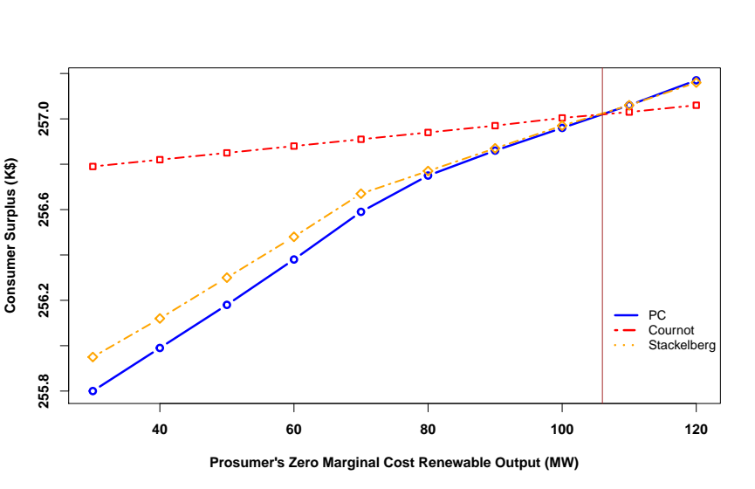
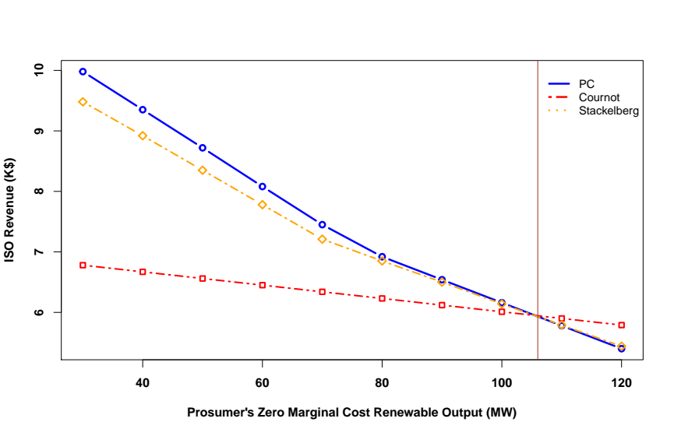
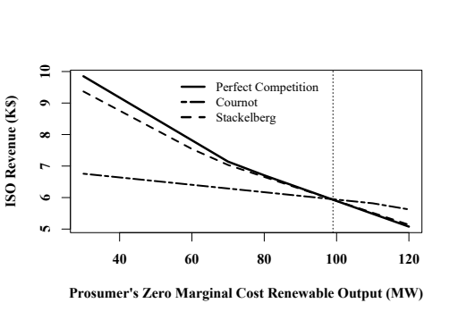
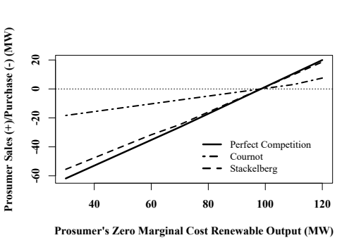
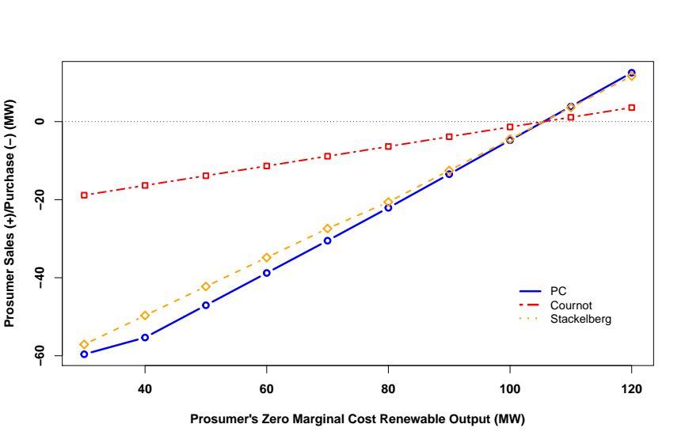
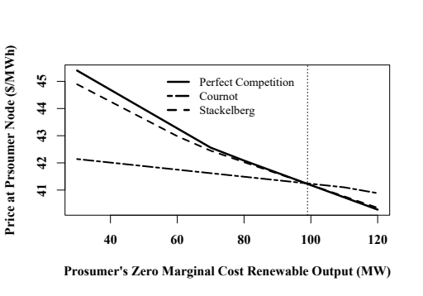
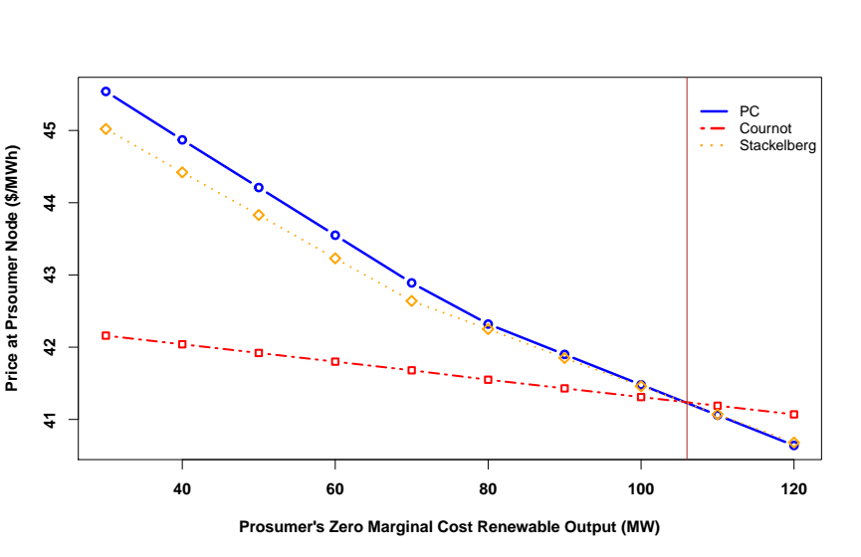
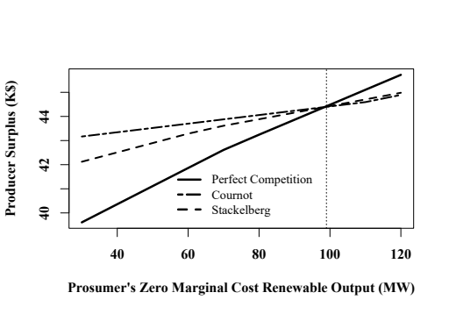
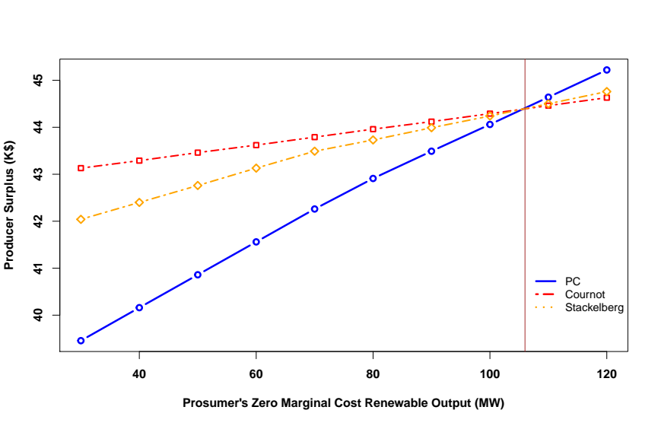
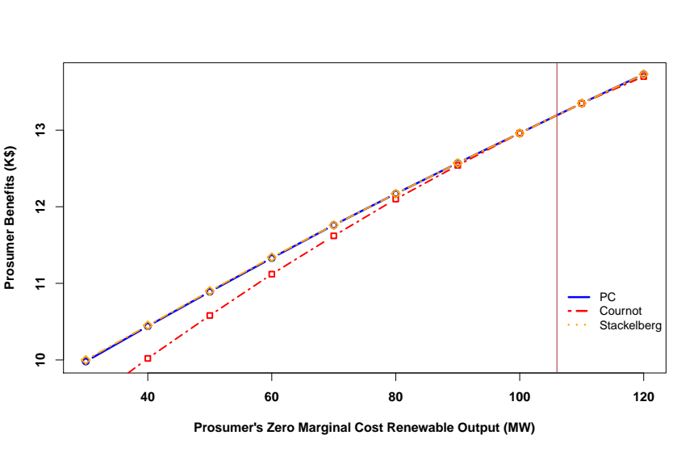
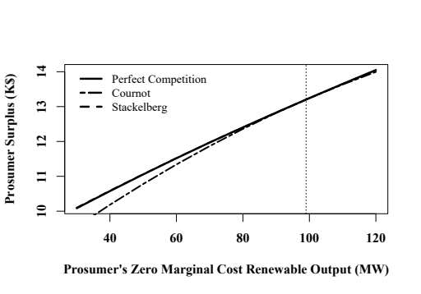
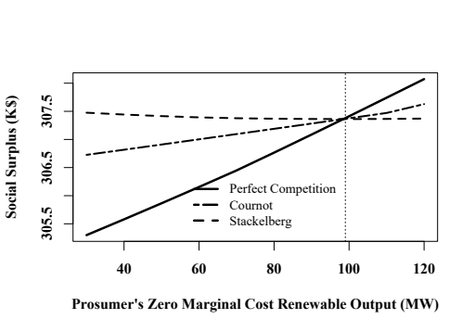
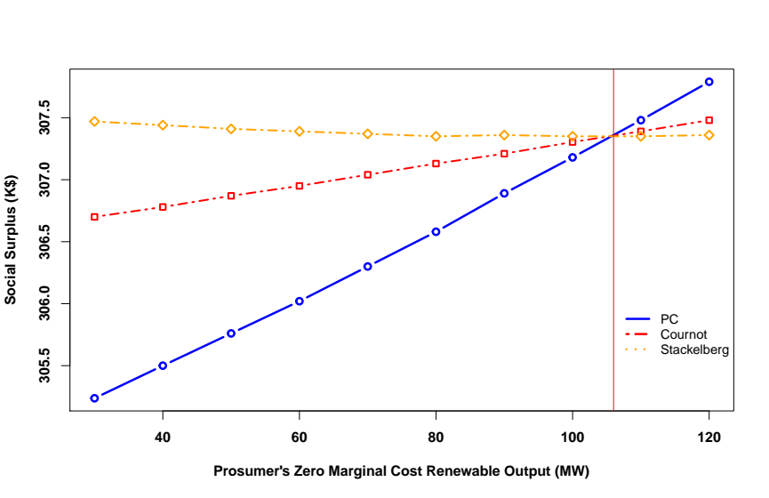
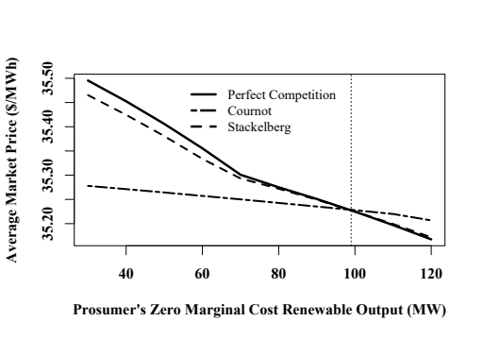
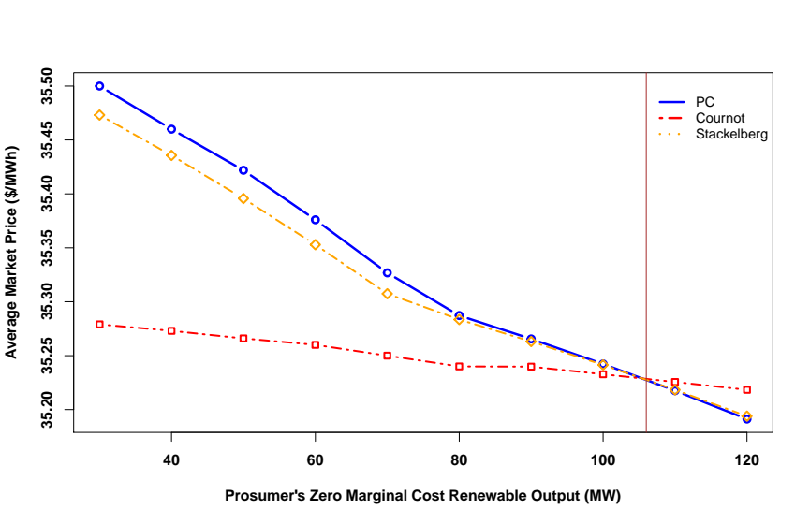

OLD >>> | NEW>>>

