How to run
About:
This file is used to test readable_latin.m script

Select Data > Show Queries. This will open existing queries for this workbook.

How to run:
1. As you can see in the input sheet, your dataset should contain a table named Source
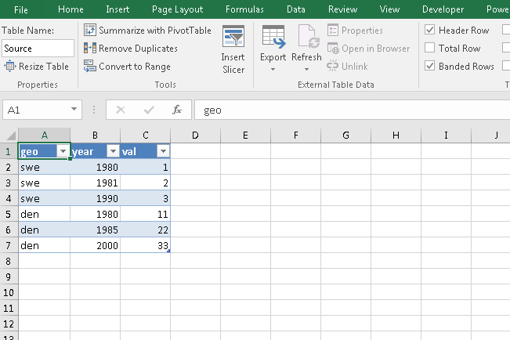

2. Then from the Data > Go to From Table > Advanced Editor > Replace the full content with the content from script_executor.m and locate the path for readable_latin.m script
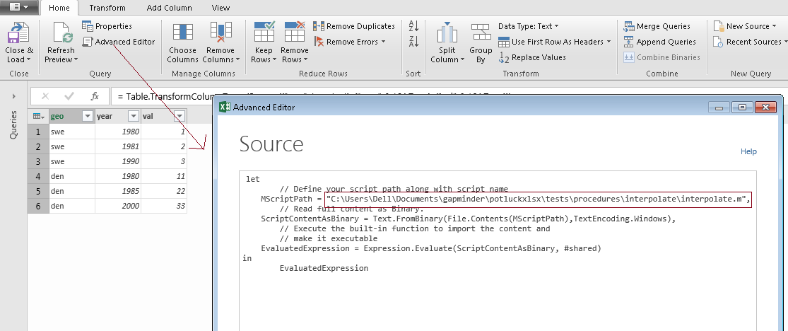

3. Press Done. Invoke the function. It will ask for Ordinal Column (year/age) and the type of interpolation (linear for now). Please note, column names are case-sensitive.

4. Now change the data in input sheet and then refresh the query to see the output in output sheet.
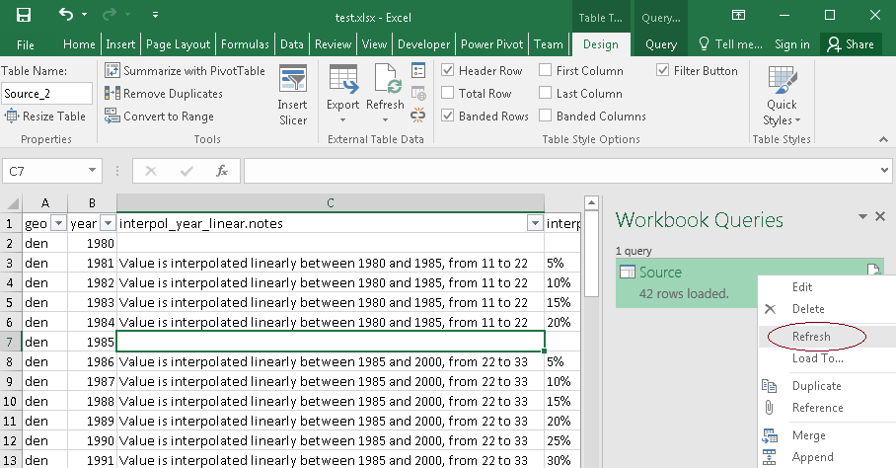

5. If you see any error while refreshing, then probably your script file is not on the same location. So, go to the Edit mode of the Query. Then in Advanced Editor change the MScriptPath and it should work again.

6. To test the script on your own excel dataset, do the steps from 1-5.

