About
How to use:

1. Let's we have a data in a Excel file
2. To run any script on this dataset, we need to define a table called 'Source' on that data
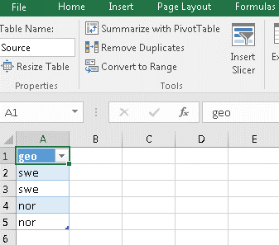

3. Then Data > From Table > Advanced Editor.
4. Replace all the content with the content from script_executor.m

5. Change the script path. In our case, we will select the path for test.m
6. If the script file define a function, then you will get a function. Otherwise, the full script will run on your dataset.
7. Change any value and Sheet1 for this test file. Then refresh the query to see the result immediately.

