Sheet1
Compound | Name | Dock score | Pymol 3D | Hydrogen Bonding
AD53 | tectograndone | 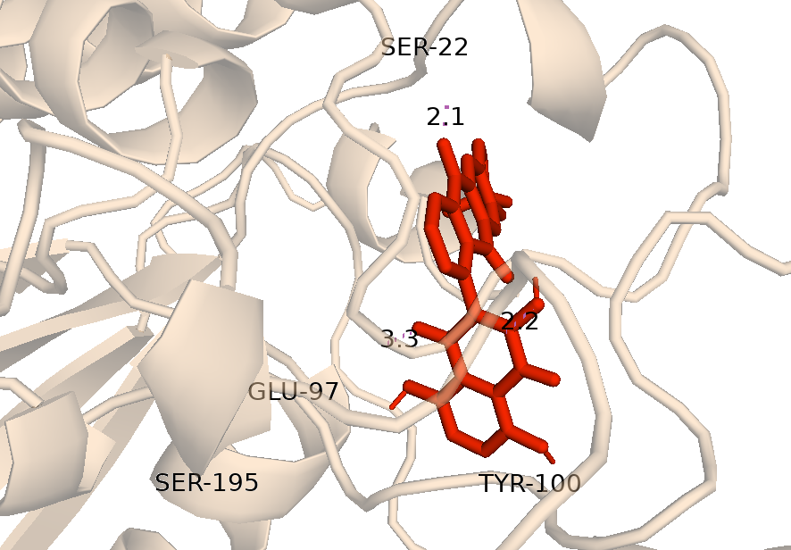 -10.68 |  | 22,97,100,195
AD32 | scutianthraquinone D | 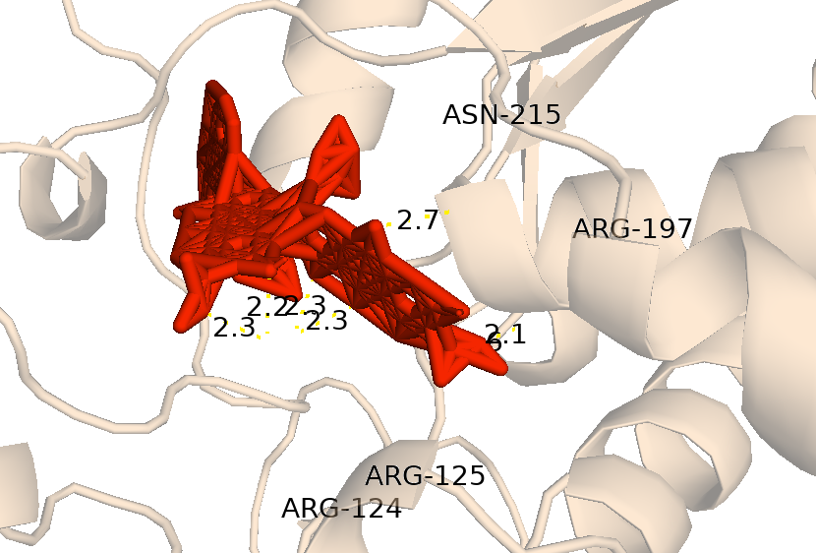 -10.12 |  | 124,125,197,215
AD54 | acetyltectograndone | 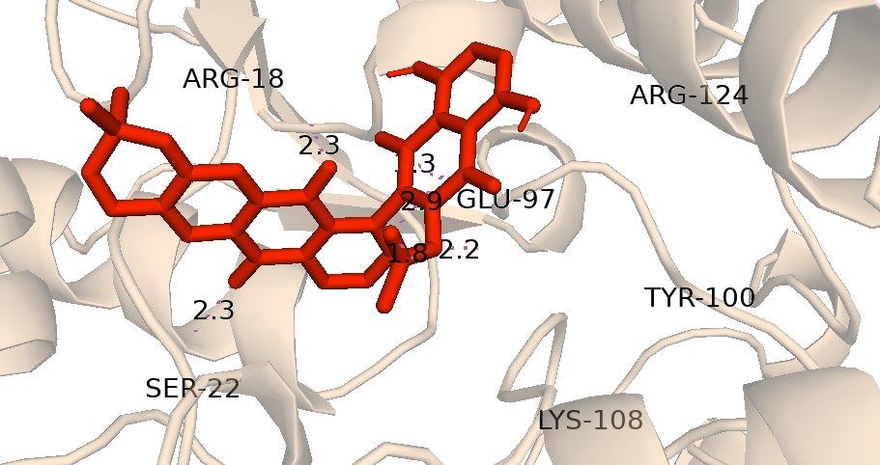 -10.01 |  | 18,22,97,100,108,124
AD49 | microcarpine | 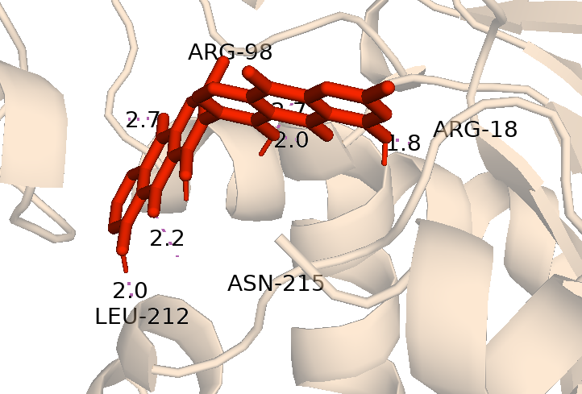 -9.542 |  | 18,98,212,215
AD27 | aloin | 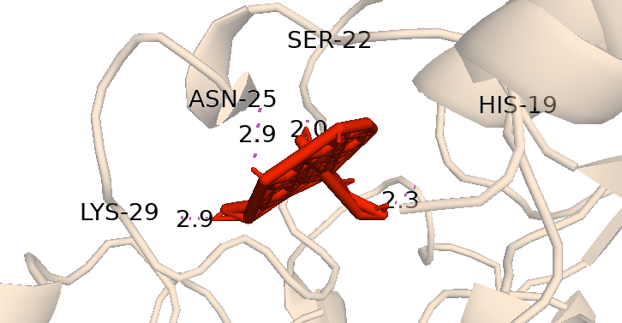 -9.371 |  | 19,22,25,29
AD31 | scutianthraquinone C | 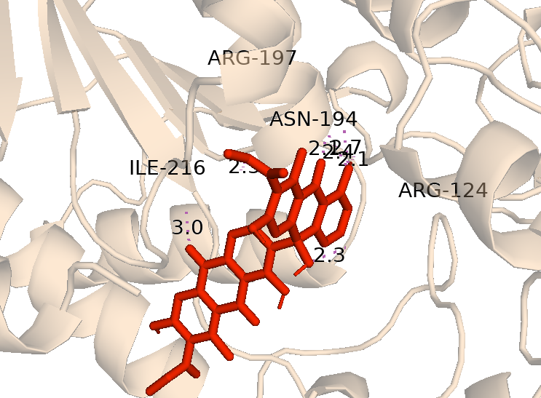 -9.277 |  | 124,194,197,216
AD43 | chryslandicin | 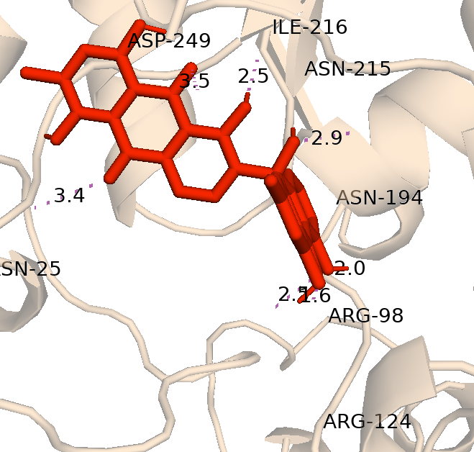 -9.137 |  | 25,98,124,194,215,216,249
AD39 | joziknipholones A | 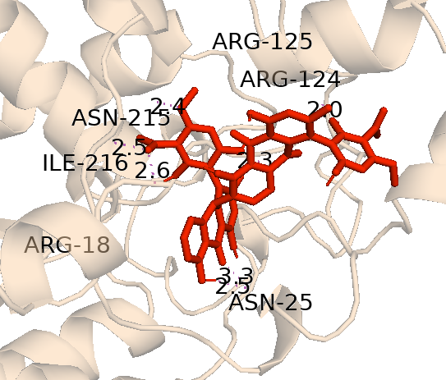 -8.924 |  | 18,25,124,125,215,216
AD7 | daunorubicin | 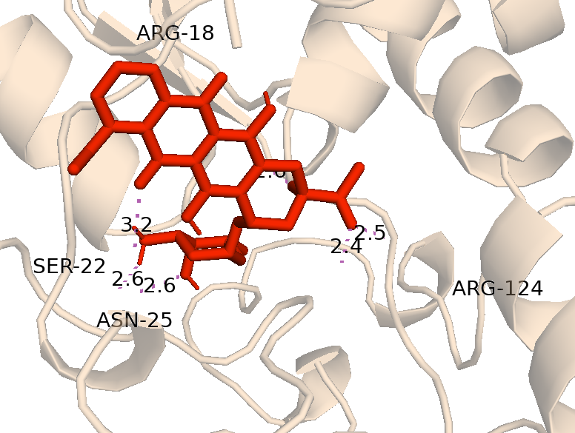 -8.763 |  | 18,22,25,124
AD5 | doxorubicin | 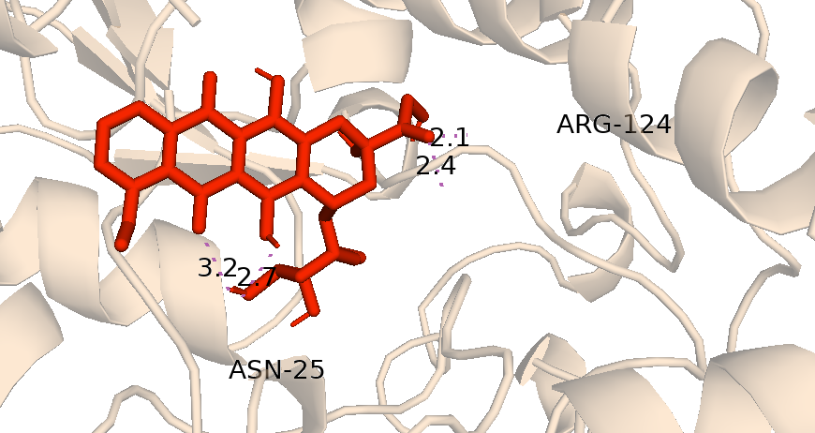 -8.629 |  | 25,124

