Sheet1
For mnist data |  |  |  | for fashion data
Adam optimizer: | test accuracy=0.945 |  |  | Adam optimizer | test accuracy=0.9472
Gradient descent optimizer | test accuracy=0.232 |  |  | Gradient descent optimizer | test accuracy=0.307
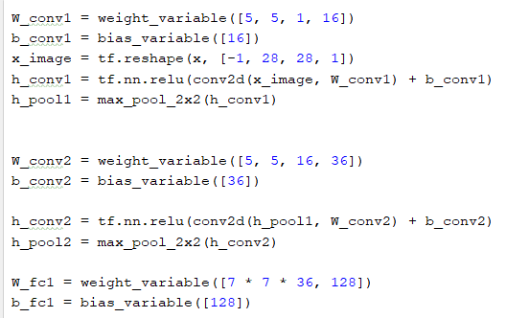
 |  |  |  |  |  | accu:0.89
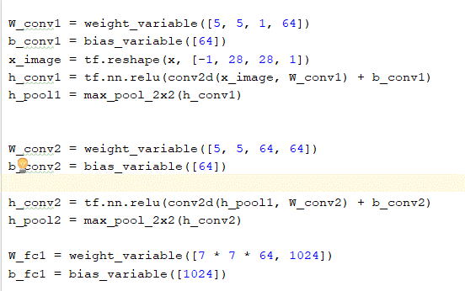
 |  |  | Adam

test accu=0.86
for 16,36 i/p &o/p:adam optimizer
test accu=0.6395
for adagrad opt: | 0.0587 | for 16,36 i/p &o/p: | adagrad:0.1703

