Sheet1
Sl.No | Git Blash Command | Steps | Description | Image
1 | $ git init | 1. Create folder(D:\FromPrime\Mygit_Practice) 2.Right click and insided empty folder and click on "Git Blash Here" | To pull or push git repository

2 | $ git config --global user.name "pvanjarapu" $ git config --global user.email "pvanjarapu@primetgi.com" | 1. Open folder(D:\FromPrime\Mygit_Practice) 2.Right click and insided empty folder and click on "Git Blash Here" | configure username and password for identifying the check-ins

3 | $ git config --global --list | 1. Open folder(D:\FromPrime\Mygit_Practice) 2.Right click and insided empty folder and click on "Git Blash Here" | Check our information

4 | $ git --version | 1. Open folder(D:\FromPrime\Mygit_Practice) 2.Right click and insided empty folder and click on "Git Blash Here" | Find Git Version

5 | $ git clone https://github.com/srdotnetdeveloper/Angualrjs4Basics.git | 1. Open folder(D:\FromPrime\Mygit_Practice) 2.Right click and insided empty folder and click on "Git Blash Here" | get full project to our local initially

6 | $ git checkout FormValidation | 1. Open folder(D:\FromPrime\Mygit_Practice\FormValidation) 2.Right click and insided empty folder and click on "Git Blash Here" | Switch from master to branch(FormValidation)

7 | $ git pull origin FormValidation | 1. Open folder(D:\FromPrime\Mygit_Practice\FormValidation) 2.Right click and insided empty folder and click on "Git Blash Here" | get branch code from repository to local

8 | $ git branch -d FormValidation | 1. Open folder(D:\FromPrime\Mygit_Practice\FormValidation) 2.Right click and insided empty folder and click on "Git Blash Here" | 1.Switch to other branch(which is not to delete) 2.Then delete the branch locally ony

9 | $ git push --delete origin FormValidation | 1. Open folder(D:\FromPrime\Mygit_Practice\FormValidation) 2.Right click and insided empty folder and click on "Git Blash Here" | 1.Switch to other branch(which is not to delete) 2.Then delete the branch remote

10 | $ git checkout Docs ( Create new branch Docs) $ git add . $ git commit -m "just docs" $ git push origin Docs | 1. Open folder(D:\FromPrime\Mygit_Practice\FormValidation) 2.Right click and insided empty folder and click on "Git Blash Here" | To create new branch on github central repository

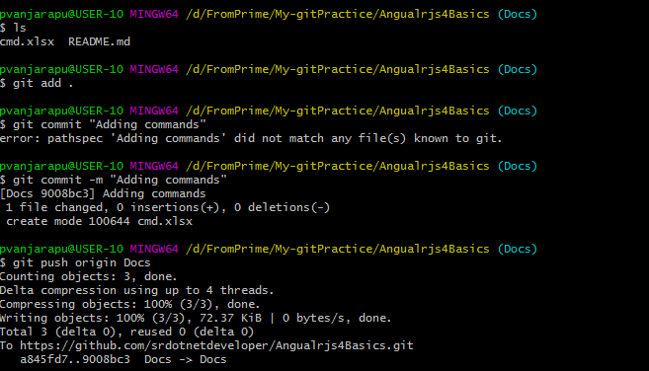
11 | $ git add . $ git commit -m "Adding commands" $ git push origin Docs | 1. Paste our excel to local repository folder manually 2.then execute the commands inline statements | Add "Cmd.xlsx" to branch

