Sheet1
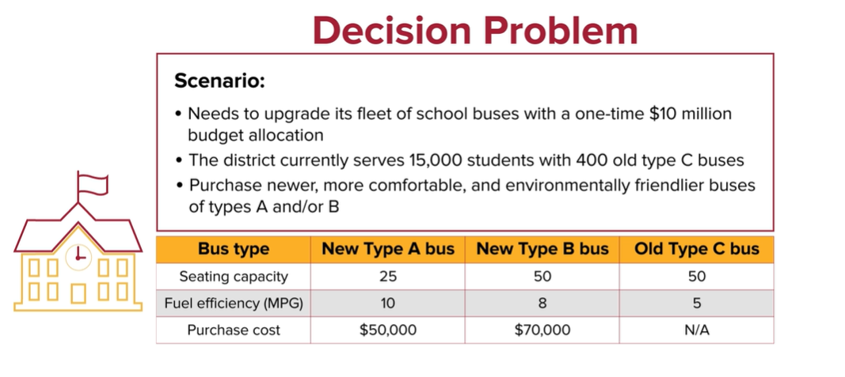
Decision Variables / Cookies
x1 | 115
x2 | 0
x3 | 0

Objective Function / Profit per Cookie
Maximize
z= 15*x1+27*x2+40*x3 | 1725

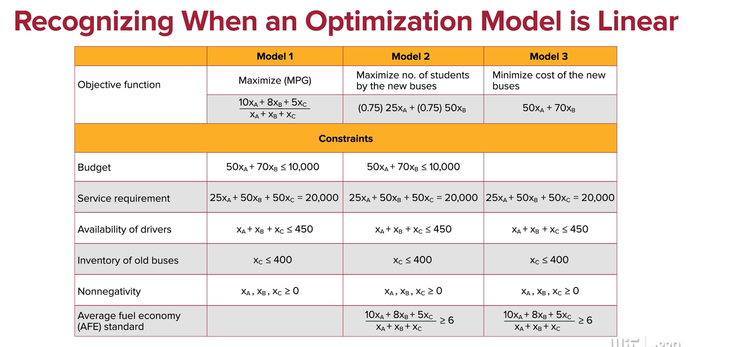
Constraints / Cost | Left Side | Inequality | Right Side
Labor x1+5*x2+6*x3 <= 115 | 115 | <= | 115
Electricity 2*x1+3*x2+7*x3 <= 280 | 230 | <= | 280
Materials 3*x1+ x2+ 5*x3 <= 670 | 345 | <= | 670
x1>=0 | 115 | >= | 0
x2>=0 | 0 | >= | 0
x3>=0 | 0 | >= | 0

A manufacturer produces three types of cookies (x1, x2, x3). Each type of cookie has a separate profit margin: $15x1, $27x2, and $40x3

