Exhibit 2
Exhibit 2
Production schedule, costs, and constraints - March

DECISION VARIABLES |  |  |  |  | MACHINE HOURS REQUIRED FOR PRODUCTION |  |  |  |  | PRODUCTION
Yarn produced by each factory (Kg/month) |  |  |  |  | (Hours/Kg) |  |  |  |  | CAPACITY
 | Size |  |  |  |  | Size |  |  |  | (Machine hours
Supplier | Extrafine | Fine | Medium | Coarse | Supplier | Extrafine | Fine | Medium | Coarse | per month)
X_{i,j}
Ambrosi |  |  |  |  | Ambrosi |  | 0.400 | 0.375 | 0.250 | 2,500
Bresciani |  |  |  |  | Bresciani | 0.700 | 0.500 | 0.350 | 0.250 | 3,000
Castri |  |  |  |  | Castri | 0.675 | 0.450 | 0.400 | 0.250 | 2,500
De Blasi |  |  |  |  | De Blasi |  | 0.450 | 0.350 | 0.200 | 2,600
Estensi |  |  |  |  | Estensi | 0.650 | 0.450 | 0.400 | 0.250 | 2,500
Filatoi R. |  |  |  |  | Filatoi R. | 0.625 | 0.500 | 0.425 | 0.425 | 38,000
Giuliani |  |  |  |  | Giuliani | 0.700 | 0.450 | 0.350 | 0.400 | 2,500

COST OF PRODUCTION |  |  |  |  | COST OF TRANSPORTATION
($/Kg) |  |  |  |  | ($/Kg)
 | Size |  |  |  |  | Size |  |  |  | Round trip distance
Supplier | Extrafine | Fine | Medium | Coarse | Supplier | Extrafine | Fine | Medium | Coarse | (Km)
Ambrosi |  | 13.00 | 10.65 | 9.60 | Ambrosi | 0.30 | 0.30 | 0.45 | 0.45 | 30
Bresciani | 17.40 | 14.10 | 11.20 | 9.45 | Bresciani | 0.40 | 0.40 | 0.60 | 0.60 | 40
Castri | 17.40 | 14.22 | 11.00 | 9.50 | Castri | 0.80 | 0.80 | 1.20 | 1.20 | 80
De Blasi |  | 14.30 | 11.25 | 9.60 | De Blasi | 0.70 | 0.70 | 1.05 | 1.05 | 70
Estensi | 17.50 | 13.80 | 11.40 | 9.60 | Estensi | 0.70 | 0.70 | 1.05 | 1.05 | 70
Filatoi R. | 18.25 | 13.90 | 11.40 | 8.90 | Filatoi R. | - | - | - | - | -
Giuliani | 19.75 | 13.90 | 10.75 | 9.40 | Giuliani | 0.50 | 0.50 | 0.75 | 0.75 | 50

 |  |  |  |  | ($/Kg/Km) | 0.010 | 0.010 | 0.015 | 0.015

DEMAND TO MEET
(Kg/month)
 | Extrafine | Fine | Medium | Coarse
 | 25,000 | 26,000 | 28,000 | 28,000

Model (Empty)
Filatoi Riuniti - Model for optimizing the production schedule - March

DECISION VARIABLES |  |  |  |  | MACHINE HOURS REQUIRED FOR PRODUCTION |  |  |  |  | PRODUCTION
Product bought from each supplier (Kg/month) |  |  |  |  | (Hours/Kg) |  |  |  |  | CAPACITY
 | Size |  |  |  |  | Size |  |  |  | (Machine hours
Supplier | Extrafine | Fine | Medium | Coarse | Supplier | Extrafine | Fine | Medium | Coarse | per month)
Ambrosi | - | 6,250 | - | - | Ambrosi |  | 0.400 | 0.375 | 0.250 | 2,500
Bresciani | 4,286 | - | 0 | - | Bresciani | 0.700 | 0.500 | 0.350 | 0.250 | 3,000
Castri | 3,704 | - | - | - | Castri | 0.675 | 0.450 | 0.400 | 0.250 | 2,500
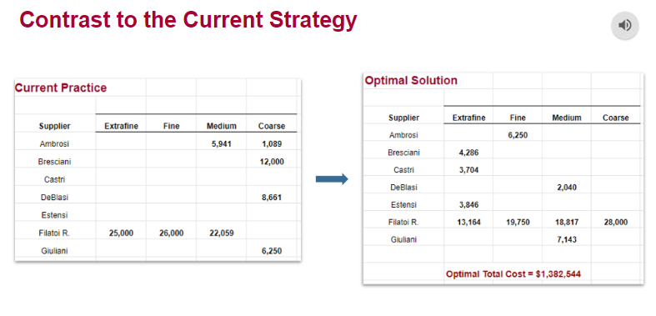
De Blasi | - | 0 | 2,040 | - | De Blasi |  | 0.450 | 0.350 | 0.200 | 2,600
Estensi | 3,846 | - | 0 | - | Estensi | 0.650 | 0.450 | 0.400 | 0.250 | 2,500
Filatoi R. | 13,164 | 19,750 | 18,817 | 28,000 | Filatoi R. | 0.625 | 0.500 | 0.425 | 0.425 | 38,000
Giuliani | - | - | 7,143 | - | Giuliani | 0.700 | 0.450 | 0.350 | 0.400 | 2,500

COST OF PRODUCTION |  |  |  |  | COST OF TRANSPORTATION
($/Kg) |  |  |  |  | ($/Kg)
 | Size |  |  |  |  | Size |  |  |  | Round trip distance
Supplier | Extrafine | Fine | Medium | Coarse | Supplier | Extrafine | Fine | Medium | Coarse | (Km)
Ambrosi |  | 13.00 | 10.65 | 9.60 | Ambrosi | 0.30 | 0.30 | 0.45 | 0.45 | 30
Bresciani | 17.40 | 14.10 | 11.20 | 9.45 | Bresciani | 0.40 | 0.40 | 0.60 | 0.60 | 40
Castri | 17.40 | 14.22 | 11.00 | 9.50 | Castri | 0.80 | 0.80 | 1.20 | 1.20 | 80
De Blasi |  | 14.30 | 11.25 | 9.60 | De Blasi | 0.70 | 0.70 | 1.05 | 1.05 | 70
Estensi | 17.50 | 13.80 | 11.40 | 9.60 | Estensi | 0.70 | 0.70 | 1.05 | 1.05 | 70
Filatoi R. | 18.25 | 13.90 | 11.40 | 8.90 | Filatoi R. | - | - | - | - | -
Giuliani | 19.75 | 13.90 | 10.75 | 9.40 | Giuliani | 0.50 | 0.50 | 0.75 | 0.75 | 50

 |  |  |  |  | ($/Kg/Km) | 0.010 | 0.010 | 0.015 | 0.015

DEMAND TO MEET
(Kg/month)
 | Extrafine | Fine | Medium | Coarse
 | 25,000 | 26,000 | 28,000 | 28,000

Write down your objective function here
OBJECTIVE FUNCTION
Total cost (production+transportation) ($) |  |  |  | 1,382,544

Write down your constraints here
CONSTRAINTS |  | Actual | sign | RHS
Demand |  | 25,000 | = | 25,000
 |  | 26,000 | = | 26,000
 |  | 28,000 | = | 28,000
 |  | 28,000 | = | 28,000
Capacity |  | 2,500.000 | <= | 2,500
 |  | 3,000.00 | <= | 3,000
 |  | 2,500.000 | <= | 2,500
 |  | 714.04 | <= | 2,600
 |  | 2,500.00 | <= | 2,500
 |  | 38,000.000 | <= | 38000
 |  | 2,500.00 | <= | 2500
NonNegativity |  | - | >= | -
 |  | 4,286 | >= | -
 |  | 3,704 | >= | -
 |  | - | >= | -
 |  | 3,846 | >= | -
 |  | 13,164 | >= | -
 |  | - | >= | -
 |  | 6,250 | >= | -
 |  | - | >= | -
 |  | - | >= | -
 |  | 0 | >= | -
 |  | - | >= | -
 |  | 19,750 | >= | -
 |  | - | >= | -
 |  | - | >= | -
 |  | 0 | >= | -
 |  | - | >= | -
 |  | 2,040 | >= | -
 |  | 0 | >= | -
 |  | 18,817 | >= | -
 |  | 7,143 | >= | -
 |  | - | >= | -
 |  | - | >= | -
 |  | - | >= | -
 |  | - | >= | -
 |  | - | >= | -
 |  | 28,000 | >= | -
 |  | - | >= | -

