Plots
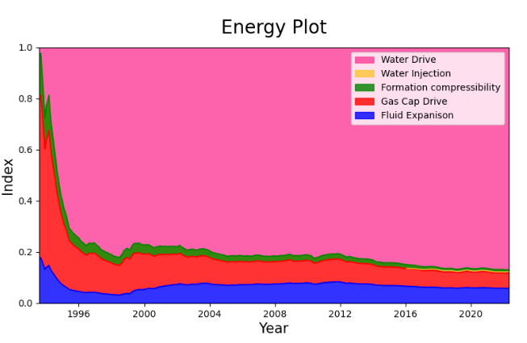
Material Balance
 | Model SBHP | Measured SBHP
7/1/1993 | 265.96505355 | 1
8/1/1993 | 265.92725636
9/1/1993 | 265.88014094
10/1/1993 | 265.84448071
11/1/1993 | 265.8160603
12/1/1993 | 265.80581361
1/1/1994 | 265.73534144
2/1/1994 | 265.64967125
3/1/1994 | 265.54808293
4/1/1994 | 265.5214908
5/1/1994 | 265.47672006
6/1/1994 | 265.43694976
7/1/1994 | 265.39725404
8/1/1994 | 265.37728697
9/1/1994 | 265.38079229
10/1/1994 | 265.36143435
11/1/1994 | 265.36864944
12/1/1994 | 265.36886105
1/1/1995 | 265.35887669
2/1/1995 | 265.3684264
3/1/1995 | 265.35342922
4/1/1995 | 265.35413145
5/1/1995 | 265.36975646
6/1/1995 | 265.3913509
7/1/1995 | 265.37751557
8/1/1995 | 265.37186596
9/1/1995 | 265.3659843
10/1/1995 | 265.34897384
11/1/1995 | 265.34259401
12/1/1995 | 265.32837814
1/1/1996 | 265.31455429
2/1/1996 | 265.31736295
3/1/1996 | 265.30796177
4/1/1996 | 265.29456953
5/1/1996 | 265.28977421
6/1/1996 | 265.28272433
7/1/1996 | 265.26268942
8/1/1996 | 265.21277877
9/1/1996 | 265.17918417
10/1/1996 | 265.15154925
11/1/1996 | 265.12504347
12/1/1996 | 265.08195227
1/1/1997 | 265.06219827
2/1/1997 | 265.06325598
3/1/1997 | 265.04349546
4/1/1997 | 265.03997442
5/1/1997 | 265.04870533
6/1/1997 | 265.03748022
7/1/1997 | 265.02550118
8/1/1997 | 265.01278669
...

