Sheet1
UBER REQUESTS DATA ANALYSIS

Request Count by Status - Pie Chart | Demand by Hour - Line Chart

Request Count by Status - Pie Chart
Demand by Hour – Line Chart

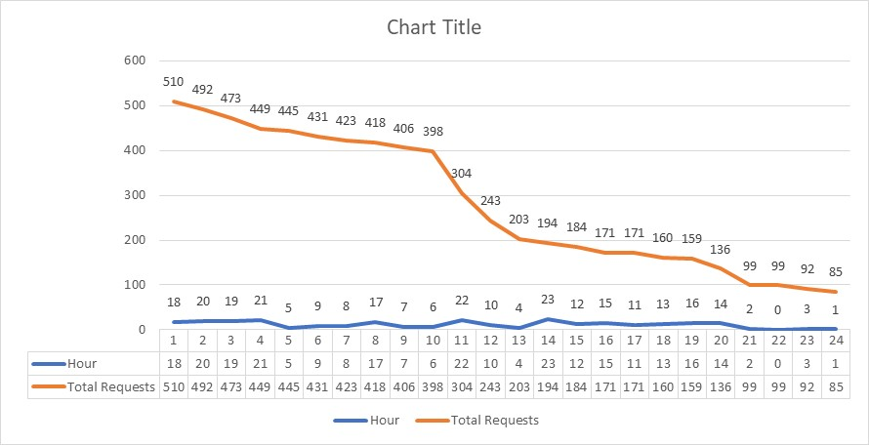
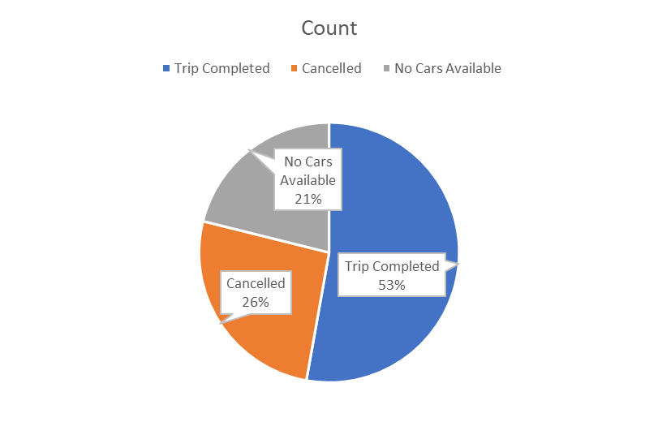

Trip Cancellations by Hour – Column Chart
Pickup Point Frequency – Bar Chart

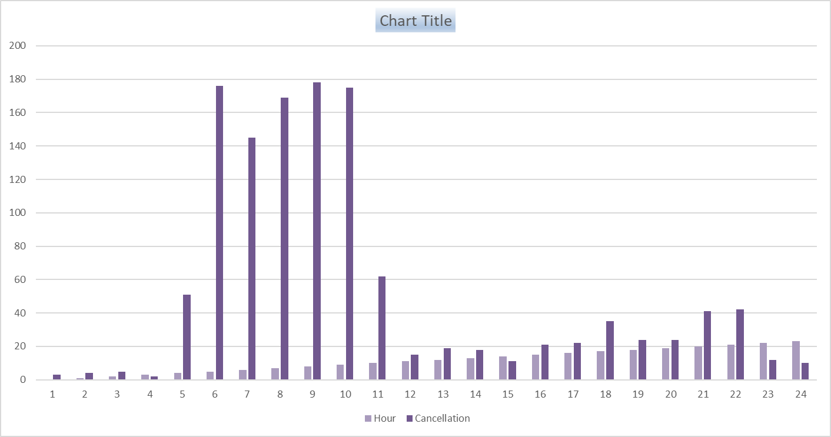
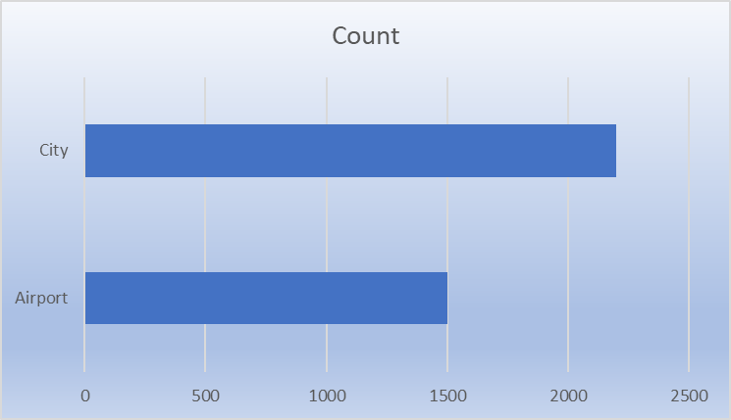

No Cars Available % by Hour – Column Chart

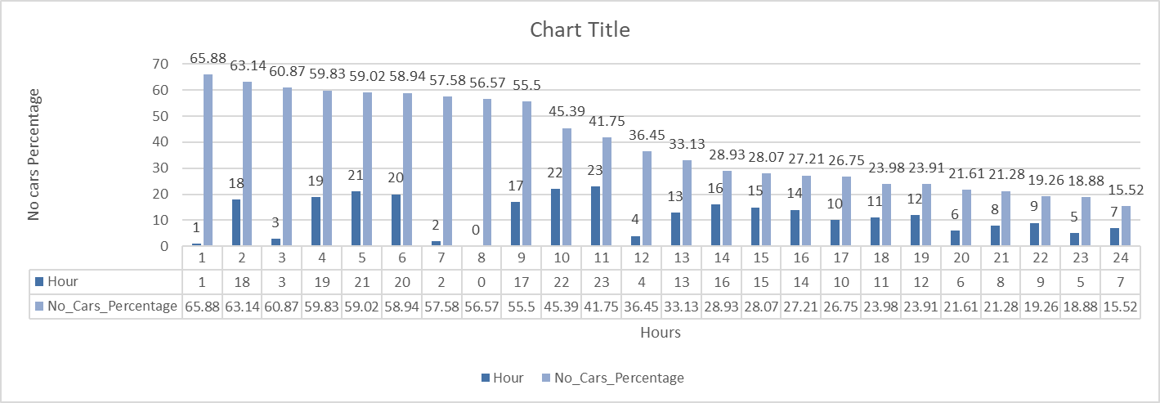

Avg_Trip_Duration_Minutes = 52.41 mins

