BUG REPORT
HORTICORP WEB PAGE
OS: WINDOWS 10 Browser: GOOGLE CHROME |  |  |  | Tested by: SREERAG S S
Version No: |  |  |  | Date: 22/11/2023
Verified by:
BUG ID | TEST ID | EXPECTED RESULT | BUG DESCRIPTION | STEPS TO REPRODUCE | SCREEN SHOT | SEVERITY | PRIORITY | STATUS
DEF_HWP_HP_01 |  | Instead of HTTP , HTTPS should be used in pages to ensure safety and privacy | HTTP is used in site URL | Check site URL for HTTP or HTTPS used . |  | Enhancement | P4 | New
DEF_HWP_HP_02 | HWP_HP_08 | Should open a new page contain detailed terms and conditions for opening a new franchisee. | Terms and conditions page is not not found | 1.Open the Webpage link -http://horticorp.org/ 2.Click on the link - 'For detailed terms and conditions,click here' |  | Major | P1 | New
DEF_HWP_HP_03 | HWP_HP_12 | Should show the latest news and updates while click on 'Check our latest news updates' | Latest news & Update page contains no data | 1.Open the Webpage link -http://horticorp.org/ 2.Click on the link - 'Check our latest news updates' | 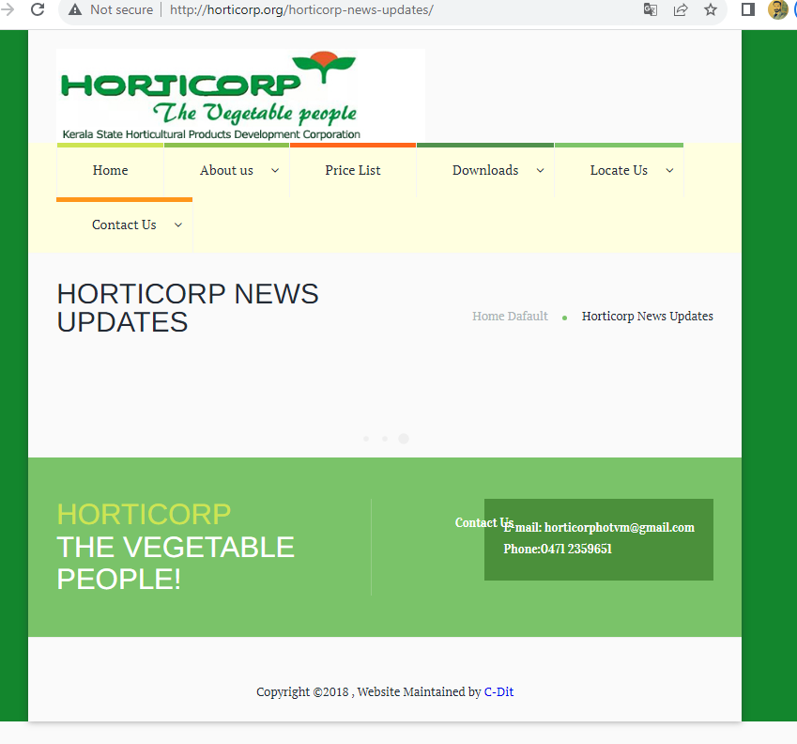 | Minor | P2 | New
DEF_HWP_HP_04 | HWP_HP_22 | Tittles should be clear and without spelling mistakes | Home default' icon is miss spelled as 'Home Dafault' | 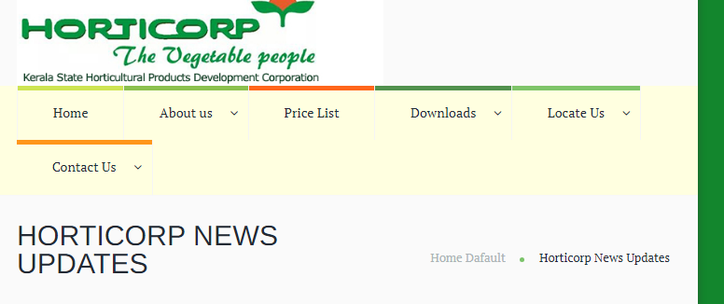 1.Open the Webpage link -http://horticorp.org/ 2.Click on the link - 'Check our latest news updates' 3.Check the spelling of 'Home Default' icon |  | Tirivial | P3 | New
DEF_HWP_HP_05 | HWP_AU_10 | The 'Achievements' details should updated yearly . | older achievement details are only shown, latest details are not updated | 1.Open the Webpage link -http://horticorp.org/ 2.Click on About us drop down 3.select Achievements menu | 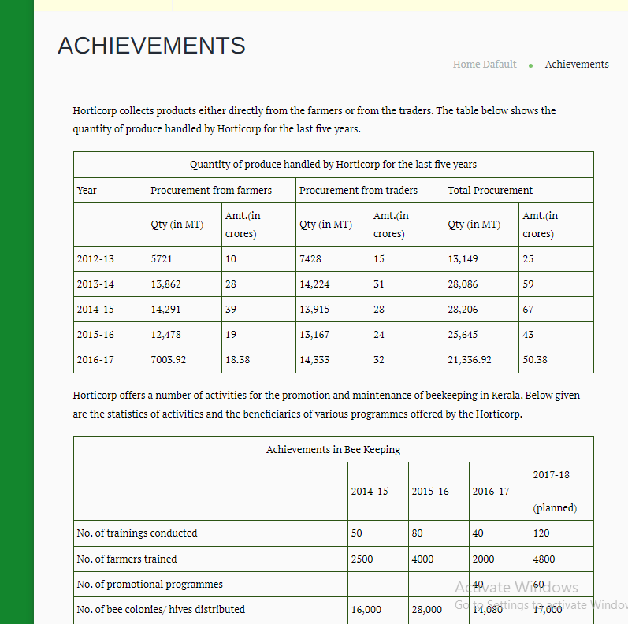 | Enhancement | P4 | New
DEF_HWP_HP_06 | HWP_AU_14 | The officials details are updated yearly | Officials details are not updated | 1.Open the Webpage link -http://horticorp.org/ 2.Click on About us drop down 3.select 'Officials' menu |  | Enhancement | P4 | New
DEF_HWP_HP_07 | HWP_AU_18 | The detailed Bylaw is open while click on the bylaw image | bylaw page is not open | 1.Open the Webpage link -http://horticorp.org/ 2.Click on About us drop down 3.select 'Bylaw' menu 4.Click on the bylaw image |  | Minor | P2 | New
DEF_HWP_HP_08 | HWP_PL_02 | The pricelist is updated daily | The price list is not updated daily | 1.Open the Webpage link -http://horticorp.org/ 2.Click on 'Price list' drop down 3.Check the details are updated daily |  | Minor | P2 | New
DEF_HWP_HP_09 | HWP_DL_10 | The Acts and rules are shown while open the link on the act and rules page | Don't show any details while open the Act and rules link | 1.Open the Webpage link -http://horticorp.org/ 2.Click on Downloads drop down 3.select Act and rules menu 4.Click on 'Act on office automation | 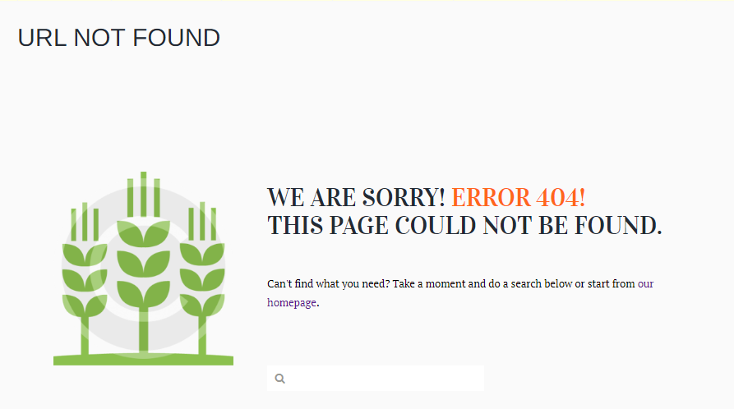 | Minor | P2 | New
DEF_HWP_HP_10 | HWP_LU_09 | Google map is present in each location page | only two location page should shows the google map, others not show s that. | 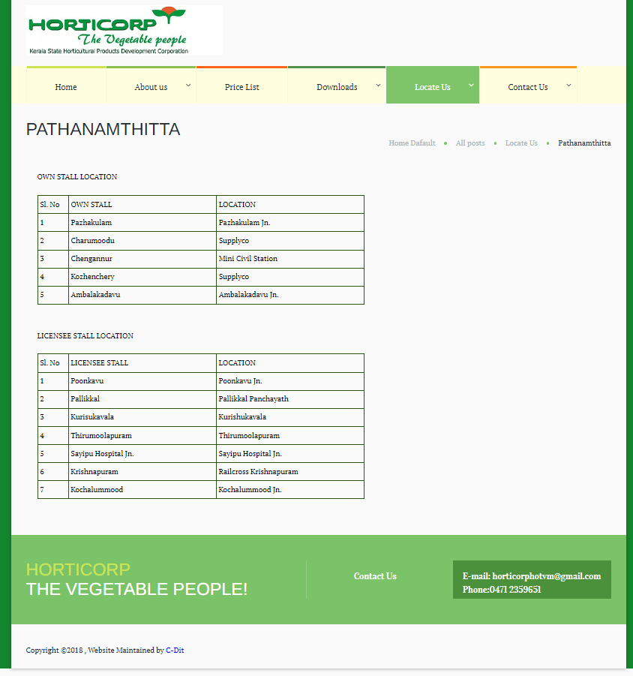 1.Open the Webpage link -http://horticorp.org/ 2.Click on 'Locate us' drop down 3.check all location 4.check google map is present in each location page |  | Enhancement | P4 | New
DEF_HWP_HP_11 | HWP_LU_10 | Google map shows all the Horticorp vegetable stalls present in each location | Google map shows two districts Horticorp vegetable stalls only | 1.Open the Webpage link -http://horticorp.org/ 2.Click on 'Locate us' drop down 3.check all location 4.check google map | 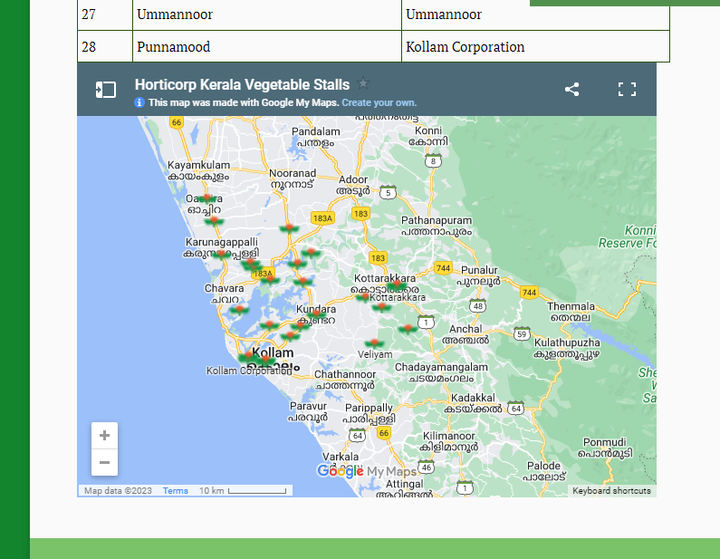 | Enhancement | P4 | New
DEF_HWP_HP_12 | HWP_CU_07 | Right to information page is showing all contact details of state public information officers | Right to Information page is not showing the contact details of Officers | 1.Open the Webpage link -http://horticorp.org/ 2.Click on 'Contact us' drop down 3.Click on Right to Information 4.check details shown | 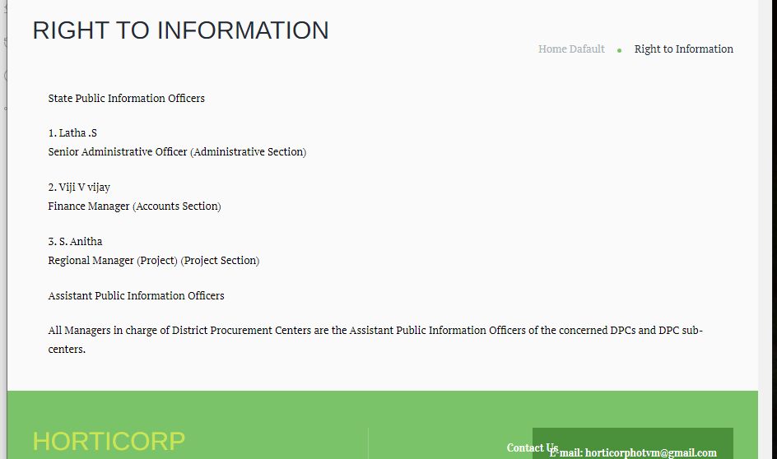 | Minor | P2 | New
DEF_HWP_HP_13 | HWP_HP_24 | Page should use same font and style | Page contain different font and style | 1.Open the Webpage link -http://horticorp.org/ 2.Check the font and style in the page |  | Minor | P2 | New
DEF_HWP_HP_14 | HWP_HP_25 | The page contain social media link | The page will not contain any social media link | 1.Open the Webpage link -http://horticorp.org/ 2.Check the social media link |  | Enhancement | P4 | New

DEFECT DISTRIBUTION GRAPH
DEFECT DISTRIBUTION GRAPH
MODULE NAME | DEFECT DISTRIBUTION
HOME PAGE | 5
ABOUT US | 3
PRICE LIST | 1
DOWNLOADS | 1
LOCATE US | 2
CONTACT US | 1

