Sheet1
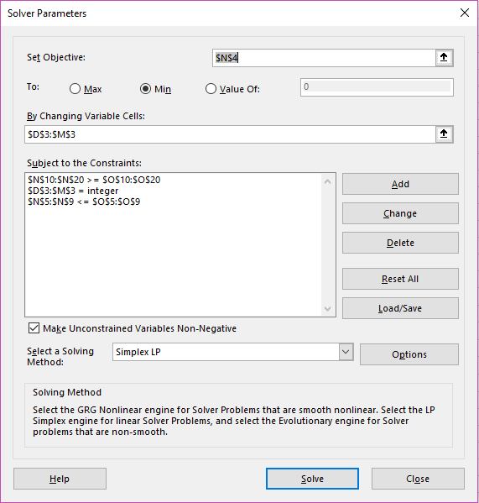
Mod 9- CP2- #1 Mutual "Fun" Modeling |  |  |  |  |  |  |  |  |  |  |  | LHS | RHS | NOTES

 |  | VANSTK | VANBAL | FIDSTK | FIDINT | JPMBON | JPMBAL | VANINT | FIDBON | TRPINT | TRPSTK
 |  | 16652 | 9663 | 0 | 9997 | 9572 | 19824 | 0 | 428 | 4 | 7350
MIN | RISK | 1.4 | 2.2 | 1.2 | 1.7 | 3.1 | 2.4 | 1.8 | 1.8 | 2.7 | 2 | 154298.3
 | BUDGET | 1 | 1 | 1 | 1 | 1 | 1 | 1 | 1 | 1 | 1 | 73490 | 100000 | <=
 | VAN MAX | 0.6 | 0.6 | -0.4 | -0.4 | -0.4 | -0.4 | 0.6 | -0.4 | -0.4 | -0.4 | -3081 | 0 | <=
 | FID MAX | -0.4 | -0.4 | 0.6 | 0.6 | -0.4 | -0.4 | -0.4 | 0.6 | -0.4 | -0.4 | -18971 | 0 | <=
 | JPM MAX | -0.4 | -0.4 | -0.4 | -0.4 | 0.6 | 0.6 | -0.4 | -0.4 | -0.4 | -0.4 | 1.3642420527E-12 | 0 | <=
 | TRP MAX | -0.4 | -0.4 | -0.4 | -0.4 | -0.4 | -0.4 | -0.4 | -0.4 | 0.6 | 0.6 | -22042 | 0 | <=
 | RET1 MIN | -0.013 | -0.036 | -0.042 | 0.071 | 0.063 | -0.021 | 0.046 | -0.021 | 0.071 | -0.044 | 0.071 | 0 | >=
 | RET2 MIN | 0.151 | 0.212 | 0.123 | 0.117 | 0.203 | 0.247 | 0.122 | 0.106 | 0.137 | 0.188 | 14000.017 | 14000 | >=
 | VAN MIN | 0.9 | 0.9 | -0.1 | -0.1 | -0.1 | -0.1 | 0.9 | -0.1 | -0.1 | -0.1 | 18966 | 0 | >=
 | FID MIN | -0.1 | -0.1 | 0.9 | 0.9 | -0.1 | -0.1 | -0.1 | 0.9 | -0.1 | -0.1 | 3076 | 0 | >=
 | JPM MIN | -0.1 | -0.1 | -0.1 | -0.1 | 0.9 | 0.9 | -0.1 | -0.1 | -0.1 | -0.1 | 22047 | 0 | >=
 | TRP MIN | -0.1 | -0.1 | -0.1 | -0.1 | -0.1 | -0.1 | -0.1 | -0.1 | 0.9 | 0.9 | 5 | 0 | >=
 | STOCK MIN | 1 |  | 1 |  |  |  |  |  |  | 1 | 24002 | 10000 | >=
 | BAL MIN |  | 1 |  |  |  | 1 |  |  |  |  | 29487 | 10000 | >=
 | INTL MIN |  |  |  | 1 |  |  | 1 |  | 1 |  | 10001 | 10000 | >=
 | BOND MIN |  |  |  |  | 1 |  |  | 1 |  |  | 10000 | 10000 | >=
 | SOCIAL MIN | -1.75 | 2.35 | -0.55 | -0.35 | 0.45 | -0.95 | -1.55 | 1.35 | -1.75 | 3.25 | 1 | 0 | >=

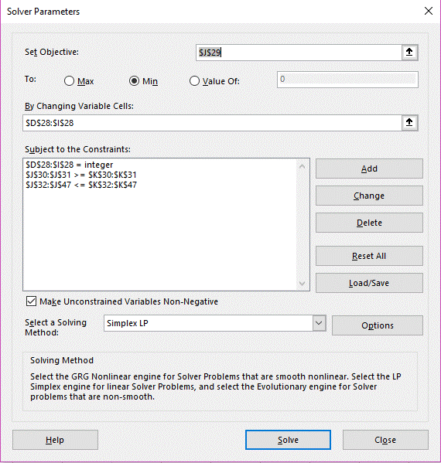
Mod 9- CP2- #2 Shake, Rattle, and Roll |  |  |  |  |  |  |  | LHS | RHS | NOTES

 |  | ABI | DEL | EVE | KEL | LUC | MAR
 |  | 2 | 80 | 2 | 71 | 85 | 44
MIN | COST | 4.2 | 4.5 | 5.3 | 4.1 | 4.4 | 6 | 1308.1
 | PRODUCTION MIN | 2.7 | 3.4 | 4.1 | 3.1 | 5 | 3.9 | 1102.3 | 1100 | >=
 | MIN AVG SAFETY | -4 | -9 | -11 | 1 | 6 | 4 | 7 | 0 | >=
 | ABI MAX HOUR | 1 |  |  |  |  |  | 2 | 100 | <=
 | DEL MAX HOUR |  | 1 |  |  |  |  | 80 | 80 | <=
 | EVE MAX HOUR |  |  | 1 |  |  |  | 2 | 75 | <=
 | KEL MAX HOUR |  |  |  | 1 |  |  | 71 | 120 | <=
 | LUC MAX HOUR |  |  |  |  | 1 |  | 85 | 95 | <=
 | MAR MAX HOUR |  |  |  |  |  | 1 | 44 | 120 | <=
 | ABI MAX H/TOTAL | 0.7 | -0.3 | -0.3 | -0.3 | -0.3 | -0.3 | -83.2 | 0 | <=
 | DEL MAX H/TOTAL | -0.3 | 0.7 | -0.3 | -0.3 | -0.3 | -0.3 | -5.2 | 0 | <=
 | EVE MAX H/TOTAL | -0.3 | -0.3 | 0.7 | -0.3 | -0.3 | -0.3 | -83.2 | 0 | <=
 | KEL MAX H/TOTAL | -0.3 | -0.3 | -0.3 | 0.7 | -0.3 | -0.3 | -14.2 | 0 | <=
 | LUC MAX H/TOTAL | -0.3 | -0.3 | -0.3 | -0.3 | 0.7 | -0.3 | -0.2 | 0 | <=
 | MAR MAX H/TOTAL | -0.3 | -0.3 | -0.3 | -0.3 | -0.3 | 0.7 | -41.2 | 0 | <=
 | MAX AVG EQ | 0.56 | -0.44 | 2.06 | -2.19 | 1.56 | -1.44 | -116.21 | 0 | <=
 | REGION 1 MAX | 0.45 | 0.45 | 0.45 | -0.55 | -0.55 | -0.55 | -72.2 | 0 | <=
 | REGION 2 MAX | -0.55 | -0.55 | -0.55 | 0.45 | 0.45 | -0.55 | -0.2 | 0 | <=
 | REGION 3 MAX | -0.55 | -0.55 | -0.55 | -0.55 | -0.55 | 0.45 | -112.2 | 0 | <=

