CP3-1 Solved
Mod 10- #5 Zesto's Zinging Smoothies
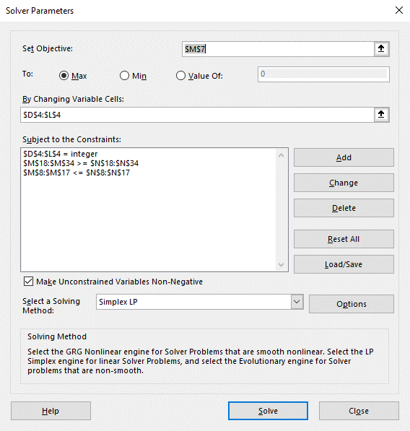
 |  | WN | WB | WS | RN | RB | RS | BN | BB | BS
 |  | 40 | 20 | 40 | 86 | 44 | 46 | 0 | 36 | 83
 | SALES | 12 | 12 | 12 | 15 | 15 | 15 | 18 | 18 | 18
 | COST | 6 | 10.5 | 8.5 | 6 | 10.5 | 8.5 | 6 | 10.5 | 8.5
MAX | PROFIT | 6 | 1.5 | 3.5 | 9 | 4.5 | 6.5 | 12 | 7.5 | 9.5 | 2739.5
 | BANANA MAX | 1 |  |  | 1 |  |  | 1 |  |  | 126 | 250 | <=
 | BL.BERRY MAX |  | 1 |  |  | 1 |  |  | 1 |  | 100 | 100 | <=
 | ST.BERRY MAX |  |  | 1 |  |  | 1 |  |  | 1 | 169 | 200 | <=
 | WN MAX | 0.6 | -0.4 | -0.4 |  |  |  |  |  |  | 0 | 0 | <=
 | WB MAX | -0.4 | 0.6 | -0.4 |  |  |  |  |  |  | -20 | 0 | <=
 | WS MAX | -0.4 | -0.4 | 0.6 |  |  |  |  |  |  | 0 | 0 | <=
 | BN MAX |  |  |  |  |  |  | 0.9 | -0.1 | -0.1 | -11.9 | 0 | <=
 | WF/TOTAL MAX | 0.55 | 0.55 | 0.55 | -0.45 | -0.45 | -0.45 | -0.45 | -0.45 | -0.45 | -77.75 | 0 | <=
 | RYB/TOTAL MAX | -0.45 | -0.45 | -0.45 | 0.55 | 0.55 | 0.55 | -0.45 | -0.45 | -0.45 | -1.75 | 0 | <=
 | BM/TOTAL MAX | -0.45 | -0.45 | -0.45 | -0.45 | -0.45 | -0.45 | 0.55 | 0.55 | 0.55 | -58.75 | 0 | <=
 | WF MIN | 1 | 1 | 1 |  |  |  |  |  |  | 100 | 50 | >=
 | RYB MIN |  |  |  | 1 | 1 | 1 |  |  |  | 176 | 50 | >=
 | BM MIN |  |  |  |  |  |  | 1 | 1 | 1 | 119 | 50 | >=
 | RN MIN |  |  |  | 0.75 | -0.25 | -0.25 |  |  |  | 42 | 0 | >=
 | RB MIN |  |  |  | -0.25 | 0.75 | -0.25 |  |  |  | 0 | 0 | >=
 | RS MIN |  |  |  | -0.25 | -0.25 | 0.75 |  |  |  | 2 | 0 | >=
 | BB MIN |  |  |  |  |  |  | -0.3 | 0.7 | -0.3 | 0.3 | 0 | >=
 | BS MIN |  |  |  |  |  |  | -0.3 | -0.3 | 0.7 | 47.3 | 0 | >=
 | WF ORAC | -790 | 1400 | 540 |  |  |  |  |  |  | 18000 | 0 | >=
 | RYB ORAC |  |  |  | -890 | 1300 | 440 |  |  |  | 900 | 0 | >=
 | BM ORAC |  |  |  |  |  |  | -1590 | 600 | -260 | 20 | 0 | >=
 | BANANA MAX | 1 |  |  | 1 |  |  | 1 |  |  | 126 | 125 | >=
 | BL.BERRY MAX |  | 1 |  |  | 1 |  |  | 1 |  | 100 | 50 | >=
 | ST.BERRY MAX |  |  | 1 |  |  | 1 |  |  | 1 | 169 | 100 | >=
 | WF/TOTAL MIN | 0.775 | 0.775 | 0.775 | -0.225 | -0.225 | -0.225 | -0.225 | -0.225 | -0.225 | 11.125 | 0 | >=
 | RYB/TOTAL MIN | -0.225 | -0.225 | -0.225 | 0.775 | 0.775 | 0.775 | -0.225 | -0.225 | -0.225 | 87.125 | 0 | >=
 | BM/TOTAL MIN | -0.225 | -0.225 | -0.225 | -0.225 | -0.225 | -0.225 | 0.775 | 0.775 | 0.775 | 30.125 | 0 | >=

Sheet1
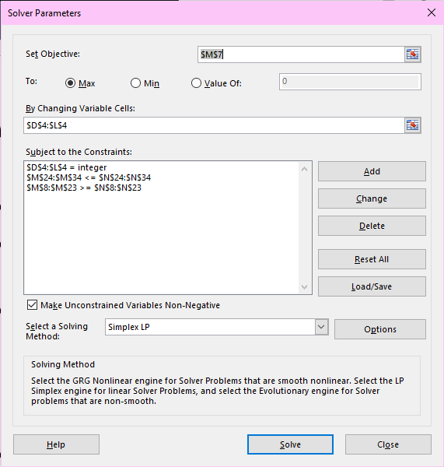
Mod 10- #5 Zesto's Zinging Smoothies

 |  | WFN | WFB | WFS | RYBN | RYBB | RYBS | BMN | BMB | BMS
 |  | 38 | 19 | 38 | 157 | 80 | 83 | 0 | 1 | 2
 | SALES | 12 | 12 | 12 | 15 | 15 | 15 | 18 | 18 | 18
 | COST | 6 | 10.5 | 8.5 | 6 | 10.5 | 8.5 | 6 | 10.5 | 8.5
MAX | PROFIT | 6 | 1.5 | 3.5 | 9 | 4.5 | 6.5 | 12 | 7.5 | 9.5 | 2728.5
 | WF MIN | 1 | 1 | 1 |  |  |  |  |  |  | 95 | 50 | >=
 | RYB MIN |  |  |  | 1 | 1 | 1 |  |  |  | 320 | 50 | >=
 | RYBN MIN |  |  |  | 0.75 | -0.25 | -0.25 |  |  |  | 77 | 0 | >=
 | RYBB MIN |  |  |  | -0.25 | 0.75 | -0.25 |  |  |  | 0 | 0 | >=
 | RYBS MIN |  |  |  | -0.25 | -0.25 | 0.75 |  |  |  | 3 | 0 | >=
 | BMB MIN |  |  |  |  |  |  | -0.3 | 0.7 | -0.3 | 0.1 | 0 | >=
 | BMS MIN |  |  |  |  |  |  | -0.3 | -0.3 | 0.7 | 1.1 | 0 | >=
 | WF OPAC | -790 | 1400 | 540 |  |  |  |  |  |  | 17100 | 0 | >=
 | RYB OPAC |  |  |  | -890 | 1300 | 440 |  |  |  | 790 | 0 | >=
 | BM OPAC |  |  |  |  |  |  | -1590 | 600 | -260 | 80 | 0 | >=
 | BANANA MIN | 1 |  |  | 1 |  |  | 1 |  |  | 790 | 25 | >=
 | BL.BERRY MIN |  | 1 |  |  | 1 |  |  | 1 |  | 80 | 50 | >=
 | ST.BERRY MIN |  |  | 1 |  |  | 1 |  |  | 1 | 195 | 100 | >=
 | WF/TOTAL MIN | 0.775 | 0.775 | 0.775 | -0.225 | -0.225 | -0.225 | -0.225 | -0.225 | -0.225 | 100 | 0 | >=
 | RYB/TOTAL MIN | -0.225 | -0.225 | -0.225 | 0.775 | 0.775 | 0.775 | -0.225 | -0.225 | -0.225 | 123 | 0 | >=
 | BM/TOTAL MIN | -0.225 | -0.225 | -0.225 | -0.225 | -0.225 | -0.225 | 0.775 | 0.775 | 0.775 | 0.95 | 0 | >=
 | BMN MAX |  |  |  |  |  |  | 0.9 | -0.1 | -0.1 | -0.3 | 0 | <=
 | BM MIN |  |  |  |  |  |  | 1 | 1 | 1 | 3 | 50 | <=
 | BANANA MAX | 1 |  |  | 1 |  |  | 1 |  |  | 195 | 250 | <=
 | BL.BERRY MAX |  | 1 |  |  | 1 |  |  | 1 |  | 100 | 100 | <=
 | ST.BERRY MAX |  |  | 1 |  |  | 1 |  |  | 1 | 123 | 200 | <=
 | WFN MAX | 0.6 | -0.4 | -0.4 |  |  |  |  |  |  | -1.7763568394E-15 | 0 | <=
 | WFB MAX | -0.4 | 0.6 | -0.4 |  |  |  |  |  |  | -19 | 0 | <=
 | WFS MAX | -0.4 | -0.4 | 0.6 |  |  |  |  |  |  | 0 | 0 | <=
 | WF/TOTAL MAX | 0.55 | 0.55 | 0.55 | -0.45 | -0.45 | -0.45 | -0.45 | -0.45 | -0.45 | -19 | 0 | <=
 | RYB/TOTAL MAX | -0.45 | -0.45 | -0.45 | 0.55 | 0.55 | 0.55 | -0.45 | -0.45 | -0.45 | 0 | 0 | <=
 | BM/TOTAL MAX | -0.45 | -0.45 | -0.45 | -0.45 | -0.45 | -0.45 | 0.55 | 0.55 | 0.55 | -93.1 | 0 | <=

