Solved
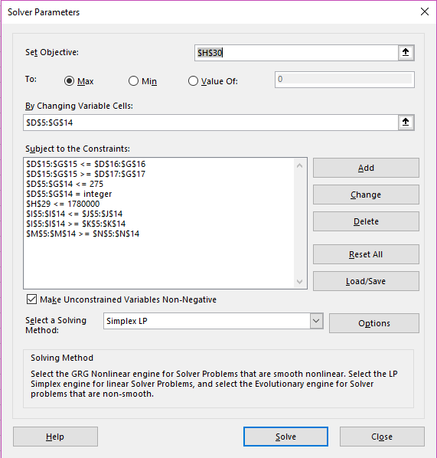
CP3-2: Valiant Vaccines
MAX |  | Q | 3 | 2.5 | 3.45 | 2.7
 |  |  |  |  |  |  |  |  | 3) | 2) | 6)
 | REVENUE | VACCINES | DENVER | OMAHA | KC | OKC |  |  | DEMAND | demand min | Quality Min
 | 10 | A | 145 | 0 | 100 | 229 |  | 474 | 475 | 418 | 1398.3 | 1398.3
 | 15 | B | 275 | 0 | 5 | 64 |  | 344 | 350 | 308 | 1015.05 | 1014.8
 | 10 | C | 275 | 0 | 22 | 99 |  | 396 | 450 | 396 | 1168.2 | 1168.2
 | 9 | D | 1 | 173 | 156 | 0 |  | 330 | 375 | 330 | 973.7 | 973.5
 | 12 | E | 0 | 141 | 127 | 0 |  | 268 | 300 | 264 | 790.65 | 790.6
 | 14 | F | 202 | 0 | 0 | 40 |  | 242 | 275 | 242 | 714 | 713.9
 | 20 | G | 265 | 0 | 7 | 67 |  | 339 | 350 | 308 | 1000.05 | 1000.05
 | 10 | H | 0 | 0 | 125 | 249 |  | 374 | 425 | 374 | 1103.55 | 1103.3
 | 15 | I | 1 | 150 | 135 | 0 |  | 286 | 325 | 286 | 843.75 | 843.7
 | 8 | J | 0 | 190 | 248 | 2 |  | 440 | 500 | 440 | 1336 | 1298
 |  |  | 1164 | 654 | 925 | 750
 | 3) | SUPPLY | 1252 | 872 | 928 | 1000
 | 1) | supply min | 939 | 654 | 696 | 750

 |  | MILEAGE | DENVER | OMAHA | KC | OKC
 |  | A | 333 | 725 | 675 | 425
 |  | B | 421 | 800 | 775 | 657
 |  | C | 175 | 435 | 1100 | 725
 |  | D | 851 | 337 | 1235 | 865
 |  | E | 790 | 600 | 455 | 922
 |  | F | 525 | 1275 | 700 | 864
 |  | G | 99 | 531 | 675 | 455
 |  | H | 1222 | 1045 | 825 | 725
 |  | I | 645 | 800 | 600 | 925
 |  | J | 588 | 689 | 189 | 867 | 1779971 | TOTAL MILEAGE
 |  |  |  |  |  |  | 41764 | MAX REVENUE

CP3-2
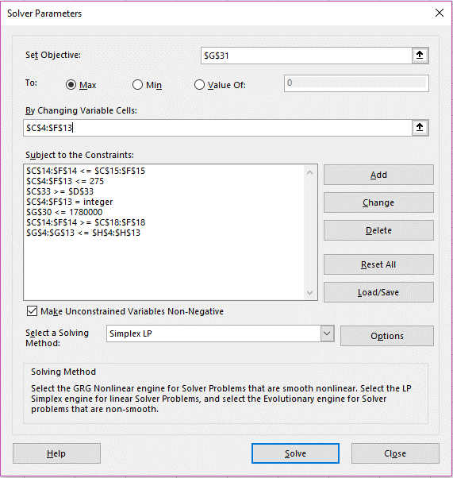
CP3-2: Valiant Vaccines |  |  |  |  |  |  |  |  |  | Works Without Quality Constraint
MAX
 | VACCINES | DENVER | OMAHA | KC | OKC |  | DEMAND | REVENUE | QUALITY
 | A | 247 | 0 | 0 | 228 | 475 | 475 | 10 | 2.86
 | B | 275 | 0 | 0 | 75 | 350 | 350 | 15 | 2.94
 | C | 274 | 176 | 0 | 0 | 450 | 450 | 10 | 2.80
 | D | 0 | 253 | 0 | 122 | 375 | 375 | 9 | 2.57
 | E | 0 | 178 | 122 | 0 | 300 | 300 | 12 | 2.89
 | F | 169 | 0 | 106 | 0 | 275 | 275 | 14 | 3.17
 | G | 275 | 0 | 0 | 75 | 350 | 350 | 20 | 2.94
 | H | 0 | 0 | 150 | 275 | 425 | 425 | 10 | 2.96
 | I | 0 | 50 | 275 | 0 | 325 | 325 | 15 | 3.30
 | J | 12 | 213 | 275 | 0 | 500 | 500 | 8 | 3.03
 |  | 1252 | 870 | 928 | 775
 | SUPPLY | 1252 | 872 | 928 | 1000
 | QUALITY | 3 | 2.5 | 3.45 | 2.7

SUPPLY MIN | 75% | 939 | 654 | 696 | 750

 | MILEAGE | DENVER | OMAHA | KC | OKC
 | A | 333 | 725 | 675 | 425
 | B | 421 | 800 | 775 | 657
 | C | 175 | 435 | 1100 | 725
 | D | 851 | 337 | 1235 | 865
 | E | 790 | 600 | 455 | 922 |  |  |  |  | Can't get constraint to work:
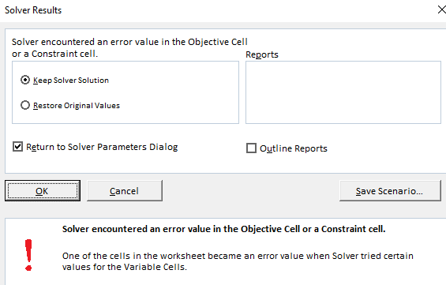
 | F | 525 | 1275 | 700 | 864
 | G | 99 | 531 | 675 | 455
 | H | 1222 | 1045 | 825 | 725
 | I | 645 | 800 | 600 | 925
 | J | 588 | 689 | 189 | 867 | 1780000 | TOTAL MILEAGE
 |  |  |  |  |  | 45450 | MAX REVENUE
 |  | VACC TOTAL
DEMAND MIN | 88% | 3825 | 3366

