CP3-3 Solved
CP3-3: NCAA Class Madness Scheduling
 |  |  |  | r1 | r2 | r3 | r4
 |  |  | "Q" | 5 |  |  | 2 | total miles | 19395
 |  |  | CONF | WCC | B12 | B10 | B10
 |  |  | SEED | 1 | 1 | 1 | 1
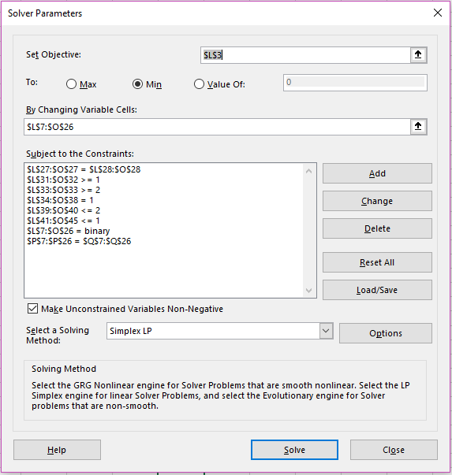
"Q" | CONF | SEED |  | GONZAGA | BAYLOR | ILLINOIS | MICHIGAN |  | GONZAGA | BAYLOR | ILLINOIS | MICHIGAN | SUM | demand
2 | B10 | 2 | OHIO STATE | 2500 | 1120 | 320 | 180 | OHIO STATE | 0 | 0 | 1 | 0 | 1 | 1
 | B10 | 2 | IOWA | 2025 | 785 | 415 | 575 | IOWA | 1 | 0 | 0 | 0 | 1 | 1
 | SEC | 2 | ALABAMA | 2360 | 645 | 685 | 700 | ALABAMA | 0 | 0 | 0 | 1 | 1 | 1
 | AAC | 2 | HOUSTON | 2460 | 230 | 1075 | 1330 | HOUSTON | 0 | 1 | 0 | 0 | 1 | 1
5 | B12 | 3 | KU | 1875 | 510 | 525 | 755 | KU | 0 | 0 | 1 | 0 | 1 | 1
1 | SEC | 3 | ARKANSAS | 2415 | 425 | 810 | 975 | ARKANSAS | 1 | 0 | 0 | 0 | 1 | 1
2 | B12 | 3 | TEXAS | 2385 | 195 | 1165 | 1390 | TEXAS | 0 | 1 | 0 | 0 | 1 | 1
 | B12 | 3 | WEST VIRGINIA | 2480 | 1200 | 565 | 185 | WEST VIRGINIA | 0 | 0 | 0 | 1 | 1 | 1
2 | B12 | 4 | OSU | 2075 | 280 | 745 | 1025 | OSU | 1 | 0 | 0 | 0 | 1 | 1
 | B10 | 4 | PURDUE | 2360 | 950 | 190 | 275 | PURDUE | 0 | 1 | 0 | 0 | 1 | 1
1 | ACC | 4 | VIRGINIA | 2670 | 1305 | 645 | 200 | VIRGINIA | 0 | 0 | 0 | 1 | 1 | 1
 | ACC | 4 | FLORIDA | 3135 | 1180 | 1185 | 1195 | FLORIDA | 0 | 0 | 1 | 0 | 1 | 1
5 | BEAST | 5 | VILLANOVA | 2945 | 1605 | 770 | 590 | VILLANOVA | 0 | 0 | 0 | 1 | 1 | 1
3 | BEAST | 5 | CREIGHTON | 1825 | 715 | 480 | 745 | CREIGHTON | 0 | 1 | 0 | 0 | 1 | 1
 | P12 | 5 | COLORADO | 1370 | 845 | 1020 | 1305 | COLORADO | 1 | 0 | 0 | 0 | 1 | 1
 | SEC | 5 | TENNESSEE | 2575 | 740 | 445 | 555 | TENNESSEE | 0 | 0 | 1 | 0 | 1 | 1
 | B12 | 6 | TEXAS TECH | 1805 | 375 | 925 | 1260 | TEXAS TECH | 0 | 0 | 1 | 0 | 1 | 1
 | WCC | 6 | BYU | 720 | 1145 | 1325 | 1600 | BYU | 0 | 0 | 0 | 1 | 1 | 1
 | MTNW | 6 | SDSU | 1300 | 1275 | 2105 | 2325 | SDSU | 1 | 0 | 0 | 0 | 1 | 1
 | P12 | 6 | USC | 1200 | 1445 | 2190 | 2540 | USC | 0 | 1 | 0 | 0 | 1 | 1
 |  |  |  |  |  |  |  | SUM | 5 | 5 | 5 | 5
 |  |  |  |  |  |  |  | Supply | 5 | 5 | 5 | 5

 |  |  |  |  |  |  |  |  |  |  |  |  | sum
 |  |  |  |  |  |  |  | b10 min | 1 | 1 | 2 | 1 | 5 | >= | 1
 |  |  |  |  |  |  |  | b12 min | 1 | 2 | 2 | 1 | 6 | >= | 1
 |  |  |  |  |  |  |  | Q | 3 | 2 | 2 | 3 | 10 | >= | 2
 |  |  |  |  |  |  |  | seed 2 | 1 | 1 | 1 | 1 | 4 | = | 1
 |  |  |  |  |  |  |  | seed 3 | 1 | 1 | 1 | 1 | 4 | = | 1
 |  |  |  |  |  |  |  | seed 4 | 1 | 1 | 1 | 1 | 4 | = | 1
 |  |  |  |  |  |  |  | seed 5 | 1 | 1 | 1 | 1 | 4 | = | 1
 |  |  |  |  |  |  |  | seed 6 | 1 | 1 | 1 | 1 | 4 | = | 1
 |  |  |  |  |  |  |  | b10 max | 1 | 1 | 2 | 1 | 5 | <= | 2
 |  |  |  |  |  |  |  | b12 max | 1 | 2 | 2 | 1 | 6 | <= | 2
 |  |  |  |  |  |  |  | sec | 1 | 0 | 1 | 1 | 3 | <= | 1
 |  |  |  |  |  |  |  | acc | 0 | 0 | 1 | 1 | 2 | <= | 1
 |  |  |  |  |  |  |  | beast | 0 | 1 | 0 | 1 | 2 | <= | 1
 |  |  |  |  |  |  |  | p12 | 1 | 1 | 0 | 0 | 2 | <= | 1
 |  |  |  |  |  |  |  | WCC | 1 | 0 | 0 | 1 | 2 | <= | 1

