CP4-1
CP4-1: Girl Scout Cookies – Yum! |  |  |  |  |  |  |  |  |  |  |  |  |  |  |  | *Colors that match are equivalent
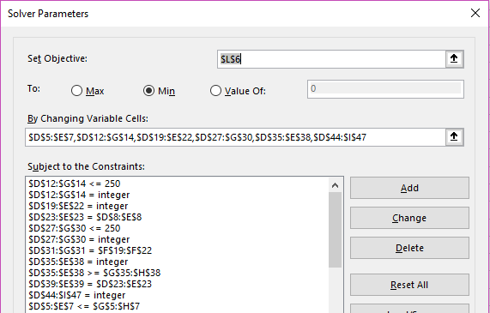

 | Supply |  | TM | Sam |  | MAX TM | MAX Sam |  |  |  | $3,280.10 | Shipping 1 Total
 |  | ALPHA | 235 | 255 | 490 | 325 | 255 |  |  |  | $6,514.00 | Shipping 2 Total
 |  | BETA | 240 | 235 | 475 | 270 | 330 |  |  |  | $9,794.10 | MIN Cost
 |  | GAMMA | 215 | 260 | 475 | 215 | 260
 |  |  | 690 | 750
 |  |  |  |  |  |  |  |  |  |  | Wichita | Ardmore | LR | Amarillo
 |  |  |  |  |  |  |  |  |  | ALPHA | $2.30 | $3.44 | $3.22 | $3.90
 | Shipping 1 |  | Wichita | Ardmore | LR | Amarillo |  |  |  | BETA | $2.60 | $4.33 | $2.11 | $3.20
 |  | ALPHA | 250 | 240 | 0 | 0 | 490 |  |  | GAMMA | $1.80 | $2.00 | $1.75 | $1.10
 |  | BETA | 155 | 0 | 250 | 70 | 475 |  |  | REG 1 | $3.20 | $4.60 | $3.90 | $5.70
 |  | GAMMA | 0 | 225 | 0 | 250 | 475 |  |  | REG 2 | $5.70 | $7.30 | $6.30 | $4.60
 |  |  | 405 | 465 | 250 | 320 |  |  |  | REG 3 | $3.20 | $4.50 | $5.70 | $5.20
 |  |  |  |  |  |  |  |  |  | REG 4 | $4.10 | $5.30 | $8.20 | $6.10

 | Storage |  | TM | Sam |  | Capacity
 |  | Wichita | 0 | 405 | 405 | 405 |  |  |  |  | TM | SAM
 |  | Ardmore | 120 | 345 | 465 | 465 |  |  |  | Wichita | 0 | 405
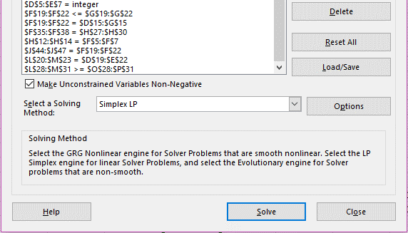
 |  | LR | 250 | 0 | 250 | 315 |  |  |  | Ardmore | 120 | 345
 |  | Amarillo | 320 | 0 | 320 | 525 |  |  |  | LR | 250 | 0
 |  |  | 690 | 750 |  |  |  |  |  | Amarillo | 320 | 0
 |  |  |  |  |  |  |  |  |  |  | 690 | 750

 | Shipping 2 |  | Wichita | Ardmore | LR | Amarillo
 |  | REG 1 | 0 | 0 | 190 | 0 | 190 |  |  |  | TM Quality | Sam Quality |  | MIN TM Q | Min Sam Q
 |  | REG 2 | 0 | 0 | 0 | 220 | 220 |  |  | Wichita | 0 | 2025 |  | 0 | 1822.5
 |  | REG 3 | 160 | 215 | 60 | 0 | 435 |  |  | Ardmore | 528 | 1552.8 |  | 528 | 1552.5
 |  | REG 4 | 245 | 250 | 0 | 100 | 595 |  |  | LR | 1250 | 0 |  | 1100 | 0
 |  |  | 405 | 465 | 250 | 320 |  |  |  | Amarillo | 1600 | 0 |  | 1408 | 0

 | Demand |  | TM | Sam |  | MIN TM | MIN Sam
 |  | REG 1 | 115 | 75 | 190 | 115 | 75
 |  | REG 2 | 85 | 135 | 220 | 85 | 135
 |  | REG 3 | 250 | 185 | 435 | 250 | 185
 |  | REG 4 | 240 | 355 | 595 | 240 | 355
 |  |  | 690 | 750

 | Quality |  | 4.4 | 5 | 4.7 | 4.4 | 5 | 4.7
 |  |  | atm | btm | gtm | asm | bsm | gsm
 |  | Wichita | 0 | 0 | 0 | 0 | 405 | 0 | 405
 |  | Ardmore | 120 | 0 | 0 | 287 | 58 | 0 | 465
 |  | LR | 0 | 250 | 0 | 0 | 0 | 0 | 250
 |  | Amarillo | 0 | 320 | 0 | 0 | 0 | 0 | 320
 |  |  | 120 | 570 | 0 | 287 | 463 | 0

