CP4-2
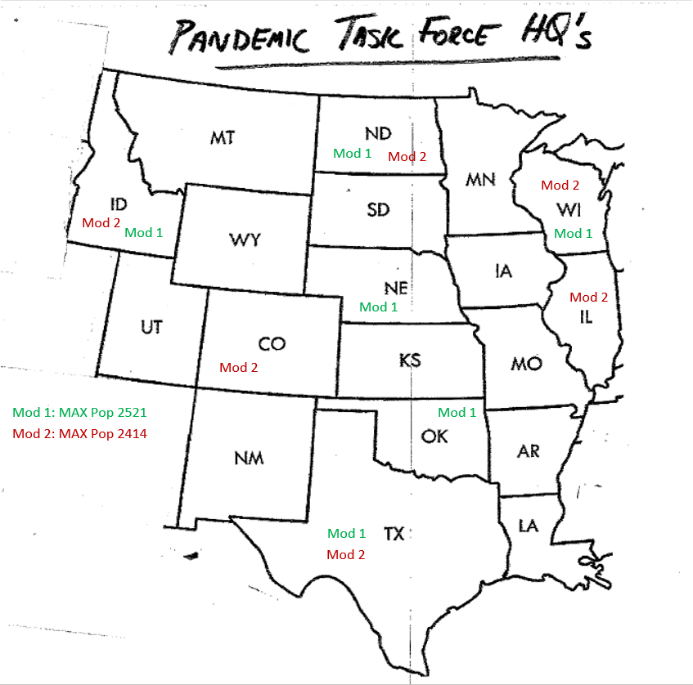
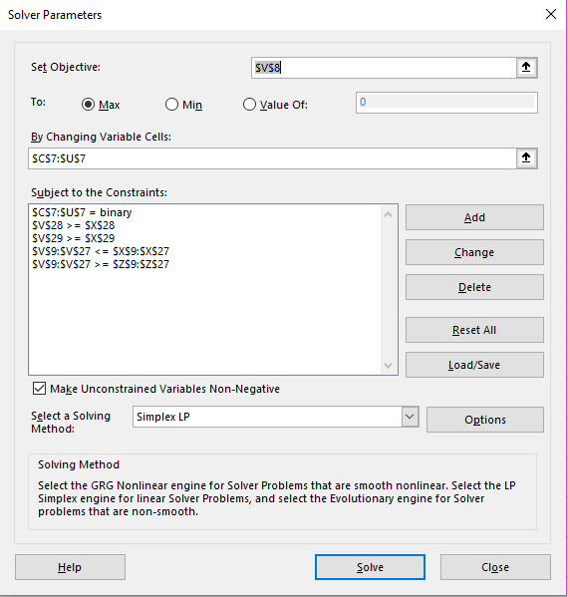
CP4-2: Pandemic Task Force Headquarters- Western US

 | COVID | 172 | 137 | 82 | 105 | 132 | 84 | 101 | 104 | 59 | 72 | 65 | 38 | 46 | 17 | 31 | 57 | 80 | 68 | 81
 | BORDER STATES | 3 | 6 | 4 | 3 | 6 | 3 | 6 | 6 | 6 | 4 | 6 | 6 | 4 | 2 | 4 | 4 | 4 | 3 | 4
 |  | ND | SD | MN | WI | IA | IL | NE | WY | CO | KS | MO | OK | AR | LA | TX | NM | MT | ID | UT
 | BIN | 1 | 0 | 0 | 1 | 0 | 1 | 0 | 0 | 1 | 0 | 0 | 0 | 0 | 0 | 1 | 0 | 0 | 1 | 0
MAX | POP | 76 | 14 | 311 | 264 | 217 | 113 | 291 | 66 | 732 | 125 | 42 | 661 | 200 | 226 | 1000 | 86 | 32 | 229 | 200 | 2414
 | ND | 1 | 1 | 1 |  |  |  |  |  |  |  |  |  |  |  |  |  | 1 |  |  | 1 | <= | 2 | >= | 1
 | SD | 1 | 1 | 1 |  | 1 |  | 1 | 1 |  |  |  |  |  |  |  |  | 1 |  |  | 1 | <= | 2 | >= | 1
 | MN | 1 | 1 | 1 | 1 | 1 |  |  |  |  |  |  |  |  |  |  |  |  |  |  | 2 | <= | 2 | >= | 1
 | WI |  |  | 1 | 1 | 1 | 1 |  |  |  |  |  |  |  |  |  |  |  |  |  | 2 | <= | 2 | >= | 1
 | IA |  | 1 | 1 | 1 | 1 | 1 | 1 |  |  |  | 1 |  |  |  |  |  |  |  |  | 2 | <= | 2 | >= | 1
 | IL |  |  |  | 1 | 1 | 1 |  |  |  |  | 1 |  |  |  |  |  |  |  |  | 2 | <= | 2 | >= | 1
 | NE |  | 1 |  |  | 1 |  | 1 | 1 | 1 | 1 | 1 |  |  |  |  |  |  |  |  | 1 | <= | 2 | >= | 1
 | WY |  | 1 |  |  |  |  | 1 | 1 | 1 |  |  |  |  |  |  |  | 1 | 1 | 1 | 2 | <= | 2 | >= | 1
 | CO |  |  |  |  |  |  | 1 | 1 | 1 | 1 |  | 1 |  |  |  | 1 |  |  | 1 | 1 | <= | 2 | >= | 1
 | KS |  |  |  |  |  |  | 1 |  | 1 | 1 | 1 | 1 |  |  |  |  |  |  |  | 1 | <= | 2 | >= | 1
 | MO |  |  |  |  | 1 | 1 | 1 |  |  | 1 | 1 | 1 | 1 |  |  |  |  |  |  | 1 | <= | 2 | >= | 1
 | OK |  |  |  |  |  |  |  |  | 1 | 1 | 1 | 1 | 1 |  | 1 | 1 |  |  |  | 2 | <= | 2 | >= | 1
 | AR |  |  |  |  |  |  |  |  |  |  | 1 | 1 | 1 | 1 | 1 |  |  |  |  | 1 | <= | 2 | >= | 1
 | LA |  |  |  |  |  |  |  |  |  |  |  |  | 1 | 1 | 1 |  |  |  |  | 1 | <= | 2 | >= | 1
 | TX |  |  |  |  |  |  |  |  |  |  |  | 1 | 1 | 1 | 1 | 1 |  |  |  | 1 | <= | 2 | >= | 1
 | NM |  |  |  |  |  |  |  |  | 1 |  |  | 1 |  |  | 1 | 1 |  |  | 1 | 2 | <= | 2 | >= | 1
 | MT | 1 | 1 |  |  |  |  |  | 1 |  |  |  |  |  |  |  |  | 1 | 1 |  | 2 | <= | 2 | >= | 1
 | ID |  |  |  |  |  |  |  | 1 |  |  |  |  |  |  |  |  | 1 | 1 | 1 | 1 | <= | 2 | >= | 1
 | UT |  |  |  |  |  |  |  | 1 | 1 |  |  |  |  |  |  | 1 |  | 1 | 1 | 2 | <= | 2 | >= | 1
 | COVID MIN | 87 | 52 | -3 | 20 | 47 | -1 | 16 | 19 | -26 | -13 | -20 | -47 | -39 | -68 | -54 | -28 | -5 | -17 | -4 | 9 | >= | 0
 | Chartreuse | -0.4 | -0.4 | 0.6 | 0.6 | 0.6 | 0.6 | -0.4 | -0.4 | 0.6 | -0.4 | -0.4 | -0.4 | -0.4 | -0.4 | -0.4 | 0.6 | 0.6 | -0.4 | -0.4 | 0.6 | >= | 0

 | Comments: | The solutions for both Mod 1 and Mod 2 are similar, but the addition of the Chartrese contraint does change the model. Mod 1 includes NE and OK. In Mod 2, NE and OK have moved to CO and IL. The Max POP is reduced from 2521 in Mod 1, to 2414 in Mod 2.

