Sheet1
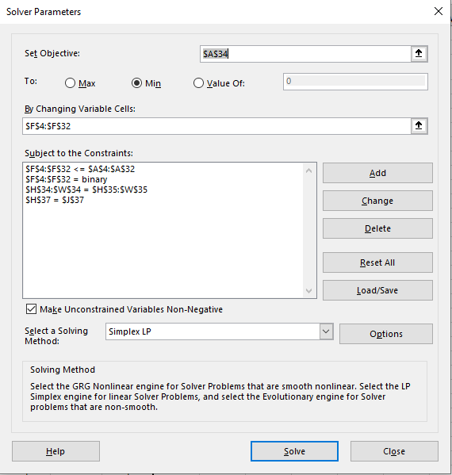
GS3- Gary Gopher

"ERGS" | FROM | TO | 0/1 |  | HOME | FORSYNTIAS | LILACS | HOLSTEIN ROCK | ROSES | REDBUD | HOLLY | FERNS | DAY LILLIES | HOSTAS | YEWS | SMALL OAK | BIG OAK | JASMINE | SUNBURST LOCUST | COMPOST BIN
20 | HOME | FORSYNTIAS | 1 |  | -1 | 1
15 | HOME | LILACS | 0 |  | -1 |  | 1
18 | HOME | HOLSTEIN ROCK | 0 |  | -1 |  |  | 1
10 | FORSYNTIAS | ROSES | 0 |  |  | -1 |  |  | 1
9 | FORSYNTIAS | REDBUD | 1 |  |  | -1 |  |  |  | 1
11 | LILACS | HOLLY | 0 |  |  |  | -1 |  |  |  | 1
12 | HOLSTEIN ROCK | FERNS | 0 |  |  |  |  | -1 |  |  |  | 1
8 | ROSES | REDBUD | 0 |  |  |  |  |  | -1 | 1
16 | ROSES | DAY LILLIES | 0 |  |  |  |  |  | -1 |  |  |  | 1
8 | REDBUD | ROSES | 0 |  |  |  |  |  | 1 | -1
12 | REDBUD | DAY LILLIES | 1 |  |  |  |  |  |  | -1 |  |  | 1
12 | REDBUD | HOLLY | 0 |  |  |  |  |  |  | -1 | 1
12 | HOLLY | REDBUD | 0 |  |  |  |  |  |  | 1 | -1
18 | HOLLY | HOSTAS | 0 |  |  |  |  |  |  |  | -1 |  |  | 1
18 | HOLLY | YEWS | 0 |  |  |  |  |  |  |  | -1 |  |  |  | 1
22 | HOLLY | FERNS | 0 |  |  |  |  |  |  |  | -1 | 1
22 | FERNS | HOLLY | 0 |  |  |  |  |  |  |  | 1 | -1
20 | FERNS | SMALL OAK | 0 |  |  |  |  |  |  |  |  | -1 |  |  |  | 1
16 | DAY LILLIES | BIG OAK | 1 |  |  |  |  |  |  |  |  |  | -1 |  |  |  | 1
17 | HOSTAS | BIG OAK | 0 |  |  |  |  |  |  |  |  |  |  | -1 |  |  | 1
16 | YEWS | JASMINE | 0 |  |  |  |  |  |  |  |  |  |  |  | -1 |  |  | 1
8 | YEWS | SMALL OAK | 0 |  |  |  |  |  |  |  |  |  |  |  | -1 | 1
8 | SMALL OAK | YEWS | 0 |  |  |  |  |  |  |  |  |  |  |  | 1 | -1
15 | SMALL OAK | SUNBURST LOCUST | 0 |  |  |  |  |  |  |  |  |  |  |  |  | -1 |  |  | 1
10 | BIG OAK | JASMINE | 1 |  |  |  |  |  |  |  |  |  |  |  |  |  | -1 | 1
18 | BIG OAK | COMPOST BIN | 0 |  |  |  |  |  |  |  |  |  |  |  |  |  | -1 |  |  | 1
10 | JASMINE | BIG OAK | 0 |  |  |  |  |  |  |  |  |  |  |  |  |  | 1 | -1
7 | JASMINE | COMPOST BIN | 1 |  |  |  |  |  |  |  |  |  |  |  |  |  |  | -1 |  | 1
25 | SUNBURST LOCUST | COMPOST BIN | 0 |  |  |  |  |  |  |  |  |  |  |  |  |  |  |  | -1 | 1

74 | MIN "ERGS" |  |  |  | -1 | 0 | 0 | 0 | 0 | 0 | 0 | 0 | 0 | 0 | 0 | 0 | 0 | 0 | 0 | 1
 |  |  |  |  | -1 | 0 | 0 | 0 | 0 | 0 | 0 | 0 | 0 | 0 | 0 | 0 | 0 | 0 | 0 | 1

 |  |  |  | TREES | 2 | = | 2

