Sheet1
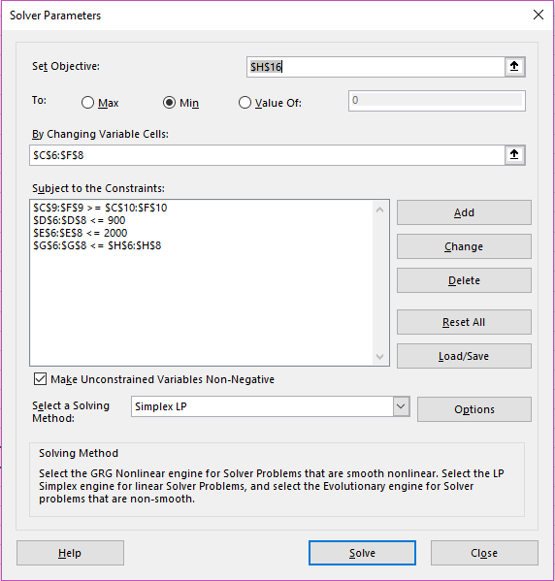
Mod 11- Red Clad Loons 1
Matrix

 |  |  |  |  |  | Sum | Supply
 |  | Denver | Lincoln | Omaha | Kansas City
 | Burbank | 0 | 900 | 600 | 0 | 1500 | 1500
 | SNA | 750 | 200 | 1900 | 0 | 2850 | 3000
 | LAX | 0 | 900 | 2000 | 350 | 3250 | 9999
Sum |  | 750 | 2000 | 4500 | 350
Demand |  | 750 | 2000 | 4500 | 350

 |  | Denver | Lincoln | Omaha | Kansas City
 | Burbank | $225 | $175 | $165 | $150
 | SNA | $200 | $300 | $285 | $275
 | LAX | $255 | $250 | $225 | $235 |  | $1,765,250 | MIN Cost

