Sheet1
GS8 |  |  |  |  |  |  | Correct Parameters:
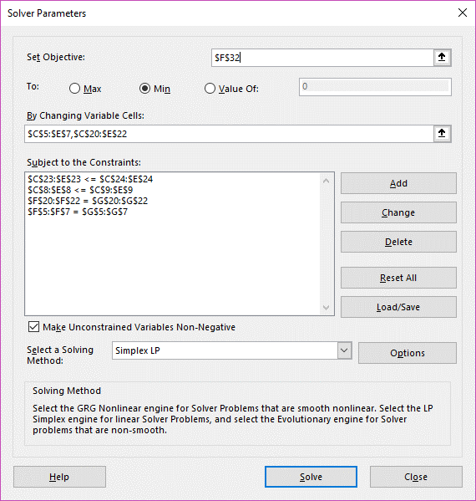
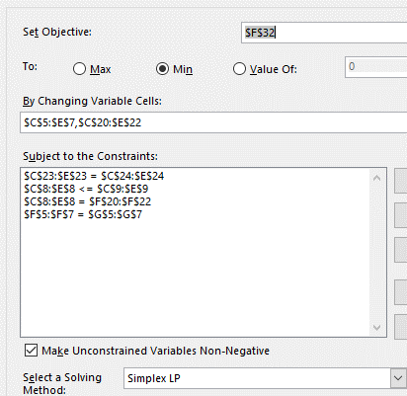
 |  |  |  |  | Sum | Fans
 |  | Omaha | Lincoln | KC
 | GI | 0 | 400 | 0 | 400 | 400
 | Columbus | 300 | 200 | 0 | 500 | 500
 | Neb City | 300 | 0 | 300 | 600 | 600
Sum |  | 600 | 600 | 300
Seats | b) | 600 | 600 | 600

 |  | Omaha | Lincoln | KC
 | GI | $148 | $103 | $274
 | Columbus | $83 | $78 | $256
 | Neb City | $45 | $52 | $128

 |  |  |  |  | $133,600 | MIN Bus Cost

 |  |  |  |  | Sum | Fans
 |  | Burbank | LAX | SNA
 | Omaha | 0 | 600 | 0 | 600 | 600
 | Lincoln | 300 | 50 | 250 | 600 | 600
 | KC | 0 | 0 | 300 | 300 | 300
Sum |  | 300 | 650 | 550
Seats |  | 300 | 650 | 550

 |  | Burbank | LAX | SNA
 | Omaha | $165 | $225 | $285
 | Lincoln | $175 | $250 | $300
 | KC | $150 | $235 | $275

 |  |  |  |  | $357,500 | MIN Plane Cost
 |  |  |  |  | $491,100 | MIN Total Cost

