Sheet1
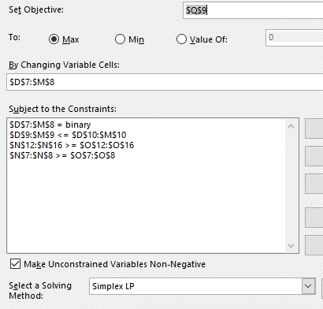
GS9
 | RATING | 80 | 76 | 69 | 65 | 74 | 90 | 88 | 62 | 71 | 74
 |  | TAGGE | BROWNSON | HUMM | FERRAGAMO | LUCK | GARCIA | SORLEY | QUINN | HAGER | BURNS | SUM
 | PROJECT PELINI: | 1 | 1 | 0 | 0 | 0 | 1 | 0 | 0 | 0 | 0 | 3 | 3 |  | 246 | PP RATING
 | PROJECT DEVANEY: | 0 | 0 | 0 | 1 | 1 | 0 | 1 | 0 | 0 | 1 | 4 | 3 |  | 301 | PD RATING
 | SUM | 1 | 1 | 0 | 1 | 1 | 1 | 1 | 0 | 0 | 1 |  |  |  | 547 | MAX RATING
 | MAX | 1 | 1 | 1 | 1 | 1 | 1 | 1 | 1 | 1 | 1

 | PP CERT A | 1 | 1 |  | 1 |  |  |  | 1 |  | 1 | 2 | 2 | >=
 | PP CERT B |  | 1 |  |  | 1 |  |  |  | 1 | 1 | 1 | 1 | >=
 | PP RATE AVG | -2 | -6 | -13 | -17 | -8 | 8 | 6 | -20 | -11 | -8 | 0 | 0 | >=
 | PD CERT A | 1 | 1 |  | 1 |  |  |  | 1 |  | 1 | 2 | 2 | >=
 | PD RATE AVG | 5 | 1 | -6 | -10 | -1 | 15 | 13 | -13 | -4 | -1 | 1 | 0 | >=

