Summary
Component Details |  |  | Buyer Details |  |  |  |  | Vendor Details
Part No | FXB01800_Assy01_Item24 |  | Cost estimator |  |  |  |  | Vendor Code
Descrtiption | Fixed finger |  | Project |  |  |  |  | Name
Part Family |  |  |  |  |  |  |  | Location
Clean Sheet Costing - Breakup details
Cost Head | Raw Material Cost | Allowance | Process Cost | Manufacturing Cost | Overhead | Profit | Total Basic Cost | Packing | Transport Cost | Tool Cost Amortization | Total Cost
Amount | 68 | 19 | 86 | 174 | 45 | 14 | 233 | 0 | 0 | 0 | 233
Ratio | 29% | 8% | 37% | 75% | 19% | 6% | 100% | 0% | 0% | 0% | 100%
Clean Sheet Costing - Chart
Raw Material Cost |  | 68
Allowance | 68 | 19
Process Cost | 88 | 86
Manufacturing Cost |  | 174
Overhead | 174 | 45
Profit | 219 | 14
Basic Cost |  | 233
Packing | 233 | 0
Transport Cost | 233 | 0
Tool Cost Amortization | 233 | 0
Total Cost |  | 233

 | Raw Material Cost | Allowance | Process Cost | Manufacturing Cost | Overhead | Profit | Basic Cost | Packing | Transport Cost | Tool Cost Amortization | Total Cost
 |  | 68 | 88 |  | 174 | 219 |  | 233 | 233 | 233
 | 68 | 19 | 86 | 174 | 45 | 14 | 233 | 0 | 0 | 0 | 233

Revision | Manufacturing Cost added

INPUT - OUTPUT
INPUT SPACE
OUTPUT SPACE

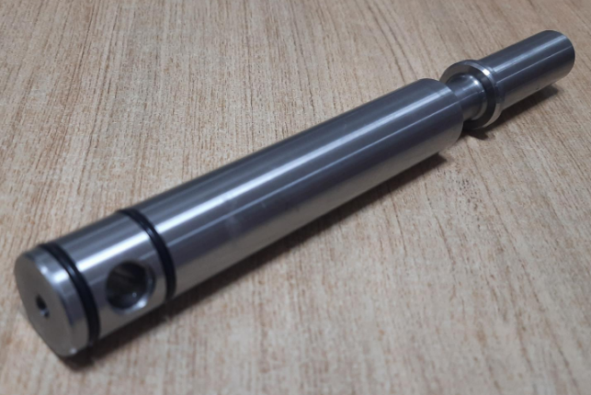
INTRODUCTION |  |  | COST HEAD | CS Cost | Client Cost
Part Name | Fixed finger |  | RM Cost | 87.55
Part No | FXB01800_Assy01_Item24 |  | BOP Cost | 0.00
Revision | #3 |  | Total RM cost | 87.55
Supplier Category | A |  | Total Conversion cost | 86.42
Date of estimation | 2022-06-06 |  | ICC | 1.97
RM data base | 1-Apr-22 |  | Rej on RM | 0.44
Conversion data base | 1-Jan-19 |  | Rej on Conv | 0.86
 |  |  | Tool maintenance cost | 1.73
 |  |  | OH | 12.96
COST HEADS |  |  | Profit | 13.92
ICC | 2.25% | RM | OTHER COST | 31.88
Rejection | 0.5% | RM | TOTAL COST | 206 | 324.17
Rejection | 1% | Conv | Total Finish weight(kg) | 0.64
Tool maintenance | 2% | Conv
OH | 15% | Conv | KEY RATIOS | %
Profit | 8% | RM+Conv | RM Cost / Total Cost | 43%
 |  |  | VA / Total Cost | 42%
 |  |  | Other Cost / Total Cost | 15%

PROCESS
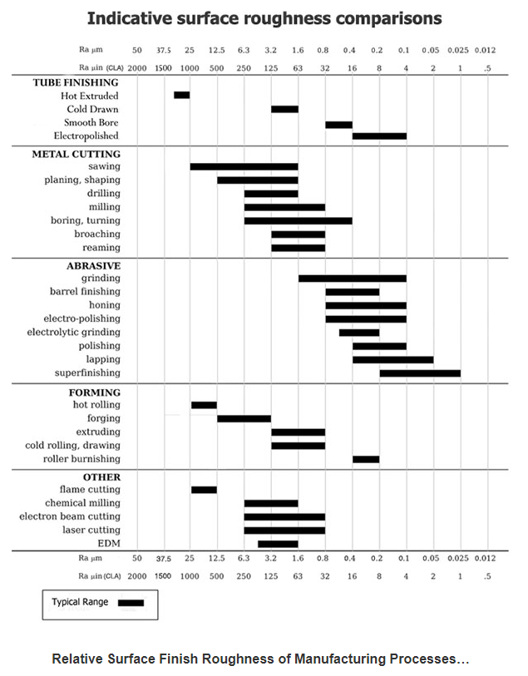
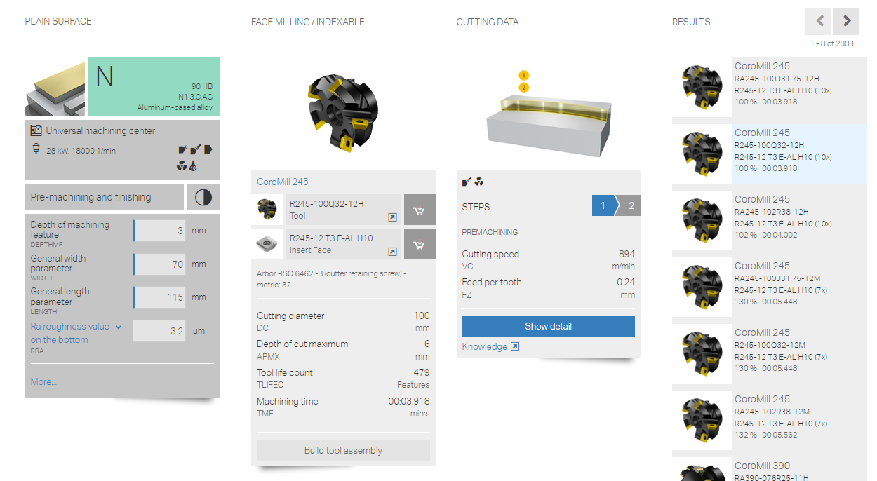
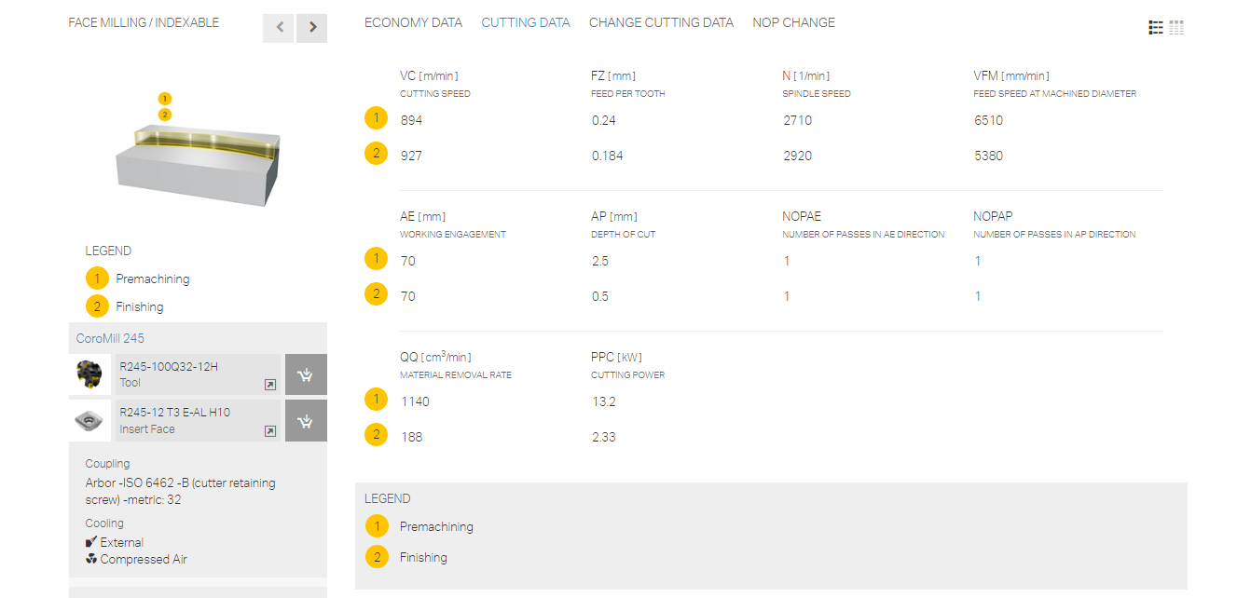
PROCESS
 |  |  |  |  |  |  |  |  |  |  | 85.58 |  | 86.42
S NO | ITEM DESCRIPTION | PROCESS DESCRIPTION | QTY | MACHINERY COST |  |  |  |  |  |  |  |  | TOTAL VALUE ADD | REMARKS
 |  |  |  | Operation | SC1 | Norms Rs/Unit | UOM | Units | Time in Sec | Parts Per unit | Cost/part
A |  | Forging Process | 1 | Forging |  | 18 | per kg | 0.84 |  |  | 15.17 |  | 15.17
C |  | Heat treatment-Hardening & Tempering | 1 | Hardening & Tempering |  | 8 | per kg | 0.780 |  |  | 6.24 |  | 6.24
D |  | Shot blasting | 1 | Shot blasting |  | 3 | per kg | 0.780 |  |  | 2.34 |  | 2.34
F |  | Visual inspection | 1 | Inspection | Approx | 5 | per part | 1.000 |  |  | 5.00 |  | 5.00
1 | Soft Machining | Loading to the machine | 1 | CNC | Size 3 | 300 | per hr |  | 30 | 1.00 | 2.50 |  | 2.50
 |  | Facing operation | 1 | CNC | Size 3 | 300 | per hr |  | 15 | 1.00 | 1.25 |  | 1.25
2 |  | Centre hole drilling operation-side1 | 1 | CNC | Size 3 | 300 | per hr |  | 15 | 1.00 | 1.25 |  | 1.25
2 |  | Chamfering operation | 1 | CNC | Size 3 | 300 | per hr |  | 10 | 1.00 | 0.83 |  | 0.83
6 |  | Step turning operation | 1 | CNC | Size 3 | 300 | per hr |  | 60 | 1.00 | 5.00 |  | 5.00
6 |  | Grooving operation | 2 | CNC | Size 3 | 300 | per hr |  | 10 | 1.00 | 0.83 |  | 1.67
6 |  | Unloading from the machine | 1 | CNC | Size 3 | 300 | per hr |  | 30 | 1.00 | 2.50 |  | 2.50
1 |  | Loading to the machine | 1 | CNC | Size 3 | 300 | per hr |  | 30 | 1.00 | 2.50 |  | 2.50
 |  | Facing operation | 1 | CNC | Size 3 | 300 | per hr |  | 42 | 1.00 | 3.50 |  | 3.50
2 |  | Centre hole drilling operation-side2 | 1 | CNC | Size 3 | 300 | per hr |  | 40 | 1.00 | 3.33 |  | 3.33
2 |  | Chamfering operation | 1 | CNC | Size 3 | 300 | per hr |  | 10 | 1.00 | 0.83 |  | 0.83
6 |  | Step turning operation | 1 | CNC | Size 3 | 300 | per hr |  | 60 | 1.00 | 5.00 |  | 5.00
6 |  | Unloading from the machine | 1 | CNC | Size 3 | 300 | per hr |  | 30 | 1.00 | 2.50 |  | 2.50
1 |  | Loading to the machine | 1 | Drilling machine |  | 100 | per hr |  | 30 | 1.00 | 0.83 |  | 0.83
6 |  | Drilling operation | 1 | Drilling machine |  | 100 | per hr |  | 60 | 1.00 | 1.67 |  | 1.67
6 |  | Countersunkoperation | 1 | Drilling machine |  | 100 | per hr |  | 20 | 1.00 | 0.56 |  | 0.56
 |  | Indexing operation | 1 | Drilling machine |  | 100 | per hr |  | 20 | 1.00 | 0.56 |  | 0.56
6 |  | Countersunkoperation | 1 | Drilling machine |  | 100 | per hr |  | 20 | 1.00 | 0.56 |  | 0.56
6 |  | Unloading from the machine | 1 | Drilling machine |  | 100 | per hr |  | 30 | 1.00 | 0.83 |  | 0.83
 | Hard machining | Loading to the Cylindrcal grinding | 1 | CNC-Cylindrical grinder | Size 3 | 300 | per hr |  | 60 | 1.00 | 5.00 |  | 5.00
3 |  | Finish Grinding operation | 1 | CNC-Cylindrical grinder | Size 3 | 300 | per hr |  | 90 | 1.00 | 7.50 |  | 7.50
5 |  | Unloading from the Cylindrcal grinding | 1 | CNC-Cylindrical grinder | Size 3 | 300 | per hr |  | 30 | 1.00 | 2.50 |  | 2.50
24 |  | Dressing & inspection | 1 | Manual Process |  |  |  |  |  |  | 5.00 |  | 5.00

 | 2/kg on casting wt | Shot blasting |  | Drilling
 | 7/kg on cast wt | Impregnation |  | Ø | Depth | CS | RPM | Feed mm/rev | Time
 | 5 | Leak test |  | 6 | 30.0 | 120 | 6366 | 0.05 | 13
 | 5 | Cleaning
 |  |  |  | Milling
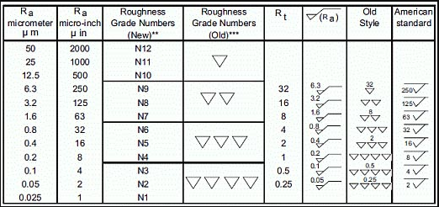
 |  |  |  | Cutter Ø | Length | Width | No of pass | No of insert | CS | RPM | Feed mm/rev | Time
 |  |  |  | 10 | 125.0 | 60.0 | 1 | 1 | 600 | 19099 | 0.1 | 31

 |  |  |  | 5 seconds considered for rapid movement
 |  |  |  | 5 seconds considered for centre drilling
 |  |  |  | Cutting speed for Aluminium considered is 300m/min for carbide inserts and 150m/min for HSS tools

 |  |  |  | Drilling Tool Life
 |  |  |  | Material | Nearest drill size | Hole depth | No of holes
 |  |  |  | SG iron/Casting | 20 | 100 | 400

 |  |  |  | Milling insert Life
 |  |  |  | Material | Mill area (mm^2) | No of insert | Depth of cut (mm) | No of usage
 |  |  |  | Carbon Steel | 38550 | 6 | 3 | 467

