INPUT - OUTPUT
INPUT SPACE
OUTPUT SPACE
OUTPUT SPACE

INTRODUCTION |  |  | COST HEAD | CS Cost | Client Cost
Part Name | Piston head | 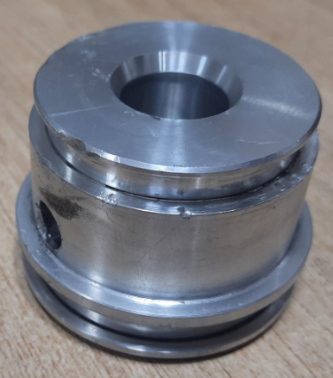 | RM Cost | 143.9
Part No | FXB01800_Assy02_Item05 |  | BOP Cost | 0.0
Revision | #3 |  | TOTAL RM COST | 143.9
Supplier Category | A |  | CONVERSION COST | 92.9
Date of estimation | 14/6/2022 |  | ICC | 3.2
RM data base | 1-Apr-22 |  | Rejection | 0.7
Conversion data base | 1-Jan-19 |  | Rejection | 0.9
 |  |  | Tool maintenance | 1.9
COST HEADS |  |  | OH | 13.9
ICC | 2.25% | RM | Profit | 18.9
Rejection | 0.5% | RM | OTEHR COST | 39.6
Rejection | 1% | Conv | TOTAL COST | 276.3 | 706.73
Tool maintenance | 2% | Conv | Total Finish weight(kg) | 0.39
OH | 15% | Conv
Profit | 8% | RM+Conv | KEY RATIOS | %
 |  |  | RM Cost / Total Cost | 52%
 |  |  | Conversion cost / Total Cost | 34%
 |  |  | Other cost/ Total Cost | 14%

PROCESS
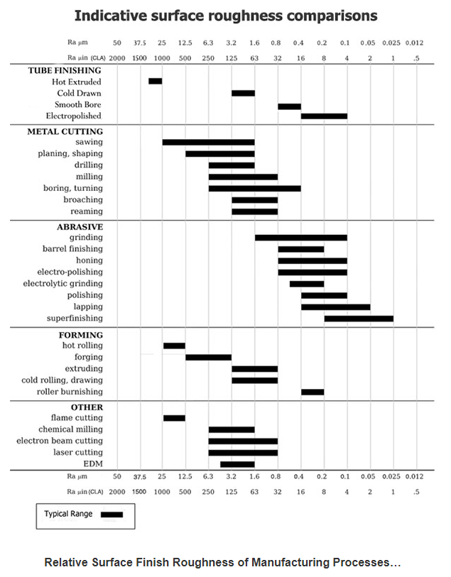
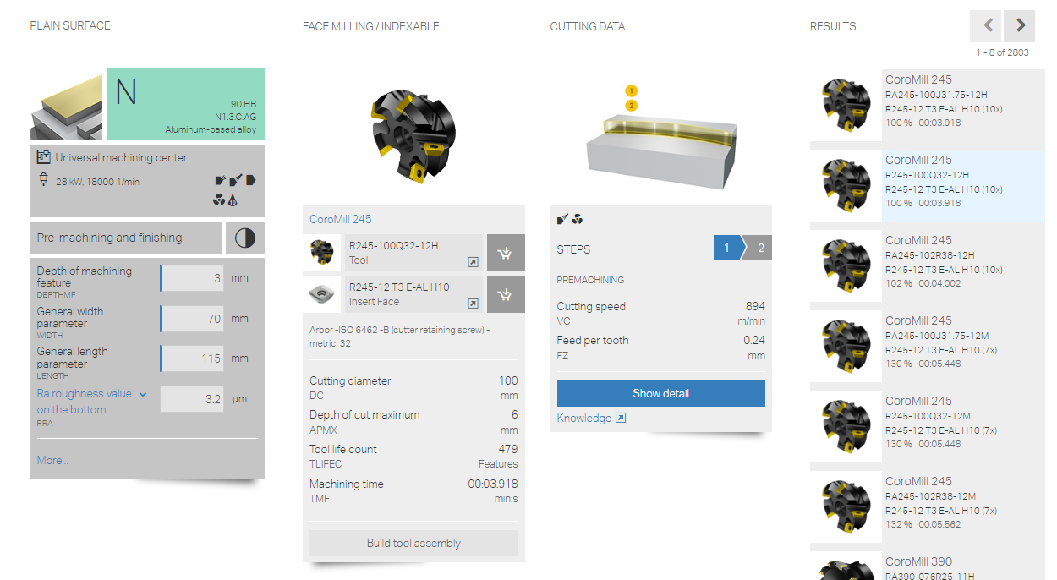
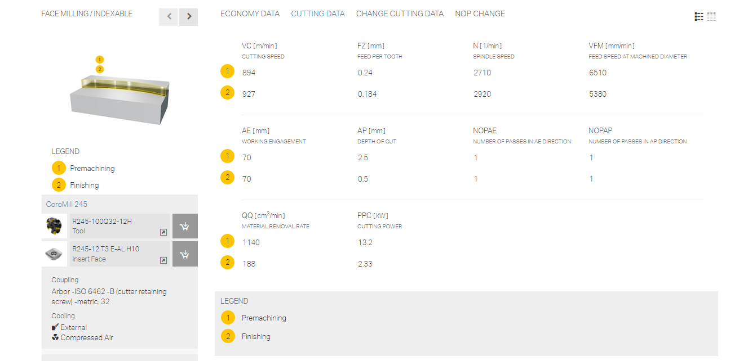
PROCESS
 |  |  |  |  |  |  |  |  |  |  | 92.87 |  | 92.87
S NO | ITEM DESCRIPTION | PROCESS DESCRIPTION | QTY | MACHINERY COST |  |  |  |  |  |  |  |  | TOTAL VALUE ADD | REMARKS
 |  |  |  | Operation | SC1 | Norms Rs/Unit | UOM | Units | Time in Sec | Parts Per unit | Cost/part
A | Casting | Aluminium GDC conversion | 1 | GDC | < 2 kg | 82 | per kg | 0.61 |  |  | 50.05 |  | 50.05
C |  | Shot blasting | 1 | Shot blasting |  | 7 | per kg | 0.555 |  |  | 3.88 |  | 3.88
D |  | Impregnation | 1 | Impregnation |  | 15 | per kg | 0.555 |  |  | 8.32 |  | 8.32
F |  | Cleaning | 1 | Cleaning | Approx | 5 | per part | 1.000 |  |  | 5.00 |  | 5.00
1 | Machining | Loading to the machine | 1 | CNC Turning machine |  | 300 | per hr |  | 15 | 1.00 | 1.25 |  | 1.25
2 |  | Facing operation | 1 | CNC Turning machine |  | 300 | per hr |  | 15 | 1.00 | 1.25 |  | 1.25
3 |  | Step turning operation | 1 | CNC Turning machine |  | 300 | per hr |  | 40 | 1.00 | 3.33 |  | 3.33
5 |  | Pilot drilling operation | 1 | CNC Turning machine |  | 300 | per hr |  | 25 | 1.00 | 2.08 |  | 2.08
6 |  | Drilling operation | 1 | CNC Turning machine |  | 300 | per hr |  | 25 | 1.00 | 2.08 |  | 2.08
3 |  | Counter sunk operation | 1 | CNC Turning machine |  | 300 | per hr |  | 15 | 1.00 | 1.25 |  | 1.25
3 |  | Through hole | 1 | CNC Turning machine |  | 300 | per hr |  | 10 | 1.00 | 0.83 |  | 0.83
 |  | Chamfering operation | 1 | CNC Turning machine |  | 300 | per hr |  | 15 | 1.00 | 1.25 |  | 1.25
7 |  | Unloading from the machine | 1 | CNC Turning machine |  | 300 | per hr |  | 15 | 1.00 | 1.25 |  | 1.25
3 |  | Loading to the machine | 1 | CNC Turning machine |  | 300 | per hr |  | 15 | 1.00 | 1.25 |  | 1.25
2 |  | Facing operation | 1 | CNC Turning machine |  | 300 | per hr |  | 15 | 1.00 | 1.25 |  | 1.25
3 |  | Step turning operation | 1 | CNC Turning machine |  | 300 | per hr |  | 40 | 1.00 | 3.33 |  | 3.33
3 |  | Unloading from the machine | 1 | CNC Turning machine |  | 300 | per hr |  | 15 | 1.00 | 1.25 |  | 1.25
5 |  | Loading to the machine | 1 | Drill machine |  | 100 | per hr |  | 20 | 1.00 | 0.56 |  | 0.56
6 |  | Drilling operation | 1 | Drill machine |  | 100 | per hr |  | 30 | 1.00 | 0.83 |  | 0.83
5 |  | unloading from the machine | 1 | Drill machine |  | 100 | per hr |  | 20 | 1.00 | 0.56 |  | 0.56
24 |  | Dressing | 1 | Manual Process |  |  |  |  |  |  | 1.00 |  | 1.00
25 |  | Packing, Storage& Despatch | 1 | Manual Process |  |  |  |  |  |  | 1.00 |  | 1.00

 | 2/kg on casting wt | Shot blasting |  | Drilling
 | 7/kg on cast wt | Impregnation |  | Ø | Depth | CS | RPM | Feed mm/rev | Time
 | 5 | Leak test |  | 14.5 | 25.0 | 120 | 2634 | 0.05 | 22
 | 5 | Cleaning
 |  |  |  | Milling
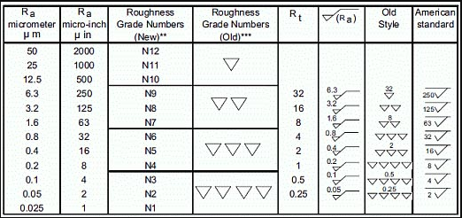
 |  |  |  | Cutter Ø | Length | Width | No of pass | No of insert | CS | RPM | Feed mm/rev | Time
 |  |  |  | 40 | 30.0 | 35.0 | 1 | 3 | 600 | 4775 | 0.3 | 8

 |  |  |  | 5 seconds considered for rapid movement
 |  |  |  | 5 seconds considered for centre drilling
 |  |  |  | Cutting speed for Aluminium considered is 300m/min for carbide inserts and 150m/min for HSS tools

 |  |  |  | Drilling Tool Life
 |  |  |  | Material | Nearest drill size | Hole depth | No of holes
 |  |  |  | SG iron/Casting | 20 | 100 | 400

 |  |  |  | Milling insert Life
 |  |  |  | Material | Mill area (mm^2) | No of insert | Depth of cut (mm) | No of usage
 |  |  |  | Carbon Steel | 38550 | 6 | 3 | 467

