Summary
Clean Sheet Costing - Breakup details
1

 | Component Details |  |  |  |  | Database Details |  |  |  | Estimation Details
 | Part No | MB512123 |  |  |  | RM Base |  | Jul-23 |  | Estimated on |  | 26-Jul-24
 | Part Rev | #2 |  |  |  | Process Base |  | Jul-23 |  | Estimated by |  | Sridhar S
 | Descrtiption | SA DASH BOARD TRIMS SA IP CARRIER WITH REINFORCEMENT |  |  |  | OH, Profit & Other Base |  | Jul-22 |  | Part type |  | SA DashBoard Trims

 | Cost Head | Direct RM Cost | Allowance cost | BOP cost | Total RM cost | Process Cost | OH | Profit | Total Basic Cost | Amortization | Packing Cost | Total Cost
 | Amount
 | Ratio | #DIV/0! | #DIV/0! | #DIV/0! | #DIV/0! | #DIV/0! | #DIV/0! | #DIV/0! | #DIV/0! | #DIV/0! | #DIV/0!

CSC Breakup-Waterfall chart
Direct RM Cost | 0 | 0
Allowance cost | 0 | 0
BOP cost | 0 | 0
Total RM cost | 0
Process Cost | 0 | 0
OH | 0 | 0
Profit | 0 | 0
Total Basic Cost | 0
Amortization | 0 | 0
Packing Cost | 0 | 0
Total Cost | 0
 |  | Direct RM Cost | Allowance cost | BOP cost | Total RM cost | Process Cost | OH | Profit | Total Basic Cost | Amortization | Packing Cost | Total Cost
 |  | 0 | 0 | 0 | 0 | 0 | 0 | 0 | 0 | 0 | 0 | 0
 |  | 0 | 0 | 0 |  | 0 | 0 | 0 |  | 0 | 0

Norms - Format
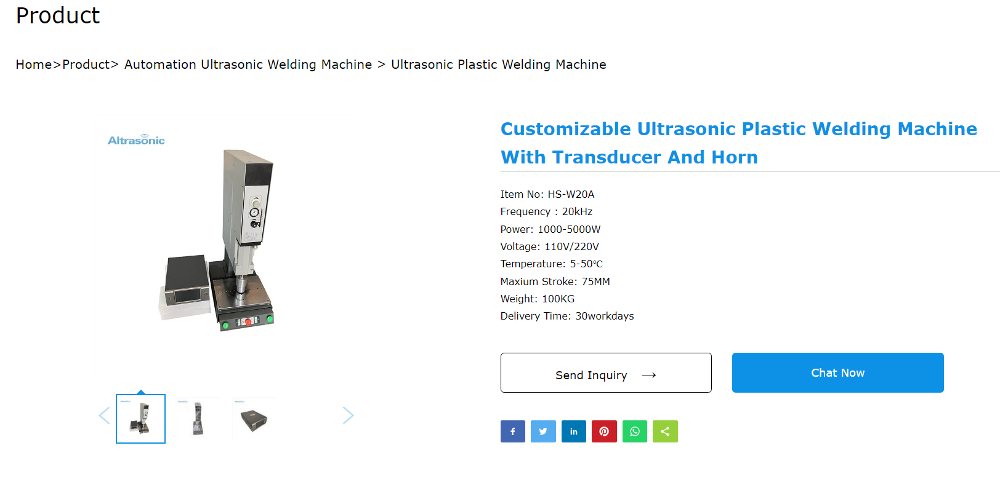
Process Norms - Calculation Sheet
Machine Information
Machine Name | Ultrasonic welding machine | Machine Capacity | 20KHZ/3000W | Process Category | Ultrasonic welding
Floor Space required | 10 | Sq. Mtr
General Information
Depreciation Period | 10 | Interest Rate | 12% | Overall Equipment Efficiency | 85%
Overall Labour Efficiency | 80% | Floor Space Rent | 150 | Per Sq.Mtr per Month
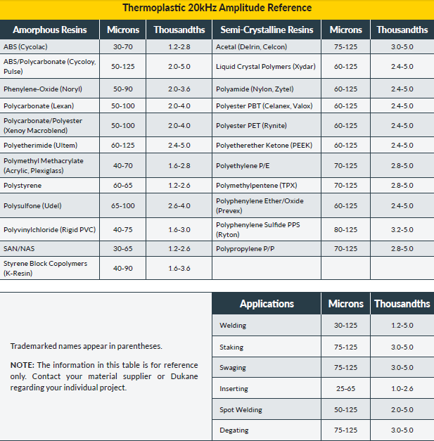
Skilled Labour Rate/Hour | 120 | Semi skilled Labour Rate/Hour | 100 | Unskilled Labour Rate/Hour | 75
Capital Cost
Details | Cost | Remarks
Machine Purchase Cost | 910272
Installation Charges | 45514
Other Cost | 100000
Total Cost | 955785
Running Cost
Annual Maintenance Cost | 45514
Consumables |  |  |  |  | 0
Item Details | Rate / unit | UOM | Consumption per year | Cost per item
Cutting Oil | 120 | Litre | 0 | 0
Coolant | 70 | Litre | 0 | 0
Cotton waste | 40 | Kg | 0 | 0
Auxillary Equipment Cost |  |  |  |  | 0
Item Details | Rate / unit | UOM | Consumption per year | Cost per item per year
Compressor | 400000 | Nos | 0 | 0
General Tools & Blades | 20000 | Nos | 0

Power / Fuel Requirement
Type of Power | Rate / Unit | UOM | Comsumption per Hour |  | Per Hour Cost
Electricity - Motor power | 3 | Kw Hr | 11 |  | 33
Diesel | 54 | Litre | 0 |  | 0
Furnace Oil | 27 | Litre | 0 |  | 0
Labour Cost
Labour Skill | Skilled | Semi skilled | Unskilled | Labour Cost
No of Labour | 1 | 0 | 1 | 213.75
Shift Model
Number of shifts | 2 | Hour of shift | 8 | Days per Year | 295
Net Machine hour per Year | 4012 | Net Fixed Cost per year | 268324.73015 | Net Variable Cost per year | 989961
Machine Norms
Machine Hour Rate | 314 | Machine Minute Rate | 5 | Machine Shift Rate | 2509 | Loading time | 10 | sec
Cycle Time/operation (sec) | 21.00 |  |  |  |  | Horn movement time | 5 | sec
Cost per operation or unit | 1.83 |  |  |  |  | Welding time | 1 | sec | Weld times typically between 0.1 and 1.0 seconds
Batch setup |  |  |  |  |  | Unloading time | 5.00 | sec
Set-up time required in Minutes | 45 |  |  |  |  |  | 21.00
Labour Skill | Skilled | Semi skilled | Unskilled | Batch Set-up cost
No of Labour | 2 | 0 | 0 | 475

